2. Sludge Quant. Calcns
Anaerobic Digester Calculations - S.I. units

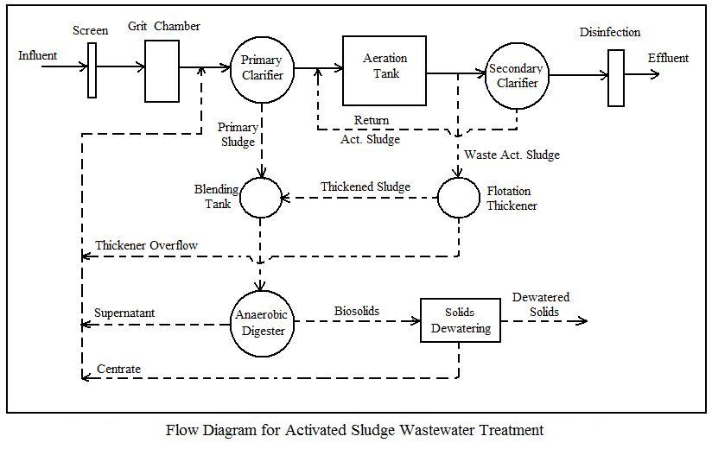
1. Sludge Quantity Calculations

Instructions: Enter values in blue boxes. Spreadsheet calculates values in yellow boxes

Primary Sludge

Inputs |  |  | Inputs

Design Ave. Flow Rate, Qi = | 21,600 | m3/d | Prim. Sludge solids conc. = | 5%
Peaking factor for
peak monthly flow, PF = | 1.2 |  | Prim. Sludge Sp. Grav. = | 1.02

Influent TSS, TSSi = | 400 | g/m3 | Prim. Clarif. % TSS rem = | 70%

After grit removal, TSSp = | 360 | g/m3

Calculations

Peak monthly flow, Qm = | 25,920 | m3/d | TSS in Primary Sludge = | 6,532 | kg/d
(used for design)
 |  |  | Vol. Flow of Prim. Sludge = | 128 | m3/d |  | Equations Used for Calculations

Waste Activated Sludge |  |  |  |  |  |  | Peak monthly flow = (Design ave. flow rate)(Peaking factor) [ Qm = Qi*PF ]

Inputs |  |  | Calculations |  |  |  | kg/day of TSS in Prim. Sludge = Qm*TSSp*(Prim. Clarif. % TSS removal)/1000

Infl. BOD conc., BODi = | 375 | g/m3 | BOD to aeration tank = | 6,512 | kg/d |  | Vol. Flow of Prim. Sldge = (lb/day of TSS in Prim. Sldge)/[1000*(Prim. Sldge solids conc.)(Sp. Gr.)

Prim. Clarif. % BOD rem = | 33% |  | Aeration tank volume, V = | 8,141 | m3 |  | kg/day of BOD to aer. tank = (Peak mnthly flow)(BODi)(1 - % BOD rem. in prim. clarif.)/1000

Aeration tank MLSS, X = | 3500 | g/m3 |  |  |  |  | Aer. tank vol. in m3 = V = (kg/day of BOD to aer. tank)/VL
 |  |  | Waste Activated Sludge
Design SRT = | 13 | days | TSS flow rate, mdotWAS = | 1673 | kg/d |  | kg/day of TSS in WAS, mdotWAS = VMG*X/(Design SRT*1000) - Qm*TSSe/1000
Design vol. loading |  |  | Waste Activated Sludge
for aeration tank, VL = | 0.8 |  | Flow Rate, Qw = | 167 | m3/d |  | Waste Activated Sludge Flow Rate, Qw = mdotWAS*1000/TSSw
(kg BOD/day/m3)
WAS conc., TSSW = | 10000 | g/m3

Effl. TSS conc., TSSe = | 20 | g/m3

Thickened Waste Activated Sludge

Inputs |  |  | Calculations

Conc. Of thickened sludge = | 5% |  | TSS flow (thknd. Sludge) = | 1506 | kg/d |  | lb/day of TSS in thickened sludge = (mdotWAS)(assumed solids recovery %)

Assumed solids recovery = | 90% |  | Flow rate (thknd. Sludge) = | 30 | m3/d |  | MGD of thickened sludge = (lb/day of TSS in thcknd sldge)/[(conc. of thcknd sldge)(8.34)(106)

 |  |  |  |  |  | Reference: Mecalf & Eddy, Inc, Wastewater Engineering Treatment and Reuse, 4th Ed, revised by:
 |  |  |  |  |  |  | Tchobanoglous, G., Burton, F.L., and Stensel, D.H., McGraw Hill, 2003.

