PRD
Product Requirement Document (PRD) - Version: 1.0

Template Name |  | Employee Management System
Goals & Objective |  | The goal of this system is to provide a secure and efficient platform for managing employees involved in the blockchain-based money transfer ecosystem. From this system employee can: -Employees can register or access their accounts. -Overview of key employee information and updates. -View and update personal and professional details. -Submit and track leave applications. -Log and review daily work hours. -Access company documents and personal files. - Participate in training and provide feedback. -Stay updated with company news and notices. -Securely exit the system.
Client Information
Product Type |  | Web Application
Domain |  | Web2
Access Layers |  | User, Employee
Design Required |  | Yes

Phase | Item No | Specification [Role] | Screen Definition | User Story | Acceptance Criteria | UI Screen / Wireframe | Tags
Feature: 1 |  | Auth Feature
phase 1 | 1 | Signup [Employee] [User] | <Form> <input=name> <input=email> <input=skills> <input=department> <input=password> <button=signup> | - Enter Full name (input) - Enter unregistered email (input) -Enter skills -Enter department - Enter password (input) [Logic: At least 8 characters long, atleast one special character] - Choose user type [user,employee] - Click Signup (button) [Logic: If the email is unique, user will be registered to the sysmem (databse)] | - Email (input) field should only accept valid unregistered email address as input, otherwise will show an 'email already used' message. - Password (input) should be minimum 8 characters long. Otherwise show an invalid message. - User type must be selected. Otherwise show 'Please select a user type'. - On clicking signup button, credential will be stored in database, user will be redirected to his dashboard. - A copy of the login information will be sent to his email. | 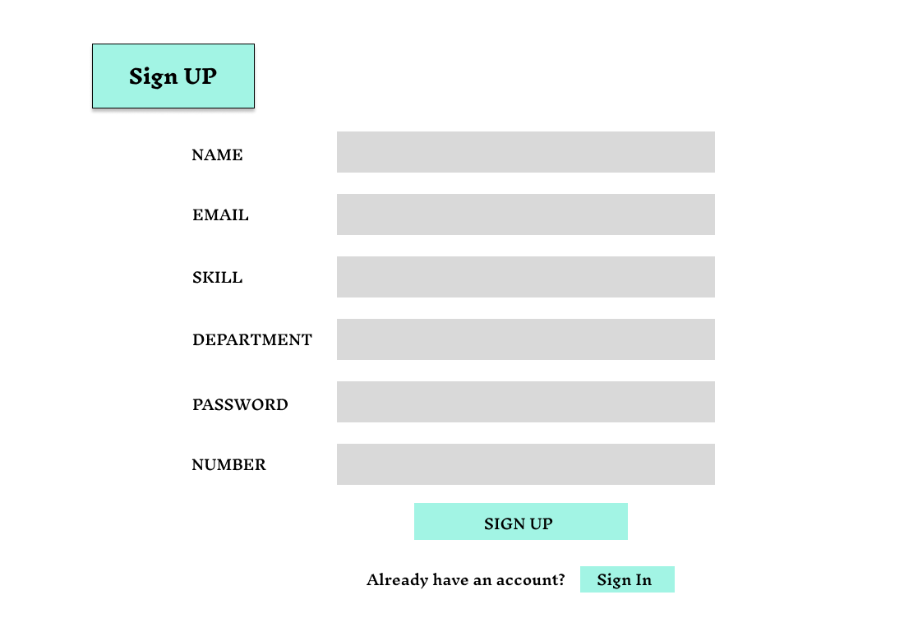 | signup
phase 1+A15:H18E17A15:H30 | 2 | Signin [Employee] [User] | <Form> <input=email> <input=password> <button=signin> <link=signup> | - Enter Email (input) - Enter password (input) - signin (button) - signup (link) | Email must match database email password must match database password User goes to dashboard (if email & password match with database) User is prompted with an error: "Email or password does not match!" (if email & password do not match with database) Clicking Sign Up should take user to the Sign Up page Clicking Forgot Password should take user to the Forgot Password page | 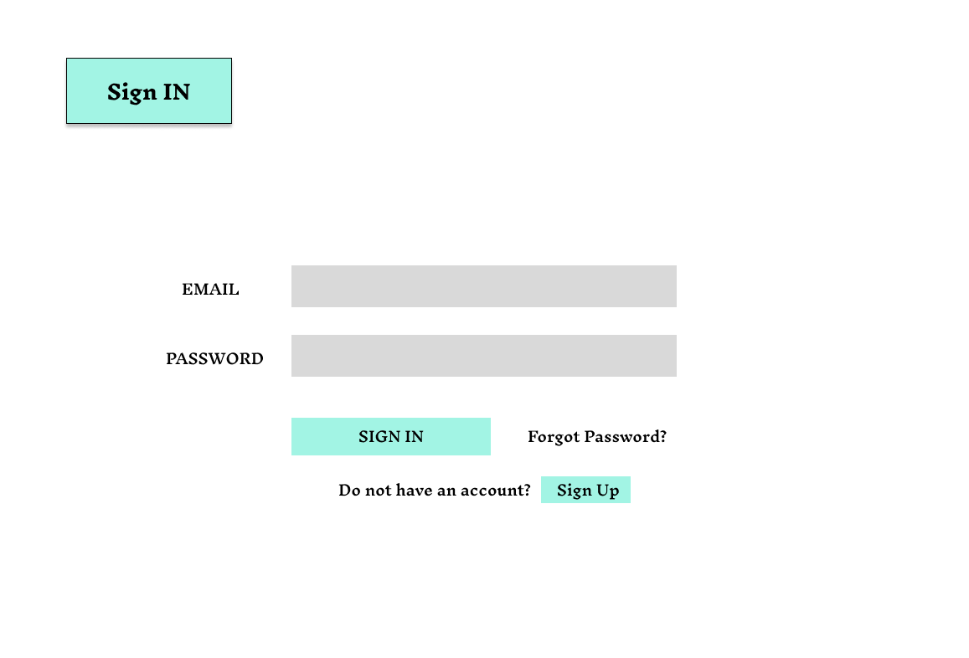 | signin
Feature: 2 |  | Dashboard
phase 1 | 3 | [Employee] [User] | Assigned Tasks View Profile Edit Profile Change Profile Photo Change Password | - Dashboard(link) - View Profile(link) - Edit profile(link) - change profile photo(link) - change password(link) | - clicking dashboard will take user to dashboard page - go to view profile page on click - go to edit profile page on Click - go to change profile page on Click - go to change password page on Click | 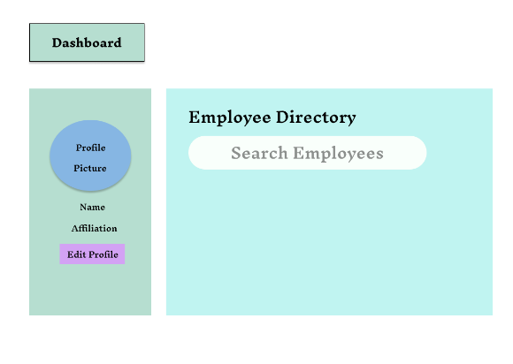 | Menu
Feature: 3 |  | Leave Request
phase 1 | 7 | Leave Request | <form> <input> - view leave balance <input> - apply leave (type, dates, reason) <input> - track status <input> - view history <input> - download report | Display remaining leaves by type (e.g., Casual, Sick, Earned) - Leave form with fields: Type, Start Date, End Date, Reason - View status of submitted requests: Pending, Approved, Rejected - Chronological list of past leaves with dates and approval status - Export leave history as PDF/Excel | Employee can view correct leave balance categorized by leave type. - Form must validate required fields (type, dates, reason). - System must reject leave requests for past dates. - Submitted leave must appear under “Track Status” with appropriate status (Pending/Approved/Rejected). - Leave history must show correct records in reverse chronological order. - Downloaded report must match on-screen leave history.
Feature: 4 |  | Time sheet Submisson
phase 2 | 9 | [user][employee] | <form> <input = Clock in/out > <input = Select tasks> <input = submit weekly timesheet> <button = sign with private key> <input = message> <button = submit> | -F22Manual entry or auto-fill with system time - Dropdown of assigned tasks/projects - Form submission with save option - Display daily/weekly totals, including overtime | - Employee can manually enter or auto-fill clock in/out times. - Project/task dropdown only shows tasks assigned to the employee. - Weekly timesheet must include all workdays before submission. - System calculates total daily and weekly hours, including overtime. - Timesheet must validate missing or overlapping entries. - Submission success message should be displayed upon completion. - Previously submitted timesheets should be visible in read-only format.
Feature: 5 |  | Performance Goals
phase 2 | 10 | [user][employee] | -View Goals - Self-Update Progress -Time Tracking - Select Project/Task - Submit Weekly Timeshee - Work Hour Summary Feedback Submission. - Optional Anonymity | View goals assigned by manager or system Add progress notes or percentage completion Manual input or auto-fill with system time Choose task/project before submitting hours Save and submit weekly logs Show daily and weekly totals with overtime Enter and submit feedback on role, task clarity, challenges, etc. Feedback can be submitted with/without nam | - Employee can view all active goals assigned to them. - Employee can clock in and out manually or with auto-fill. - Task/project selection must reflect current assignments. - Weekly timesheet must validate entry completeness before submission. - The system should calculate daily and weekly total hours correctly. - Progress updates should include date, progress %, and optional comments. - Feedback submission must allow optional anonymity and save in the system. - System must prevent duplicate or overlapping time entries. - All submitted feedback is stored securely and accessible only to authorized roles.D20
Feature: 6 |  | Document Viewer
phase 2 | 11 | Latest Blocks[user][miner] | <table> <col = Block Number> <col = Time> <col = Number of Transactions> <col = Size> <col = miner> | - Block number (text) - Time(text) - Number of trx(text) - size(mb in text) - Miner(name) | - full row is clickable - once clicked it'll redirect to another page [block view page where block details will be shown] - Block number should be in desending order [latest block should be in the top] - Block Size should be in MB - Number of trx should be in number [ negative number not allowed ] - Miner name
Feature: 7 |  | training center
phase 2 | 12 | Mempool[miner] | <table> <col = unconfirmed trx id> <col = trx fee> <col = add button> <table> <row> <col = added unconfirmed trx id> <col = trx fee> <col = remove trx> <row> <col = number of trx> <col = total fee> <col = go button> | - unconfirmed trx ids (text) - trx fee (in btc) - click add button(button) - number of added trx(number) - total fees(number) - go(button) | - add button must add the corrosponding transaction [after clicking add button, the row should disspear from the list and added to the block] - the trx list should be in decending order by the fee. [maximum fee transaction should appear on top] - total number of trx added should appear in the bottom of demo block - total fees of added trx - go button should take miner to mine block page.
Feature: 8 |  | Announcement
phase 2 | 13 | Mine Blocks[miner] | <table=block> <row = block no> <row = nonce> <row = data> <row = prev hash> <row = hash> <row = try mining with given nonce> <row = mine> | - current block no(number) - nonce(can be input) - data(all transactions) - prev hash(previous block hash) - hash(current hash with given data) - try mining with given nonce( button - it'll generate a hash with given nonce,blockno,data,prevhash and check if it's less than target) - mine (it'll try all possible nonce to find a hash which is less than target) | - block number should be 1 + previous block number. Genesis block number is 1 - default nonce value is one - data should include all valid transaction in the block - prev hash should be the hash of previous block - "try mining with given nonce" button will try to mine using the given nonce - mine button will find a valid hash that is less than the target and notify miner that it's ready to be added to the verification list
Feature: 9 |  | Org Chart Viewer
phase 2 | 14 | Log out | <table=block> <row = number of confirmation> <row = block no> <row = nonce(input)> <row = data> <row = prev hash> <row = hash> <row = verify> <row = confirm> | - current block no(uneditable number) - nonce(uneditable text) - data(all transactions) - prev hash(uneditable previous block hash) - hash(current hash with given data) - miners can verify a mined block whether hash value meets the target condition or not - after verifying miner will confirm the block and if 51% miner confirm that the block does not contain any tampered data, then the block will be added to the chain - verify(button) - confirm(button) | - block number should be 1 + previous block number. Genesis block number is 1 and has no prev hash - correct nonce value should be set - data should include all transaction in the block - prev hash should be the hash of previous block - clicking on confirm will not work before verifying - clicking on verify will prompt will a message "It's a valid block!". - Clicking on confirm button will increment <row = number of confirmation>
Feature: 10 |  | Log out
phase 1 | 15 | View Profile[miner][user] | <table> Name Email Phone Date of Birth gender user type edit | - Full name of user (view) - phone number of user (view) - date of birth of user (view) - gender of user (view) - user type (miner/user) - edit (link button) | - No null values - Edit button should take user to edit page
phase 1 | 16 | Edit Profile[miner][user] | <table> <input = Name > <input = Email > <input = Phone > <date input = Date of Birth > <radio button = gender > <button = save > | - can edit name - can edit email - can edit phone - can edit date of birth - can edit gender - can click on save button | - No null values - email should be in correct format [xyz@abc.com] - phone number should be in correct format [11 digits] - date of birth should be in at least 15 years - clicking save button will either promt with an error if above rules do not meet or a promt notifying the user about successful change
phase 1 | 17 | Change Profile Photo[miner][user] | <table> <current image> <input type="file"> <button = confirm> | - current image of user/miner is shown - user can choose new photo from device - after choosing new photo, user can confirm by pressing confirm button | - current image/ default image is shown - input file should be an image and not any other format [png,jpg format] - cofirm button should redirect user to view profile page
phase 1 | 18 | Change Password[miner][user] | <table> <input type="password"> current password <input type="password"> new password <input type="password"> confirm password <button=change> | - type current password - type new password - type new password again | - user can type current password [it should match database password] - Password (input) should be minimum 8 characters long. Otherwise show an invalid message. - Re-password (input) should match password. Otherwise show 'password do not match' message. - On clicking signup button, credential will be stored in database, user will be prompted with a message. [sucessfully changed / something went wrong]

