Target_reliance_date
USS 'Target Reliance' metric Measuring distance between TP liabilities and SfS liabilities
 | Green Target Reliance | Red Target Reliance | SfS liabs - TP liabs
9/1/23 | £24 | £27 | £8.7
6/1/23 | £25 | £28 | £9.5
3/1/23 | £27 | £30 | £11.4
12/1/22 | £22 | £25 | £9.8
9/1/22 | £22 | £24 | £12.5
6/1/22 | £26 | £29 | £15.4
3/1/22 | £33 | £36 | £25.0
12/1/21 | £34 | £37 | £28.3
9/1/21 | £33 | £36 | £27.2
6/1/21 |  |  | £26.0
3/1/21 |  |  | £25.0
12/1/20 |  |  | £26.2
9/1/20 |  |  | £26.4
6/1/20 |  |  | £26.6
3/1/20 | £0 | £0 | £21.4

Actual_reliance_date
USS 'Actual Reliance' metrics 2023
 | TP Surplus green/amber boundary | SfS Surplus amber/red boundary | SfS deficit | TP deficit
9/1/23 | £0 | -£38 | £1.3 | £10.0
6/1/23 | £0 | -£40 | -£1.0 | £8.5
3/1/23 | £0 | -£43 | -£3.8 | £7.6
12/1/22 | £0 | -£35 | -£4.8 | £5.0
9/1/22 | £0 | -£35 | -£6.9 | £5.6
6/1/22 | £0 | -£41 | -£13.6 | £1.8
3/1/22 | £0 | -£52 | -£26.6 | -£1.6
12/1/21 | £0 | -£53 | -£31.4 | -£3.1
9/1/21 | £0 | -£52 | -£30.9 | -£3.7
6/1/21 |  |  | -£34.5 | -£15.5
3/1/21 |  |  | -£36.0 | -£15.7
12/1/20 |  |  | -£43.3 | -£27.9
9/1/20 |  |  | -£31.8 | -£23.3
6/1/20 |  |  | -£34.4 | -£20.2
3/1/20 |  |  | -£35.5 | -£14.1

Actual_reliance_gilt_yield
USS 'Actual Reliance' metrics 2023
 | SfS Surplus amber/red boundary | TP Surplus green/amber boundary | SfS deficit | TP deficit
4.80% | -£38 | £0 | £1.3 | £10.0
4.30% | -£40 | £0 | -£1.0 | £8.5
3.70% | -£43 | £0 | -£3.8 | £7.6
3.90% | -£35 | £0 | -£4.8 | £5.0
3.70% | -£35 | £0 | -£6.9 | £5.6
2.50% | -£41 | £0 | -£13.6 | £1.8
1.70% | -£52 | £0 | -£26.6 | -£1.6
1.00% | -£53 | £0 | -£31.4 | -£3.1
1.30% | -£52 | £0 | -£30.9 | -£3.7
1.10% |  |  | -£34.5 | -£15.5
1.30% |  |  | -£36.0 | -£15.7
0.60% |  |  | -£43.3 | -£27.9
0.70% |  |  | -£31.8 | -£23.3
0.60% |  |  | -£34.4 | -£20.2
0.70% |  |  | -£35.5 | -£14.1

Target_reliance_gilt_yield
USS 'Target Reliance' metric 2023 SfS liabilities + Transition Risk - TP liabilities, monitoring 2020-2023
 | SfS liabs + Transition Risk - TP liabs | Red Target Reliance | Green Target Reliance
4.80% | £16.7 | £27 | £24
4.30% | £17.5 | £28 | £25
3.70% | £19.4 | £30 | £27
3.90% | £16.8 | £25 | £22
3.70% | £19.5 | £24 | £22
2.50% | £22.4 | £29 | £26
1.70% | £31.0 | £36 | £33
1.00% | £35.3 | £37 | £34
1.30% | £34.2 | £36 | £33
1.10%
1.30%
0.60%
0.70%
0.60%
0.70%

Data_quart
Transititon Risk |  | bn |  |  |  |  |  |  | Actutal Reliance |  | Target Reliance
 | SfS_Liabs | Assets | TP_Liabs | Aff_RC_low | Aff_RC_high | Av: AFFRC | Limit Reliance | AffRC DR | G-A | A-R | G-A | A-R | TP Deficit | SfS Deficit | SfS Liabs-TP Liabs | USS Gilt Yield | Transition Risk | SfS L - TP L + Trans Risk | USS reported Tar Rel |  | Target Reliance |  | TP liabs | TP liabl Green | TP liab Red
 |  |  | TP liabilities |  |  | Affordable Risk Capacity (AffRC) |  |  | TP Surplus green/amber boundary | SfS Surplus amber/red boundary | Green Target Reliance | Red Target Reliance | TP deficit | SfS deficit | SfS liabs - TP liabs |  |  | SfS liabs + Transition Risk - TP liabs |  | SfS liabs + Transition Risk - TP liabs | Green | Red | TP liabilities | Green TP liabilities | Red TP liabilities | Green: Target Reliance <95% AffRC | Red: Target Reliance >105% AffRC | AffRC DR |  | Nominal
2023-09-01 | £67.5 | £68.8 | £58.8 | £24 | £27 | £26 | £38 |  | £0 | -£38 | £24 | £27 | £10.0 | £1.3 | £8.7 | 4.80% | £8 | £16.7 | £16.7 | £16.7 | £24 | £27 | £58.8 | £51.3 | £48.72 |  |  | Gilts + 0.45% | 0.45% | 5.25%
2023-06-01 | £71.8 | £70.8 | £62.3 | £25 | £28 | £26.7 | £40 |  | £0 | -£40 | £25 | £28 | £8.5 | -£1.0 | £9.5 | 4.30% | 8 | £17.5 | £17.5 | £17.5 | £25 | £28 | £62.3 | £54.5 | £51.80 |  |  | Gilts + 0.49% | 0.49% | 4.79%
2023-03-01 | £77.5 | £73.7 | £66.1 | £27 | £30 | £28.6 | £43 |  | £0 | -£43 | £27 | £30 | £7.6 | -£3.8 | £11.4 | 3.70% | 8 | £19.4 | £20.5 | £19.4 | £27 | £30 | £66.1 | £58.4 | £55.50 |  |  | Gilts + 0.70% | 0.70% | 4.40%
2022-12-01 | £76.2 | £71.4 | £66.4 | £22 | £25 | £24 | £35 |  | £0 | -£35 | £22 | £25 | £5.0 | -£4.8 | £9.8 | 3.90% | 7 | £16.8 |  | £16.8 | £22 | £25 | £66.4 | £60.9 | £58.53 |  |  | Gilts + 0.78% | 0.78% | 4.68%
2022-09-01 | £79.5 | £72.6 | £67.0 | £22 | £24 | £23 | £35 |  | £0 | -£35 | £22 | £24 | £5.6 | -£6.9 | £12.5 | 3.70% | 7 | £19.5 |  | £19.5 | £22 | £24 | £67.0 | £64.7 | £62.35 |  |  | Gilts + 1.22% | 1.22% | 4.92%
2022-06-01 | £91.2 | £77.6 | £75.8 | £26 | £29 | £28 | £41 |  | £0 | -£41 | £26 | £29 | £1.8 | -£13.6 | £15.4 | 2.50% | 7 | £22.4 |  | £22.4 | £26 | £29 | £75.8 | £72.1 | £69.33 |  |  | Gilts + 1.07% | 1.07% | 3.57%
2022-03-01 | £115.4 | £88.8 | £90.4 | £33 | £36 | £35 | £52 |  | £0 | -£52 | £33 | £36 | -£1.6 | -£26.6 | £25.0 | 1.70% | 6 | £31.0 |  | £31.0 | £33 | £36 | £90.4 | £88.6 | £85.18 |  |  | Gilts + 0.87% | 0.87% | 2.57%
2021-12-01 | £123.6 | £92.2 | £95.3 | £34 | £37 | £36 | £53 |  | £0 | -£53 | £34 | £37 | -£3.1 | -£31.4 | £28.3 | 1.00% | 7 | £35.3 |  | £35.3 | £34 | £37 | £95.3 | £96.9 | £93.32 |  |  | Gilts + 0.73% | 0.73% | 1.73%
2021-09-01 | £118.4 | £87.5 | £91.2 | £33 | £36 | £35 | £52 |  | £0 | -£52 | £33 | £36 | -£3.7 | -£30.9 | £27.2 | 1.30% | 7 | £34.2 |  | £34.2 | £33 | £36 | £91.2 | £92.6 | £89.18 |  |  | Gilts + 0.67% | 0.67% | 1.97%
2021-06-01 | £115.7 | £85.3 | £89.7 |  |  |  |  |  |  |  |  |  | -15.5 | -34.5 | £26.0 | 1.10% |  | £26.0
2021-03-01 | £111.3 | £80.1 | £86.3 |  |  |  |  |  |  |  |  |  | -15.7 | -36 | £25.0 | 1.30% |  | £25.0
2020-12-01 | £118.0 | £80.5 | £91.8 |  |  |  |  |  |  |  |  |  | -27.9 | -43.3 | £26.2 | 0.60% |  | £26.2
2020-09-01 | £116.1 | £75.6 | £89.7 |  |  |  |  |  |  |  |  |  | -23.3 | -31.8 | £26.4 | 0.70% |  | £26.4
2020-06-01 | £116.4 | £74.2 | £89.8 |  |  |  |  |  |  |  |  |  | -20.2 | -34.4 | £26.6 | 0.60% |  | £26.6
2020-03-01 | £102.0 | £66.5 | £80.6 | £30 | £33 |  | £0 |  |  |  | £0 | £0 | -14.1 | -35.5 | £21.4 | 0.70% | 8 | £29.4 |  |  |  |  |  |  |  |  |  | Gilts + 1.2% | 1.20% | 1.90%

 | Av: AFFRC | Limit Reliance
4.80% | £25.5 | £38
4.30% | £26.7 | £40
3.70% | £28.6 | £43
3.90% | £23.5 | £35
3.70% | £23.0 | £35
2.50% | £27.5 | £41
1.70% | £34.5 | £52
1.00% | £35.5 | £53
1.30% | £34.5 | £52
1.10%
1.30%
0.60%
0.70%
0.60%
0.70% |  | £0
AffRC DR Nominal
 | Nominal
4.80% | 5.25%
4.30% | 4.79%
3.70% | 4.40%
3.90% | 4.68%
3.70% | 4.92%
2.50% | 3.57%
1.70% | 2.57%
1.00% | 1.73%
1.30% | 1.97%
1.10%
1.30%
0.60%
0.70%
0.60%
0.70% | 1.90%
AffRC DR Nominal
 | Nominal
4.80% | £25.5
4.30% | £26.7
3.70% | £28.6
3.90% | £23.5
3.70% | £23.0
2.50% | £27.5
1.70% | £34.5
1.00% | £35.5
1.30% | £34.5
1.10%
1.30%
0.60%
0.70%
0.60%
0.70%
 | Green Target Reliance | Red Target Reliance
4.80% | £24 | £27
4.30% | £25 | £28
3.70% | £27 | £30
3.90% | £22 | £25
3.70% | £22 | £24
2.50% | £26 | £29
1.70% | £33 | £36
1.00% | £34 | £37
1.30% | £33 | £36
1.10%
1.30%
0.60%
0.70%
0.60%
0.70% | £0 | £0

 |  |  |  |  |  |  |  | Aff Ratio =SS Deficit / 10% Payroll

 | Av: AFFRC | Limit Reliance
9/1/23 | £25.5 | £38
6/1/23 | £26.7 | £40
3/1/23 | £28.6 | £43
12/1/22 | £23.5 | £35
9/1/22 | £23.0 | £35
6/1/22 | £27.5 | £41
3/1/22 | £34.5 | £52
12/1/21 | £35.5 | £53
9/1/21 | £34.5 | £52
6/1/21
3/1/21
12/1/20
9/1/20
6/1/20
3/1/20 |  | £0
 | TP Surplus green/amber boundary | SfS Surplus amber/red boundary
9/1/23 | £0 | -£38
6/1/23 | £0 | -£40
3/1/23 | £0 | -£43
12/1/22 | £0 | -£35
9/1/22 | £0 | -£35
6/1/22 | £0 | -£41
3/1/22 | £0 | -£52
12/1/21 | £0 | -£53
9/1/21 | £0 | -£52
6/1/21
3/1/21
12/1/20
9/1/20
6/1/20
3/1/20
 | Green Target Reliance | Red Target Reliance
9/1/23 | £24 | £27
6/1/23 | £25 | £28
3/1/23 | £27 | £30
12/1/22 | £22 | £25
9/1/22 | £22 | £24
6/1/22 | £26 | £29
3/1/22 | £33 | £36
12/1/21 | £34 | £37
9/1/21 | £33 | £36
6/1/21
3/1/21
12/1/20
9/1/20
6/1/20
3/1/20 | £0 | £0

AffRC_gilt_yield
USS Affordable Risk Capacity USS quarterly monitoring, September 2021 - Septemer 2023
 | Affordable Risk Capacity (AffRC) | Red: Target Reliance >105% AffRC | Green: Target Reliance <95% AffRC
4.80% | £25.5 | £27 | £24
4.30% | £26.7 | £28 | £25
3.70% | £28.6 | £30 | £27
3.90% | £23.5 | £25 | £22
3.70% | £23.0 | £24 | £22
2.50% | £27.5 | £29 | £26
1.70% | £34.5 | £36 | £33
1.00% | £35.5 | £37 | £34
1.30% | £34.5 | £36 | £33
1.10%
1.30%
0.60%
0.70%
0.60%
0.70%

TP_Target_reliance_gilt_yield
USS 'Target Reliance' as TP metric 2023 Arranged as TP liabilities status Red, Amber, Green, monitoring Sep 21-Sep 23
 | TP liabilities | Red TP liabilities | Green TP liabilities
4.80% | £58.8 | £48.72 | £51.3
4.30% | £62.3 | £51.80 | £54.5
3.70% | £66.1 | £55.50 | £58.4
3.90% | £66.4 | £58.53 | £60.9
3.70% | £67.0 | £62.35 | £64.7
2.50% | £75.8 | £69.33 | £72.1
1.70% | £90.4 | £85.18 | £88.6
1.00% | £95.3 | £93.32 | £96.9
1.30% | £91.2 | £89.18 | £92.6
1.10%
1.30%
0.60%
0.70%
0.60%
0.70%

Sheet2
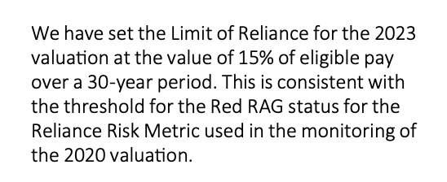
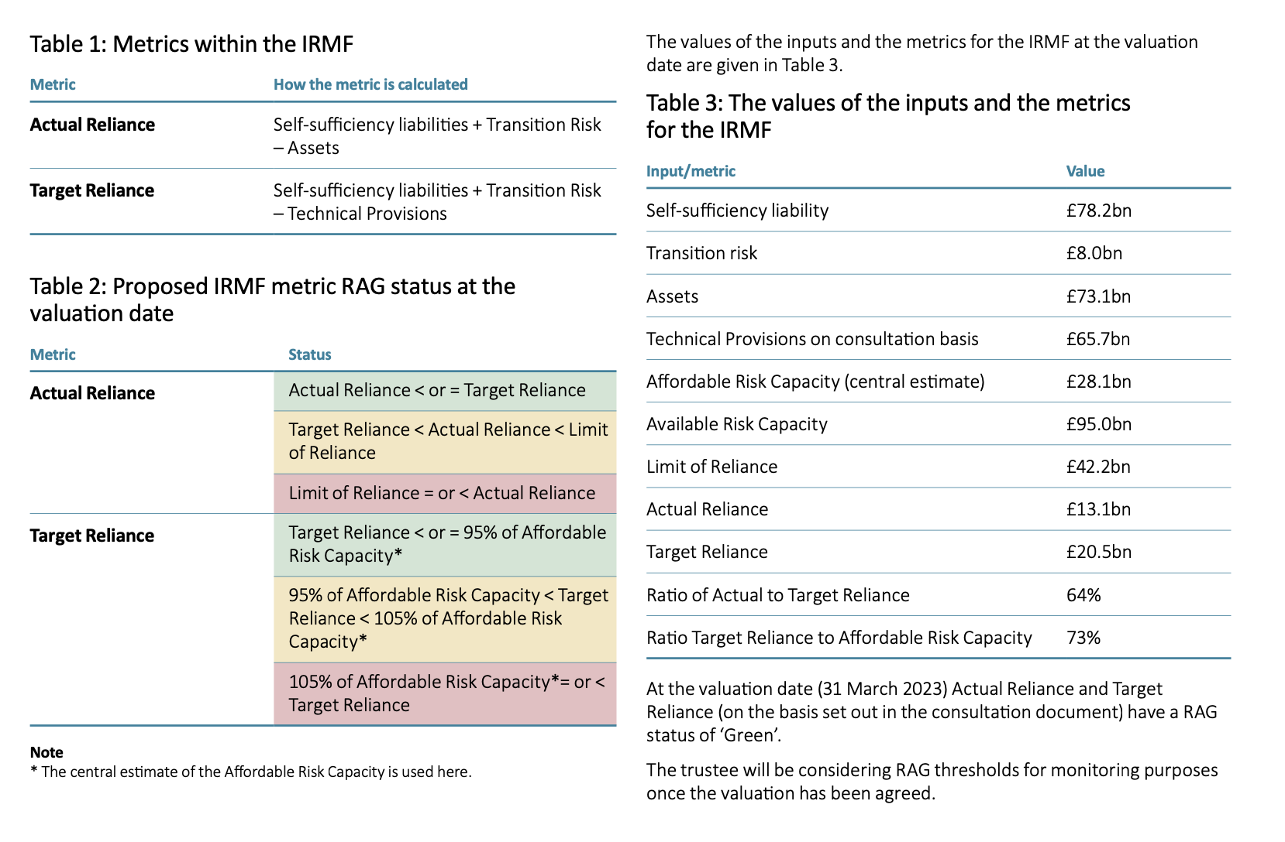
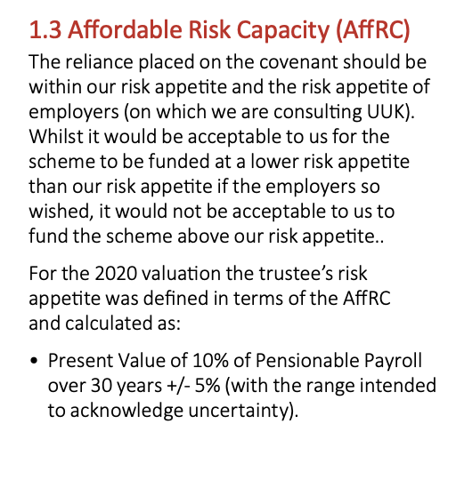
Table 1: Metrics within IRMF

Metric | How the metric is calculated
Actual Reliance | SfS liabilities + Transition Risk - Assets
Target Reliance | SfS liabilities + Transition Risk - TP liabilities | SfS Liabilities -Assets - (TP Liabilities- Assets) + Transition Risk= Assets- TP liabilities-(Assets- SfS Liabilitites) + TR =TP surplus - SfS Surplus + Transition Risk
 |  |  | SfS li
Target Reliance - Actual Reliance = SfS Liabs+ TR - TP Liabs - SfS Liabs - TR+ Assets

Table 2: Proposed IRMF metric RAG status at the valuation date |  |  | Re-phrased where Surplus = Assets - TP liabilities
Metric | Status
Actual Reliance | Actual Reliance <= Target Reliance | Green | TP Surplus (deficit) > 0 | No TP Deficit
 | Target Reliance < Actual Reliance < Limit of Reliance | Amber | 0 > TP Surplus (deficit) > 15% 30-yr payroll (£42bn)- SfS liabilities - TR | TP deficit less than Covenant limit-(SfSliab-TR)
 | Limit of Reliance <= Actual Reliance | Red | TP Surplus (deficit) > 15% 30-yr payroll (£42bn) - SfS liabilities - TR | TP deficit more than Covenat limit - (SfS liabs+TR)
Target Reliance | Target Reliance <= 95% of AffRC | Green | minus SfS Surplus (deficit) < 95% of 10% payroll 30-yrs -TP surplus -Transition Risk | SfS Liabs < TP liabs -TR - 95% Aff RC | SfS Liabs - Assetts < TP liabs - R +95% Aff RC- Assets
 | 95% of AffRC < Target Reliance < 105% of AffRC | Amber
 | 105% of AffRC <= Target Reliance | Red

