USS_Mar_2020
USS FSC monitoring Mar '20 - Oct '22 data grab Bank of England UK 20-year monthly gilt yield
 | Raw FSC %
0.77% | 20.7%
0.67% | 22.2%
0.57% | 23.3%
0.61% | 23.6%
0.58% | 23.5%
0.70% | 22.5%
0.71% | 22.8%
0.73% | 22.5%
0.82% | 23.2%
0.75% | 24.0%
0.78% | 23.2%
1.08% | 22.1%
1.28% | 21.3%
1.28% | 21.8%
1.34% | 22.5%
1.27% | 22.6%
1.07% | 23.4%
0.98% | 23.4%
1.14% | 21.7%
1.36% | 23.0%
1.12% | 24.0%
1.02% | 23.1%
1.36% | 21.5%
1.58% | 20.7%
1.69% | 19.3%
1.95% | 17.5%
2.15% | 16.4%
2.63% | 15.4%
2.51% | 16.1%
2.58% | 15.0%
3.63% | 13.6%
4.18% | 12.8%

Chart_2014
USS FSC monitoring March 2014 - February 2017 data-grab against
3.3469 | 22.248125168
3.3127 | 22.537981985
3.2387 | 22.494548838
3.3055 | 22.486300392
3.228 | 22.820590946
2.9986 | 24.387827062
2.978 | 24.325539357
2.7955 | 24.921643321
2.7235 | 26.392078788
2.4744 | 27.474765602
2.1112 | 29.350835515
2.2503 | 27.689451596
2.2853 | 28.372597931
2.2061 | 28.486933857
2.4791 | 28.195830085
2.6379 | 27.390736165
2.5968 | 27.284458405
2.4307 | 27.07670554
2.4175 | 26.685463185
2.4421 | 26.422161617
2.5375 | 26.593384257
2.4749 | 25.416881542
2.386 | 26.558769553
2.1972 | 26.968195882
2.222 | 27.991925902
2.2451 | 27.870932323
2.1985 | 27.450762943
1.9487 | 30.115920871
1.5432 | 31.712469041
1.2661 | 34.530602058
1.3562 | 34.018791431
1.655 | 33.390261335
1.9506 | 31.457056264
1.9985 | 32.761646891
1.9869 | 32.70964167
1.9125 | 33.397294506

Chart_2018
USS FSC monitoring March 2018 - February 2020 data-grab against
1.8331 | 26.374752606
1.8387 | 26.446055822
1.8548 | 26.460921016
1.7859 | 26.505339834
1.723 | 26.883679629
1.7546 | 26.923291707
1.8685 | 26.388462052
1.9291 | 25.580262368
1.8972 | 24.520587396
1.7304 | 24.534050784
1.7204 | 25.588857023
1.6575 | 26.121406468
1.5877 | 27.53160078
1.6136 | 27.746460504
1.5161 | 27.762866642
1.3476 | 28.557057042
1.2152 | 29.826023301
0.9404 | 30.046273194
0.9037 | 30.312170215
0.9618 | 29.467143694
1.1078 | 29.458864568
1.1787 | 29.70996554
1.0439 | 30.359199133
0.9155 | 29.619420154

Chart_2020
USS FSC monitoring March 2020 - October 2022 data-grab against
0.7661 | 20.674740128
0.6702 | 22.169259418
0.569 | 23.316942545
0.6098 | 23.605662977
0.5778 | 23.471957066
0.7011 | 22.460762902
0.7086 | 22.792487682
0.7328 | 22.529438227
0.8234 | 23.229628925
0.7481 | 24.031315602
0.7807 | 23.22329382
1.0806 | 22.061338775
1.2827 | 21.287946187
1.2795 | 21.818015868
1.3417 | 22.485689135
1.2651 | 22.614511914
1.0741 | 23.375237434
0.9775 | 23.371107788
1.136 | 21.749019541
1.364 | 23.029198781
1.1203 | 23.956063531
1.0209 | 23.052180923
1.3588 | 21.497685583
1.5829 | 20.694755905
1.6918 | 19.327657289
1.9462 | 17.544553162
2.1485 | 16.440450382
2.6344 | 15.400639134
2.5064 | 16.05215694
2.5767 | 14.967878493
3.634 | 13.579081432
4.1809 | 12.794553813

Image
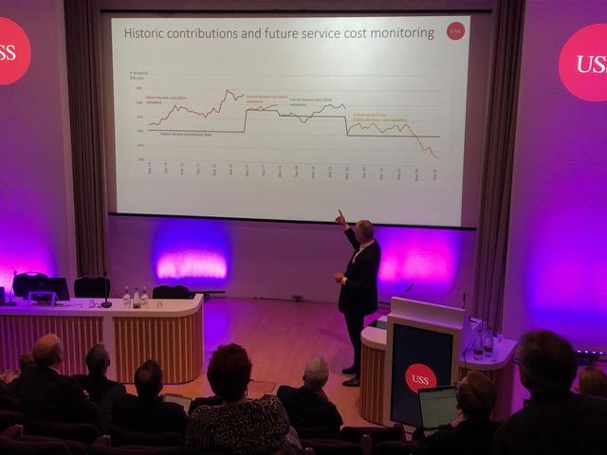
photo credit Deepa Driver, USS Institutions Meeting, November 2022, Bill Galvin presentation

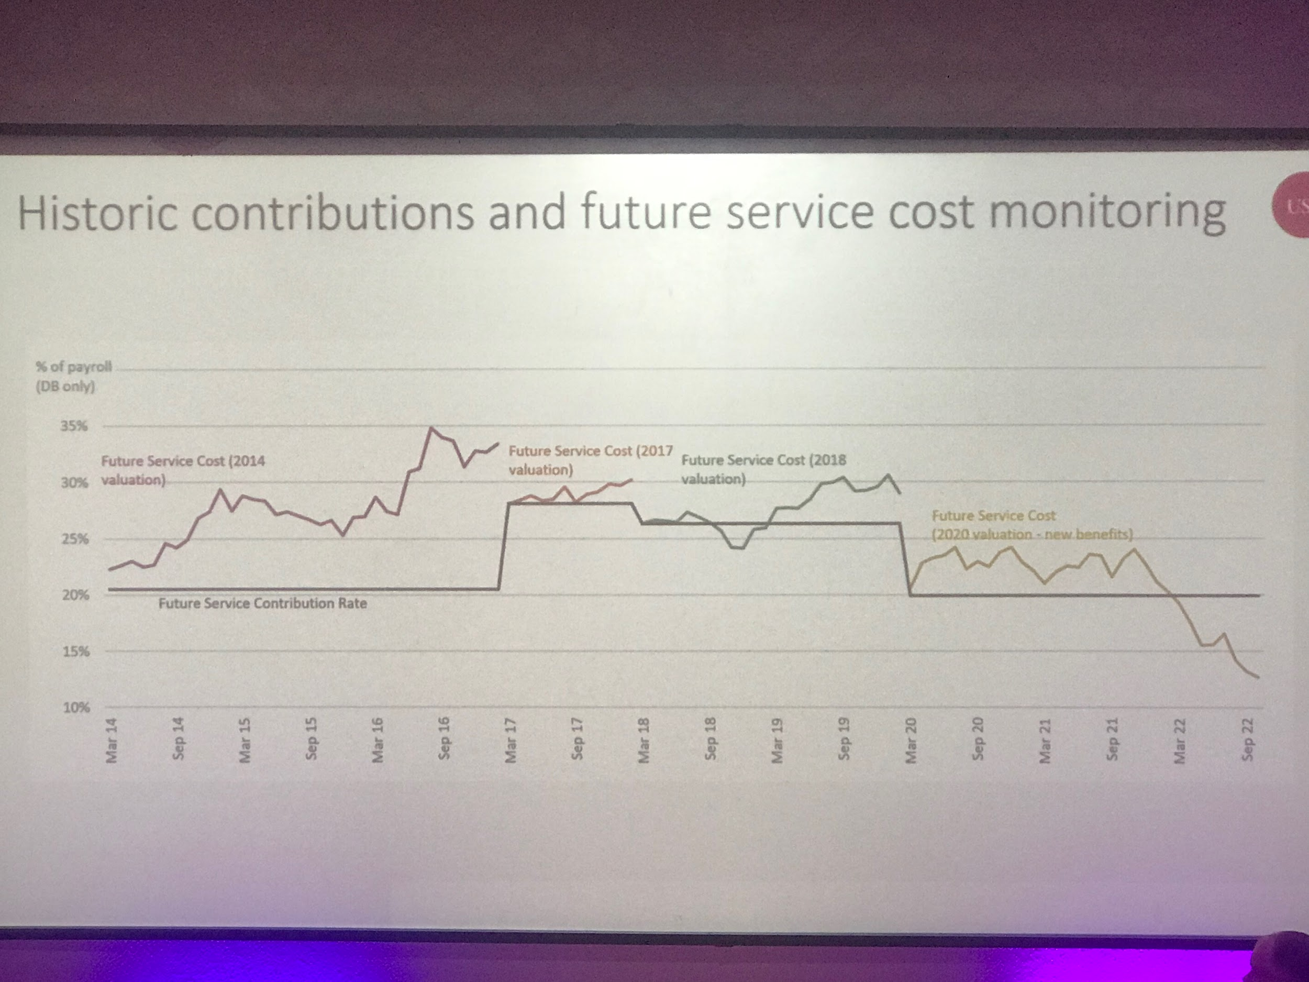

photo credit Dennis Leach, USS Institutions Meeting, November 2022, Bill Galvin presentation

Copy of Con_check_Sept_FMP
Month | Data grab FMP Sept 2022 | - DC contribution | Bill Graph | Difference Bill Graph FMP | DC contribution
1 | 25.20 | 19.90 | 20.67 | -0.8 | 5.3
2 | 28.12 | 22.82 | 22.17 | 0.7
3 | 28.58 | 23.28 | 23.32 | 0.0
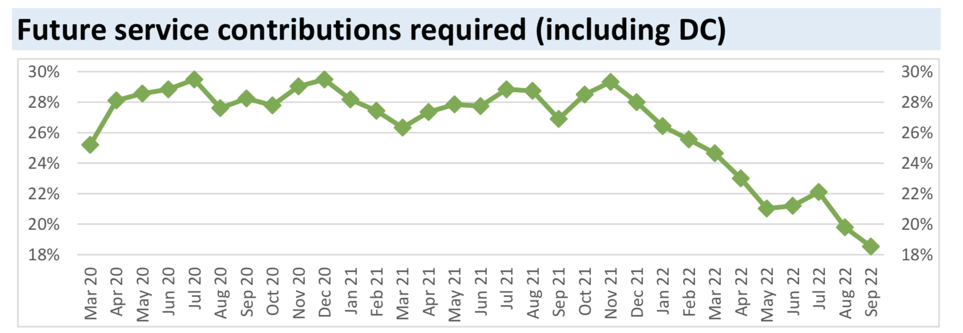
4 | 28.86 | 23.56 | 23.61 | 0.0
5 | 29.46 | 24.16 | 23.47 | 0.7
6 | 27.62 | 22.32 | 22.46 | -0.1
7 | 28.26 | 22.96 | 22.79 | 0.2
8 | 27.81 | 22.51 | 22.53 | 0.0
9 | 29.03 | 23.73 | 23.23 | 0.5
10 | 29.46 | 24.16 | 24.03 | 0.1
11 | 28.19 | 22.89 | 23.22 | -0.3
12 | 27.44 | 22.14 | 22.06 | 0.1
13 | 26.33 | 21.03 | 21.29 | -0.3
14 | 27.37 | 22.07 | 21.82 | 0.3
15 | 27.87 | 22.57 | 22.49 | 0.1
16 | 27.75 | 22.45 | 22.61 | -0.2
17 | 28.86 | 23.56 | 23.38 | 0.2
18 | 28.75 | 23.45 | 23.37 | 0.1
19 | 26.89 | 21.59 | 21.75 | -0.2
20 | 28.51 | 23.21 | 23.03 | 0.2
21 | 29.33 | 24.03 | 23.96 | 0.1
22 | 28.01 | 22.71 | 23.05 | -0.3
23 | 26.43 | 21.13 | 21.50 | -0.4
24 | 25.57 | 20.27 | 20.69 | -0.4
25 | 24.64 | 19.34 | 19.33 | 0.0
26 | 23.00 | 17.70 | 17.54 | 0.2
27 | 21.02 | 15.72 | 16.44 | -0.7
28 | 21.20 | 15.90 | 15.40 | 0.5
29 | 22.11 | 16.81 | 16.05 | 0.8
30 | 19.79 | 14.49 | 14.97 | -0.5
31 | 18.54 | 13.24 | 13.58 | -0.3

