Gph_quart_SS_Dfct_gilt_yield2
Self-Sufficiency liabilities & gilt-yields nominal for post-April 2022 benefits, Mar '22- Sep '23, USS monitoring data
 | SS Deficit £bn, quarterly |  | SS Deficit £bn, quarterly
0.7% |  | 0.7% | £35.50
0.6% | £42.20 | 0.6%
0.7% | £40.50 | 0.7%
0.6% | £37.50 | 0.6%
1.3% | £31.20 | 1.3%
1.1% | £30.40 | 1.1%
1.3% | £30.90 | 1.3%
1.0% | £31.40 | 1.0%
1.7% | £26.60 | 1.7%
2.5% | £13.60 | 2.5%
3.7% | £6.90 | 3.7%
3.9% | £4.80 | 3.9%
3.7% | £3.80 | 3.7% | £5.10
4.3% | £1.00 | 4.3%
4.8% | -£1.30

Gph_vals_FSC_gilt_2011-2023
USS valuation Future Service Costs & gilt yields for pre-April 2022 benefits, all valuations 2011-2023
 | Valuations 2011, 2014, 2018, 2020, 2023 |  | 2017 not implemented |  | All valuations
3.347% | 22.5% | 1.813% | 31.4% | 3.347% | 22.5%
1.833% | 28.7% |  |  | 1.833% | 28.7%
0.700% | 37.0% |  |  | 0.700% | 37.0%
3.700% | 20.6% |  |  | 3.700% | 20.6%
4.299% | 22.5% |  |  | 4.299% | 22.5%
 |  |  |  | 1.813% | 31.4%

Gph_vals_FSC_gilt_2014-2023
USS valuation Future Service Costs & gilt yields for pre-April 2022 benefits, all valuations 2014-2023
 | Valuations 2014, 2018, 2020, 2023 |  | 2017 not implemented |  | All valuations |  | Dummy2ndAxis
3.347% | 22.5% | 1.813% | 31.4% | 3.347% | 22.5% | 3.347% | £2.25
1.833% | 28.7% |  |  | 1.833% | 28.7% | 1.833% | £2.87
0.700% | 37.0% |  |  | 0.700% | 37.0% | 0.700% | £3.70
3.700% | 20.6% |  |  | 3.700% | 20.6% | 3.700% | £2.06
 |  |  |  | 1.813% | 31.4% | 1.813% | £3.14

Vals_2014_2023
Date | Gilt | Valuations 2014, 2018, 2020, 2023 | TP liabilities | £ per year | SfS Liabs | TP to in 2023 CPI | Ln(TP) | SfS Liabs | Gilt yield from |  | FSC from |  |  | £payroll | Year | CPI |  |  |  |  |  |  | Septt CPI
31-Mar-14 | 3.347% | 22.5% | £46.90 | £2.25 |  | 62.45 | 4.13 |  | BoE checked for consistency with Marketwatch |  | contributtion rate (no DRC) |  |  | 10 | 2011 | 3.8 | 1.038 | 134% | 2011 | 4.5 | 1.045 | 137% | 5.20% | 105.20% | 140%
31-Mar-18 | 1.833% | 28.7% | £67.30 | £2.87 |  | 84.20 | 4.43 |  | BoE checked for consistency with Marketwatch |  | 2018 Monitoring FSC reported at valuation date |  |  |  | 2012 | 2.6 | 1.026 | 129% | 2012 | 2.8 | 1.028 | 133% | 2.20% | 102.20% | 137%
31-Mar-20 | 0.700% | 37.0% | £80.60 | £3.70 |  | 98.66 | 4.59 |  | USS |  | USS 2020 valuation document LCP |  |  |  | 2013 | 2.3 | 1.023 | 126% | 2013 | 2.6 | 1.026 | 130% | 2.00% | 102.00% | 135%
31-Mar-23 | 3.700% | 20.6% | £65.70 | £2.06 |  | 65.70 | 4.19 |  | USS |  | 2020 Monitoring and TP documents |  |  |  | 2014 | 1.5 | 1.015 | 123% | 2014 | 1.5 | 1.015 | 128% | 1.20% | 101.20% | 133%
31-Mar-17 | 1.813% | 31.4% | £67.50 | £3.14 |  | 86.48 | 4.46 |  | 2017 not implemented |  |  |  |  |  | 2015 | 0.4 | 1.004 | 121% | 2015 | 0 | 1 | 128% | -0.10% | 99.90% | 133%
Data sources |  |  |  |  |  |  |  |  |  |  |  |  |  |  | 2016 | 1 | 1.01 | 120% | 2016 | 0.7 | 1.007 | 127% | 1.00% | 101.00% | 132%
Refs with BoE Gilts |  |  |  |  |  |  |  |  |  |  |  |  |  |  | 2017 | 2.6 | 1.026 | 119% | 2017 | 2.7 | 1.027 | 124% | 3.00% | 103.00% | 128%
https://docs.google.com/spreadsheets/d/1-4X5CYglfwpnZRtNhT1nxf4UWDDVbgFydXud8nqxDfI/edit?usp=sharing |  |  |  |  |  |  |  |  |  |  | 2014, 2018, 2020, 2023 |  |  |  | 2018 | 2.3 | 1.023 | 116% | 2018 | 2.5 | 1.025 | 121% | 2.40% | 102.40% | 125%
 |  |  |  |  |  |  |  |  |  |  | LINEST | UNCERTAINTY |  |  | 2019 | 1.7 | 1.017 | 114% | 2019 | 1.8 | 1.018 | 119% | 1.70% | 101.70% | 123%
Refs with USS Gilts |  |  |  |  |  |  |  |  |  |  | -5.27 | 0.40 |  |  | 2020 | 1 | 1.01 | 112% | 2020 | 0.9 | 1.009 | 118% | 0.50% | 100.50% | 122%
https://www.uss.co.uk/about-us/valuation-and-funding/our-valuations |  |  |  |  |  |  |  |  |  |  | 0.51 | 0.01 |  |  | 2021 | 2.5 | 1.025 | 111% | 2021 | 2.6 | 1.026 | 115% | 4.20% | 104.20% | 117%
 |  |  |  |  |  |  |  |  |  | R2 | 98.13% | 1.24% | uncertainty in R2 |  | 2022 | 7.9 | 1.079 | 108% | 2022 | 9.1 | 1.091 | 105% | 10.10% | 110.10% | 107%
Historic contribution Rates including FSC |  |  |  |  |  |  |  |  |  |  | 104.99 | 2.00 |  |  | 2023 |  |  |  | 2023 | 5 | 1.05 | 1% | 6.70% | 106.70% | 1%
https://sussex.box.com/s/m5jemntpxr5kum9iyju5kg9x8a85g6hn |  |  |  |  |  |  |  |  |  |  | 0.02 | 0.00

2018 FSC of 28.7%
https://github.com/SussexUCU/USS/blob/main/docs/dashboard/2020_04_MonitoringDashboard_30April2020.pdf
 |  |  |  |  |  |  |  |  |  |  | All valuations
 |  |  |  |  |  |  |  |  |  |  | LINEST | UNCERTAINTY
 |  |  |  |  |  |  |  |  |  |  | -5.3545575492 | 0.4024078774
 |  |  |  |  |  |  |  |  |  |  | 0.47145776471 | 0.011932371867
LN(TP liabilities)
Un used data Sept 2017 TP Consultation |  |  |  |  |  |  |  |  |  |  | 97.727% | 1.161%
31-Mar-17 | 1.8% | 30.5% |  |  |  |  |  |  |  |  | 128.99164927 | 3
 |  |  |  |  |  |  |  |  |  |  | 0.017400510762 | 0.00040468923826

31-Mar-11 | 4.3% | 22.5%
31-Mar-18 | 1.833%
31-Mar-17 | 1.813%

Gph_qt_FSC_Cut_gilt_yiel_R_Mntr
USS monitoring Future Service Costs & gilt yields for post-April 2022 benefits, March 2022 - September 2023
 | 2020 valuation quarterly monitoring, cuts |  | 2020 & 2023 valuations, cuts |  | Dummy2ndAxi
0.7% |  | 0.7% | 25.2% | £0.00 | 25.2%
0.6% | 28.8% | 0.6% |  | £2.88
0.7% | 28.2% | 0.7% |  | £2.82
0.6% | 29.5% | 0.6% |  | £2.95
1.3% | 26.3% | 1.3% |  | £2.63
1.1% | 27.7% | 1.1% |  | £2.77
1.3% | 26.9% | 1.3% |  | £2.69
1.0% | 28.0% | 1.0% |  | £2.80
1.7% | 24.7% | 1.7% |  | £2.47
2.5% | 21.2% | 2.5% |  | £2.12
3.7% | 18.5% | 3.7% |  | £1.85
3.9% | 17.9% | 3.9% |  | £1.79
3.7% | 17.5% | 3.7% | 16.2% | £1.75 | 16.2%
4.3% | 15.6% |  |  | £1.56
4.8% | 14.5% |  |  | £1.45

Gph_quart_FSC_NoCut_gilt_yield
USS monitoring Future Service Costs & gilt yields for pre-April 2022 benefits, March 2022 - September 2023
 | 2020 valuation quarterly monitoring, no cuts |  | 2020 & 2023 valuations, no cuts |  | Dummy2ndAxis
0.7% |  | 0.7% | 0.37 | £0.00 | 0.37
0.6% | 40.1% | 0.6% |  | £4.01
0.7% | 42.2% | 0.7% |  | £4.22
0.6% | 46.9% | 0.6% |  | £4.69
1.3% | 41.2% | 1.3% |  | £4.12
1.1% | 43.1% | 1.1% |  | £4.31
1.3% | 42.2% | 1.3% |  | £4.22
1.0% |  | 1.0% |  | £0.00
1.7% | 36.4% | 1.7% |  | £3.64
2.5% | 27.4% | 2.5% |  | £2.74
3.7% | 24.4% | 3.7% |  | £2.44
3.9% | 22.2% | 3.9% |  | £2.22
3.7% | 21.8% | 3.7% | 0.206 | £2.18 | 0.206
4.3% | 19.3% |  |  | £1.93
4.8% | 17.1% |  |  | £1.71

Pre-ret_pru
USS pre-retirement discount rate & gilt yield 90% equities portfolio, March 2020 - March 2023
 | Monthly monitoring | Valuations yearly (full and interim)
0.7% | 3.5% | 3.5%
0.5% | 3.3%
0.5% | 3.2%
0.6% | 3.3%
0.5% | 3.1%
0.8% | 3.3%
0.7% | 3.3%
0.7% | 3.4%
0.8% | 3.3%
0.6% | 3.1%
0.8% | 3.3%
1.3% | 3.4%
1.3% | 3.8% | 3.8%
1.2% | 3.5%
1.2% | 3.5%
1.1% | 3.5%
0.9% | 3.4%
1.0% | 3.5%
1.3% | 3.8%
1.0% | 3.5%
0.7% | 3.3%
1.0% | 3.5%
1.4% | 3.9%
1.5% | 4.0%
1.7% | 4.2% | 4.2%
1.9% | 4.4%
2.3% | 4.8%
2.5% | 4.5%
2.3% | 4.3%
3.0% | 5.0%
3.7% | 5.6%
3.5% | 5.4%
3.3% | 5.2%
3.9% | 5.3%
3.7% | 5.1%
4.0% | 5.4%
3.7% | 5.5% | 6.2%

Best_est_FBB
USS best-est. expected nominal return & gilt yield 90% equities portfolio, montly monitoring March 2020 - March 2023
 | Monthly monitoring
0.7% | 6.0%
0.5% | 5.7%
0.5% | 5.5%
0.6% | 5.4%
0.5% | 5.2%
0.8% | 5.2%
0.7% | 5.3%
0.7% | 5.6%
0.8% | 5.2%
0.6% | 4.9%
0.8% | 5.2%
1.3% | 5.1%
1.3% | 5.5%
1.2% | 5.3%
1.2% | 5.3%
1.1% | 5.3%
0.9% | 5.4%
1.0% | 5.5%
1.3% | 4.9%
1.0% | 4.6%
0.7% | 4.8%
1.0% | 4.7%
1.4% | 5.1%
1.5% | 5.2%
1.7% | 6.2%
1.9% | 6.4%
2.3% | 6.8%
2.5% | 6.7%
2.3% | 6.5%
3.0% | 7.2%
3.7% | 7.1%
3.5% | 6.9%
3.3% | 6.7%
3.9% | 7.1%
3.7% | 6.9%
4.0% | 7.2%
3.7% | 7.7%

Post-ret_pru
USS post-retirement discount rate & gilt yield 90% bonds portfolio, March 2020 - March 2023
 | Monthly monitoring | Valuations yearly (full and interim)
0.7% | 1.7% | 1.7%
0.5% | 1.4%
0.5% | 1.4%
0.6% | 1.4%
0.5% | 1.3%
0.8% | 1.5%
0.7% | 1.4%
0.7% | 1.4%
0.8% | 1.5%
0.6% | 1.3%
0.8% | 1.5%
1.3% | 2.0%
1.3% | 1.9% | 1.9%
1.2% | 1.7%
1.2% | 1.8%
1.1% | 1.6%
0.9% | 1.5%
1.0% | 1.5%
1.3% | 1.8%
1.0% | 1.5%
0.7% | 1.3%
1.0% | 1.6%
1.4% | 2.0%
1.5% | 2.1%
1.7% | 2.3% | 2.3%
1.9% | 2.5%
2.3% | 2.9%
2.5% | 3.1%
2.3% | 2.9%
3.0% | 3.6%
3.7% | 4.4%
3.5% | 4.2%
3.3% | 3.9%
3.9% | 4.5%
3.7% | 4.3%
4.0% | 4.6%
3.7% | 4.3% | 4.6%

TP_DR
USS TP discount rate & gilt yield 67% pre-ret & 33% post-ret portfolio, March 2020 - March 2023
 | Monthly monitoring | Valuations yearly (full and interim)
0.7% | 2.3% | 2.3%
0.5% | 2.0%
0.5% | 2.0%
0.6% | 2.0%
0.5% | 1.9%
0.8% | 2.1%
0.7% | 2.1%
0.7% | 2.1%
0.8% | 2.1%
0.6% | 1.9%
0.8% | 2.1%
1.3% | 2.4%
1.3% | 2.5% | 2.5%
1.2% | 2.3%
1.2% | 2.3%
1.1% | 2.2%
0.9% | 2.1%
1.0% | 2.2%
1.3% | 2.5%
1.0% | 2.2%
0.7% | 1.9%
1.0% | 2.2%
1.4% | 2.6%
1.5% | 2.7%
1.7% | 2.9% | 2.9%
1.9% | 3.1%
2.3% | 3.5%
2.5% | 3.6%
2.3% | 3.4%
3.0% | 4.1%
3.7% | 4.8%
3.5% | 4.6%
3.3% | 4.3%
3.9% | 4.8%
3.7% | 4.5%
4.0% | 4.9%
3.7% | 4.7% | 5.1%

Gph_quart_TPLiab_gilt_yield
Technical Provision Liabilities & gilt yield nominal for post-April 2022 benefits, Mar '22- Sep '23, USS monitoring data
 | TP Liabilities £bn, quarterly |  | TP Liabilities £bn, quarterly
0.7% |  | 0.7% | £80.60
0.6% | £89.80 | 0.6%
0.7% | £89.70 | 0.7%
0.6% | £91.80 | 0.6%
1.3% | £86.30 | 1.3%
1.1% | £89.70 | 1.1%
1.3% | £91.20 | 1.3%
1.0% | £95.30 | 1.0%
1.7% | £90.40 | 1.7%
2.5% | £75.80 | 2.5%
3.7% | £67.00 | 3.7%
3.9% | £66.40 | 3.9%
3.7% | £66.10 | 3.7% | £65.70
4.3% | £62.30 | 4.3%
4.8% | £58.00

Gph_quart_SS_Dfct_gilt_yield
Self-Sufficiency Deficit & gilt-yields nominal for post-April 2022 benefits, Mar '22- Sep '23, USS monitoring data
 | SS Deficit £bn, quarterly |  | SS Deficit £bn, quarterly
0.7% |  | 0.7% | £35.50
0.6% | £42.20 | 0.6%
0.7% | £40.50 | 0.7%
0.6% | £37.50 | 0.6%
1.3% | £31.20 | 1.3%
1.1% | £30.40 | 1.1%
1.3% | £30.90 | 1.3%
1.0% | £31.40 | 1.0%
1.7% | £26.60 | 1.7%
2.5% | £13.60 | 2.5%
3.7% | £6.90 | 3.7%
3.9% | £4.80 | 3.9%
3.7% | £3.80 | 3.7% | £5.10
4.3% | £1.00 | 4.3%
4.8% | -£1.30

USS_data_Quarterly
Date | 2020 valuation quarterly monitoring, cuts | FSC without benefit, cuts | Raw data Gilt yields % | 2020 & 2023 valuations, cuts | 2020 valuation quarterly monitoring, cuts | SS Deficit £bn, quarterly | TP Liabilities £bn, quarterly | SS Deficit £bn, quarterly | TP Liabilities £bn, quarterly | 2020 valuation quarterly monitoring, no cuts | 2020 & 2023 valuations, no cuts | FBB expected pre-retirement return relative to 30 yr nom gilts | Assets £bn, quarterly | 10 |  | Factor (without cuts/ with cuts) | Ln TP | SfS Liab | Ln SfS Liabs
2020-03-01 | 25.2% | 37.0% | 0.7% | 25.2% |  |  |  | £35.50 | £80.60 |  | 37.0% | 5.28 |  | £0.00 | £0.00 | 147%
2020-06-01 | 28.8% |  | 0.6% |  | 28.8% | £42.20 | £89.80 |  |  | 40.1% |  | 4.81 | £74.20 | £4.01 | £2.88 |  | 4.50 | £116.40 | 4.7570325353
2020-09-01 | 28.2% |  | 0.7% |  | 28.2% | £40.50 | £89.70 |  |  | 42.2% |  | 4.62 | £75.60 | £4.22 | £2.82 |  | 4.50 | £116.10 | 4.7544518887
2020-12-01 | 29.5% |  | 0.6% |  | 29.5% | £37.50 | £91.80 |  |  | 46.9% |  | 4.29 | £80.50 | £4.69 | £2.95 |  | 4.52 | £118.00 | 4.7706846245
2021-03-01 | 26.3% | 36.7% | 1.3% |  | 26.3% | £31.20 | £86.30 |  |  | 41.2% |  | 4.17 | £80.10 | £4.12 | £2.63 | 157% | 4.46 | £111.30 | 4.7122292583
2021-06-01 | 27.7% |  | 1.1% |  | 27.7% | £30.40 | £89.70 |  |  | 43.1% |  | 4.22 | £85.30 | £4.31 | £2.77 |  | 4.50 | £115.70 | 4.7510006342
2021-09-01 | 26.9% | 42.2% | 1.3% |  | 26.9% | £30.90 | £91.20 |  |  | 42.2% |  | 3.6 | £87.50 | £4.22 | £2.69 | 157% | 4.51 | £118.40 | 4.7740687224
2021-12-01 | 28.0% |  | 1.0% |  | 28.0% | £31.40 | £95.30 |  |  |  |  | 3.72 | £92.20 | £0.00 | £2.80 |  | 4.56 | £123.60 | 4.817050545
2022-03-01 | 24.7% | 36.4% | 1.7% |  | 24.7% | £26.60 | £90.40 |  |  | 36.4% |  | 4.51 | £88.80 | £3.64 | £2.47 | 147% | 4.50 | £115.40 | 4.7484043541
2022-06-01 | 21.2% | 27.4% | 2.5% |  | 21.2% | £13.60 | £75.80 |  |  | 27.4% |  | 4.17 | £77.60 | £2.74 | £2.12 | 129% | 4.33 | £91.20 | 4.5130548971
2022-09-01 | 18.5% | 24.4% | 3.7% |  | 18.5% | £6.90 | £67.00 |  |  | 24.4% |  | 3.39 | £72.60 | £2.44 | £1.85 | 132% | 4.20 | £79.50 | 4.3757570217
2022-12-01 | 17.9% | 22.2% | 3.9% |  | 17.9% | £4.80 | £66.40 |  |  | 22.2% |  | 3.21 | £71.40 | £2.22 | £1.79 | 124% | 4.20 | £76.20 | 4.3333614627
2023-03-01 | 17.5% | 21.8% | 3.7% | 16.2% | 17.5% | £3.80 | £66.10 | £5.1 | £65.7 | 21.8% | 20.6% | 4 | £73.70 | £2.18 | £1.75 |  | 4.19 | £77.50 | 4.3502779364
2023-06-01 | 15.6% | 19.3% | 4.3% |  | 15.6% | £1.00 | £62.30 |  |  | 19.3% |  |  | £70.80 | £1.93 | £1.56 |  | 4.13 | £71.80 | 4.2738844761
2023-09-01 | 14.5% | 17.1% | 4.8% |  | 14.5% | -£1.30 | £58.00 |  |  | 17.1% |  |  | £68.80 | £1.71 | £1.45 |  | 4.06 | £67.50 | 4.2121275979

 | Ln TP
0.7%
0.6% | 4.50
0.7% | 4.50
0.6% | 4.52
1.3% | 4.46
1.1% | 4.50
1.3% | 4.51
1.0% | 4.56
1.7% | 4.50
2.5% | 4.33
3.7% | 4.20
3.9% | 4.20
3.7% | 4.19
4.3% | 4.13
4.8% | 4.06
Ln SfS
 | Ln SfS Liabs
0.7%
0.6% | 4.7570325353
0.7% | 4.7544518887
0.6% | 4.7706846245
1.3% | 4.7122292583
1.1% | 4.7510006342
1.3% | 4.7740687224
1.0% | 4.817050545
1.7% | 4.7484043541
2.5% | 4.5130548971
3.7% | 4.3757570217
3.9% | 4.3333614627
3.7% | 4.3502779364
4.3% | 4.2738844761
4.8% | 4.2121275979

TP
 | TP Liabilities £bn, quarterly
0.7%
0.6% | £89.80
0.7% | £89.70
0.6% | £91.80
1.3% | £86.30
1.1% | £89.70
1.3% | £91.20
1.0% | £95.30
1.7% | £90.40
2.5% | £75.80
3.7% | £67.00
3.9% | £66.40
3.7% | £66.10
4.3% | £62.30
4.8% | £58.00
SfS
 | SfS Liab
0.7%
0.6% | £116.40
0.7% | £116.10
0.6% | £118.00
1.3% | £111.30
1.1% | £115.70
1.3% | £118.40
1.0% | £123.60
1.7% | £115.40
2.5% | £91.20
3.7% | £79.50
3.9% | £76.20
3.7% | £77.50
4.3% | £71.80
4.8% | £67.50

Gph_qt_FSC_both_gilt_yiel_R_All
Future Service Cost & gilt yields nominal for post-April 2022 benefits, Mar '22- Jun '23, USS quarterly monitoring
 | 2020 valuation quarterly monitoring, cuts |  | 2020 & 2023 valuations, cuts |  | 2020 valuation quarterly monitoring, no cuts |  | 2020 & 2023 valuations, no cuts
0.7% |  | 0.7% | 25.2% | 0.7% |  | 0.7% | 0.37
0.6% | 28.8% | 0.6% |  | 0.6% | 40.1% | 0.6%
0.7% | 28.2% | 0.7% |  | 0.7% | 42.2% | 0.7%
0.6% | 29.5% | 0.6% |  | 0.6% | 46.9% | 0.6%
1.3% | 26.3% | 1.3% |  | 1.3% | 41.2% | 1.3%
1.1% | 27.7% | 1.1% |  | 1.1% | 43.1% | 1.1%
1.3% | 26.9% | 1.3% |  | 1.3% | 42.2% | 1.3%
1.0% | 28.0% | 1.0% |  | 1.0% |  | 1.0%
1.7% | 24.7% | 1.7% |  | 1.7% | 36.4% | 1.7%
2.5% | 21.2% | 2.5% |  | 2.5% | 27.4% | 2.5%
3.7% | 18.5% | 3.7% |  | 3.7% | 24.4% | 3.7%
3.9% | 17.9% | 3.9% |  | 3.9% | 22.2% | 3.9%
3.7% | 17.5% | 3.7% | 16.2% | 3.7% | 21.8% | 3.7% | 0.206
4.3% | 15.6% |  |  | 4.3% | 19.3% | 4.3%

RAW_FSC
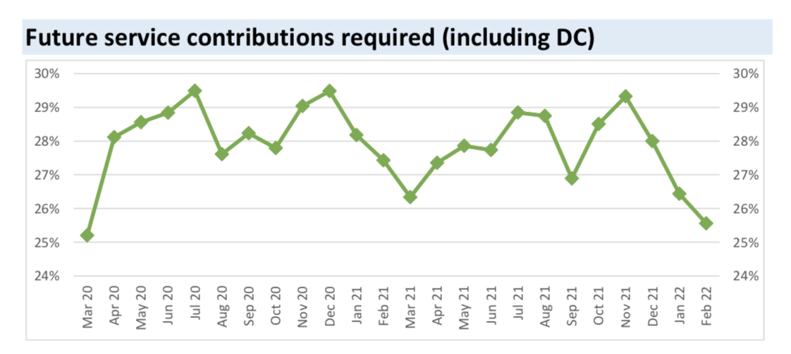
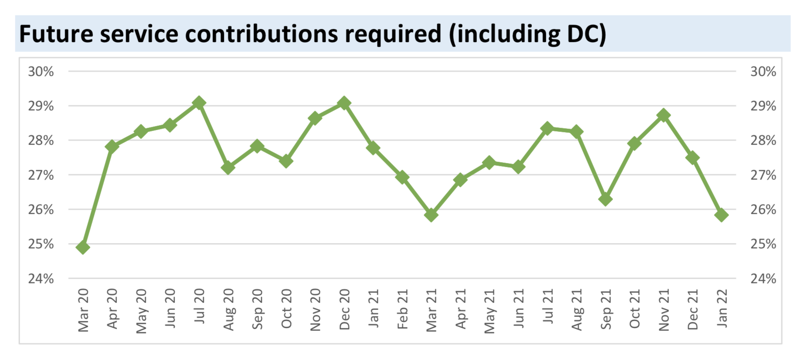
FSC USS data | Date | FSC USS data
25.2% | Mar-20 | 25.2
28.1% | Apr-20 | 28.1
28.6% | May-20 | 28.6
28.8% | Jun-20 | 28.8
29.5% | Jul-20 | 29.5
27.6% | Aug-20 | 27.6
28.2% | Sep-20 | 28.2
27.8% | Oct-20 | 27.8
29.0% | Nov-20 | 29.0
29.5% | Dec-20 | 29.5
28.2% | Jan-21 | 28.2
27.4% | Feb-21 | 27.4
26.3% | Mar-21 | 26.3
27.4% | Apr-21 | 27.4
27.9% | May-21 | 27.9
27.7% | Jun-21 | 27.7
28.8% | Jul-21 | 28.8
28.7% | Aug-21 | 28.7
26.9% | Sep-21 | 26.9
28.5% | Oct-21 | 28.5
29.3% | Nov-21 | 29.3
28.0% | Dec-21 | 28.0
26.4% | Jan-22 | 26.4
25.6% | Feb-22 | 25.6
24.7% | Mar-22 | 24.7
23.0% | Apr-22 | 23.0
21.0% | May-22 | 21.0
21.2% | Jun-22 | 21.2
22.1% | Jul-22 | 22.1
19.8% | Aug-22 | 19.8
18.5% | Sep-22 | 18.5
18.0% | Oct-22 | 18.0
18.3% | Nov-22 | 18.3
17.9% | Dec-22 | 17.9
18.5% | Jan-23 | 18.5
17.3% | Feb-23 | 17.3
17.5% | Mar-23 | 17.5

