Chart1
Failure % of 'funding ratio' & 'benefit payment' USS Valuation Investment Strategy (60% equtites) from £69bn assets and Self-sufficiency portfolio (90% bonds) from £82bn assets
 | Funding test failure: VIS portfolio | Benefit payment failure: VIS | Funding test failure: SfS portfolio | Benefit payment failure: SfS
0 |  | 0.0% |  | 0.0%
3 | 23.0% | 0.0% | 11.0% | 0.0%
5 | 17.0% | 0.0% | 5.0% | 0.0%
9 | 13.0% | 0.0% | 4.0% | 0.0%
20 | 10.0% | 0.2% | 5.0% | 0.1%
30 | 8.7% | 1.2% | 4.7% | 0.8%
40 | 7.3% | 4.7% | 4.3% | 3.1%
50 | 6.0% | 6.0% | 4.0% | 4.0%

USS_data_2018
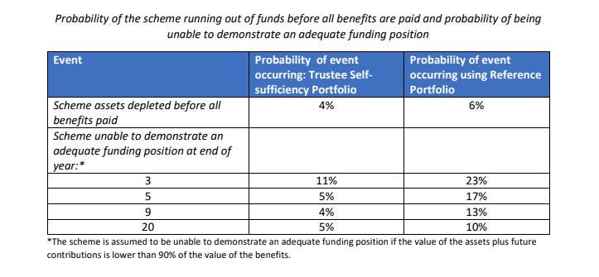
Probability of the scheme running out of funds before all benefits are paid and probability of being unable to demonstrate an adequate funding position

Event | Probability of event occurring: Trustee Self- sufficiency Portfolio | Probability of event occurring using Reference Portfolio

Scheme assets depleted before all benefits paid
 | 4% | 6%

Scheme unable to demonstrate an adequate funding position at end of year:*
Year | Funding test failure: SfS portfolio | Funding test failure: VIS portfolio
3 | 11% | 23%
5 | 5% | 17%
9 | 4% | 13%
20 | 5% | 10%

*The scheme is assumed to be unable to demonstrate an adequate funding position if the value of the assets plus future contributions is lower than 90% of the value of the benefits.

