Test Plan
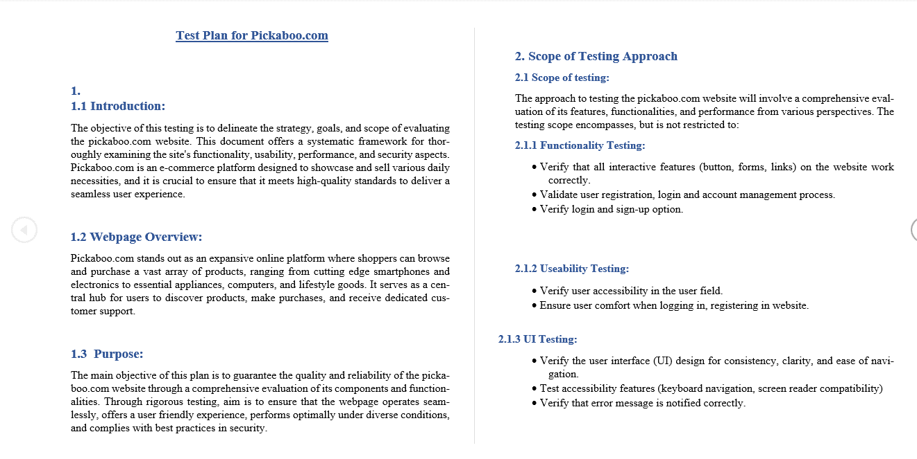

Mind Maps
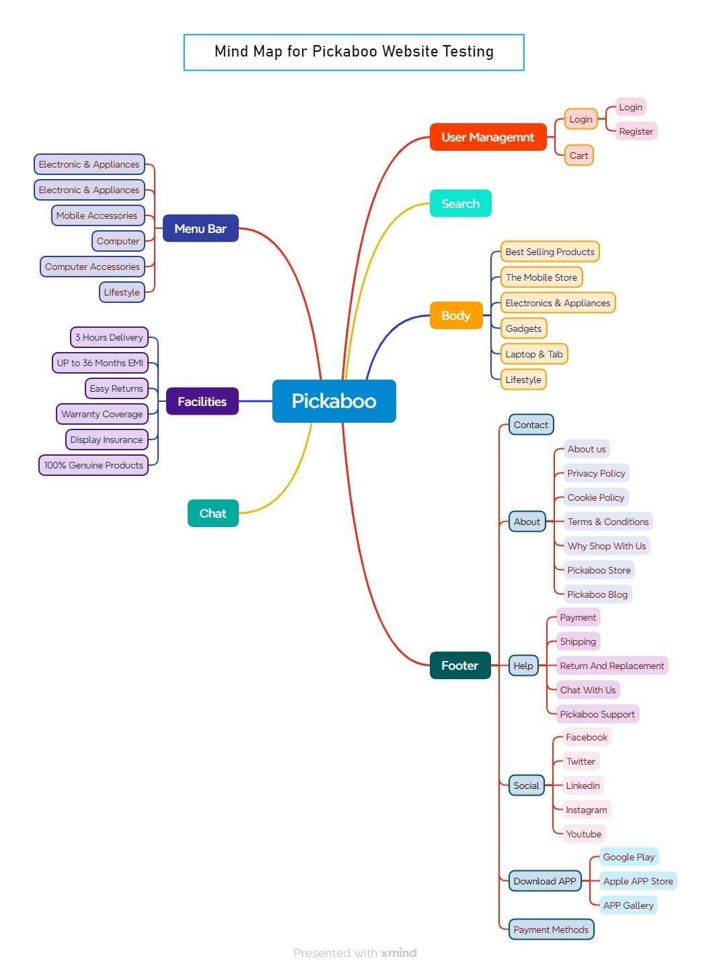

Test Summary Report
Test Case Report
Project Name | BD Shop
Module Name | Sign Up and Sign In |  |  |  |  |  | Total No. | Status |  | Result :
Test Case Version |  |  |  |  |  |  | 83 | PASS
Written By | Tamanna Zubairi Sana |  |  |  |  |  | 19 | FAIL
Executed By | Tamanna Zubairi Sana |  |  |  |  |  | 1 | Not Executed |  | New Features | Testing Scope | Testing Environment : | Google Chrome Browser
Reviewed By | Ehsanul Alam Sabbir |  |  |  |  |  | 0 | Out of Scope
TEST EXECUTION REPORT
Test Case Report
Test Case | PASS | FAIL | Not Executed | Out Of Scope | Total TC
 | 83 | 19 | 1 | 0 | 103
Grand Total | 83 | 19 | 1 | 0 | 103

LIMITATIONS
Documents |  |  |  | Received | Useful
PRD |  |  |  | No | No
USER STORY |  |  |  | No | No

 | Testing Type in Scope | Description

Yes/ No. Justification (If No): | Functional Testing | This type of testing ignores the internal parts and focuses only on the output to check if it is as per the requirement or not.

Yes/ No. Justification (If No): | Integration Testing | Testing of all integrated modules to verify the combined functionality after integration is termed as Integration Testing.

Yes/ No. Justification (If No): | Negative Testing | Testing having the mindset of “attitude to break” using incorrect data and invalid inputs.

Yes/ No. Justification (If No): | Usability Testing | Test application from user friendliness perspective.

Yes/ No. Justification (If No): | Browser Compatibility Testing | Browser Compatibility Testing is performed for web applications and it ensures that the software can run with the combination of different browser and operating system. This type of testing also validates whether web application runs on all versions of all browsers or not.

Yes/ No. Justification (If No): | Boundary Value Testing | There is an upper and lower boundary for each range and testing is performed on these boundary values.

Yes/ No. Justification (If No): | Risk Based Testing Or Regression Testing | Risk-Based Testing includes testing of highly critical functionality, which has the highest impact on business and in which the probability of failure is very high. Testing an application as a whole for the modification in any module or functionality is termed as Regression Testing.

GENERAL INFORMATION

Test Stage: |  | Unit Performance |  | Functionality Regression |  | Integration Acceptance |  | System Plot |  | Interface

 |  | Specify the testing stage for this test case.
Test Date: |  | mm/dd/yy |  |  |  | System Date,If applicable: |  |  | mm/dd/yy
Tester: |  | Specify the name(s) of who is testing this case scenario. |  |  |  | Test Case Number: |  |  | Specify a unique test number assigned to the test case.

Test Case Description: |  | Provide a brief description of what functionality the case will test.

Result: |  | Pass |  | Fail |  | Incident Number, If applicable: |  |  | Specify the unique identifier assigned to the incident.

INTRODUCTION

Requirement(s) to be tested: |  | Identify the requirements to be tested and include the requirement number and description from the Requirements Traceability Matrix.

Roles and Responsibilites : |  | Describe each project team member and stakeholder involved in the test, and identify their associated responsibility for ensuring the test is executed appropriately.

Set up Procedures: |  | Describe the sequence of actions necessary to prepare for execution of the test.

Stop Procedures: |  | Describe the sequence of actions necessary to terminate the test.
ENVIRONMENTAL NEEDS

Hardware: |  | Identify the qualities and configurations of the hardware required to execute the test case.
Software: |  | Identify system and application software required to execute the test case. Specify any software that the test case will interact with.
Procedural Requirments: |  | Describe any constraints on the test procedures necessary to execute the test case.

TEST

Test Items and Features: |  | Identify and describe the items and features that will be exercised by the test case. Group the test cases into logically related scenarios that test related items and features. For each item or feature, a reference to its associated requirement source should be included.

Input Specifications: |  | Define each input required to execute the test case, and reference any required relationships between inputs.

Procedural Steps: |  | Describe the sequences of actions necessary to prepare and execute the test case. Provide detailed test procedures for each test case; explain precisely how each test case will be executed.

Expected Results of Case: |  | Describe the outcome anticipated from the test case. Specify the criteria to be used to determine whether the item has passed or failed.

ACTUAL RESULTS

Output Specifications: |  | Define all of the outputs and features required of the test case and provide expected values. While executing the test, record and describe the visually observable outputs as they occur. Produce tangible evidence of the output such as a screen print. At the conclusion, describe the actual outcome. Indicate whether the test passed or failed, and identify any discrepancies between the expected results and the actual results.

Test Case Report
GENERAL INFORMATION
Test Stage: | Functionality
Test date: | 09/09/2023 | System Date, if applicable: | N/A
Tester: | Imran Hasan | Test Case Number: | # SL 11
Test Case Description: | User should not register to the system without entering password.
Results: | Fail | Incident Number, if applicable | N/A
INTRODUCTION
Requirement(s) to be tested: | User should enter valid password including at least one uppercase one numeric and minimum length should be eight.
Rules and Responsibilities: | N/A
Set Up Procedures: | 1. Ensure that your device has Internet access 2. Open Google Chrome
Stop Procedures: | 1. Screenshot of that error. 2. Record test result.
ENVIRONMENTAL NEEDS
Hardware: | N/A
Software: | Google Chrome
Procedural Requirements: | N/A
TEST
Test Items and Features: | Password field for user registrations. Requirements source not applicable.
Input Specification: | 1. Email: imranhasan@gmail.com 2. Valid Captcha
Procedural Steps: | 1. Go to the url: https://fatcoupon.com/ 2. Clicked on Sign In Button 3. Clicked on Sign Up button 4. Enter Valid mail and Captcha 5. Keep Password Feild blank 6. Clicked on Sign Up button
Expected Result of the Case: | User should not registered without Entering valid password.
ACTUAL RESULTS
Output Specification: | 1. User can registered without password 2. User can registered with invalid password.

