Sheet1
SCRAPING WEBSITE bukalapak.com

INPUT | OUTPUT
pwd
import urllib import pandas as pd from bs4 import BeautifulSoup as bs
keyword='pulsar' with urllib.request.urlopen("https://www.bukalapak.com/products?from=omnisearch&from_keyword_history=false&search%5Bkeywords%5D="+keyword+"&search_source=omnisearch_keyword&source=navbar") as page: html = page.read() print(html) | 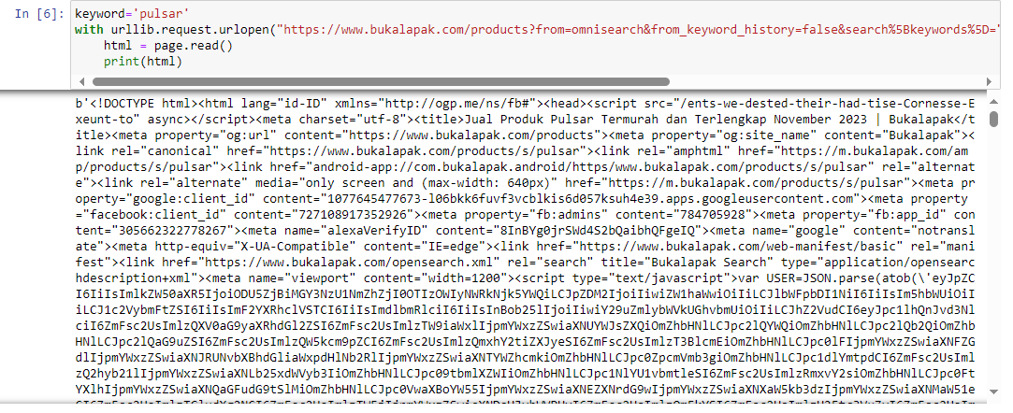
soup = bs(html, 'lxml') print(type(soup)) print(soup.prettify()) | 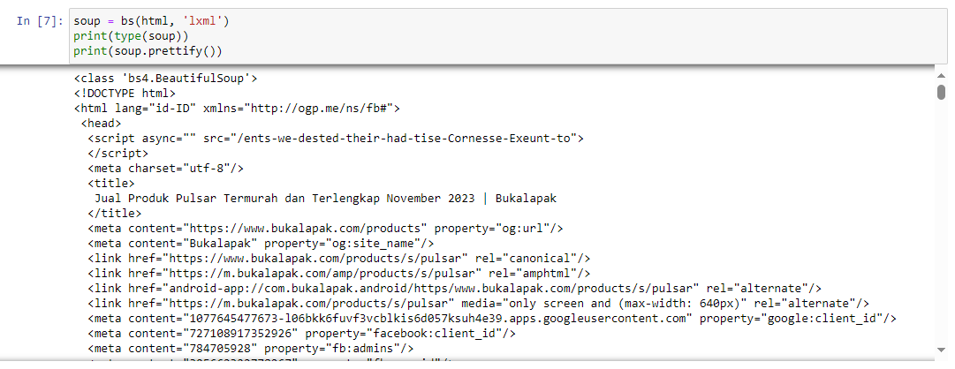
produk = soup.find_all("div", "bl-product-card__description") # produk i = 1 for i in produk : nama = i.find('a', "bl-link").get_text().replace('\n','').replace(' ','') harga = i.find('p', 'bl-text bl-text--subheading-20 bl-text--semi-bold bl-text--ellipsis__1').get_text().replace('Rp','').replace(' ', '').replace('.','').replace('\n','') print(nama) print(harga) | 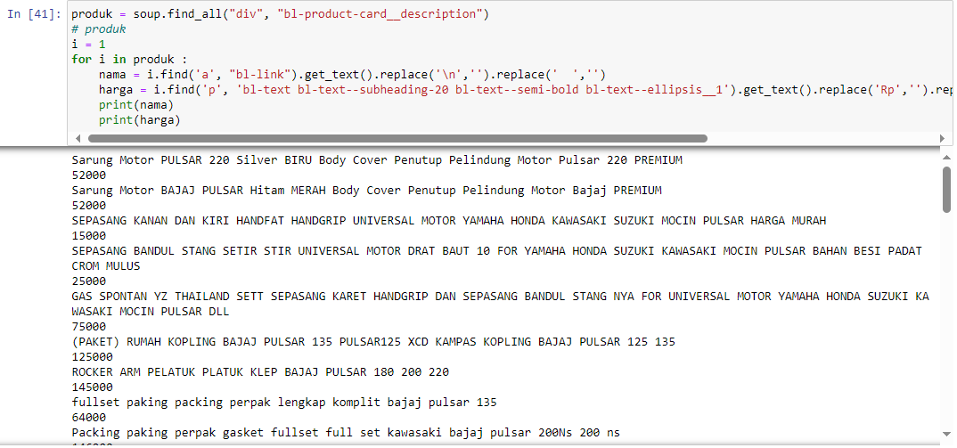
nama_produk = [] harga_produk = [] produk = soup.find_all("div", "bl-product-card__description") # produk i = 1 for i in produk : nama = i.find('a', "bl-link").get_text().replace('\n','').replace(' ','') harga = i.find('p', 'bl-text bl-text--subheading-20 bl-text--semi-bold bl-text--ellipsis__1').get_text().replace('Rp','').replace(' ', '').replace('.','').replace('\n','') # print(nama) # print(harga) nama_produk.append(nama) harga_produk.append(int(harga)) data = {'nama': nama_produk, 'harga': harga_produk} df = pd.DataFrame(data, columns = ['nama', 'harga']) df | 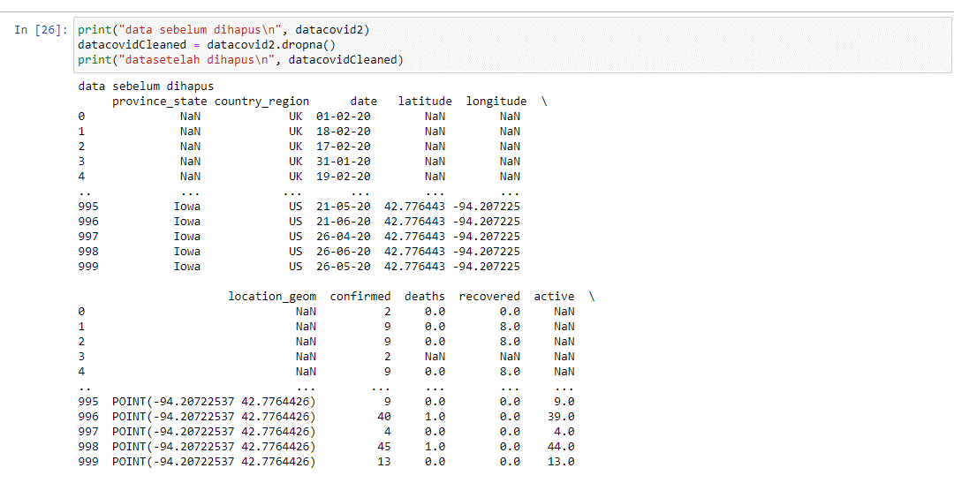 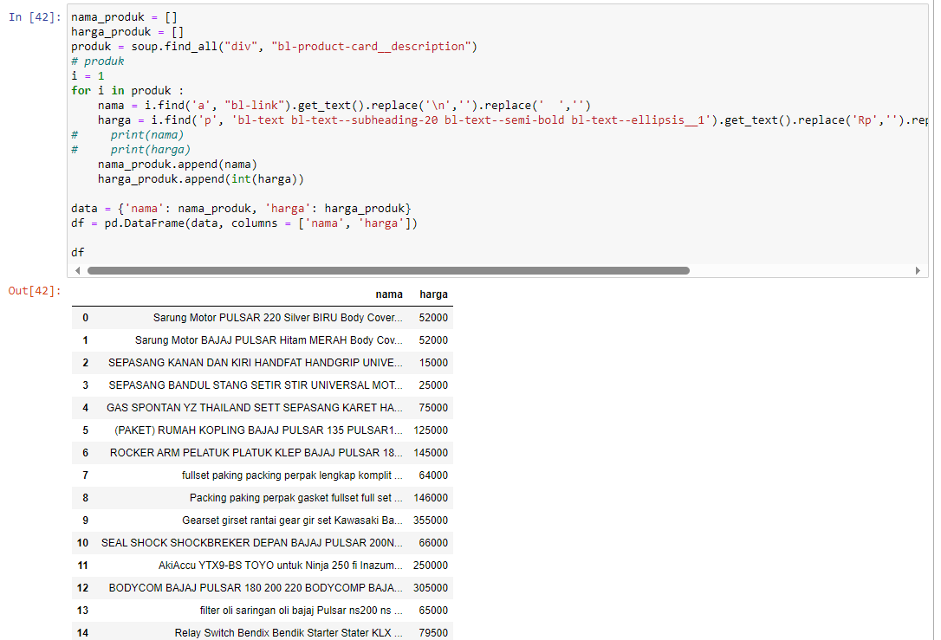
df.to_csv("DataScrapping_Bukalapak_pulsar.csv", sep=',') | 