Tokenizing
DATA PRE-PROCESSING - Tokenizing

INPUT | OUTPUT
pwd
import nltk nltk.download('punkt') import pandas as pd
text = ['This is introduction to NLP', 'It is likely to be useful, to people ', 'Machine learning is the new electricity', 'There would be less hype around AI nd more action going forward', 'python is the best tool!'] df = pd.DataFrame({'data':text}) df | 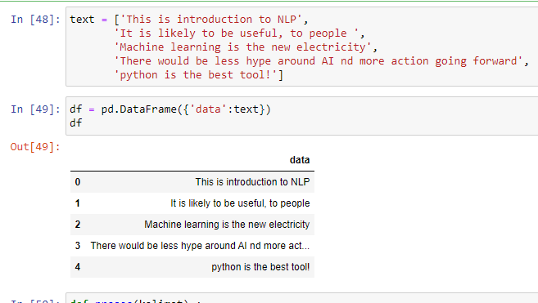
def proses(kalimat) : kalimat = kalimat.lower() kalimat = nltk.tokenize.word_tokenize(kalimat) return kalimat hasil = df['data'] hasil = hasil.apply(proses) hasil | 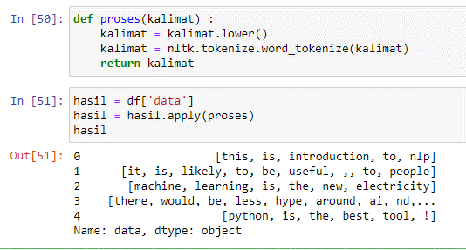

Filtering
SCRAPING WEB jalantikus.com

INPUT | OUTPUT
pwd
import urllib import pandas as pd from bs4 import BeautifulSoup as bs with urllib.request.urlopen("https://jalantikus.com/tips/aplikasi-chatting/") as page: html = page.read() print(html)
soup = bs(html, 'lxml') print(type(soup)) print(soup.prettify())
texts = soup.find_all("p") for item in texts: desc = item.get_text(); print(desc) | 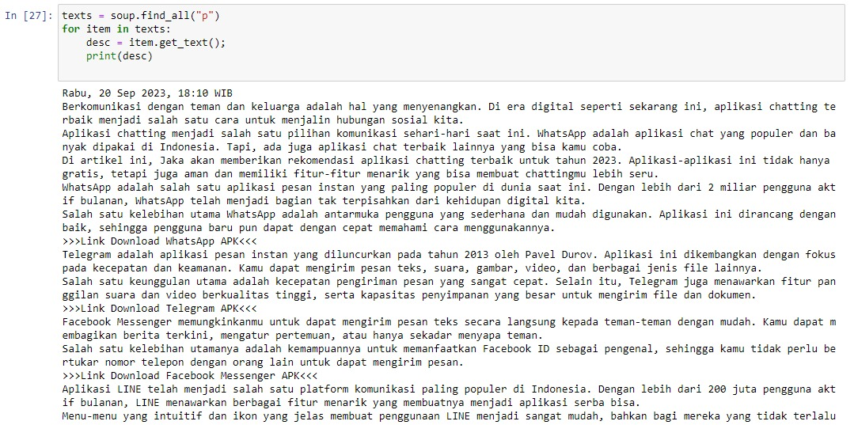
list_rem = [] list_desc = [] texts = soup.find_all("p") for i, item in enumerate(texts): desc = item.get_text(); if (i == 0 or i == 6 or i == 9 or i == 12 or i > 28): # print (i, desc); # print('tidak perlu dimasukkan ke list') list_rem.append(desc) else : list_desc.append(desc) print(list_desc) | 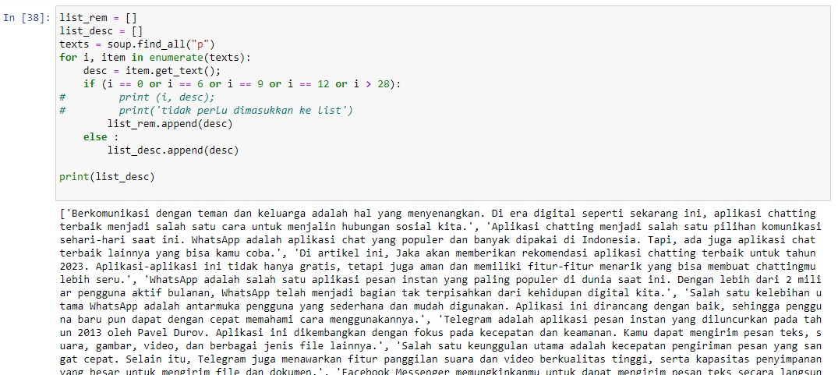

DATA PRE-PROCESSING-Tokenizing

df['data'] = df['data'].apply(lambda x: " ".join(x.lower() for x in x.split())) df['data'] | 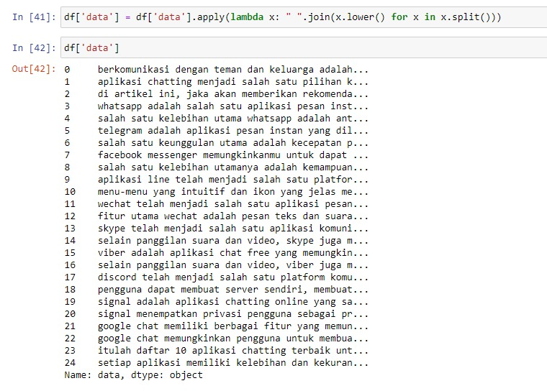
import nltk def proses(kalimat) : kalimat = kalimat.lower() kalimat = nltk.tokenize.word_tokenize(kalimat) return kalimat hasil = df['data'] hasil = hasil.apply(proses) hasil | 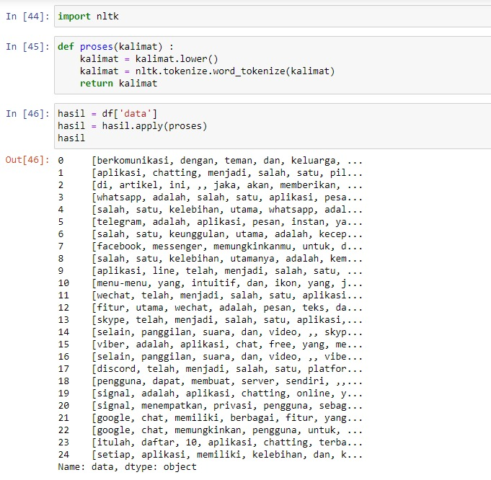
DATA PRE-PROCESSING-Filtering

from string import punctuation list_desc
stopwords = set(nltk.corpus.stopwords.words('indonesian')) def proces(kalimat): kalimat = kalimat.lower() kalimat = nltk.tokenize.word_tokenize(kalimat) kalimat = [kata for kata in kalimat if kata not in stopwords] return kalimat hasil = df['data'] hasil = hasil.apply(proces) hasil | 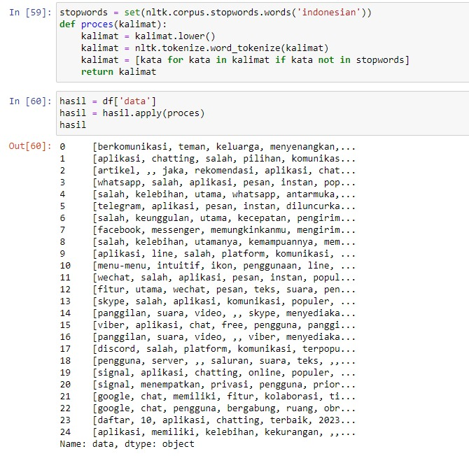
# Proses Lemmatisasi import nltk from nltk.stem import WordNetLemmatizer wnl = WordNetLemmatizer() list1 = list_desc[0].split(" ") # print(list1) for words in list1: print(words + " ---> " + wnl.lemmatize(words)) | 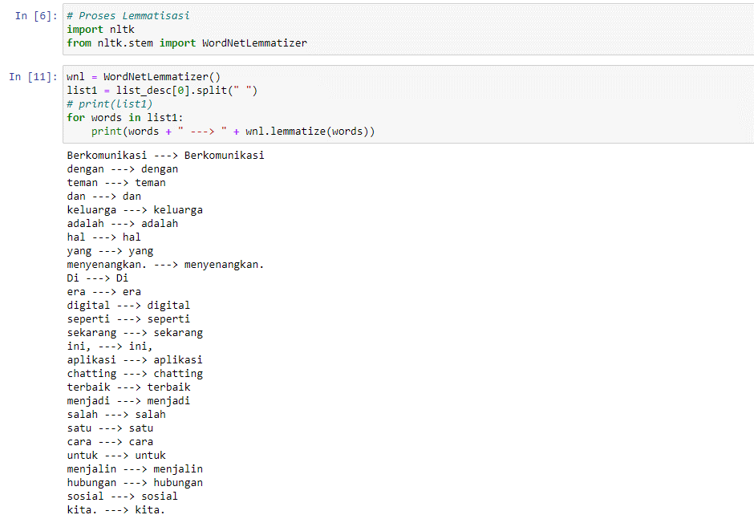
# Proses Stemming from nltk.stem import PorterStemmer from nltk.tokenize import word_tokenize ps = PorterStemmer() words = list1 for x in words: print(x, " : ", ps.stem(x)) | 