Tokenizing
DATA PRE-PROCESSING - Tokenizing

INPUT | OUTPUT
pwd
import nltk nltk.download('punkt') import pandas as pd
text = ['This is introduction to NLP', 'It is likely to be useful, to people ', 'Machine learning is the new electricity', 'There would be less hype around AI nd more action going forward', 'python is the best tool!'] df = pd.DataFrame({'data':text}) df | 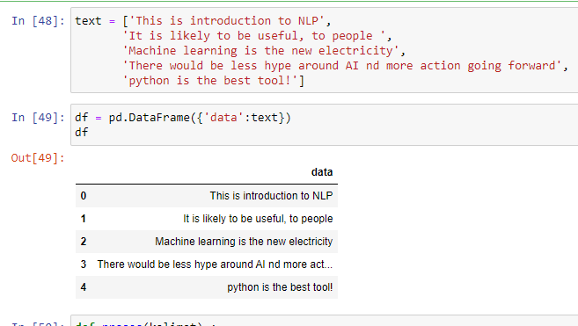
def proses(kalimat) : kalimat = kalimat.lower() kalimat = nltk.tokenize.word_tokenize(kalimat) return kalimat hasil = df['data'] hasil = hasil.apply(proses) hasil | 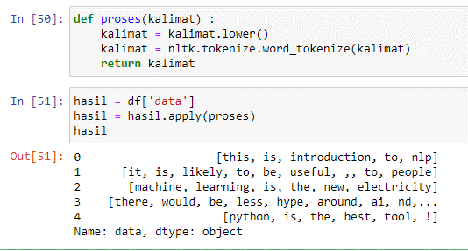

Filtering
DATA PRE PROCESSING - FILTERING

INPUT | OUTPUT
pwd
import pandas as pd from string import punctuation import nltk nltk.download('stopwords')
text = ['This is introduction to NLP', 'It is likely to be useful, to people ', 'Machine learning is the new electricity', 'There would be less hype around AI nd more action going forward', 'python is the best tool!'] df = pd.DataFrame({'data':text}) df
stopwords = set(nltk.corpus.stopwords.words('english')) def proces(kalimat): kalimat = kalimat.lower() kalimat = nltk.tokenize.word_tokenize(kalimat) kalimat = [kata for kata in kalimat if kata not in stopwords] return kalimat hasil = df['data'] hasil = hasil.apply(proses) hasil | 