Sheet1
LAPORAN MEMBACA FILE DENGAN PYTHON ARIF FRIMA ARI SUWADJI - 221011700443

1. MEMBACA FILE CSV

INPUT | OUTPUT
pwd
pd.read_csv("covid_19_data.csv") | 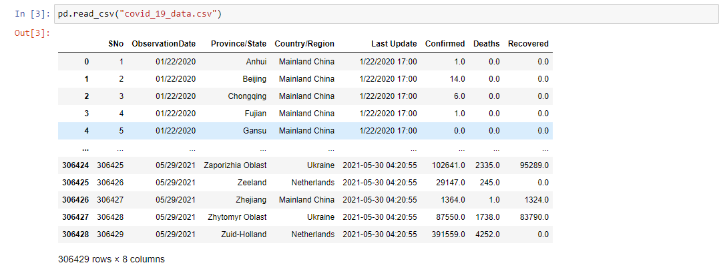
DataCovid = pd.read_csv("covid_19_data.csv") Data Covid | 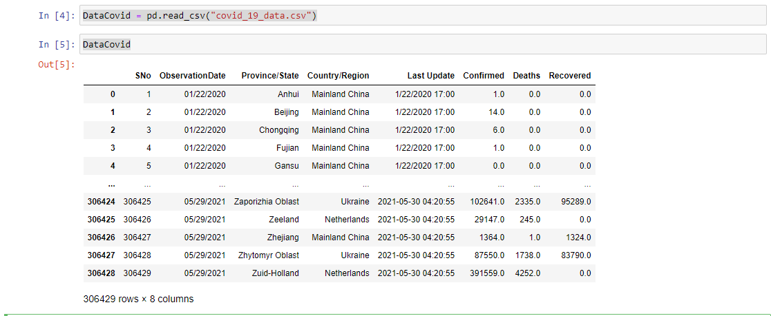
firstData = DataCovid.head() firstData
lastData = DataCovid.tail() lastData
randData = DataCovid.sample(10) randData | 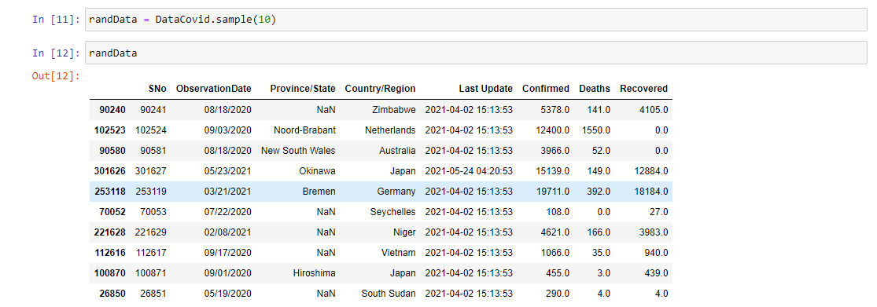
DataCovid.info()
dataSample = DataCovid[['Country/Region', 'Confirmed', 'Deaths', 'Recovered']] dataSample | 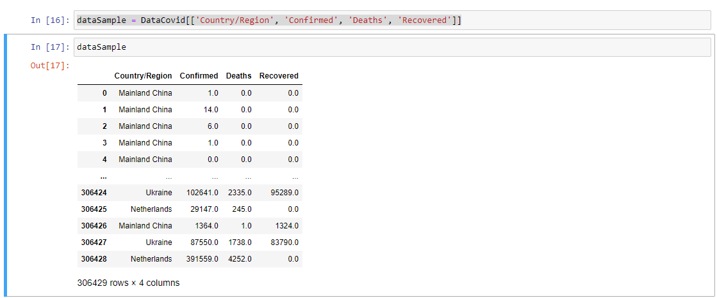
dataSample.to_csv("data_19_covid_baru.csv", index=False)
readExcel = pd.read_excel("Data Excel BPJS.xlsx", sheet_name='Sheet2') readExcel | 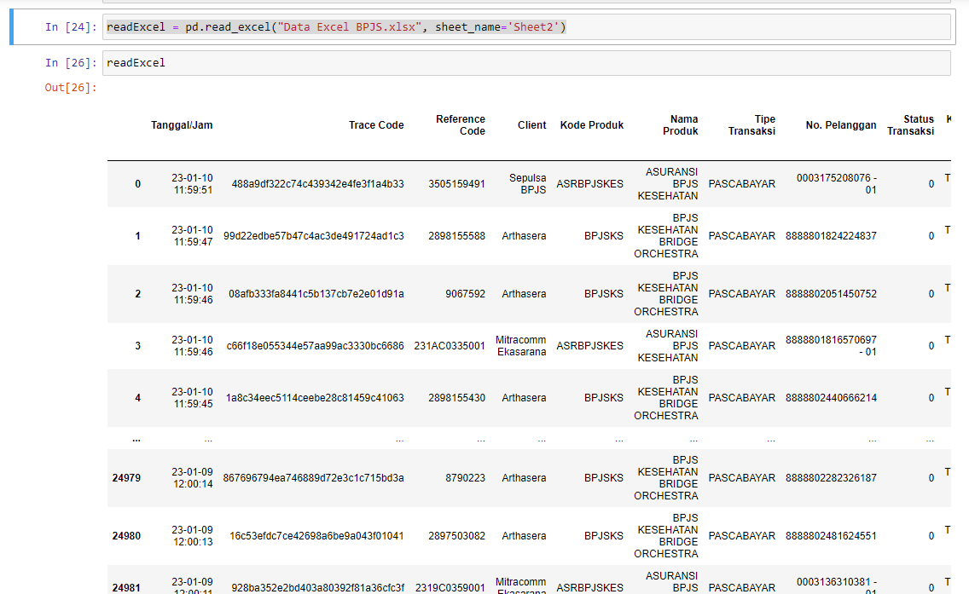
readExcel.to_excel("Data Excel BPJS Baru.xlsx", index=False, sheet_name="Detail")
pd.read_excel("Data Excel BPJS Baru.xlsx", sheet_name="Detail") | 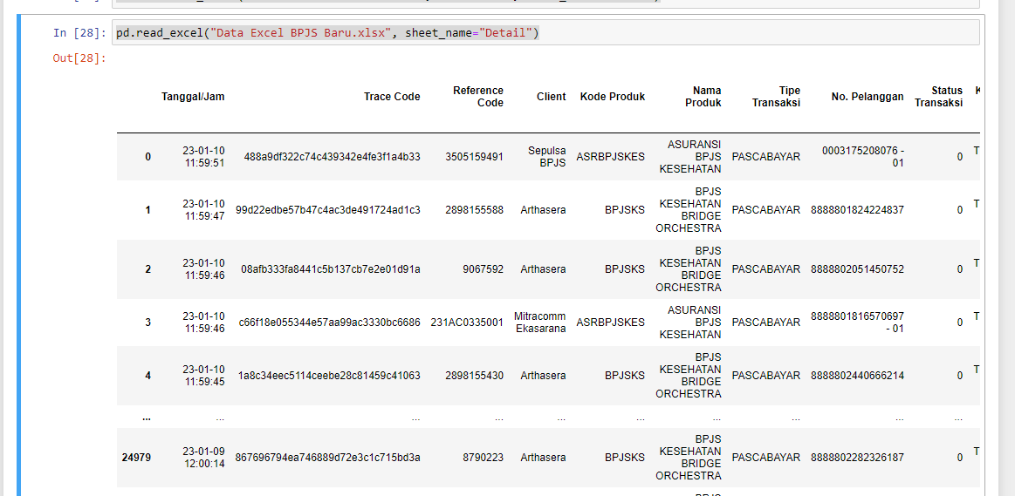
readHtml = pd.read_html("https://www.fdic.gov/resources/resolutions/bank-failures/failed-bank-list/") readHtml | 