Test Scenario Module 1& 2
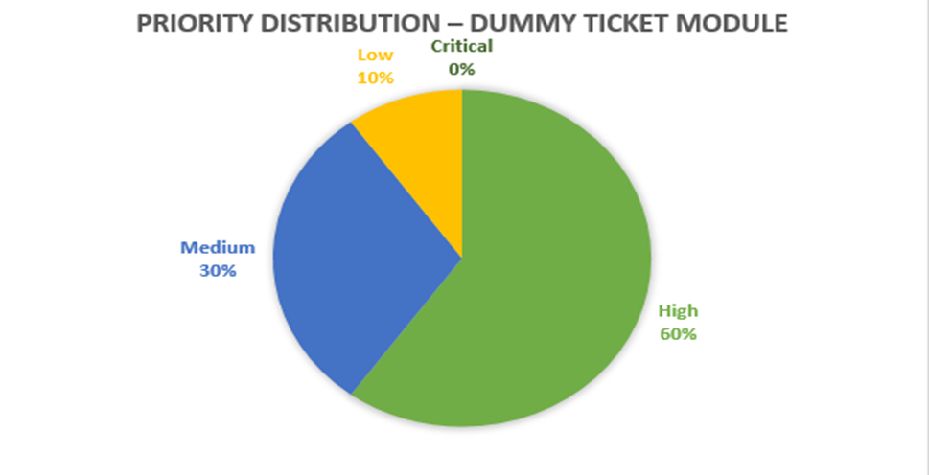

Module 1: Dummy Ticket Generation
Test Case ID | Scenario | Description | Precondition | Test Steps | Test Data | Post Condition | Expected Result | Module | Priority | Test Type
TC-DT-01 | Homepage Load | Verify homepage loads and ticket form is visible | Browser open with internet | I open my browser and go to the ticket booking website https://onwardflightticket.com/ I check that the homepage loads properly and the booking form is visible. | N/A | Homepage loaded, user can start booking | Homepage loads in <3s, booking form visible | Dummy Ticket | High | Functional
TC-DT-02 | Input Valid Details | Ensure valid details are accepted | User on homepage | I Select origin city and Select destination city then Pick valid travel date and then I Click "Find Flights!” | Origin: Chennai Destination: Delhi Date: 05-Sep-2025 | List of available flights shown | Flights displayed | Dummy Ticket | High | Functional
TC-DT-03 | Missing Mandatory Fields | Validation for missing input | User on homepage | I have Leave "orgin"detail empty and Entered the "To" detail then I Entered "When" date and Click "Find Flights!” then I observe the error | From: [blank] To: Delhi Date: 06-Sep-2025 | Error message displayed; user remains on homepage | Validation error → "Please Enter the mandatory fields*" | Dummy Ticket | High | Functional
TC-DT-04 | Select Flight | Verify flight selection works | Flight results available | I have Filled all details and I have Clicked "Find Flights!” then Wait for system to processand Observe ticket preview then I have clicked on Select . | From: Chennai To: Delhi Date: 07-Sep-2025 | User redirected to passenger details page | Checkout form appears with Name, Email fields | Dummy Ticket | Medium | Functional
TC-DT-05 | Checkout Enable | Verify checkout button activates | On checkout page | I have Enter First Name then I Entered last Name and clicked "Agree to Terms of Service" | First Name: Suwathi Last Name: Karthikeyan | Checkout option ready for next step | Checkout button enabled | Dummy Ticket | Medium | Functional
TC-DT-06 | Checkout Missing Field | Verify checkout blocked if field empty | On checkout page | I Leave First Name detail empty then I Enter Last name detail. I Enter Email Id & I Clicked "Agree to Terms of Service" | First Name: [blank] Last Name: Karthikeyan Email: test@mail.com | User cannot continue without mandatory fields | Checkout disabled | Dummy Ticket | High | Functional
TC-DT-07 | T&C Validation | Verify T&C checkbox mandatory | On checkout page | I Enter First Name detail and I Entered Last name detail I have Entered Email Id then didn’t Click on Agree to Term of services check box then I Clicked "Checkout" | First Name: Suwathi Last Name: Karthikeyan Email: ravi@test.com | User forced to tick T&C before continuing | Error: "Please tick this box if you want to proceed" | Dummy Ticket | High | Functional
TC-DT-08 | Terms of Service Link | Verify TOS opens | Checkout page visible | I Clicked on Term of Service | N/A | User navigated to Terms page in new tab | Redirect to TOS page | Dummy Ticket | Medium | Non-Functional
TC-DT-09 | Close Flight Selection | Verify closing flight selection | Flight selected | I Clicked on close button | N/A | User returns to flight list | Flight selection closed, results shown | Dummy Ticket | Low | Functional
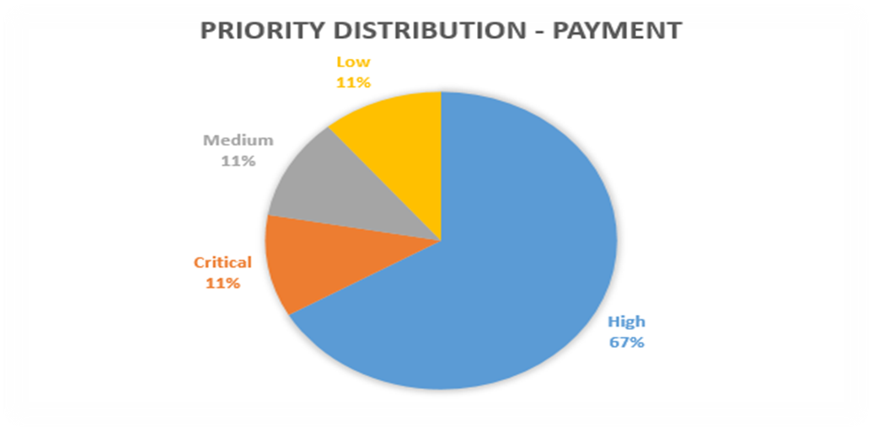
TC-DT-10 | Cross-Browser Ticket | Verify ticket generation across browsers | Browsers installed | I Open site in Chrome then Generated ticket with valid details I Repeated steps in Firefox then Repeated steps in Edge & Compare results across browsers | Valid passenger details | Ticket + PDF download consistent | Ticket generated consistently in all browsers | Dummy Ticket | High | Non-Functional

Module 2: Payment
Test Case ID | Scenario | Description | Precondition | Test Steps | Test Data | Post Condition | Expected Result | Module | Priority | Test Type
TC-PM-01 | Payment Page Load | Verify payment page loads | Ticket booked, redirect to payment | I have Generated a ticket then I Clicked “Proceed to Payment” I Waited for page loaded and I Checked payment fields I Verified secure connection | N/A | User can view secure fields | Payment page loads securely | Payment | High | Non-Functional
TC-PM-02 | Valid Card Payment | Verify success with valid card | On payment page | I have Entered valid card number I Entered expiry I Have Entered CVV then Clicked Pay then Observed confirmation | Card: 4111 1111 1111 1111 Exp: 12/26 CVV: 123 | User redirected to confirmation, ticket booked | Payment successful, confirmation shown | Payment | High | Functional
TC-PM-03 | Invalid Card | Verify invalid card rejected | On payment page | I have Ented invalid card digits I have Ented expiry & CVV then Clicked Pay then Waited for response And I Observed error | Card: 1234 5678 9876 5432 | User cannot proceed with invalid card | Error: “Invalid card number” | Payment | High | Functional
TC-PM-04 | Expired Card | Verify expired date rejected | On payment page | I Entered valid card number and Entered expired date and I Entered CVV then Clicked Pay then Observed response | Card: 4111 1111 1111 1111 Exp: 01/23 | User blocked from payment | Error: “Card expired” | Payment | High | Functional
TC-PM-05 | Missing Fields | Verify mandatory fields required | On payment page | I have Leaved card number blank then I Entered other details I Clicked Pay and Waited for response I Observeed error. | Card: [blank] | User cannot pay until all details filled | Error: “Card number required” | Payment | High | Functional
TC-PM-06 | Payment Confirmation Email | Verify email sent after payment | Payment successful | I have Completed valid payment and I Opened registered email inbox I have Located email then Opened email it then Verified content | Email: test@mail.com | User gets e-ticket in inbox | Email received with ticket/payment details | Payment | High | Functional
TC-PM-07 | Duplicate Payment | Prevent duplicate charges | Valid payment already done | I Pay for ticket and I Clicked back & try paying again then Submitted payment I Observed response then Checked bank statement | Card: 4111 1111 1111 1111 | User not charged twice | Second payment blocked | Payment | ⚠️ Critical | Functional
TC-PM-08 | Timeout Handling | Verify timeout behavior | On payment page | I Opened payment page then I Waitted idle >10 mins I Resumed & paid I have Observed system response and I Checked error | Card: 4111 1111 1111 1111 | User prompted to restart payment | Session expired error | Payment | Medium | Non-Functional
TC-PM-09 | Currency Display | Verify correct currency shown | Payment page open | I have Navigated to payment page I have Observed price field then I Verified currency symbol I have Cross-check against site pricing Then I Confirmed consistency | Price: $5 | User sees consistent pricing | Correct USD $5 displayed | Payment | Low | Functional

Test Plan Module 1 & 2
Test Plan – Dummy Ticket Generation & Payment Modules
Section | Details
Test Plan ID | TP-DTG-PM-2025-01
Application Under Test (AUT) | Onward Flight Ticket (Dummy Ticket Generation & Payment System)
Prepared By | Suwathi
Date | 31-Aug-25
Version | v1.0
References | Business Requirement Doc, v1.2, Design Docs, Dummy Payment Gateway Specs

Objectives & Scope
In Scope | Out of Scope
✅ Ticket booking flow (search, select, checkout) | ❌ Real payment processing
✅ Ticket download (PDF) | ❌ Mobile application testing
✅ Payment flow with dummy cards | ❌ Backend airline database integration
✅ Mandatory field validations | ❌ Performance load beyond 50 concurrent users
✅ Cross-browser validation (Chrome, Firefox, Edge)

Features to be Tested
Module | Features Covered
Dummy Ticket | Homepage load, input validation, flight search, select flight, checkout enable/disable, Terms & Conditions validation, ticket generation & cross-browser support
Payment | Payment page load, valid/invalid card validation, expired card handling, mandatory field validation, duplicate payment prevention, timeout handling, email confirmation, currency display

Entry & Exit Criteria
Entry Criteria | Exit Criteria
Test environment set up | All planned test cases executed
Dummy data (names, emails, card numbers) available | Critical & high severity bugs fixed & retested
AUT deployed in QA server | Test Summary Report submitted
 | UAT sign-off received

Responsibilities
Role | Responsibility
QA Engineer (Suwathi) | Test design, execution, bug reporting, documentation
Developer (Gokila) | Fixing reported defects
QA Lead (Velam) | Test plan approval, prioritization, sign-off
Project Manager (Kamali) | Timeline & delivery ownership

Test Environment
Component | Details
OS | Windows 11 Pro
Browsers | Chrome v118, Firefox v117, Edge v112
Test Tools | Excel (Test Cases), JIRA (Defect Tracking), Email server simulator
Test Data | Dummy names, valid & invalid card numbers (VISA, MasterCard)

Test Data Requirements
Data Type | Example Values
Names | John Doe, Priya Sharma
Email | test.user@mail.com
Cards | Valid VISA: 4111 1111 1111 1111 Invalid: 1234 5678 9012 3456 Expired: 01/23
Travel Dates | Current & future valid dates

Risks & preventions
Risk | Mitigation
Validation errors not triggered correctly | Add negative test coverage
Payment confirmation email not received | Raise as High priority defect, verify mail server logs
Duplicate payments processed | Add stricter duplicate transaction handling test cases

Schedule & Timeline
Activity | Timeline
Test Design | 29–30 Aug 2025
Test Execution | 31 Aug – 02 Sept 2025
Bug Fix & Retest | 03–04 Sept 2025
Test Closure | 5-Sep-25

Requirements Traceability Matrix
Module 1: Dummy Ticket Generation
Scenario ID | Scenario Description | Mapped Test Cases | Priority | Status
SCN-DT-01 | Homepage loads with ticket form | TC-DT-01 | High | ✅ Pass
SCN-DT-02 | Valid details search flights | TC-DT-02 | High | ✅ Pass
SCN-DT-03 | Missing mandatory fields show validation | TC-DT-03 | High | ❌ Fail
SCN-DT-04 | Select flight & view checkout | TC-DT-04 | High | ✅ Pass
SCN-DT-05 | Checkout validation & T&C handling | TC-DT-05, TC-DT-06, TC-DT-07 | Medium | ✅ Pass
SCN-DT-06 | Terms of Service & close functionality | TC-DT-08, TC-DT-09 | Low | ✅ Pass
SCN-DT-07 | Ticket generation & download works across browsers | TC-DT-10 | High | ✅ Pass
Module 2: Payment
Scenario ID | Scenario Description | Mapped Test Cases | Priority | Status
SCN-PM-01 | Payment page load & secure connection | TC-PM-01 | High | ✅ Pass
SCN-PM-02 | Successful valid card payment | TC-PM-02 | High | ✅ Pass
SCN-PM-03 | Invalid/expired card validation | TC-PM-03, TC-PM-04 | High | ✅ Pass
SCN-PM-04 | Mandatory field validation | TC-PM-05 | High | ✅ Pass
SCN-PM-05 | Payment confirmation email | TC-PM-06 | High | ❌ Fail
SCN-PM-06 | Duplicate payment prevention | TC-PM-07 | ⚠️ Critical | ❌ Fail
SCN-PM-07 | Timeout handling | TC-PM-08 | ⚠️ Critical | ❌ Fail
SCN-PM-08 | Currency display consistency | TC-PM-09 | Medium | ✅ Pass
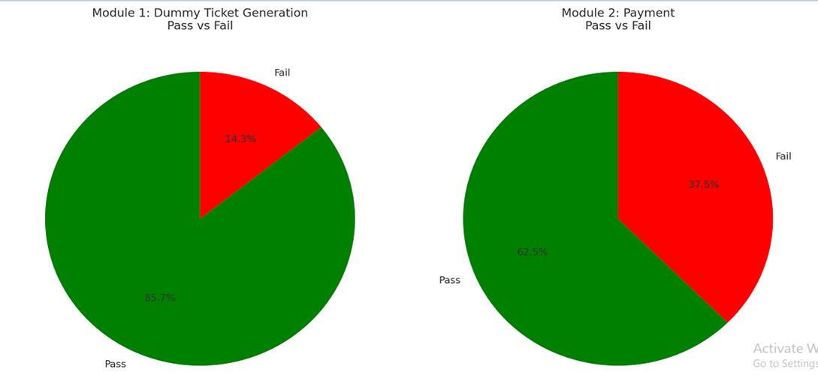

Deliverables
Document | Owner
Test Plan | QA Engineer (Suwathi)
Test Scenarios & Cases | QA Engineer (Suwathi)
Defect Reports | QA Engineer (Suwathi)
Test Summary Report | QA Lead (Velam)

Approval
Name | Role | Signature | Date
QA Lead (Velam) | Test Plan Approval |  | 2025-09-05
Project Manager (Kamali) | Final Approval |  | 2025-09-05

