Data Analysis before cleaning
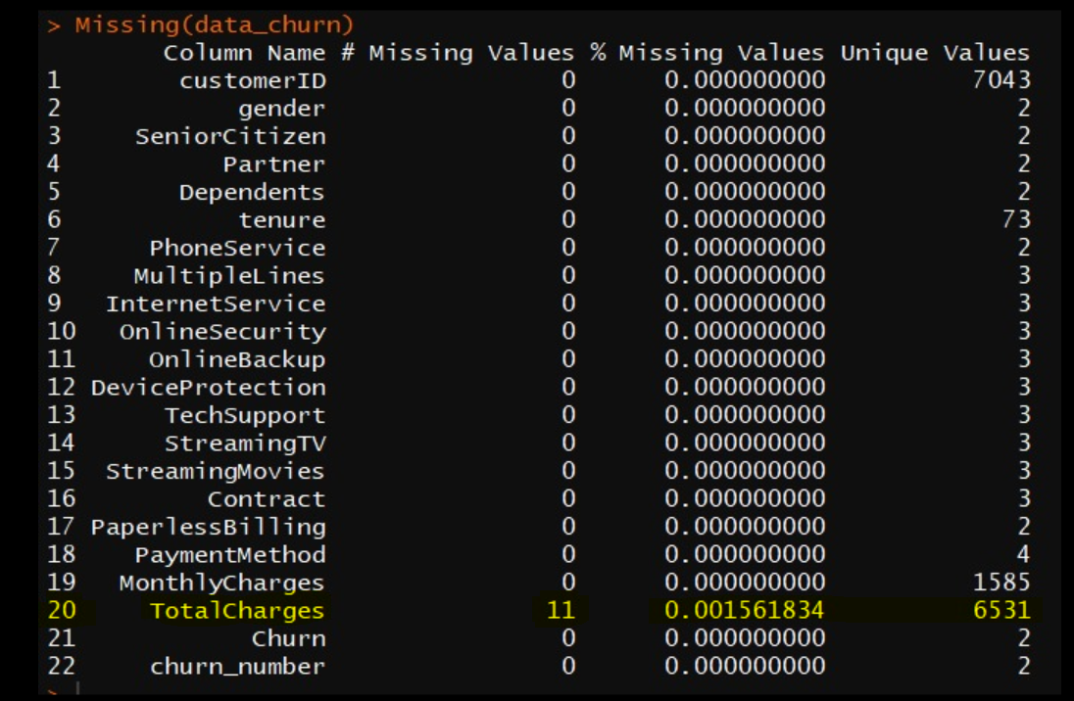
Missing Values | 11 | Action | Removed the Records
 |  |  | 0.15 % of original data count

Chaid tree
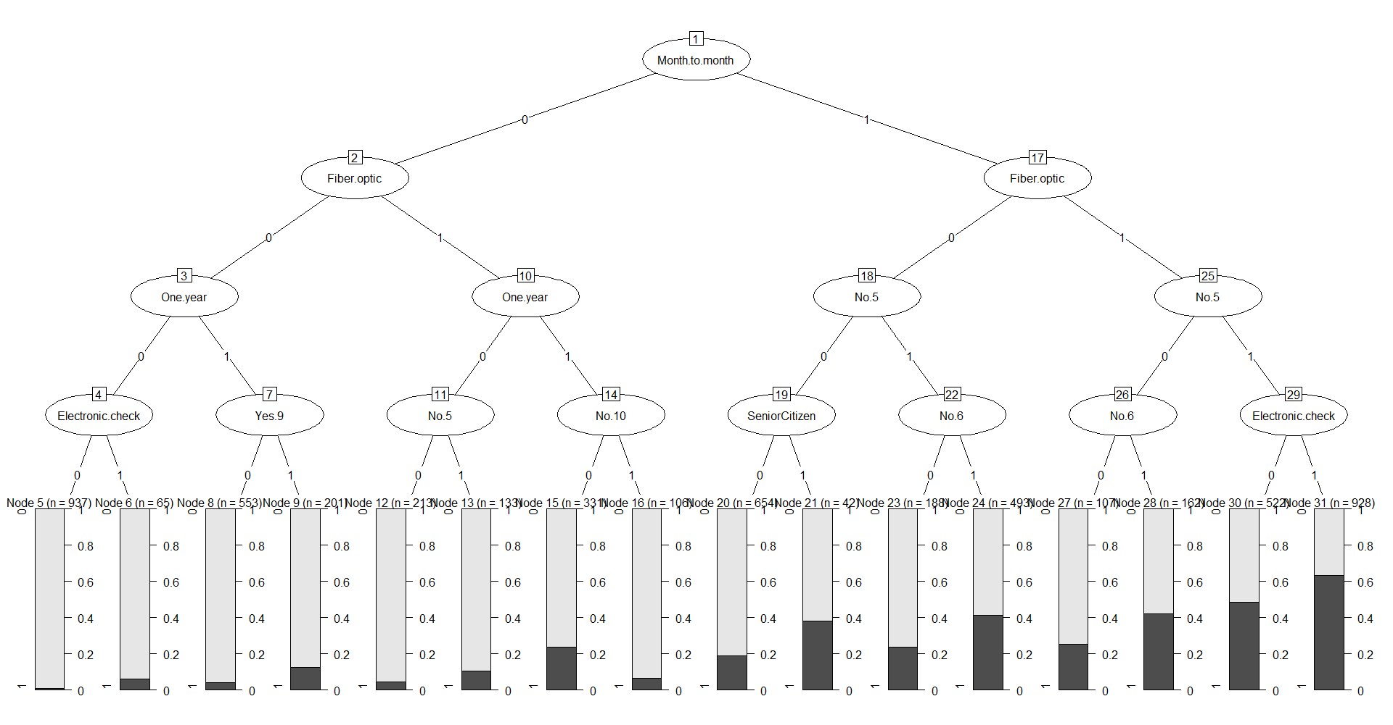
Chaid Tree

RF All Variables
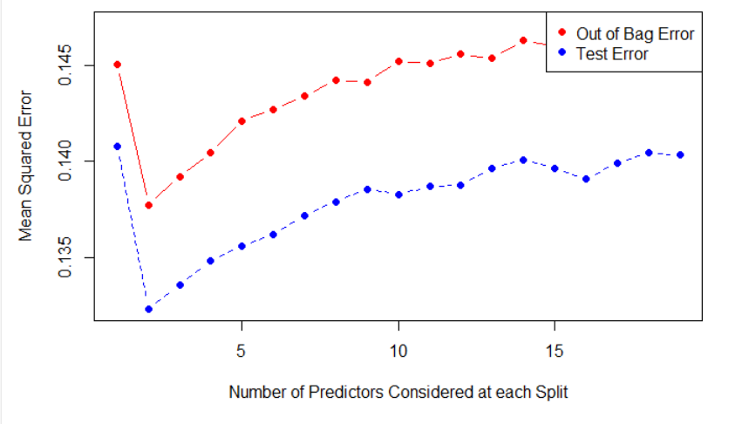
Random Forest With All variables
 | Type of random forest: regression
 | Number of trees: 500
 | No. of variables tried at each split: 6

 | Mean of squared residuals: 0.1433415
 | % Var explained: 26.48
 |  | Train | Test
 | AUC | 0.9987334 | 0.8436094
 | Accuracy | 0.61132 | 0.63896

