リポジトリのテストケース
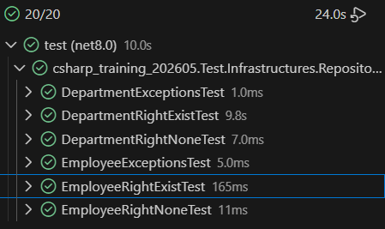
No. | リポジトリ種類 | メソッド | テスト条件 | テストクラス | テストメソッド | テストの成功条件
1 | Department | FindAll | 正しく取得できたとき | RightExistTest | Department_FindAll_ReturnsAllDepartments | Assert.AreEqual(2, departments.Count); AssertDepartment(departments[0], 1, "総務部"); AssertDepartment(departments[1], 2, "経理部");
2 | Department | FindAll | 部署が存在しないとき | RightNoneTest | Department_FindAll_ReturnsZeroDepartment | Assert.IsNull(departments);
3 | Department | FindAll | 例外 | ExceptionTest | Department_FindAll_Exception | Assert.IsInstanceOfType<InvalidOperationException>(exception.InnerException);
4 | Department | FindById | 正しく取得できたとき | RightExistTest | Department_FindById_ReturnsDepartment | AssertDepartment(departments[0], 1, "総務部");
5 | Department | FindById | 指定した部署が存在しないとき | RightExistTest | Department_FindById_ReturnsNull | Assert.IsNull(departments);
6 | Department | FindById | 例外 | ExceptionTest | Department_FindById_Exception | Assert.IsInstanceOfType<InvalidOperationException>(exception.InnerException);
7 | Department | Create | 正しく追加できたとき | RightExistTest | Department_Create_Added | 処理が最後まで完了
8 | Department | Create | 例外 | ExceptionTest | Department_Create_Exception | Assert.IsInstanceOfType<InvalidOperationException>(exception.InnerException);
9 | Department | Delete | 正しく削除できたとき | RightExistTest | Department_Delete_Deleted | 処理が最後まで完了
10 | Department | Delete | 例外 | ExceptionTest | Department_Delete_Exception | Assert.IsInstanceOfType<InvalidOperationException>(exception.InnerException);
11 | Employee | FindAll | 正しく取得できたとき | RightExistTest | Employee_FindAll_ReturnsAllEmployees | Assert.AreEqual(2, departments.Count); AssertDepartment(departments[0], 1, "総務部"); AssertDepartment(departments[1], 2, "経理部");
12 | Employee | FindAll | 部署が存在しないとき | RightNoneTest | Employee_FindAll_ReturnsZeroDepartment | Assert.IsNull(departments);
13 | Employee | FindAll | 例外 | ExceptionTest | Employee_FindAll_Exception | Assert.IsInstanceOfType<InvalidOperationException>(exception.InnerException);
14 | Employee | FindById | 正しく取得できたとき | RightExistTest | Employee_FindById_ReturnsEmployee | AssertDepartment(departments[0], 1, "総務部");
15 | Employee | FindById | 指定した部署が存在しないとき | RightExistTest | Employee_FindById_ReturnsNull | Assert.IsNull(departments);
16 | Employee | FindById | 例外 | ExceptionTest | Employee_FindById_Exception | Assert.IsInstanceOfType<InvalidOperationException>(exception.InnerException);
17 | Employee | Create | 正しく追加できたとき | RightExistTest | Employee_Create_Added | 処理が最後まで完了
18 | Employee | Create | 例外 | ExceptionTest | Employee_Create_Exception | Assert.IsInstanceOfType<InvalidOperationException>(exception.InnerException);
19 | Employee | Delete | 正しく削除できたとき | RightExistTest | Employee_Delete_Deleted | 処理が最後まで完了
20 | Employee | Delete | 例外 | ExceptionTest | Employee_Delete_Exception | Assert.IsInstanceOfType<InvalidOperationException>(exception.InnerException);

