Template
NET WORTH
Assets |  | The sum of what you own of your home, properties, vehicle(s), belongings, etc.
Investments |  | The sum of your investments such as 401K, Roth IRAs, individual brokerage accounts, etc.
Savings |  | The sum of your savings/cash
Debt |  | The sum (negative) of your total debt such as credit cards, student loans, mortgage, etc.
TOTAL NET WORTH | $-

INCOME
Gross monthly income (all income before taxes)
NET MONTHLY INCOME (how much you take home after taxes, 401K contribution, etc)
FIXED COSTS (50-60% of your take home) | #DIV/0! | The goal is to land between 50-60% of your net monthly income for most individuals to maximize both frugality and enjoying what you earn.
Rent / Mortgage
Utilities (gas, water, electric, internet, cable, etc.)
Insurance (medical, auto, home / renters, etc.)
Transportation
Debt Payments
Groceries
Clothes
Phone
Subscriptions (Netflix, gym membership, meal services, Amazon, etc.)
Miscellaneous (automatically adds 15% for things you forgot)
FIXED COSTS TOTAL | $-
SAVINGS GOALS (5-10% of take home) | #DIV/0!
Vacations
Fallout (Emergency) Fund
Add your own here
SAVINGS TOTAL | $-
GUILT-FREE SPENDING (20-35% of take home) | #DIV/0!
GUILT-FREE SPENDING TOTAL (Dining out, movies, anything you want!)
TOTAL REMAINING | $- | If (negative), you are overspending your income and accruing debt.
If you have positive remaining funds, there are multiple options you can elect to use them on.
See the waterfall chart below for ideas of how this savings can most benefit you from a tax-weighted perspective:
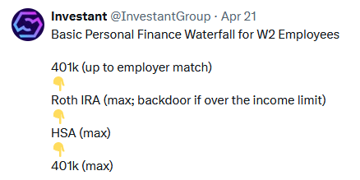

Concious spending plan template by Ramit Sethi
https://www.iwillteachyoutoberich.com/conscious-spending-basics/

