Report
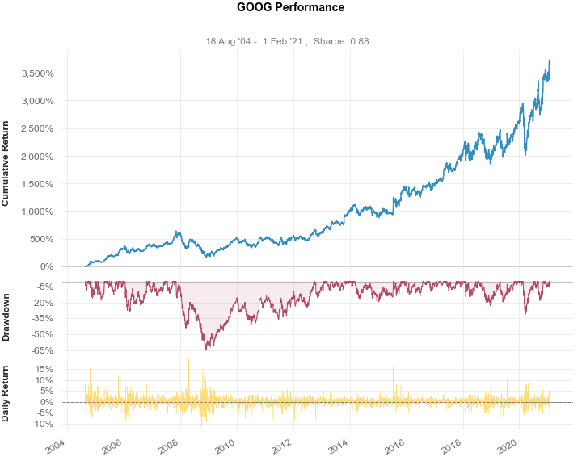
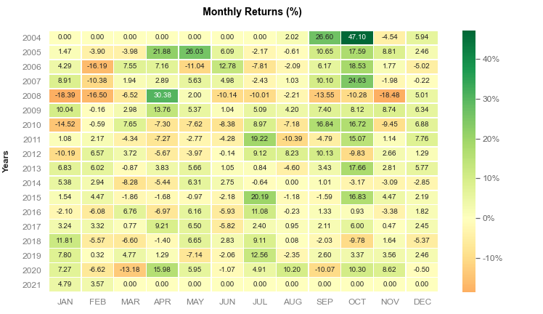
Stock Report GOOG

Ticker: | GOOG | Date: | 2021-02-11

