Report
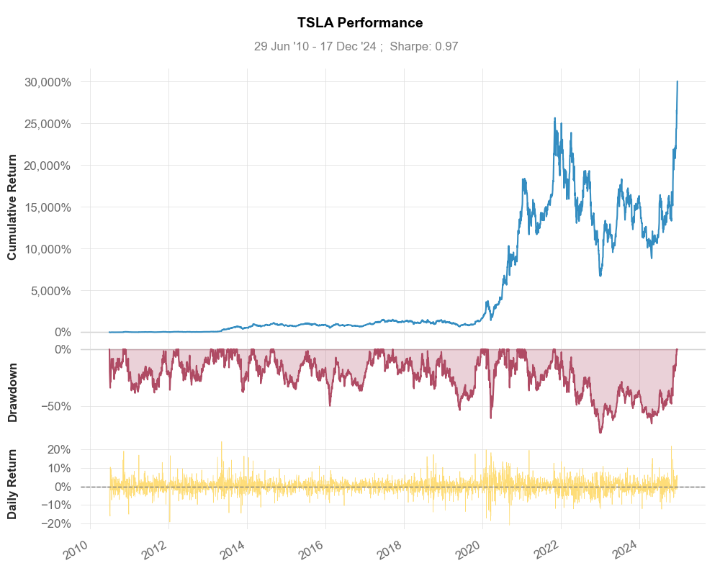
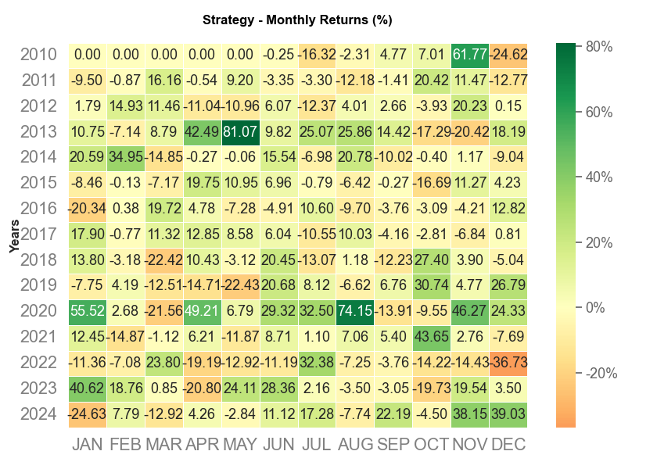
Stock Report TSLA

Ticker: | TSLA | Date: | 2024-12-18

