Stock Dashboard
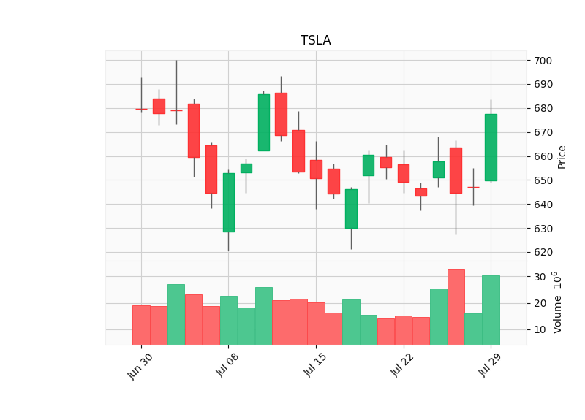
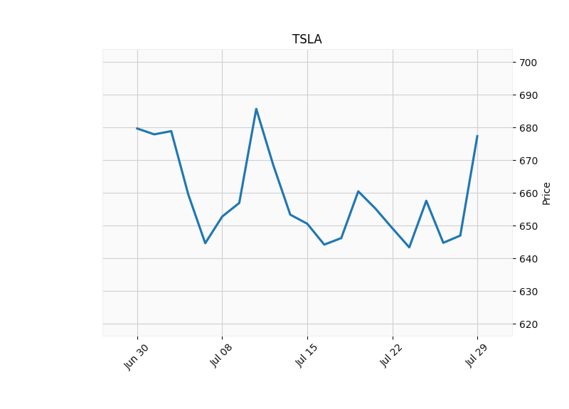
📊 Plot Stock Data
Stock Dashboard
Ticker: | TSLA | Start: | 2021-07-01 | End: | 2021-07-30

Python Charts
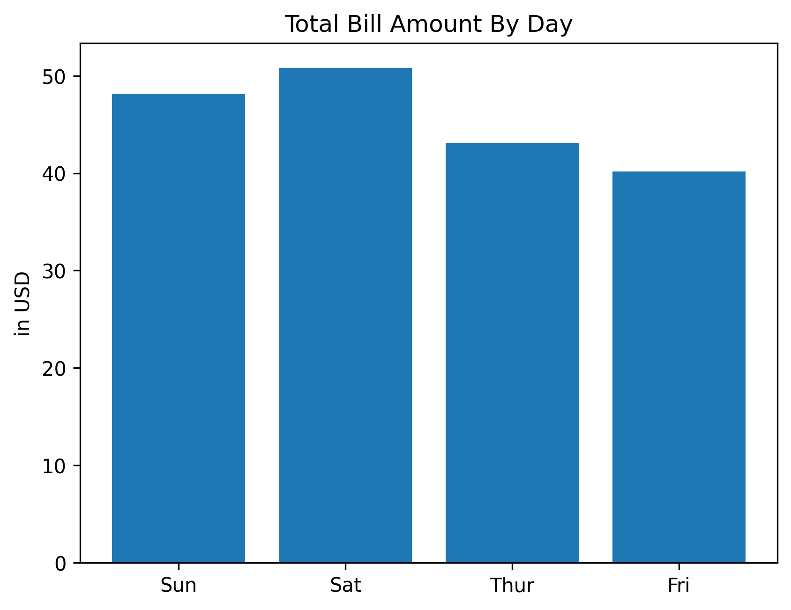
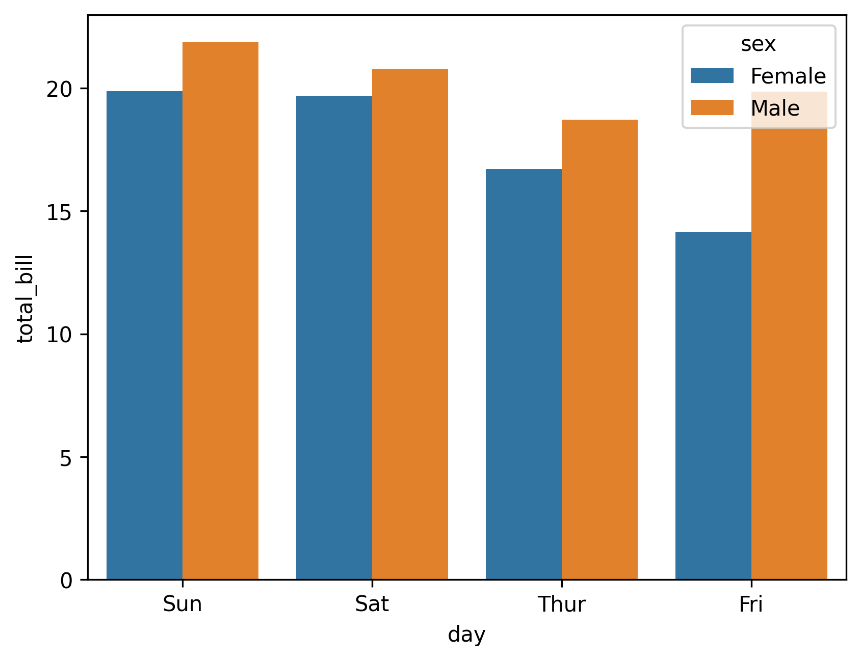
total_bill | tip | sex | smoker | day | time | size
16.99 | 1.01 | Female | No | Sun | Dinner | 2
10.34 | 1.66 | Male | No | Sun | Dinner | 3
21.01 | 3.5 | Male | No | Sun | Dinner | 3
23.68 | 3.31 | Male | No | Sun | Dinner | 2
24.59 | 3.61 | Female | No | Sun | Dinner | 4
25.29 | 4.71 | Male | No | Sun | Dinner | 4
8.77 | 2 | Male | No | Sun | Dinner | 2
📊
Plot Data
26.88 | 3.12 | Male | No | Sun | Dinner | 4
15.04 | 1.96 | Male | No | Sun | Dinner | 2
14.78 | 3.23 | Male | No | Sun | Dinner | 2
10.27 | 1.71 | Male | No | Sun | Dinner | 2
35.26 | 5 | Female | No | Sun | Dinner | 4
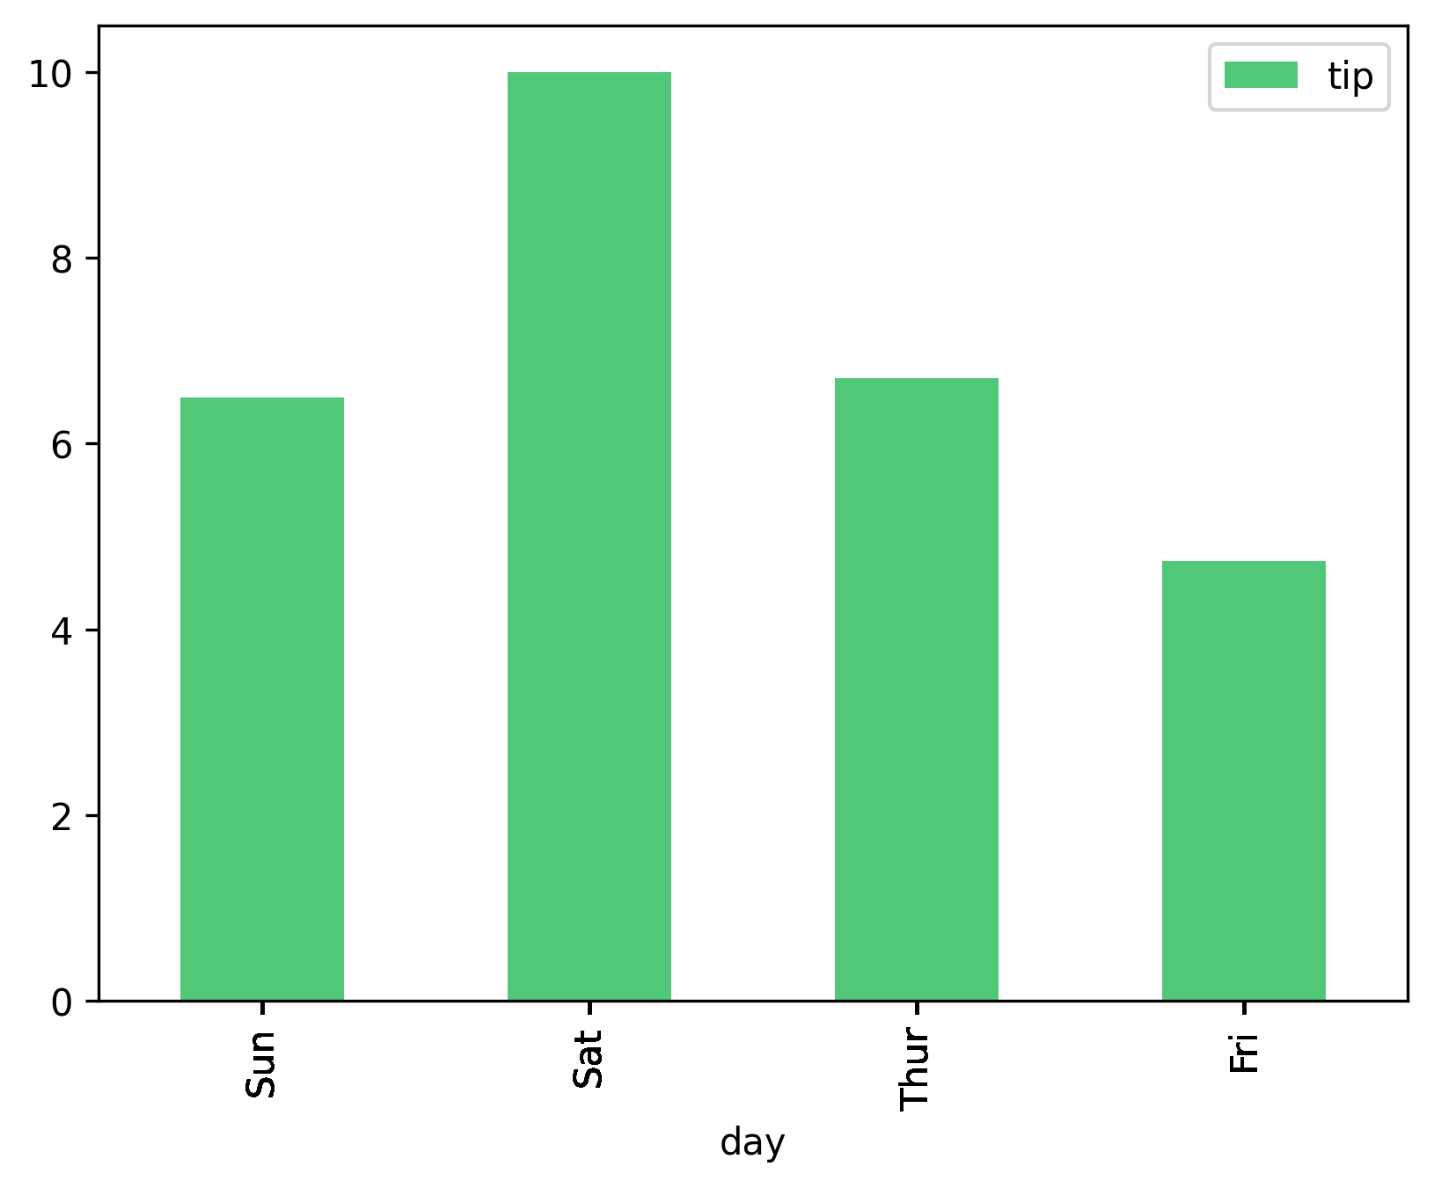
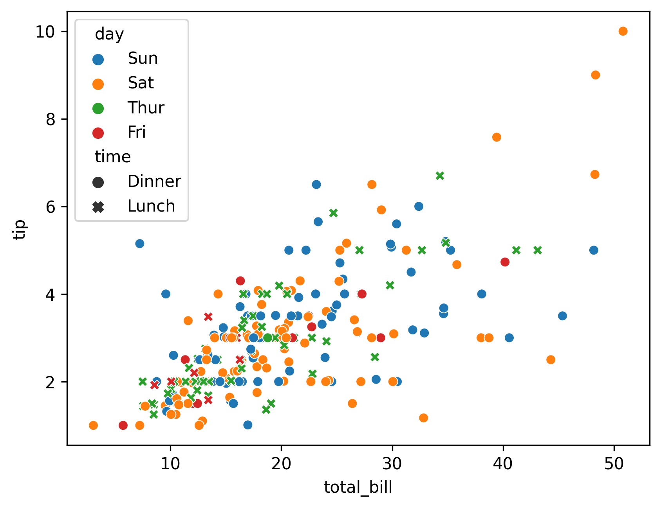
15.42 | 1.57 | Male | No | Sun | Dinner | 2
18.43 | 3 | Male | No | Sun | Dinner | 4
14.83 | 3.02 | Female | No | Sun | Dinner | 2
21.58 | 3.92 | Male | No | Sun | Dinner | 2
10.33 | 1.67 | Female | No | Sun | Dinner | 3
16.29 | 3.71 | Male | No | Sun | Dinner | 3
16.97 | 3.5 | Female | No | Sun | Dinner | 3
20.65 | 3.35 | Male | No | Sat | Dinner | 3
17.92 | 4.08 | Male | No | Sat | Dinner | 2
20.29 | 2.75 | Female | No | Sat | Dinner | 2
15.77 | 2.23 | Female | No | Sat | Dinner | 2
39.42 | 7.58 | Male | No | Sat | Dinner | 4
19.82 | 3.18 | Male | No | Sat | Dinner | 2
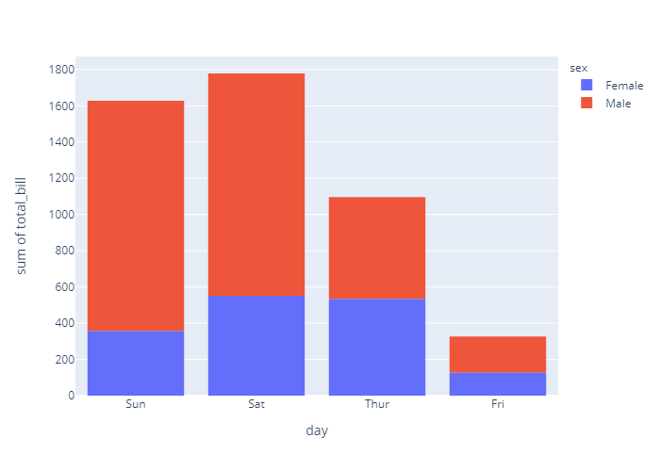
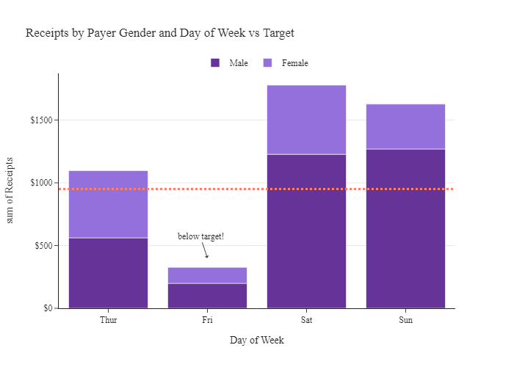
17.81 | 2.34 | Male | No | Sat | Dinner | 4
13.37 | 2 | Male | No | Sat | Dinner | 2
12.69 | 2 | Male | No | Sat | Dinner | 2
21.7 | 4.3 | Male | No | Sat | Dinner | 2
19.65 | 3 | Female | No | Sat | Dinner | 2
9.55 | 1.45 | Male | No | Sat | Dinner | 2
18.35 | 2.5 | Male | No | Sat | Dinner | 4
15.06 | 3 | Female | No | Sat | Dinner | 2
20.69 | 2.45 | Female | No | Sat | Dinner | 4
17.78 | 3.27 | Male | No | Sat | Dinner | 2
24.06 | 3.6 | Male | No | Sat | Dinner | 3
16.31 | 2 | Male | No | Sat | Dinner | 3
16.93 | 3.07 | Female | No | Sat | Dinner | 3
18.69 | 2.31 | Male | No | Sat | Dinner | 3
31.27 | 5 | Male | No | Sat | Dinner | 3
16.04 | 2.24 | Male | No | Sat | Dinner | 3
17.46 | 2.54 | Male | No | Sun | Dinner | 2
13.94 | 3.06 | Male | No | Sun | Dinner | 2
9.68 | 1.32 | Male | No | Sun | Dinner | 2
30.4 | 5.6 | Male | No | Sun | Dinner | 4
18.29 | 3 | Male | No | Sun | Dinner | 2
22.23 | 5 | Male | No | Sun | Dinner | 2
32.4 | 6 | Male | No | Sun | Dinner | 4
28.55 | 2.05 | Male | No | Sun | Dinner | 3
18.04 | 3 | Male | No | Sun | Dinner | 2
12.54 | 2.5 | Male | No | Sun | Dinner | 2
10.29 | 2.6 | Female | No | Sun | Dinner | 2
34.81 | 5.2 | Female | No | Sun | Dinner | 4
9.94 | 1.56 | Male | No | Sun | Dinner | 2
25.56 | 4.34 | Male | No | Sun | Dinner | 4
19.49 | 3.51 | Male | No | Sun | Dinner | 2
38.01 | 3 | Male | Yes | Sat | Dinner | 4
26.41 | 1.5 | Female | No | Sat | Dinner | 2
11.24 | 1.76 | Male | Yes | Sat | Dinner | 2
48.27 | 6.73 | Male | No | Sat | Dinner | 4
20.29 | 3.21 | Male | Yes | Sat | Dinner | 2
13.81 | 2 | Male | Yes | Sat | Dinner | 2
11.02 | 1.98 | Male | Yes | Sat | Dinner | 2
18.29 | 3.76 | Male | Yes | Sat | Dinner | 4
17.59 | 2.64 | Male | No | Sat | Dinner | 3
20.08 | 3.15 | Male | No | Sat | Dinner | 3
16.45 | 2.47 | Female | No | Sat | Dinner | 2
3.07 | 1 | Female | Yes | Sat | Dinner | 1
20.23 | 2.01 | Male | No | Sat | Dinner | 2
15.01 | 2.09 | Male | Yes | Sat | Dinner | 2
12.02 | 1.97 | Male | No | Sat | Dinner | 2
17.07 | 3 | Female | No | Sat | Dinner | 3
26.86 | 3.14 | Female | Yes | Sat | Dinner | 2
25.28 | 5 | Female | Yes | Sat | Dinner | 2
14.73 | 2.2 | Female | No | Sat | Dinner | 2
10.51 | 1.25 | Male | No | Sat | Dinner | 2
17.92 | 3.08 | Male | Yes | Sat | Dinner | 2
27.2 | 4 | Male | No | Thur | Lunch | 4
22.76 | 3 | Male | No | Thur | Lunch | 2
17.29 | 2.71 | Male | No | Thur | Lunch | 2
19.44 | 3 | Male | Yes | Thur | Lunch | 2
16.66 | 3.4 | Male | No | Thur | Lunch | 2
10.07 | 1.83 | Female | No | Thur | Lunch | 1
32.68 | 5 | Male | Yes | Thur | Lunch | 2
15.98 | 2.03 | Male | No | Thur | Lunch | 2
34.83 | 5.17 | Female | No | Thur | Lunch | 4
13.03 | 2 | Male | No | Thur | Lunch | 2
18.28 | 4 | Male | No | Thur | Lunch | 2
24.71 | 5.85 | Male | No | Thur | Lunch | 2
21.16 | 3 | Male | No | Thur | Lunch | 2
28.97 | 3 | Male | Yes | Fri | Dinner | 2
22.49 | 3.5 | Male | No | Fri | Dinner | 2
5.75 | 1 | Female | Yes | Fri | Dinner | 2
16.32 | 4.3 | Female | Yes | Fri | Dinner | 2
22.75 | 3.25 | Female | No | Fri | Dinner | 2
40.17 | 4.73 | Male | Yes | Fri | Dinner | 4
27.28 | 4 | Male | Yes | Fri | Dinner | 2
12.03 | 1.5 | Male | Yes | Fri | Dinner | 2
21.01 | 3 | Male | Yes | Fri | Dinner | 2
12.46 | 1.5 | Male | No | Fri | Dinner | 2
11.35 | 2.5 | Female | Yes | Fri | Dinner | 2
15.38 | 3 | Female | Yes | Fri | Dinner | 2
44.3 | 2.5 | Female | Yes | Sat | Dinner | 3
22.42 | 3.48 | Female | Yes | Sat | Dinner | 2
20.92 | 4.08 | Female | No | Sat | Dinner | 2
15.36 | 1.64 | Male | Yes | Sat | Dinner | 2
20.49 | 4.06 | Male | Yes | Sat | Dinner | 2
25.21 | 4.29 | Male | Yes | Sat | Dinner | 2
18.24 | 3.76 | Male | No | Sat | Dinner | 2
14.31 | 4 | Female | Yes | Sat | Dinner | 2
14 | 3 | Male | No | Sat | Dinner | 2
7.25 | 1 | Female | No | Sat | Dinner | 1
38.07 | 4 | Male | No | Sun | Dinner | 3
23.95 | 2.55 | Male | No | Sun | Dinner | 2
25.71 | 4 | Female | No | Sun | Dinner | 3
17.31 | 3.5 | Female | No | Sun | Dinner | 2
29.93 | 5.07 | Male | No | Sun | Dinner | 4
10.65 | 1.5 | Female | No | Thur | Lunch | 2
12.43 | 1.8 | Female | No | Thur | Lunch | 2
24.08 | 2.92 | Female | No | Thur | Lunch | 4
11.69 | 2.31 | Male | No | Thur | Lunch | 2
13.42 | 1.68 | Female | No | Thur | Lunch | 2
14.26 | 2.5 | Male | No | Thur | Lunch | 2
15.95 | 2 | Male | No | Thur | Lunch | 2
12.48 | 2.52 | Female | No | Thur | Lunch | 2
29.8 | 4.2 | Female | No | Thur | Lunch | 6
8.52 | 1.48 | Male | No | Thur | Lunch | 2
14.52 | 2 | Female | No | Thur | Lunch | 2
11.38 | 2 | Female | No | Thur | Lunch | 2
22.82 | 2.18 | Male | No | Thur | Lunch | 3
19.08 | 1.5 | Male | No | Thur | Lunch | 2
20.27 | 2.83 | Female | No | Thur | Lunch | 2
11.17 | 1.5 | Female | No | Thur | Lunch | 2
12.26 | 2 | Female | No | Thur | Lunch | 2
18.26 | 3.25 | Female | No | Thur | Lunch | 2
8.51 | 1.25 | Female | No | Thur | Lunch | 2
10.33 | 2 | Female | No | Thur | Lunch | 2
14.15 | 2 | Female | No | Thur | Lunch | 2
16 | 2 | Male | Yes | Thur | Lunch | 2
13.16 | 2.75 | Female | No | Thur | Lunch | 2
17.47 | 3.5 | Female | No | Thur | Lunch | 2
34.3 | 6.7 | Male | No | Thur | Lunch | 6
41.19 | 5 | Male | No | Thur | Lunch | 5
27.05 | 5 | Female | No | Thur | Lunch | 6
16.43 | 2.3 | Female | No | Thur | Lunch | 2
8.35 | 1.5 | Female | No | Thur | Lunch | 2
18.64 | 1.36 | Female | No | Thur | Lunch | 3
11.87 | 1.63 | Female | No | Thur | Lunch | 2
9.78 | 1.73 | Male | No | Thur | Lunch | 2
7.51 | 2 | Male | No | Thur | Lunch | 2
14.07 | 2.5 | Male | No | Sun | Dinner | 2
13.13 | 2 | Male | No | Sun | Dinner | 2
17.26 | 2.74 | Male | No | Sun | Dinner | 3
24.55 | 2 | Male | No | Sun | Dinner | 4
19.77 | 2 | Male | No | Sun | Dinner | 4
29.85 | 5.14 | Female | No | Sun | Dinner | 5
48.17 | 5 | Male | No | Sun | Dinner | 6
25 | 3.75 | Female | No | Sun | Dinner | 4
13.39 | 2.61 | Female | No | Sun | Dinner | 2
16.49 | 2 | Male | No | Sun | Dinner | 4
21.5 | 3.5 | Male | No | Sun | Dinner | 4
12.66 | 2.5 | Male | No | Sun | Dinner | 2
16.21 | 2 | Female | No | Sun | Dinner | 3
13.81 | 2 | Male | No | Sun | Dinner | 2
17.51 | 3 | Female | Yes | Sun | Dinner | 2
24.52 | 3.48 | Male | No | Sun | Dinner | 3
20.76 | 2.24 | Male | No | Sun | Dinner | 2
31.71 | 4.5 | Male | No | Sun | Dinner | 4
10.59 | 1.61 | Female | Yes | Sat | Dinner | 2
10.63 | 2 | Female | Yes | Sat | Dinner | 2
50.81 | 10 | Male | Yes | Sat | Dinner | 3
15.81 | 3.16 | Male | Yes | Sat | Dinner | 2
7.25 | 5.15 | Male | Yes | Sun | Dinner | 2
31.85 | 3.18 | Male | Yes | Sun | Dinner | 2
16.82 | 4 | Male | Yes | Sun | Dinner | 2
32.9 | 3.11 | Male | Yes | Sun | Dinner | 2
17.89 | 2 | Male | Yes | Sun | Dinner | 2
14.48 | 2 | Male | Yes | Sun | Dinner | 2
9.6 | 4 | Female | Yes | Sun | Dinner | 2
34.63 | 3.55 | Male | Yes | Sun | Dinner | 2
34.65 | 3.68 | Male | Yes | Sun | Dinner | 4
23.33 | 5.65 | Male | Yes | Sun | Dinner | 2
45.35 | 3.5 | Male | Yes | Sun | Dinner | 3
23.17 | 6.5 | Male | Yes | Sun | Dinner | 4
40.55 | 3 | Male | Yes | Sun | Dinner | 2
20.69 | 5 | Male | No | Sun | Dinner | 5
20.9 | 3.5 | Female | Yes | Sun | Dinner | 3
30.46 | 2 | Male | Yes | Sun | Dinner | 5
18.15 | 3.5 | Female | Yes | Sun | Dinner | 3
23.1 | 4 | Male | Yes | Sun | Dinner | 3
15.69 | 1.5 | Male | Yes | Sun | Dinner | 2
19.81 | 4.19 | Female | Yes | Thur | Lunch | 2
28.44 | 2.56 | Male | Yes | Thur | Lunch | 2
15.48 | 2.02 | Male | Yes | Thur | Lunch | 2
16.58 | 4 | Male | Yes | Thur | Lunch | 2
7.56 | 1.44 | Male | No | Thur | Lunch | 2
10.34 | 2 | Male | Yes | Thur | Lunch | 2
43.11 | 5 | Female | Yes | Thur | Lunch | 4
13 | 2 | Female | Yes | Thur | Lunch | 2
13.51 | 2 | Male | Yes | Thur | Lunch | 2
18.71 | 4 | Male | Yes | Thur | Lunch | 3
12.74 | 2.01 | Female | Yes | Thur | Lunch | 2
13 | 2 | Female | Yes | Thur | Lunch | 2
16.4 | 2.5 | Female | Yes | Thur | Lunch | 2
20.53 | 4 | Male | Yes | Thur | Lunch | 4
16.47 | 3.23 | Female | Yes | Thur | Lunch | 3
26.59 | 3.41 | Male | Yes | Sat | Dinner | 3
38.73 | 3 | Male | Yes | Sat | Dinner | 4
24.27 | 2.03 | Male | Yes | Sat | Dinner | 2
12.76 | 2.23 | Female | Yes | Sat | Dinner | 2
30.06 | 2 | Male | Yes | Sat | Dinner | 3
25.89 | 5.16 | Male | Yes | Sat | Dinner | 4
48.33 | 9 | Male | No | Sat | Dinner | 4
13.27 | 2.5 | Female | Yes | Sat | Dinner | 2
28.17 | 6.5 | Female | Yes | Sat | Dinner | 3
12.9 | 1.1 | Female | Yes | Sat | Dinner | 2
28.15 | 3 | Male | Yes | Sat | Dinner | 5
11.59 | 1.5 | Male | Yes | Sat | Dinner | 2
7.74 | 1.44 | Male | Yes | Sat | Dinner | 2
30.14 | 3.09 | Female | Yes | Sat | Dinner | 4
12.16 | 2.2 | Male | Yes | Fri | Lunch | 2
13.42 | 3.48 | Female | Yes | Fri | Lunch | 2
8.58 | 1.92 | Male | Yes | Fri | Lunch | 1
15.98 | 3 | Female | No | Fri | Lunch | 3
13.42 | 1.58 | Male | Yes | Fri | Lunch | 2
16.27 | 2.5 | Female | Yes | Fri | Lunch | 2
10.09 | 2 | Female | Yes | Fri | Lunch | 2
20.45 | 3 | Male | No | Sat | Dinner | 4
13.28 | 2.72 | Male | No | Sat | Dinner | 2
22.12 | 2.88 | Female | Yes | Sat | Dinner | 2
24.01 | 2 | Male | Yes | Sat | Dinner | 4
15.69 | 3 | Male | Yes | Sat | Dinner | 3
11.61 | 3.39 | Male | No | Sat | Dinner | 2
10.77 | 1.47 | Male | No | Sat | Dinner | 2
15.53 | 3 | Male | Yes | Sat | Dinner | 2
10.07 | 1.25 | Male | No | Sat | Dinner | 2
12.6 | 1 | Male | Yes | Sat | Dinner | 2
32.83 | 1.17 | Male | Yes | Sat | Dinner | 2
35.83 | 4.67 | Female | No | Sat | Dinner | 3
29.03 | 5.92 | Male | No | Sat | Dinner | 3
27.18 | 2 | Female | Yes | Sat | Dinner | 2
22.67 | 2 | Male | Yes | Sat | Dinner | 2
17.82 | 1.75 | Male | No | Sat | Dinner | 2
18.78 | 3 | Female | No | Thur | Dinner | 2

