Stock Dashboard
✅ Stock Analysis Dashboard - NVDA

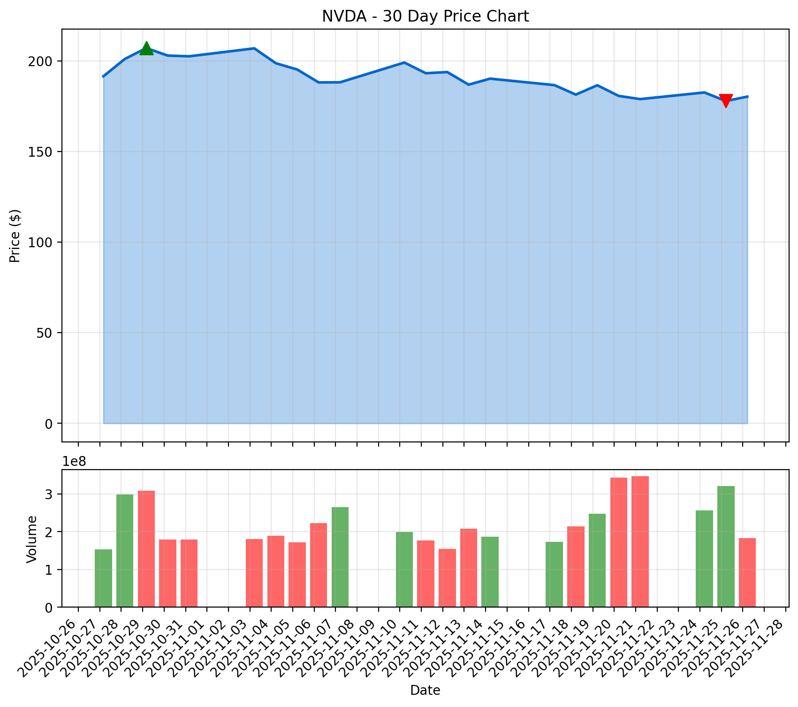
Ticker: | NVDA | Historical Data (Last 30 Days)
Company: | NVIDIA Corporation | Date | Open | High | Low | Close | Volume
Sector: | Technology | 2025-10-27 | 189.99 | 192 | 188.43 | 191.49 | 153452700
Current Price: | $180.26 | 2025-10-28 | 193.05 | 203.15 | 191.91 | 201.03 | 297986200
30-Day Change: | $-11.23 (-5.86%) | 2025-10-29 | 207.98 | 212.19 | 204.78 | 207.04 | 308829600
30-Day High: | $212.19 | 2025-10-30 | 205.15 | 206.16 | 201.41 | 202.89 | 178864400
30-Day Low: | $169.55 | 2025-10-31 | 206.45 | 207.97 | 202.07 | 202.49 | 179802200
Avg Volume: | 224,220,857 | 2025-11-03 | 208.08 | 211.34 | 205.56 | 206.88 | 180267300
 |  | 2025-11-04 | 203 | 203.97 | 197.93 | 198.69 | 188919300
Last updated: 2025-11-27 12:15:36 |  | 2025-11-05 | 198.77 | 202.92 | 194.65 | 195.21 | 171350300
 |  | 2025-11-06 | 196.42 | 197.62 | 186.38 | 188.08 | 223029800
 |  | 2025-11-07 | 184.9 | 188.32 | 178.91 | 188.15 | 264942300
 |  | 2025-11-10 | 195.11 | 199.94 | 193.79 | 199.05 | 198897100
 |  | 2025-11-11 | 195.16 | 195.42 | 191.3 | 193.16 | 176483300
 |  | 2025-11-12 | 195.72 | 195.89 | 191.13 | 193.8 | 154935300
 |  | 2025-11-13 | 191.05 | 191.44 | 183.85 | 186.86 | 207423100
 |  | 2025-11-14 | 182.86 | 191.01 | 180.58 | 190.17 | 186591900
 |  | 2025-11-17 | 185.97 | 189 | 184.32 | 186.6 | 173628900
 |  | 2025-11-18 | 183.38 | 184.8 | 179.65 | 181.36 | 213598900
 |  | 2025-11-19 | 184.79 | 187.86 | 182.83 | 186.52 | 247246400
 |  | 2025-11-20 | 195.95 | 196 | 179.85 | 180.64 | 343504800
 |  | 2025-11-21 | 181.24 | 184.56 | 172.93 | 178.88 | 346926200
 |  | 2025-11-24 | 179.49 | 183.5 | 176.48 | 182.55 | 256618300
 |  | 2025-11-25 | 174.91 | 178.16 | 169.55 | 177.82 | 320600300
 |  | 2025-11-26 | 181.63 | 182.91 | 178.24 | 180.26 | 183181100

