Sheet1
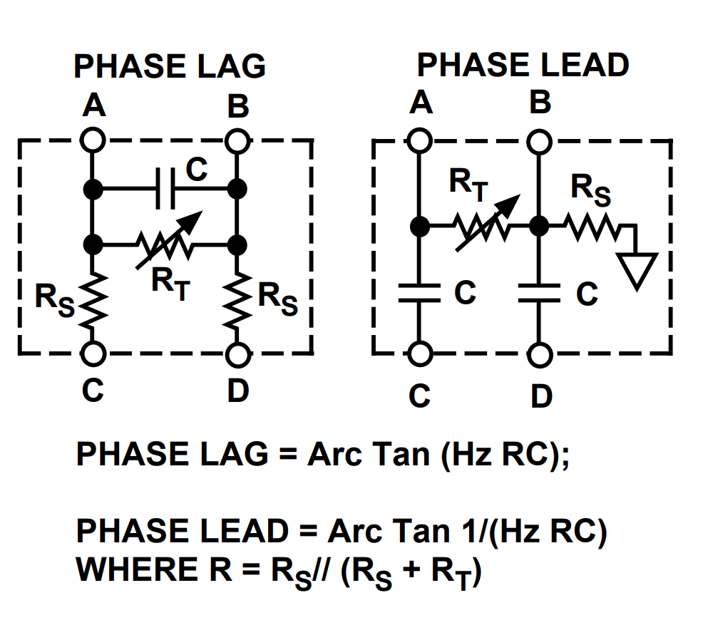
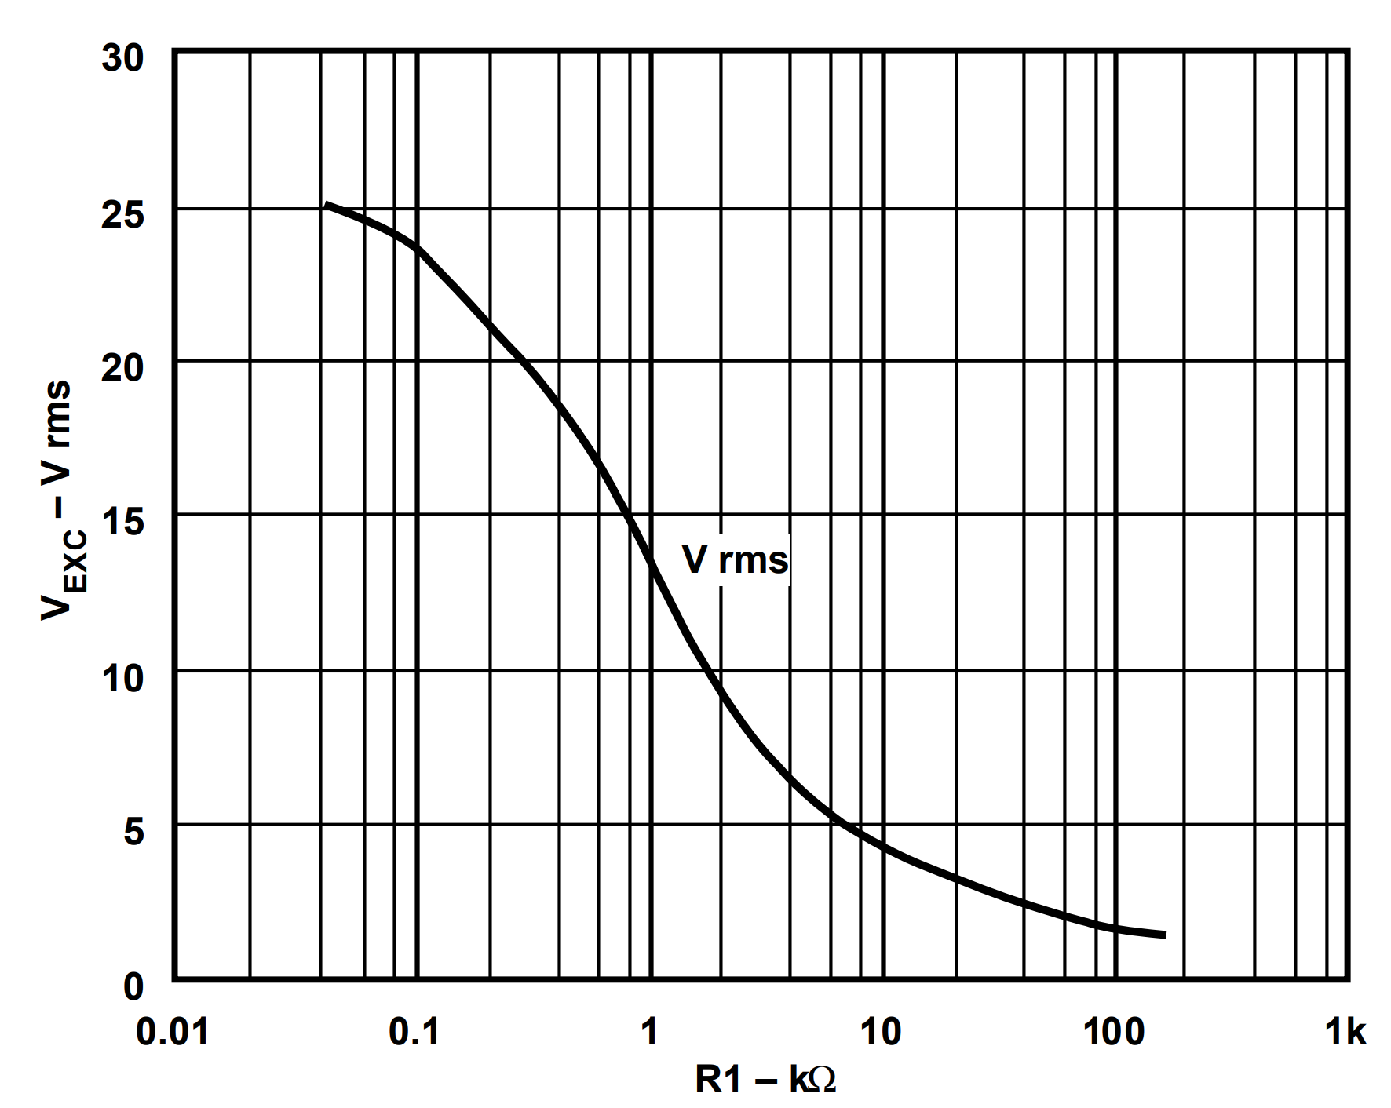
A | Oscillator Frequency |  |  | Summary
f_sub | 344.8 | Hz | Desired measurement frequency | R1 | 17.50 | kΩ
f_exc | 3448 | Hz | Excitation Frequency | R2 | 16.90 | kΩ
C1 | 1.02E-08 | F | Capacitor C1 | R3 | 6.24 | kΩ
B | Oscillator Amplitude |  |  | R4 | 1.00E+99 | kΩ
S | 228 | mV/V/mm | LVDT Sensitivity | C1 | 10.150812065 | nF
d_max | 1.27 | mm | Max stroke length from null | C2 | 290.02320186 | nF
VTR | 289.56 | mV/V | Voltage transformation Ratio | C3 | 290.02320186 | nF
U_exc_max | 3 | Vrms | Max Excitation Voltage | C4 | 290.02320186 | nF
U_sec_max | 0.86868 | Vrms | Mac Secondary Voltage
R1 | 17.5 | kΩ | R1 (see chart) | C1 | 1.015E-08 | F
C2 | 2.9002320186E-07 | F | Capacitor for System Bandwidth | f_exc | 3448.2758621 | Hz
C3 | 2.9002320186E-07 | F | Capacitor for System Bandwidth
C4 | 2.9002320186E-07 | F | Capacitor for System Bandwidth
D | Full-Scale Output Voltage
U_out ± | 2.446782 | Vdc | Output Voltage | Umin | 0.014383048544 | V
R2 | 16.9 | kΩ | Resistor R2 | Umax | 4.9079470485 | V
E.1 | Positive Output Voltage Offset
U_os | 2.446782 | Vdc | Offset Voltage
R3 | 6.2884376295 | kΩ
R4 | inf | kΩ
E.2 | Negative Output Voltage Offset
U_os | -2.446782 | Vdc | Offset Voltage
R3 | inf | kΩ
R4 | 6.2884376295 | kΩ
E.3 | Output Voltage Offset Both Resistors
U_os | 2.4611650485 | Vdc | Offset Voltage
R3 | 6.24 | kΩ
R4 | 1.00E+99 | kΩ
F | Phase Shift Adjustment
φ | -1 | ° | LVDT Primary to Secondary Phase Shift
Rt | 10000 | Ω
Rs | 0.0000001 | Ω
R | 10000000 | Ω
C | 1.00E-15 | F
Lag | 0.0019755584768 | °
Lead | 89.998024442 | °

Sheet2
R1 [kOhm] | U_exc [Vrms] |  | 3.5
7.3622759218 | 4.9126637555
8.6317075668 | 4.5851528384
10.530585154 | 4.2576419214 | 17.311789747 | 3.5371179039
12.847194233 | 3.9301310044 | 20.296754446 | 3.2751091703
14.765812191 | 3.7336244541
17.311789747 | 3.5371179039
20.296754446 | 3.2751091703
24.274305023 | 3.0786026201 | 24.274305023 | 3.0786026201
28.459773115 | 2.8820960699 | 28.459773115 | 2.8820960699
32.709995441 | 2.6855895197
39.120166168 | 2.4890829694 | 24.277995394 | 3
46.786536666 | 2.2925764192
55.955284131 | 2.096069869
66.920829053 | 1.9650655022
81.642651055 | 1.768558952
112.22415804 | 1.5065502183

