Sheet1
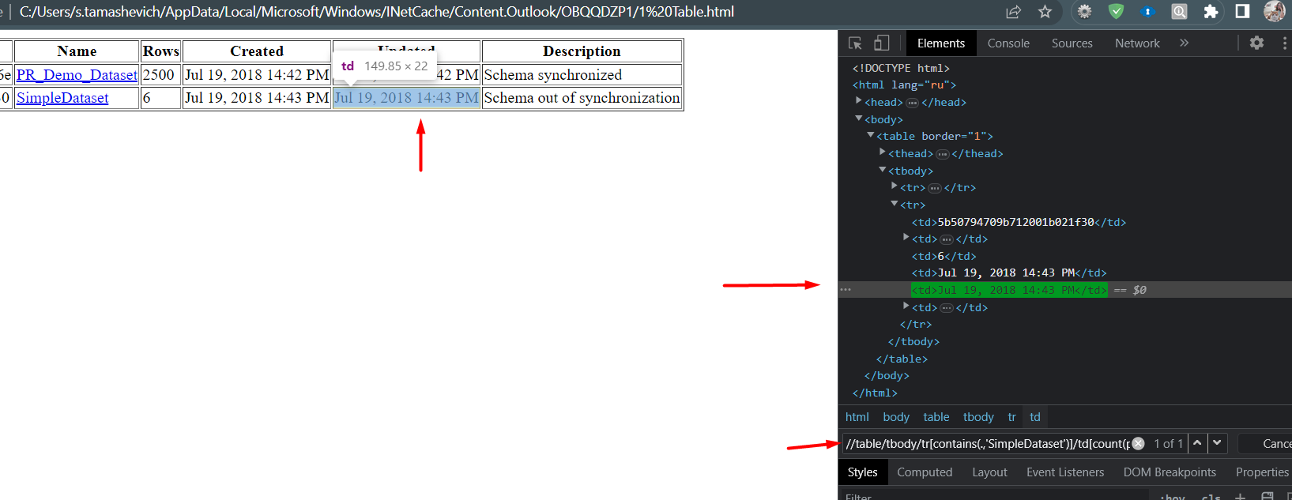

задание 0

задание 1
await page.getByRole("link", { name: "Все новости о финансах" }).click();

await expect(page).toHaveTitle(/Onlíner/);

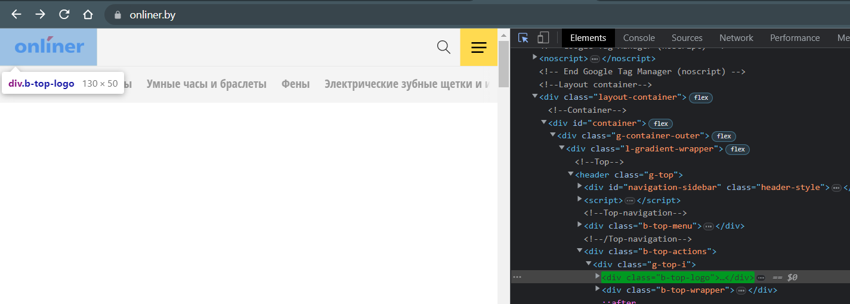
await page.locator(".b-top-logo").click();

await page.locator(".g-bottom").click();

page
.locator("//*[@id='onliner-catalog-purchases']/header/h2/a")
.click();

page.getByPlaceholder("Поиск в Каталоге. Например,").fill("Масло");
});

await page
.locator("ul.b-main-navigation>li")
.filter({
has: page.locator(
".b-main-navigation__advert.b-main-navigation__advert_another"
),
})
.click();

await page
.locator("ul.b-main-navigation>li")
.filter({
has: page.locator(
".b-main-navigation__advert.b-main-navigation__advert_primary"
),
})
.click();

await page
.locator(".footer-3-button")
.filter({ hasText: /Все новости о финансах/ })
.click();

await page.locator(".b-main-navigation").locator("nth = 0").click();

задание 2
//table/tbody/tr[contains(.,'SimpleDataset')]/td[count(preceding-sibling::td)+1 = count(ancestor::table/thead/tr/th[.='Updated']/preceding-sibling::th)+1]

