1.1
Личный кабинет
Корзина
Номер телефона
Покупателям
 | https://e-zoo.by/
Home page

Магазины

Доставка

Оплата

ХоХо
Контакты

Товары
Поиск товара

Товары для собак
Товары для кошек
Товары для птиц
Товары для грызунов
Товары для рыб
ЧАТ

чат
Диетический корм
Диетический корм
Корм
Корм
Аквариумы

Содержание и уход
Содержание и уход
Живые обитатели
Корм
Корм
Корм
Наполнители
Содержание и уход
Содержание и уход

Содержание и уход

1.3
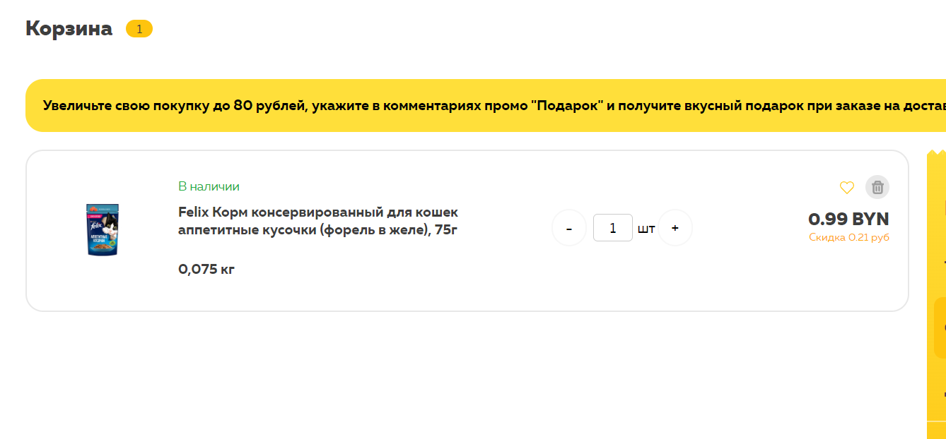
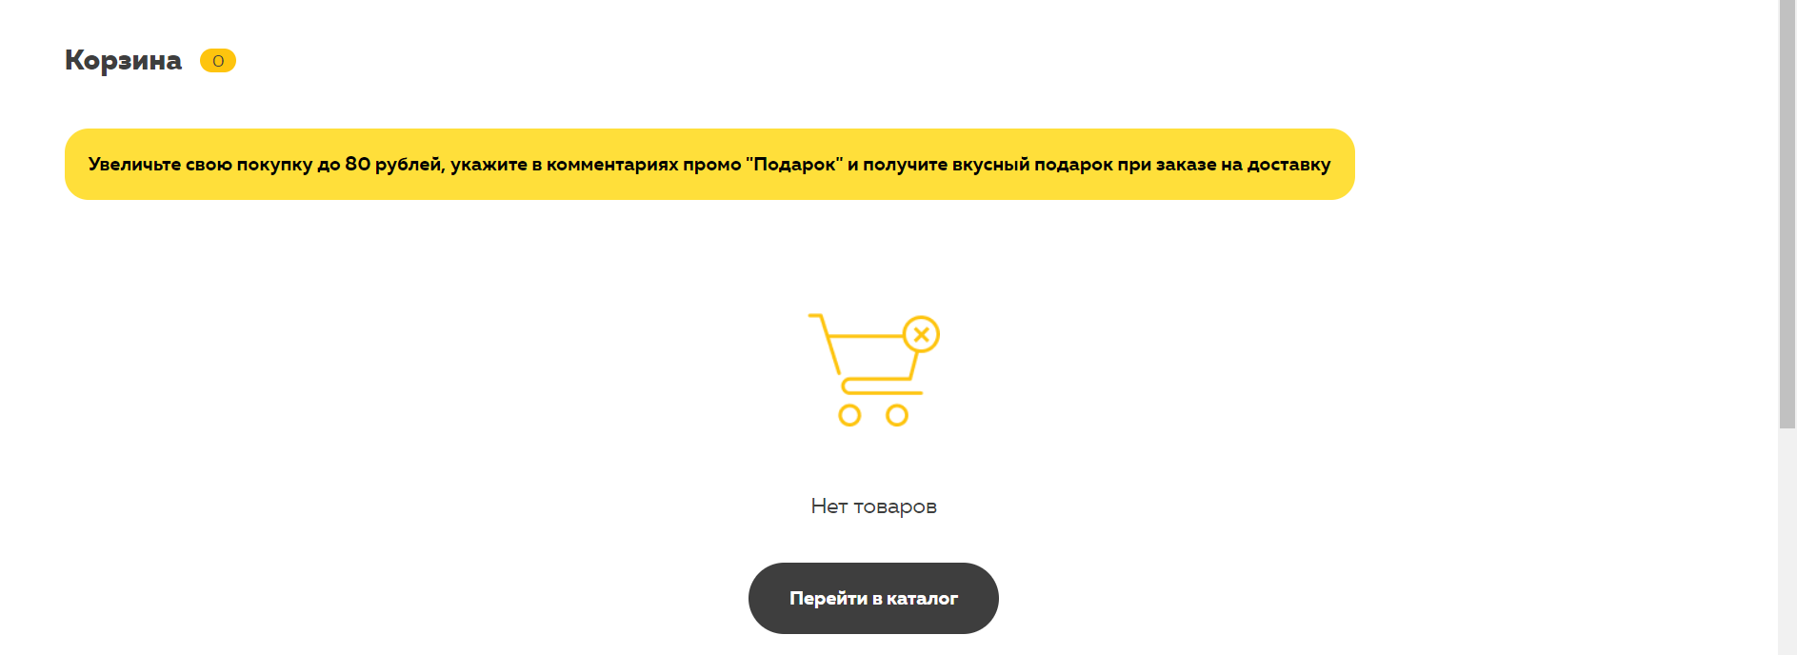
1. Adding the product in the Basket | Preconditions: Перейти на сайт по ссылке - https://e-zoo.by/
 | Steps to reproduce | Expected result
 | `1. Scroll page to discounts | The list of diskount goods
 | 2. Click on button "Добавить товар в корзину" | Popup message "Товар добавлен в корзину".The product added to Basket . Appeared the Span "number of goods" in the Top-block
 | 3. Click on Top-block link "Корзина" | Opens the list of added goods in the Basket. The product added to Basket.
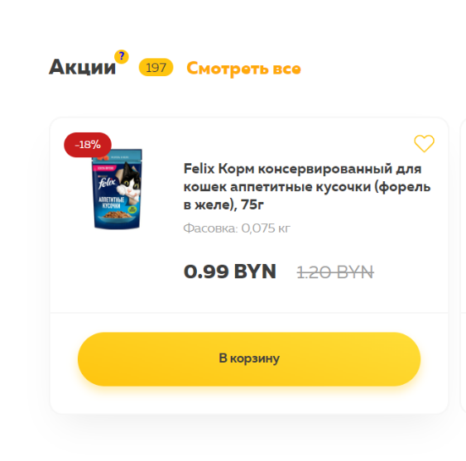
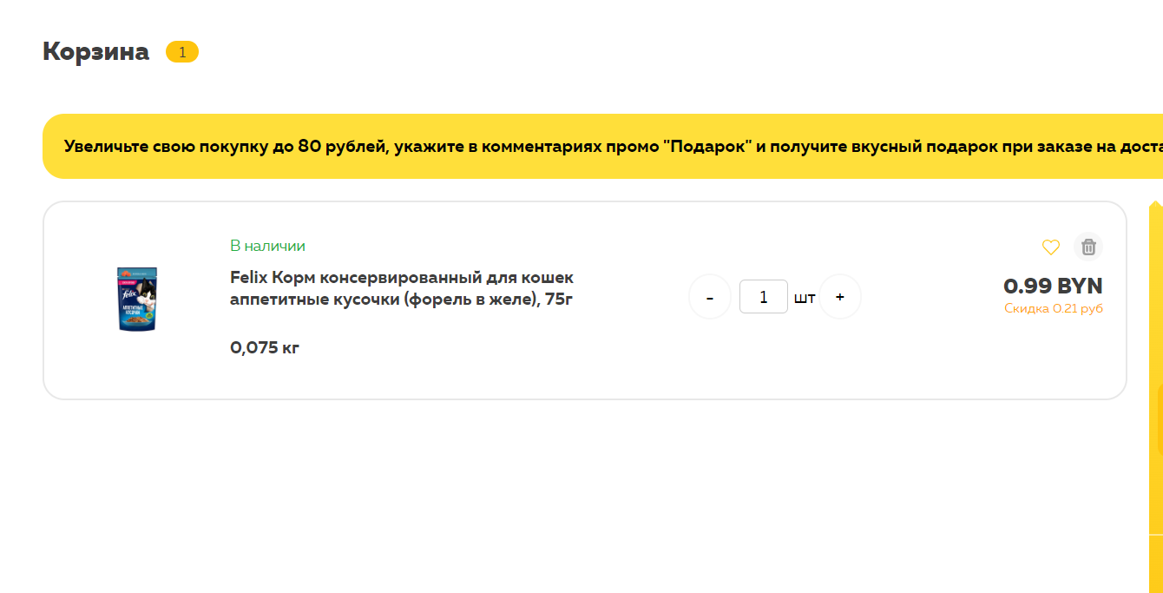

2.Deleting the goods on the Basket | Preconditions: Перейти на сайт по ссылке - https://e-zoo.by/
 | Steps to reproduce | Expected result
 | `1. Scroll page to discounts | The list of diskount goods
 | 2. Click on button "Добавить товар в корзину" | Popup message "Товар добавлен в корзину". The product added to Basket . Appeared the Span "number of goods" in the Top-block
 | 3. Click on Top-block link "Корзина" | Opens the list of added goods in the Basket. The product added to Basket.
 | 4. Click on button ".product-basket__remove" on product | The product deleted on tho Basket. Removed the Span "number of goods" in the Top-block and in the basket__header "Корзина". Apepered the Button "Перейти в каталог".

1.4
