Drivers
Drivers

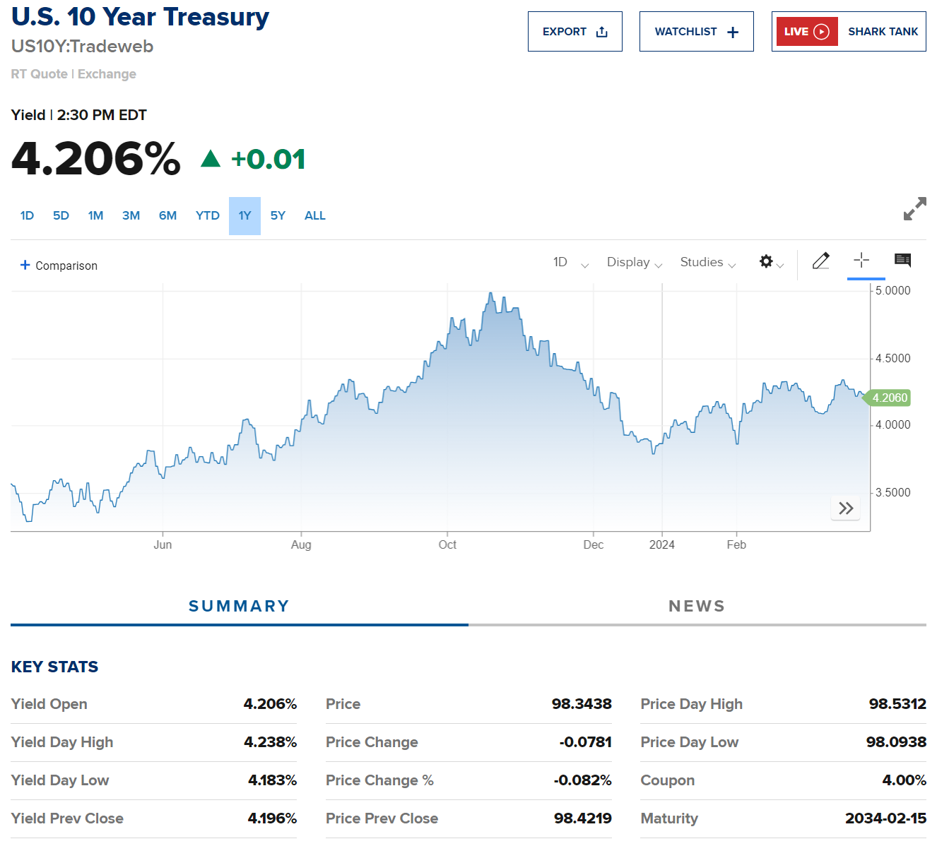
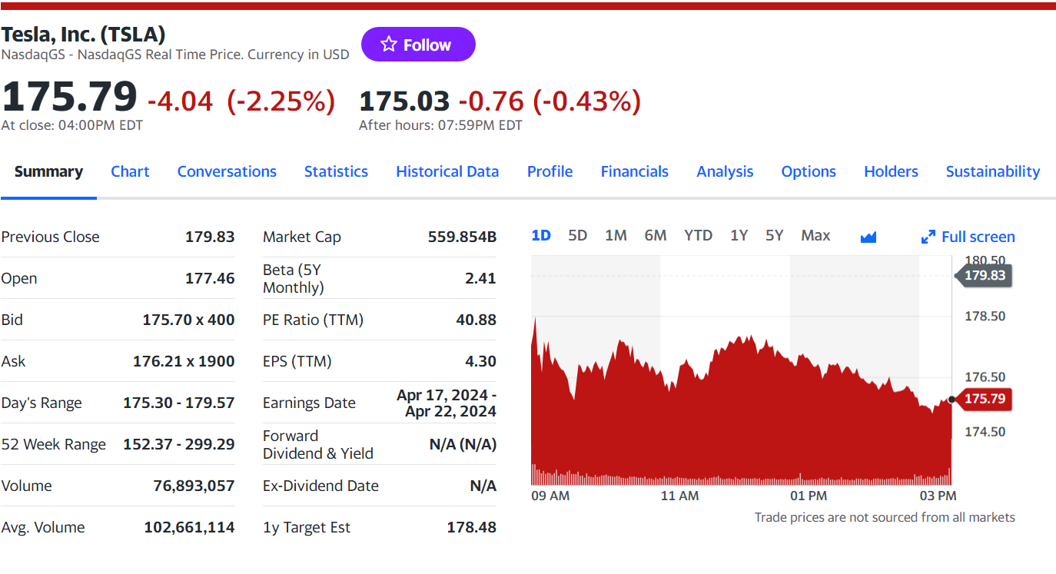
Selected case | 2
Company | Tesla
Currency | USD
Domestic country | United States
10-year treasury yield (Mar 29 2024) | 4.21%
Market risk premium US | 5.70%
Company beta (Mar 29 2024) | 2.41
Tesla share price (Aug 15 2025) | $175.79
Bond Yield (Mar 29 2024) | 4.53%
Corporate tax rate | 21%
Expected inflation | 3.10%

P&L Input
P&L Input

Fiscal year is January-December. All values USD Millions. | 2019 | 2020 | 2021 | 2022 | 2023
Automotive Revenue | 20818 | 27121 | 47364 | 71687 | 82451
Energy Revenue | 1524 | 1892 | 2691 | 4073 | 6000
Services Revenue | 2237 | 2523 | 3768 | 5702 | 8322
Sales/Revenue | 24578 | 31536 | 53823 | 81462 | 96773
Automotive cost of revenues | (16939) | (20509) | (33629) | (51122) | (65932)
Energy generation and storage cost of revenues | (1334) | (1874) | (2820) | (3785) | (4859)
Services and other cost of revenues | (2237) | (2523) | (3768) | (5702) | (8322)
Cost of Goods Sold (COGS) incl. D&A | (20509) | (24906) | (40217) | (60609) | (79113)
Gross Profit | 4069 | 6630 | 13606 | 20853 | 17660
Model Y introduced. Volume and margin increased simultaneously.
Research & Development | (1343) | (1491) | (2593) | (3075) | (3969)
Model Y production rammped up. Volume increased tremendously with steady decline in margin.
Other SG&A | (2646) | (3145) | (4517) | (3946) | (4800)
Restructuring and other | (149) | - | - | - | -
EBIT | (69) | 1994 | 6496 | 13832 | 8891
GP% auto. and overall GP%
Interest Income | 44 | 30 | 56 | 297 | 1066
Interest Expense | (685) | (122) | (371) | (191) | (156)
Other income (expense), net | 45 | (748) | 162 | (219) | 172
EBT | (665) | 1154 | 6343 | 13719 | 9973
Provision for Income Tax | (110) | (292) | (699) | (1132) | (5001)
Net loss incl. minority interests | (775) | 862 | 5644 | 12587 | 4972
Minority Interest Expense | (87) | (141) | (125) | (31) | (23)
Net Income/Loss | (862) | 721 | 5519 | 12556 | 4949

KPIs
Revenue % automotive y-o-y |  | 30.28% | 74.64% | 51.35% | 15.02%
Revenue % generation y-o-y |  | 24.17% | 42.23% | 51.35% | 47.31%
Revenue % services y-o-y |  | 12.80% | 49.34% | 51.35% | 45.95%
GP% automotive | 18.63% | 24.38% | 29.00% | 28.69% | 20.04%
GP% energy generation and automotive | 12.47% | 0.95% | -4.79% | 7.07% | 19.02%
GP% services and other | 0.00% | 0.00% | 0.00% | 0.00% | 0.00%
Overall GP% | 16.56% | 21.02% | 25.28% | 25.60% | 18.25%
EBIT % | -0.28% | 6.32% | 12.07% | 16.98% | 9.19%
Net Income/loss % | -3.51% | 2.29% | 10.25% | 15.41% | 5.11%
Return On Assets (ROA) | -2.51% | 1.38% | 8.88% | 15.25% | 4.64%
Return Onn Equity (ROE) | -13.03% | 3.24% | 18.28% | 28.09% | 7.90%

Deliveries development
Tesla vehicle deliveries (2019-2033)
 | Tesla Model 3 | Tesla Model S and X | Tesla Model Y | Tesla Roadster 2 | Tesla Pickup | Tesla Semi
2019 Act | 300,857 | 66,771 | - | - | - | -
2020 Act | 358,261 | 57,085 | 84,167 | - | - | -
2021 Act | 476,356 | 24,980 | 434,790 | - | - | -
2022 Act | 485,984 | 66,705 | 761,162 | - | - | -
2023 Act | 548,225 | 68,874 | 1,200,000 | - | - | 100
2024 Fcst | 603,048 | 71,629 | 1,320,000 | - | 29,200 | 517
2025 Fcst | 663,352 | 74,494 | 1,452,000 | 500 | 48,500 | 904
2026 Fcst | 729,687 | 77,474 | 1,597,200 | 1,000 | 97,000 | 1,397
2027 Fcst | 788,062 | 80,573 | 1,724,976 | 1,500 | 106,700 | 1,844
2028 Fcst | 851,107 | 83,796 | 1,862,974 | 1,650 | 117,370 | 2,029
2029 Fcst | 885,152 | 87,148 | 1,937,493 | 1,815 | 126,760 | 2,232
2030 Fcst | 920,558 | 90,633 | 2,014,993 | 1,960 | 136,900 | 2,410
2031 Fcst | 957,380 | 94,259 | 2,095,592 | 2,117 | 142,376 | 2,603
2032 Fcst | 995,675 | 98,029 | 2,179,416 | 2,202 | 148,071 | 2,707
2033 Fcst | 1,035,502 | 101,950 | 2,266,593 | 2,290 | 153,994 | 2,815

Revenue & GP automotive
Revenue & GP Automotive

 | Tesla Revenue & Gross Profit Automotive (in mln $)
Vehicle | 2019 Act | 2020 Act | 2021 Act | 2022 Act | 2023 Act | 2024 Fcst | 2025 Fcst | 2026 Fcst | 2027 Fcst | 2028 Fcst | 2029 Fcst | 2030 Fcst | 2031 Fcst | 2032 Fcst | 2033 Fcst
Revenue automotive | 20,818 | 27,121 | 47,364 | 71,687 | 82,451 | 108,149 | 119,601 | 133,770 | 144,383 | 155,703 | 162,249 | 169,067 | 175,864 | 182,899 | 190,215
GP automotive | 3,879 | 6,612 | 13,735 | 20,565 | 16,519 | 25,966 | 28,655 | 31,855 | 34,389 | 37,074 | 38,614 | 40,216 | 41,836 | 43,509 | 45,249
GP% automotive | 18.63% | 24.38% | 29.00% | 28.69% | 20.04% | 24.01% | 23.96% | 23.81% | 23.82% | 23.81% | 23.80% | 23.79% | 23.79% | 23.79% | 23.79%
Revenue and Gross Profit automotive

Opex comparables
Opex comparables

Comparables - 2023

Comparables - 2023
Company | Average | Adj. Average
GM | 6% | 6%
Ford | 6% | 6%
Fiat Chrysler | 9% | 9%
BMW | 9% | 9%
Volkswagen | 12% | 12%
Jaguar | 32%
Porsche | 31%
Ferrari | 23%
Scania | 14% | 14%
MAN | 6% | 6%
Paccar | 5% | 5%
Average | 14% | 8%

W C development
Working Capital Development (2019-33)

Working Capital Development
 | Accounts Receivables, Net | Inventory | Accounts Payable
2019 Act | 1,324 | 3,552 | 3,771
2020 Act | 1,886 | 4,101 | 6,051
2021 Act | 1,913 | 5,757 | 10,025
2022 Act | 2,952 | 12,839 | 15,255
2023 Act | 3,508 | 13,626 | 14,431
2024 Fcst | 5,551 | 17,007 | 21,826
2025 Fcst | 6,172 | 18,941 | 24,308
2026 Fcst | 6,887 | 21,159 | 27,155
2027 Fcst | 7,435 | 22,839 | 29,311
2028 Fcst | 7,998 | 24,562 | 31,522
2029 Fcst | 8,354 | 25,670 | 32,944
2030 Fcst | 8,726 | 26,829 | 34,432
2031 Fcst | 9,101 | 27,997 | 35,931
2032 Fcst | 9,492 | 29,213 | 37,492
2033 Fcst | 9,899 | 30,484 | 39,122

