Sheet1
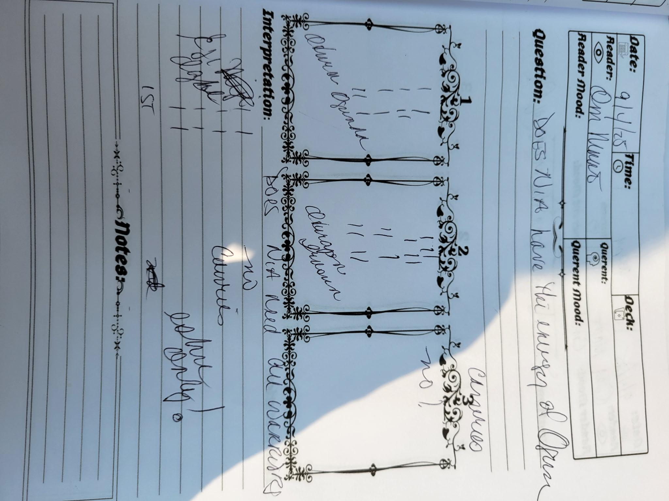
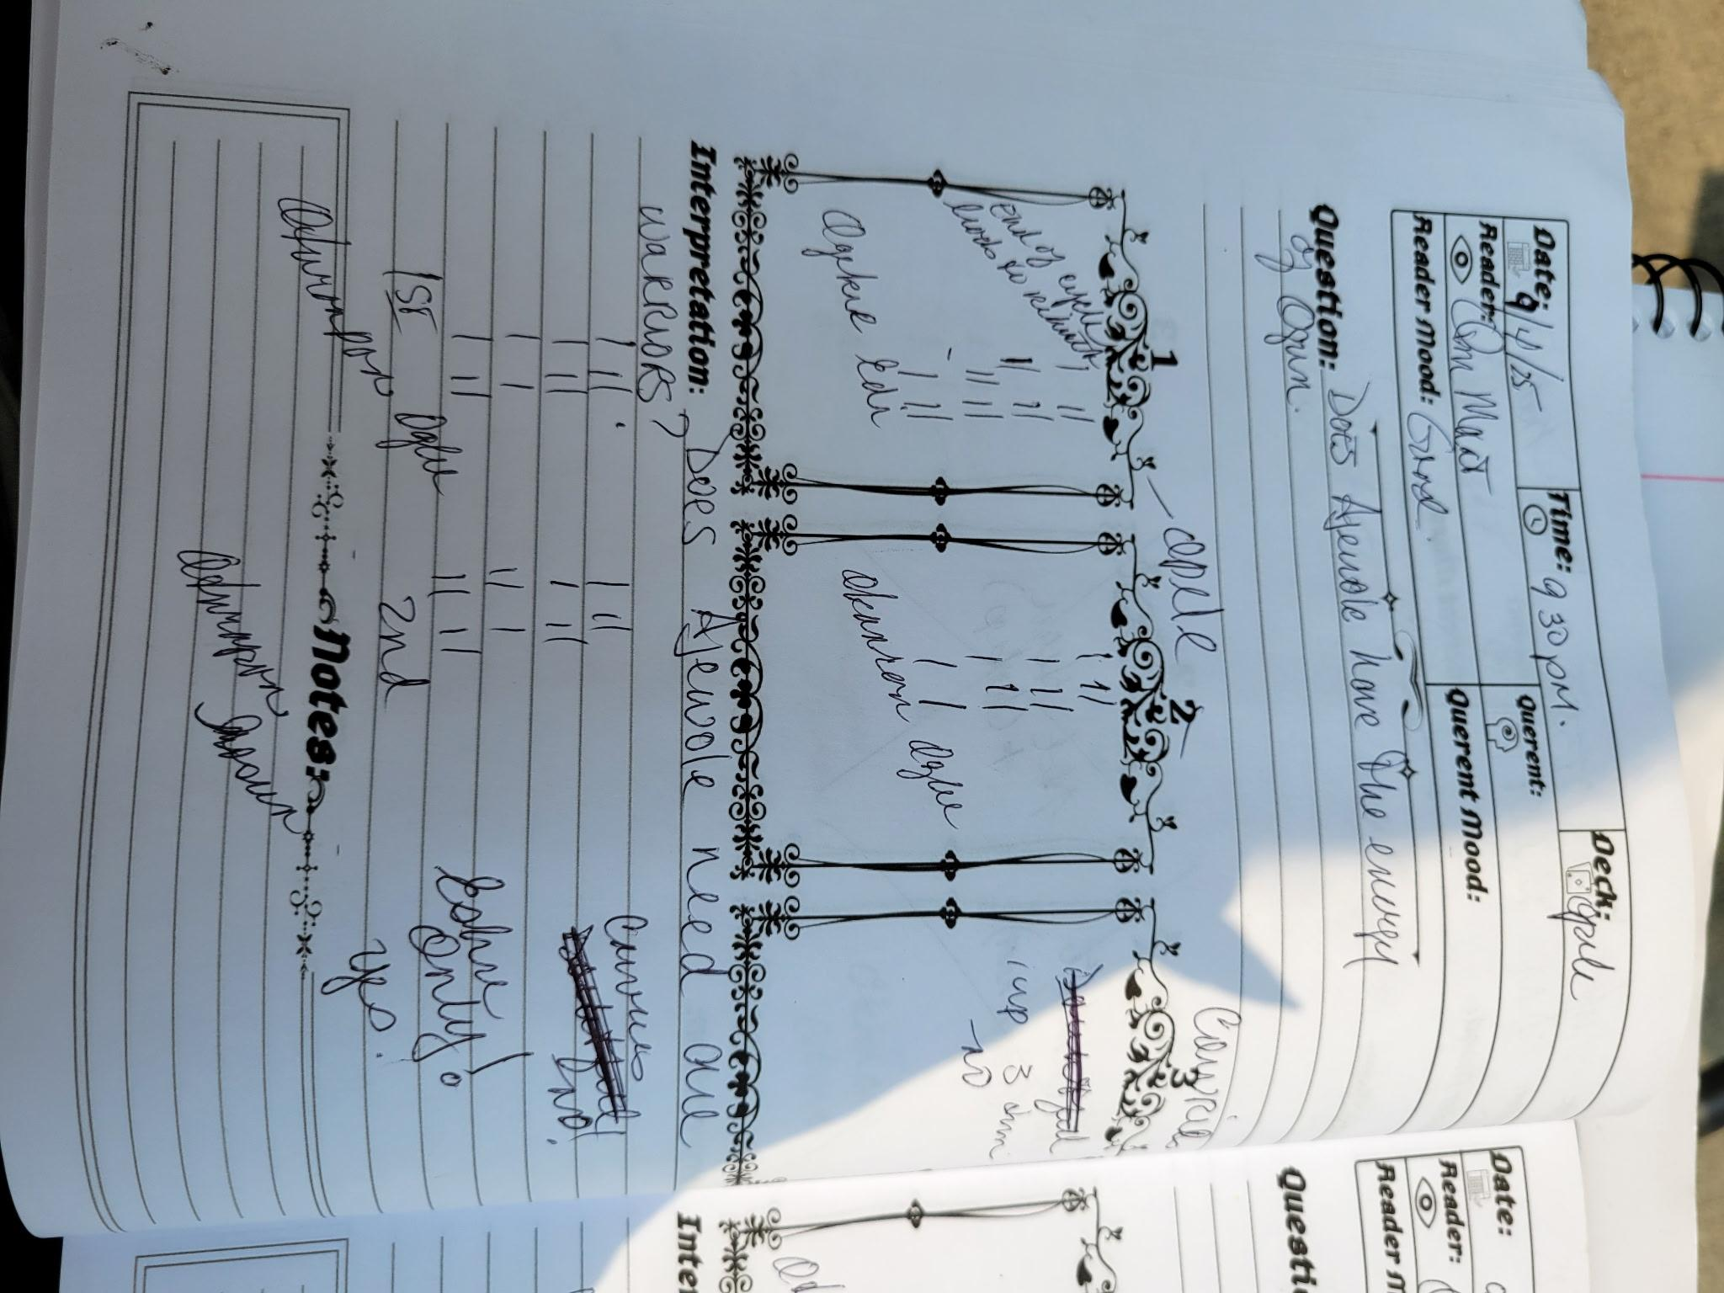
Queen Mother Divinations 2025 Ilekes/Warriors

1) Should a quick simple Awo appropriate course be made available?
 | Sekert(+) Ogunda
2) Should I comment on QM Maat Divination?...no

