Yellow Book
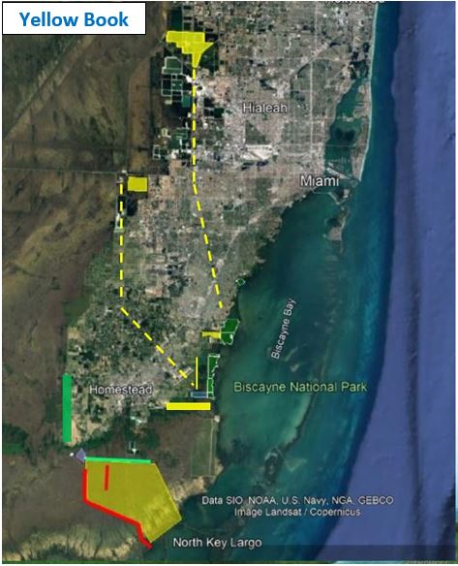
ID | Measure Name (full) | Measure Type | Location: Basin | Location: Water Source | Description | Features | Notes
305 | YB Biscayne Bay Coastal Wetlands | Rehydrate | DA-3, C-1E, C-102, C-103, No Canal, Fla City, DA-4, Model | Many | Yellow Book: Rehydrate coastal wetlands along Biscayne Bay and Biscayne National Park. BBCW1 features implemented some of the Yellow Book features. | Features constructed, in construction, or in final design include: Deering Estates (constructed): PS S-700 (100 cfs), Canal Extension (580 lf), Pipe (60-ft pipe / 560 lf), Spreader Structure. L-31E Flowway (constructed or in active construction): 36-inch Culverts S-23A, B, C, D and 712A, S-712B and S-706 A, B, and C and S-708; Pump stations S-703 (50 cfs, spreader channel), S-705 (100 cfs), S-709, S-710 (40 cfs, dissipation spreader basin), S-711 (40 cfs), seepage canal C-711W with berm. Cutler Wetlands (design): PS S-701 (400 cfs), Concrete lined channel C-701 at grade, S-701A Culvert under 97th ave, S-701B Microtunnel under 87th ave, Spreader swale C-702, Wetland drainage ditches blocks and berm breaches. | Includes authorized and constructed features from BBCW1 project. Important: S-707 Inverted Siphon is authorized but was not constructed and as such, is not included in the YB alternative. Recommend to NOT include the following in the YB representation. The PIR intended that Phase II consider the remaining features in Alternative O including 7,551 acres, approximately 13 pump stations, 10 culverts, four miles of spreader canals, one mile of conveyance canal, and plugging 5,500 feet of mosquito control ditches.
 |  |  |  |  |  | Features identified in BBCW Yellow Book component that were not considered in the Phase 1 project include: Sub-Component 4- North Canal Flowway. 1) construction of a 200-cfs pump on C-103,2) construction of a 200-cfs pump on Florida City Canal, 3) installation of culverts and risers under the L-31 East levee, 4) construction of a delivery canal from C-103 south to North Canal, 5) construction of a spreader swale east of the L-31 East levee, 6) backfilling North Canal east of SW 112thAvenue and 7) construction of a flowway south from Florida City Canal fromSW 127th Avenue to SW 107th Avenue. If water quality dictates, the design may also involve construction of: 8) an STA on the western edge of the coastal wetlands in between C-103 and Florida City Canal, 9) an STA associated with the flowway south of Florida City Canal, and 10) seepage management facilities around the STAs.
 |  |  |  |  |  | Features identified in BBCW Yellow Book component that were not considered in the Phase 1 project include: Sub-Component 5- Barnes Sound Wetlands. Design involves construction of: 1) a 50-cfs pump at Florida City Canal, and 2) a new canal south from Florida City Canal to a shallow spreader swale along the edge of the coastal wetlands. If water quality dictates, the design may also involve construction of an STA and seepage management facility
409 | Biscayne Bay Coastal Canals- Yellow Book Component FFF | Canal | C-102 and C-103 | C-102, C-103 canal | Yellow Book component. Construction of a canal from the upstream reaches of C-102 canal to upstream reaches of C-103 canal. Purpose is to maintain higher stages for water supply and environmental use. | L-31E connects upstream reaches of C-102 and C-103 canal to east of HARB. BBCW P1 accomplished the coastal canals component using L-31E rather than building new canal. | Crossing Military Canal is HTRW concern. Prefer measures C-102 to MC plus MC to C-103.
 |  |  |  |  |  | Spreader Feature
 |  |  |  |  |  | Seepage management
 |  |  |  |  |  | Plug/Fill downstream of Military Canal
801 | C-111N Yellow Book WW | Many | C-111S, C-111 Coastal, Flog Pond, Taylor Slough | C-111, C-111E | Yellow Book component. Add Pump Station S-332E, stormwater treatment area, and extenstion spreader canal from C-111 canal east across Southern Glades, under US 1 and Card Sound Road into triangle and Model Lands areas. The feature will pump water from C-111 and C-1111E canals into the STA prior to discharging into the Southern Everglades and Model Lands. Backfilling the lower C-111 canal, remove structures S-18C and S-197. | Frog Pond Detention Area (FPDA) and S-200 inflow pump station (300 cfs) C-200 Header Channel Connection to the L-31W canal including installation of a connector structure with 3 culverts (G-737) Aerojet Canal impoundment/modifications including weirs and S-199 inflow pump station (300 cfs) Plugs in the C-110 canal (north of the C-111 canal) Plug in the L-31E canal (south of the S-20A structure) Add C-111N spreader canal feature at YB location. Full Backfill of lower C-111 Canal, including removing S-18C and S-197. | Includes authorized and constructed features from C-111 SCW project, as well as C-111N Yellow Book features that have not been recommended in a PIR.
601 | North Lake Belt Storage Area Yellow Book (XX) | In-GrStorage | C-6 | Many | Yellow Book component. Yellow Book Description: includes canals, pumps, water control structures, and in ground storage reservoir with a total capacity of approx. 90,000 acre-feet. The North Lake Belt Storage Area (NLBSA) is an in-ground reservoir to capture a portion of runoff from C-6, western C-11 and C-9 Basins. The in-ground reservoir, with perimeter seepage barrier, will allow storage of untreated runoff without concerns of ground water contamination. The stored water will be used to maintain stages during the dry season in the C-9, C-6, C-7, C-4 and C-2 Canals and to provide deliveries to Biscayne Bay to aid in meeting salinity targets | Initial design of the reservoir assumed 4,500 acres with the water level fluctuation from ground level to 20 feet below grade. A subterranean seepage barrier will be constructed around the perimeter to enable drawdown during dry periods, to prevent seepage losses, and to prevent water quality impact due to the high transmissivity of the Biscayne Aquifer in the area. Purpose is to seal existing rock mines to store water for freshwater deliveries into the dry season. The purpose of this feature is to capture and store a portion of the stormwater runoff from the C-6, western C-11 and C-9 Basins. The stored water will be used to maintain stages during the dry season in the C-9, C-6, C-7, C-4 and C-2 Canals and to provide water deliveries to Biscayne Bay to aid in meeting salinity targets. | Previous pilot studies by USACE determined NLB as envisioned in the Yellow Book is not feasible.
716 | South Miami-Dade County Reuse (BBB) | Reuse | C-1 | Wastewater Reuse | Yellow Book component. Use wastewater reuse water from South Dade Reuse (name and location of the plant) to provide additional freshwater for ecosystem restoration. Yellow Book Description: This feature includes a plant expansion to produce superior, advanced treatment of wastewater from the existing South District Wastewater Treatment Plant located north of the C-1 Canal in Miami-Dade County. The initial design of this feature assumed that the plant will have a capacity of 131 million gallons per day. More detailed analyses will be required to determine the quality and quantity of water needed to meet the ecological goals and objectives of Biscayne Bay. | Runoff is pumped and gravity fed into the in-ground reservoir from the C-6 (west of Florida’s Turnpike), western C-11, and C-9 Basins. Outflows from the facility will be directed into the C-9 Stormwater Treatment Area/Impoundment for treatment
603 | West Miami-Dade Wastewater Reuse | Reuse |  | Wastewater Reuse | Yellow Book component. Use wastewater reuse water from West DadeReuse to provide additional freshwater for ecosystem restoration. | prior to delivery to the C-9, C-7, C-6, C-4 and C-2 Canals. If necessary, additional stormwater treatment areas will be constructed adjacent to the in-ground reservoir. | West Miami-Dade WTP not yet constructed. Not planned for construction until at least 2035.

