Hoja1
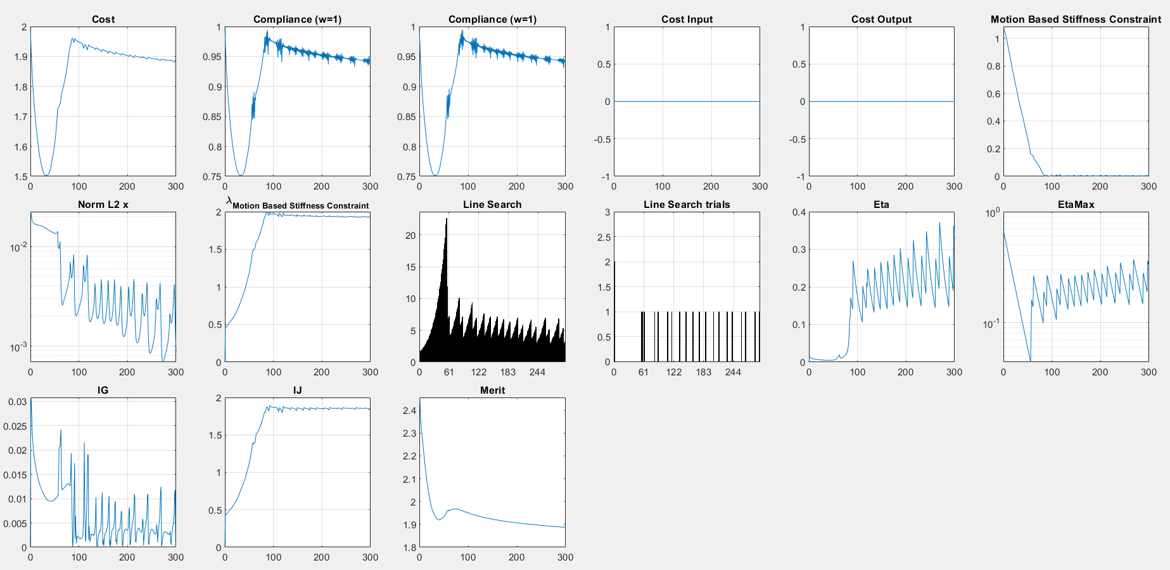
symmetry only upper-lower sides
J* | -1
Kp_bar | 0.005
etaNorm | 0.03
gJFLowRatio | 0.1
tauMax | 500
dens0 | 0.1



J* | -1
Kp_bar | 0.5
etaNorm | 0.1
gJFLowRatio | 0.05
tauMax | 500
dens0 | 0.1

