Hoja1
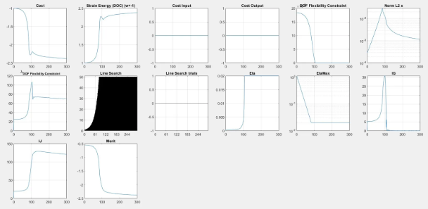

emax | 0.01
tauMax | 50
etaNorm | 0.05
gJFlowRatio | 0.3



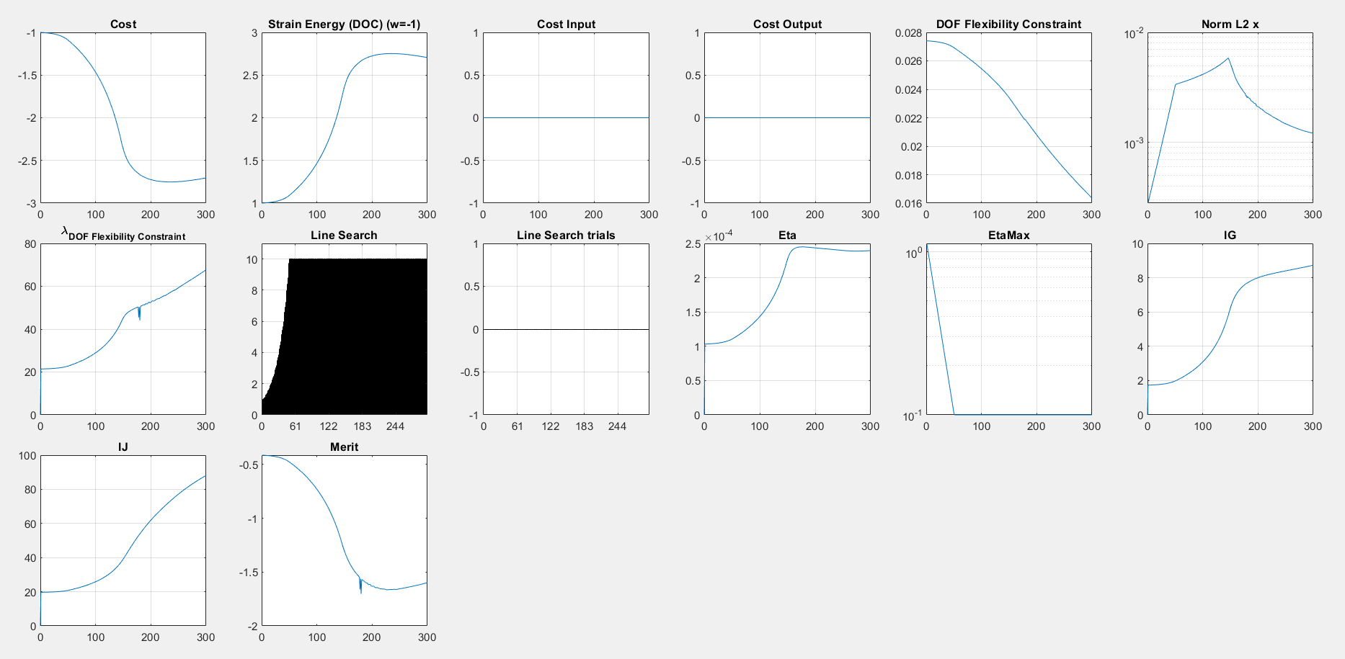

emax | 0.001
tauMax | 10
etaNorm | 0.02
gJFlowRatio | 0.1



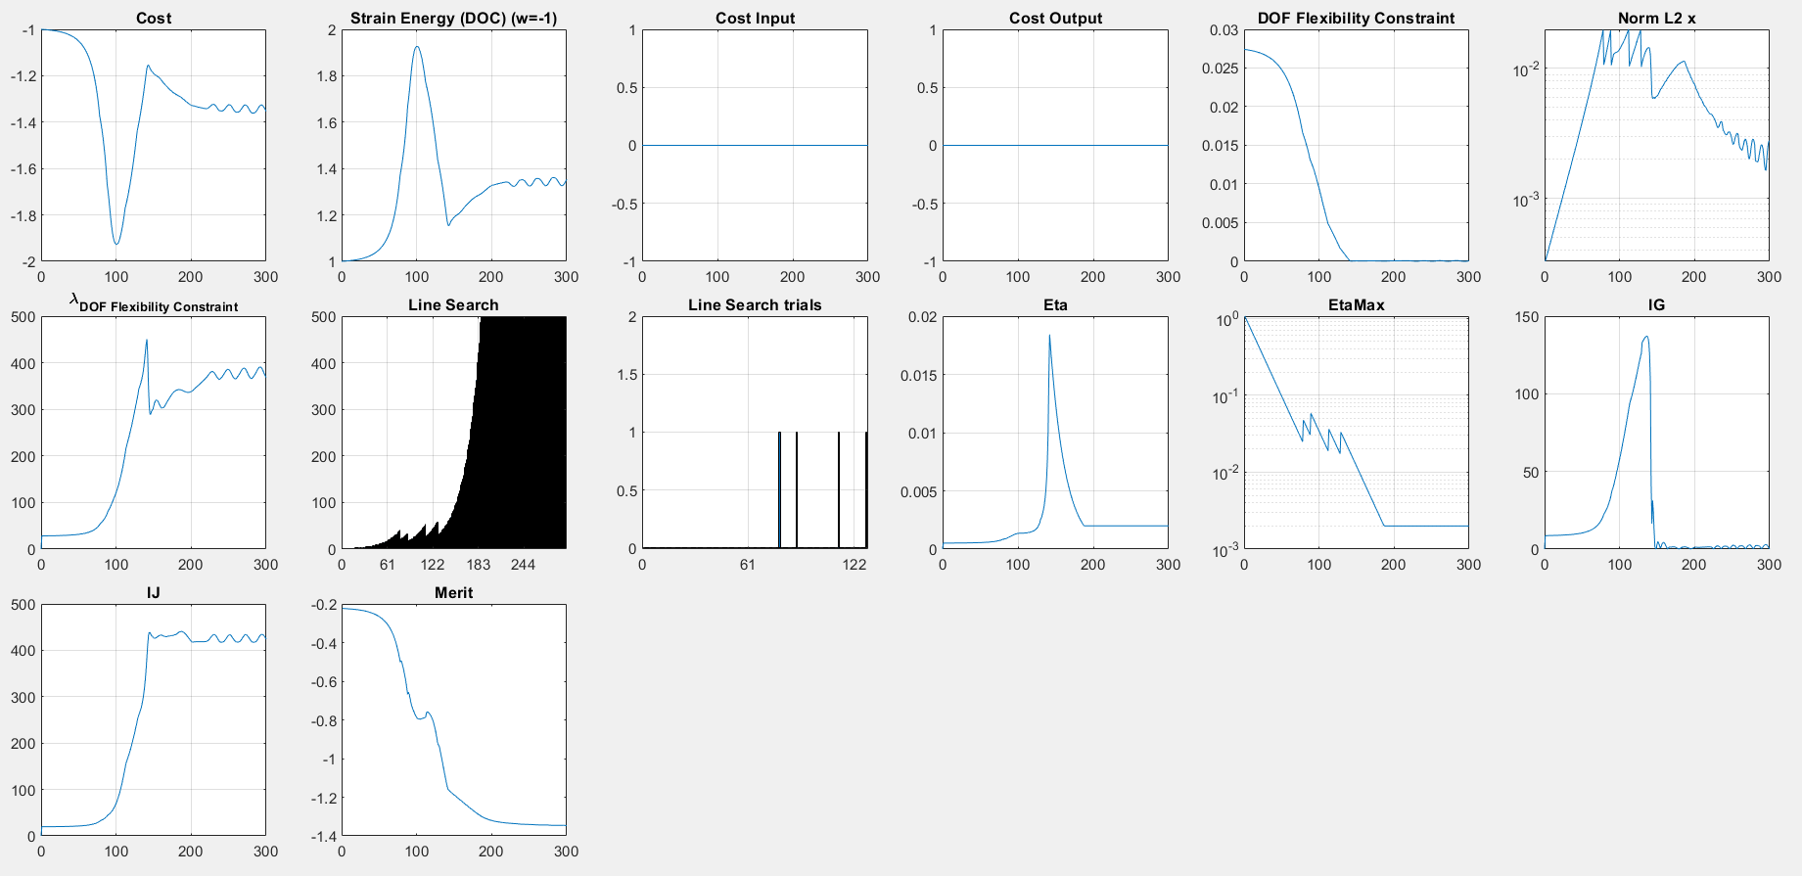
emax | 0.001
tauMax | 500
etaNorm | 0.02
gJFlowRatio | 0.5

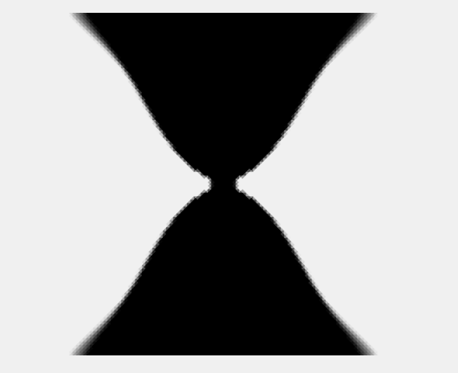

 | emax | 0.001 |  | fatal, roto
 | tauMax | 500
 | etaNorm | 0.02
 | gJFlowRatio | 0.5

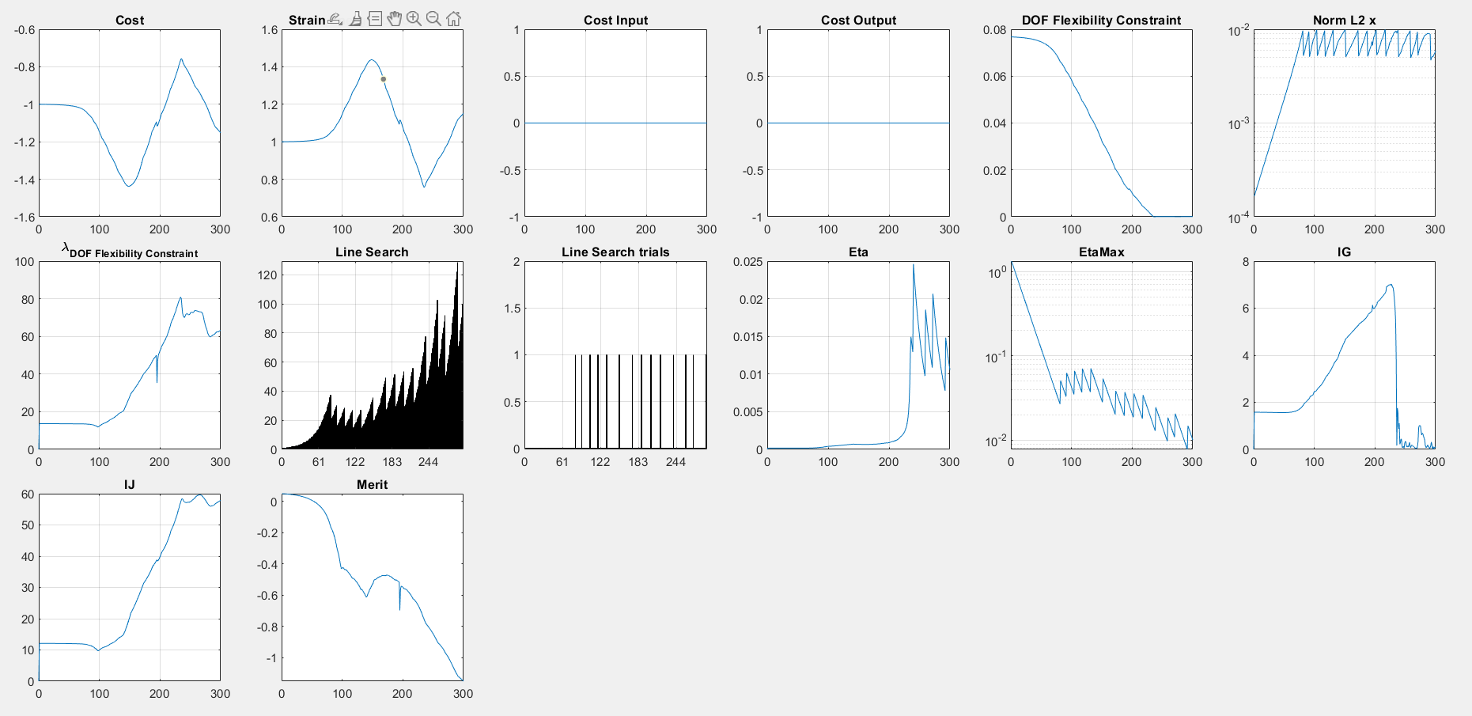

 | emax | 0.01
 | tauMax | 500
 | etaNorm | 0.01
 | gJFlowRatio | 0.3
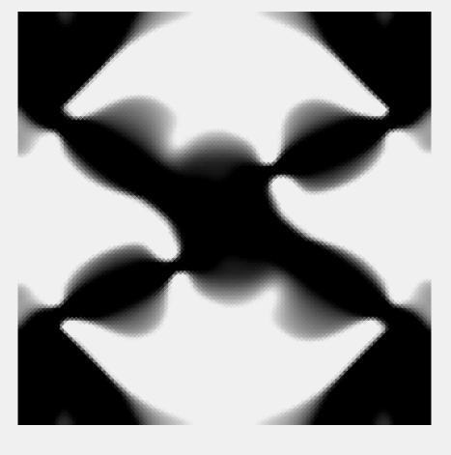

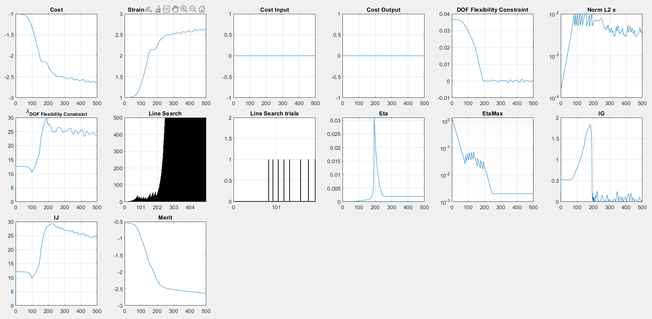

 | emax | 0.05
 | tauMax | 500
 | etaNorm | 0.01
 | gJFlowRatio | 0.1
 | max iter | 500



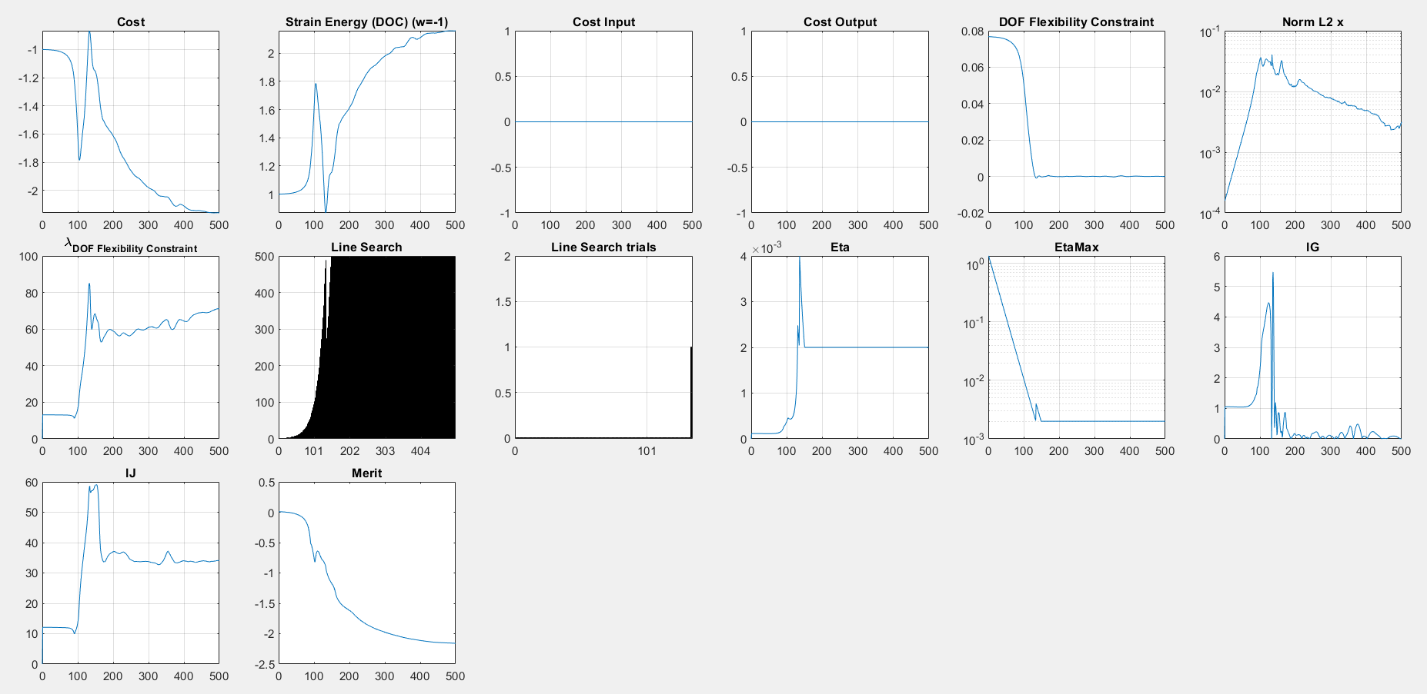
 | emax | 0.01
 | tauMax | 500
 | etaNorm | 0.05
 | gJFlowRatio | 0.2
 | max iter | 500



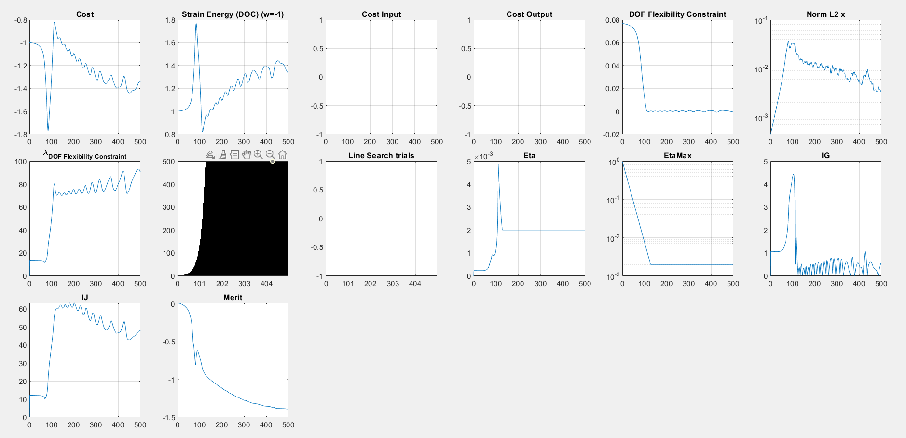

 |  | WITH ENFORCE SYMMETRY

 |  | emax | 0.01
 |  | tauMax | 500
 |  | etaNorm | 0.05
 |  | gJFlowRatio | 0.2
 |  | max iter | 500



 |  | emax | 0.005
 |  | tauMax | 500
 |  | etaNorm | 0.03
 |  | gJFlowRatio | 0.05
 |  | max iter | 500

