BSC_2026
 |  |  | KPIS | WEIGHTAGE |  | THRESHOLD | TARGET | STRETCH
 |  |  |  | MAIN | SUB
FINANCIAL |  |  | Group Revenue | 30% | 12.50% | ≥ $178.0M | ≥ $183.0M | ≥ $188.0M
 |  |  | Group Operating Profit |  | 12.50% | ≥ $9.2M | ≥ $10.5M | ≥ $11.6M
 |  |  | Days of Sales Outstanding (DSO) |  | 5% | ≤ 62 | ≤ 60 | ≤ 58

PORTFOLIO |  |  | Increase in PSA Full Time Equivalent (FTE) Resource Consumption for Domain 1 | 25% | 10% | ≥ 110% of | ≥ 120% of | ≥ 130% of
 |  |  |  |  |  | 57,984 Man Days | 57,984 Man Days | 57,984 Man Days
 |  |  |  |  |  | (63,782 MD) | (69,581 MD) | (75,379 MD)
 |  |  | Achieve Products & Capabilities Roadmap* |  | 10% | Complete 10 | Complete 12 | Complete 14
 |  |  | Total Trade Operationalization |  | 5% | Roll out TG + TB in 1 market | Roll out TG + TB in 2 markets | Roll out TG + TB in 3 markets

PROCESS |  |  | % of Key Development Projects on Schedule | 25% | 7.50% | ≥ 75% | ≥ 85% | ≥ 95%
 |  |  | SLA Targets for Key Maintenance Projects |  | 5% | ≥ 75% | ≥ 95% | ≥ 99%
 |  |  | Implementation Quality (Defect Removal Efficiency) |  | 5% | ≥ 75% | ≥ 85% | ≥ 90%
 |  |  | Billable Utilization |  | 7.50% | ≥ 76% | ≥ 78% | ≥ 80%

PEOPLE |  |  | Regrettable Attrition | 20% | 5% | ≤ 12.5% | ≤ 10%​ | ≤ 7.5%
 |  |  |  |  |  |  |  | ≥ 90% Talent Retention​
 |  |  | Talent Bench Strength |  | 5% | Talent Bench Strength for Critical Roles ≥ 65% | Talent Bench Strength for Critical Roles ≥ 70% | Talent Bench Strength for Critical Roles ≥ 75%
 |  |  | % of Employees with min 16 Hours of Corporate Training |  | 5% | ≥ 85% | ≥ 90% | ≥ 95%
 |  |  | Digital Port Domain Readiness |  | 5% | ≥ 60% | ≥ 70% | ≥ 80%

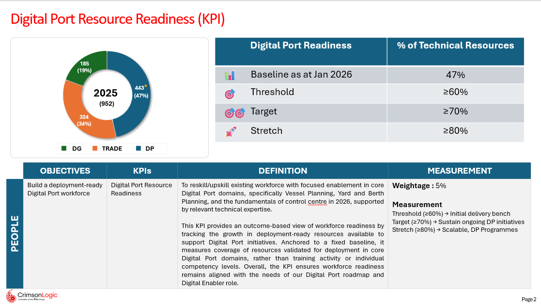
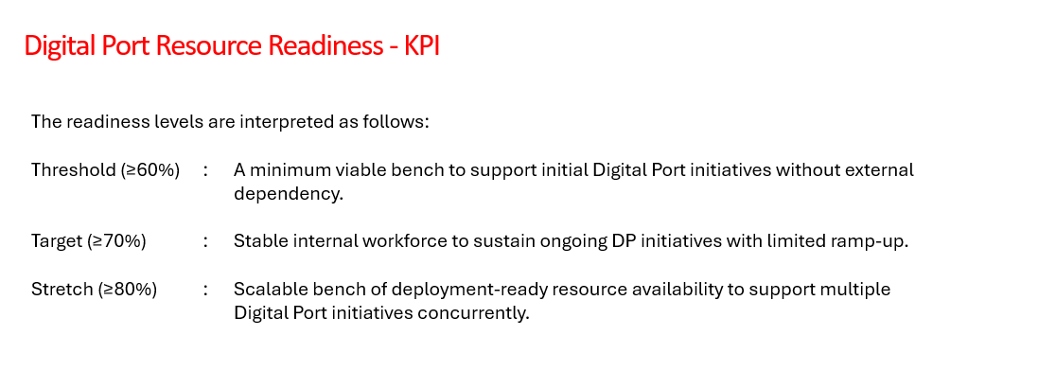
KPI | Threshold | Target | Stretch
Technical Training & Competency Development | Conduct 4 technology training programs and maintain learning content. | Conduct 8 competency-based training programs across strategic technologies and achieve ≥85% learner satisfaction. | Conduct 12+ programs, launch specialized technology tracks, and achieve ≥90% learner satisfaction.
Fresher Development & Project Readiness | Complete onboarding and training for fresher batches with ≥70% assessment pass rate. | Achieve ≥85% project readiness through milestone-based assessments and mentoring. | Achieve ≥95% project readiness and reduce deployment ramp-up time.
Learning Content & Assessment Framework | Develop and maintain training materials and 10 assessments/case studies. | Develop 20+ case studies, labs, and competency assessments. | Develop 30+ reusable learning assets and establish a competency framework.
Business & Project Alignment | Align training content with current project requirements. | Collaborate with project teams to address skill gaps and future requirements. | Proactively design training programs for upcoming technologies and PSA opportunities.
Knowledge Sharing & Employee Engagement | Conduct 4 knowledge-sharing sessions and participate in engagement activities. | Conduct 8 sessions and mentor freshers/junior employees. | Conduct 12+ sessions and establish structured mentoring and knowledge-sharing practices.

