AutomationCode
Task:03 = Testeed SwagLabs Website using TEstNG FRamework and Had used Valid and Invalid data as mentioned in screebshots attached below.

Before Test | 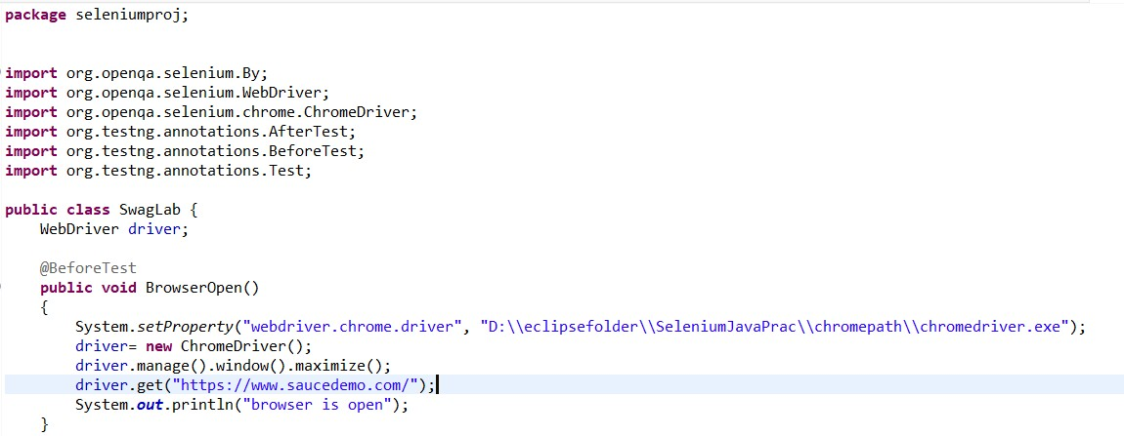

 | 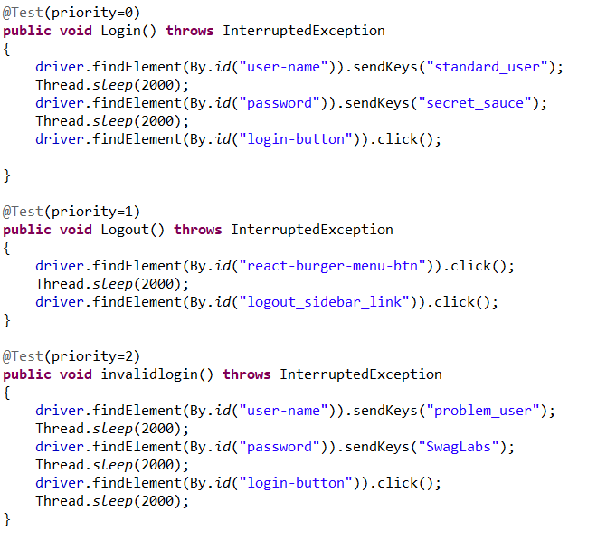

Test

After Test

