Project

Restaurant Menu Optimization Opportunities

Resturant Data Analysis
What and where to eat in New-York…

New York City (NYC), often simply called New York, is the most populous city in the United States.
With an estimated 2019 population of 8,336,817 distributed over about 302.6 square miles (784 km2), New York City is also the most densely populated major city in the United States.
Located at the southern tip of the State of New York, the city is the center of the New York metropolitan area, the largest metropolitan area in the world by urban area.
With almost 20 million people in its metropolitan statistical area and approximately 23 million in its combined statistical area, it is one of the world's most populous megacities.
New York City has been described as the cultural, financial, and media capital of the world, significantly influencing commerce, entertainment, research, technology, education, politics, tourism, art, fashion, and sports, and is the most photographed city in the world.
New York City's food culture includes an array of international cuisines influenced by the city's immigrant history.
Central and Eastern European immigrants, especially Jewish immigrants from those regions, brought bagels, cheesecake, hot dogs, knishes, and delicatessens (or delis) to the city.
Italian immigrants brought New York-style pizza and Italian cuisine into the city, while Jewish immigrants and Irish immigrants brought pastrami and corned beef,respectively.
Chinese and other Asian restaurants, sandwich joints, trattorias, diners, and coffeehouses are ubiquitous throughout the city.

Data
The dataset contains following features:
1. Restaurant_Name - This feature contains the name of the resturant.
2. Resturant_Type - Types of resturant.
3. Resturant_Link - This feature contains the url of the resturant.
4. Dish_name - Contains the list of dishes available in the resturant.
5. Dish_price - Contains approximate cost of meal.
6. Dish_Type - Contains type of meal.
7. Cuisine - Contains food style.
8. Dish_course - It categorizes the menu items.
9. Dish_description - It gives details information about the disk.
10. Advertised_Ingredients - It shows specific ingredients used to prepare the dish.

 |  | Approach

 |  | Let's look at the data set:

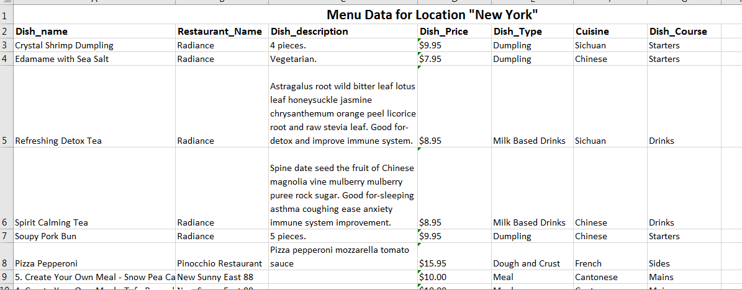

Well, we can see that the dataset is not clean and contains redundant as well as unnecessary data. So, lets start the cleaning process.
Data Pre-Processing
Lets start by deleting the unnecessary or redundant features.
For data analysis, we do not need the url details of the restaurant so, deleting the following features :
Restaurant_Link and Dish_description .
We have to sort the records , grouping by resturant name so it will be easy to analyse our data.
The feature "Dish_Price" does not give actual sense to analyse the data as it shows price of individual dishes.Let's find out the average cost of all dishes in a particular resturant and rename the column as " Avg_Cost " .
Now we have cleaned the data , Let's have a look at it.

 | Now, let us check the null values in the data.
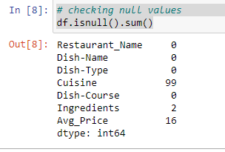

 | There are only 3 features with null values and only Cuisine feature with high number of null values.

 | Visualizing the data

 |  | Now let us plot and visualize the features.
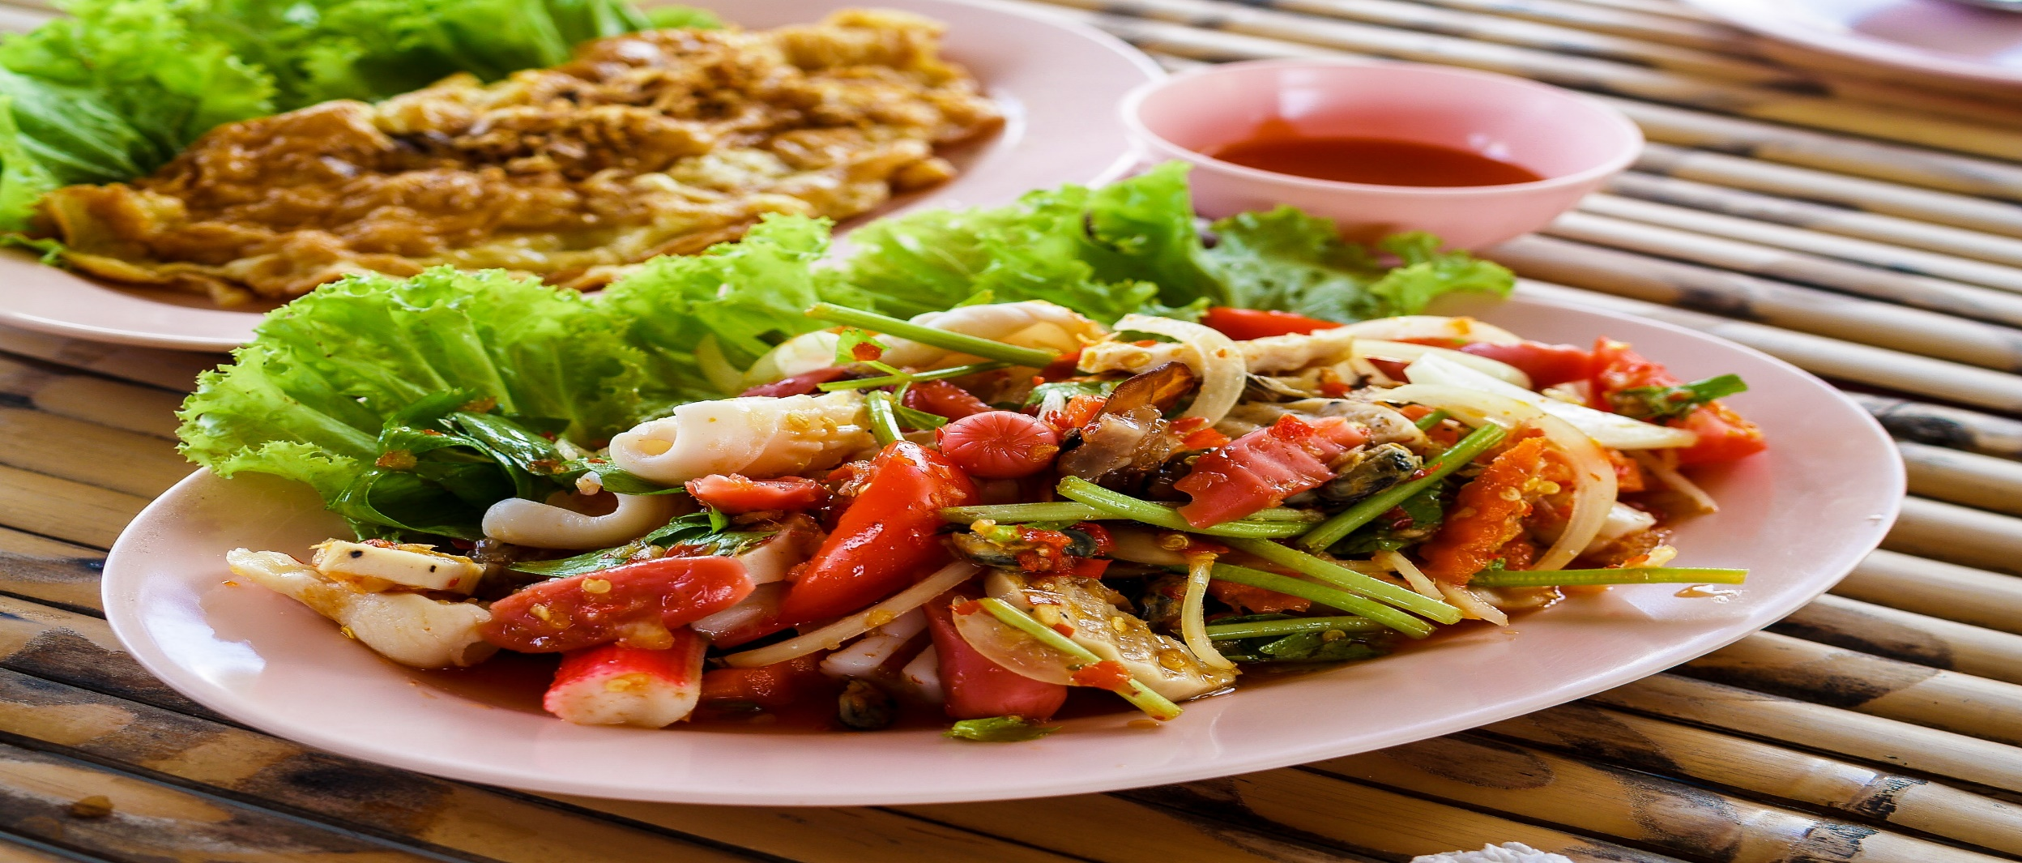
Types of Resturants
 | Total
Barbecue restaurant | 4
Brasserie and bistro | 4
CafÃ© | 27
Pizzeria | 36
Pub | 61
Steakhouse Restaurants | 1

It shows that highest numbers of resturant are of "Pub" type.It seems majority of people love to spend time in pub.So we need to include items accordingly.

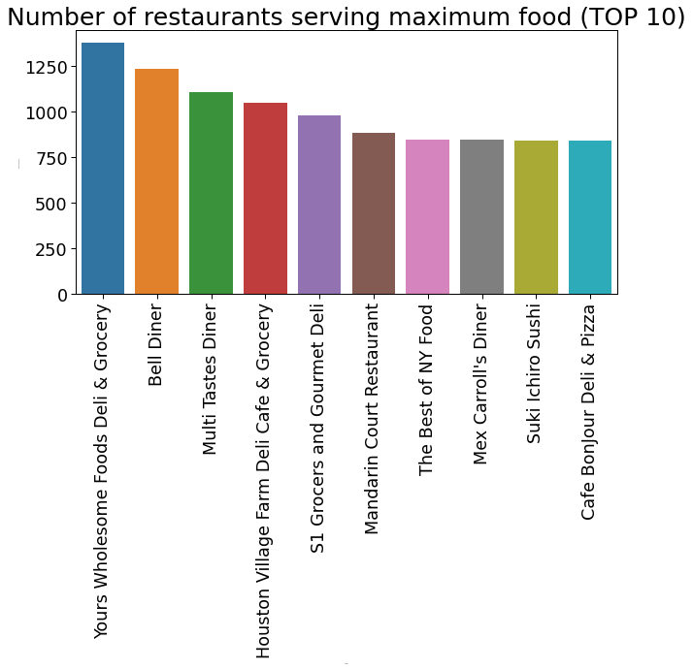

It shows that "Yours Wholesome Foods Deli & Grocery" resturant in New-York has maximum variety of food.We have to keep close attention to its menu items during preparation of our own.

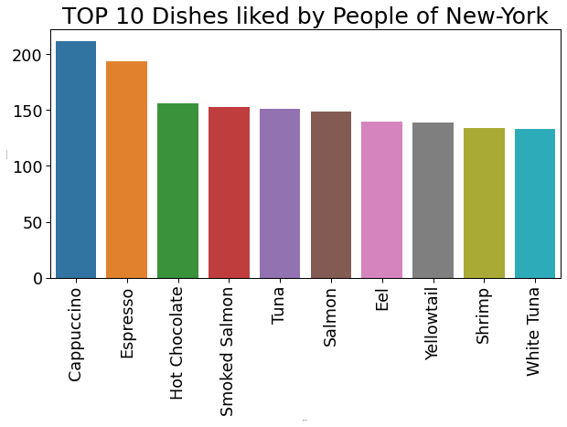

We see that people at New-York like Cappuccino the most followed by Espresso and Hot Chocolate.Before we see that there are large numbers of pub also here and cafe at 3rd place.But most people like cafe type environment and dishes also.While making menuone should take care of thesethings.

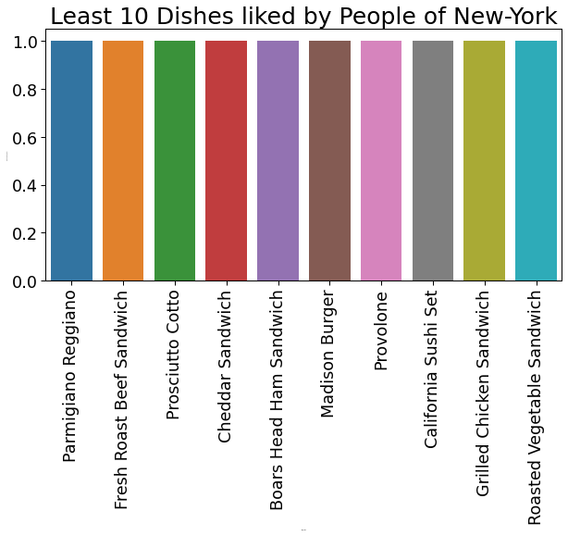

People of New-York don't like sandwich and burger type of foods. So it can be taken into consideration while making new business.

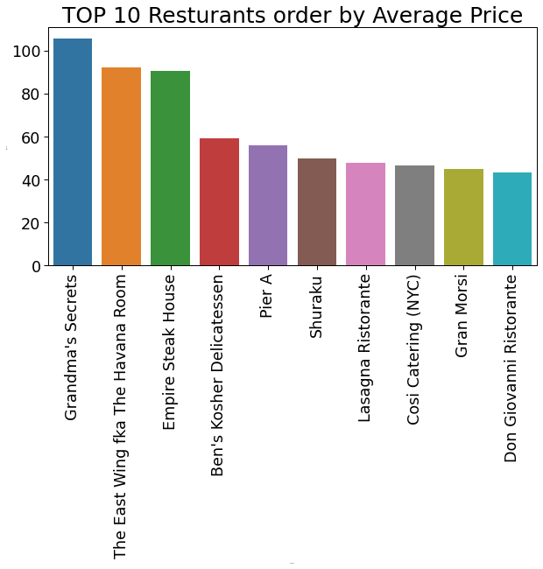

In New-York " Grandma's Secrets " is the most costliest resturant.This is very important parameter for starting new resturant business in any place.Our price option should be lied in the above price range.

Now let's have a look at the top 10 cuisines that are offered by the maximum number of resturant.

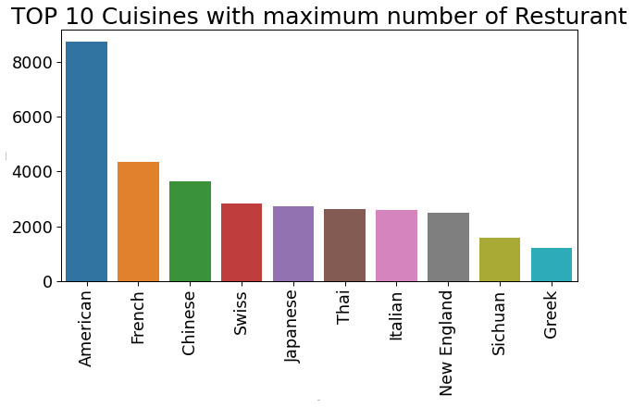

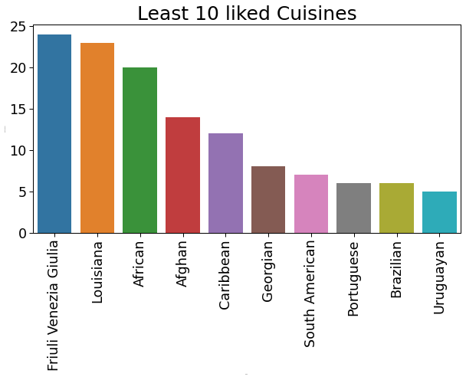

We see that American cuisine is offered by most of the resturant.It is obvious that in New-York ,so many local people reside rather than outsiders so demand of local cuisine is higher.Again French and Chinese cuisine also served by many resturant.There are many indian people also living. Also, if you are an Indian than you might be knowing the fact that many Indians prefer to eat Chinese.
Brazilian and Uruguayan cuisines are the least offered cuisine by the resturants in New-York.

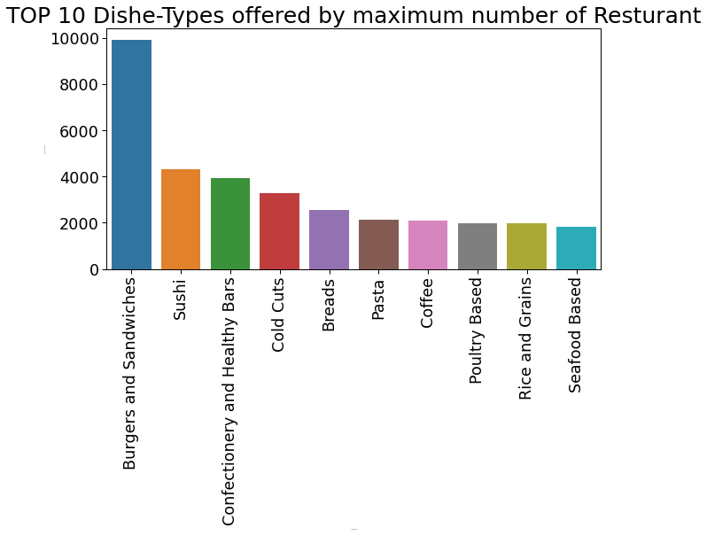

We can clearly see that most resturant offer Burger and Sanwiches type items but from our previous study, we have concluded that people of New-York don't like these items.

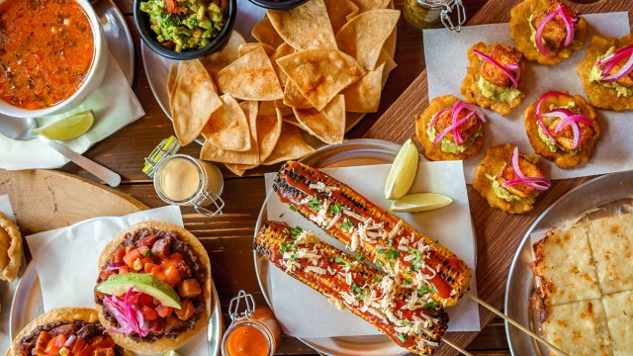
Total Dish Course served in all resturants
 | Total
Desserts | 8224
Drinks | 7012
Mains | 33324
Sides | 2165
Starters | 13414

People in New-York prefer to eat main-course & Starter items most rather than other courses. So to start-up a new resturant business one should carefully consider these above parameter.

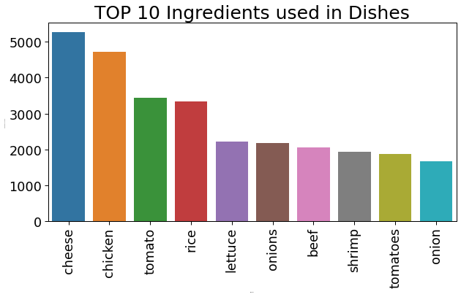

The main parameter of any business is raw material.Here from our study we know that cheese and chicken are the most used ingredients for preparation of foods.

CONCLUSION
The complete dataset was analyzed to gain some insights of the food industry in New-York.
We deduce some great results like which cuisine is mostly preferred by the people, which dishes offered by most of the resturants and which type of dishes most liked by people of New-York etc.
We even found ourselves some great and popular resturants.
The magic of Data Analysis is that it gives a new perspective towards a problem and can even help in discovering some amazing facts and figures just by looking at the data.

