Modelling
Algo | Model | Accuracy | AUC | Recall | Prec. | F1 | For comparative analysis of all algorithms
lightgbm | Light Gradient Boosting Machine | 0.9195 | 0.8344 | 0.0395 | 0.5285 | 0.0735
gbc | Gradient Boosting Classifier | 0.917 | 0.8176 | 0.0875 | 0.4348 | 0.1457
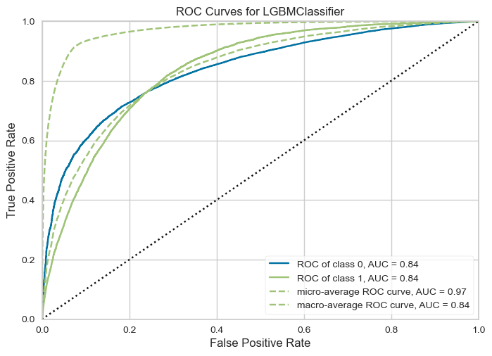
rf | Random Forest Classifier | 0.9163 | 0.7939 | 0.0511 | 0.371 | 0.0899
et | Extra Trees Classifier | 0.9121 | 0.7749 | 0.074 | 0.3151 | 0.1198
ada | Ada Boost Classifier | 0.9066 | 0.8034 | 0.1903 | 0.3549 | 0.2476
dt | Decision Tree Classifier | 0.8608 | 0.5738 | 0.2314 | 0.1953 | 0.2118
knn | K Neighbors Classifier | 0.7254 | 0.5712 | 0.3472 | 0.1123 | 0.1697
lda | Linear Discriminant Analysis | 0.7147 | 0.7782 | 0.6988 | 0.178 | 0.2837
lr | Logistic Regression | 0.713 | 0.7778 | 0.6981 | 0.1769 | 0.2823
nb | Naive Bayes | 0.6906 | 0.7558 | 0.6986 | 0.1654 | 0.2675
qda | Quadratic Discriminant Analysis | 0.681 | 0.7614 | 0.7232 | 0.1647 | 0.2683
svm | SVM - Linear Kernel | 0.6628 | 0 | 0.7141 | 0.163 | 0.261

