Global Characteristics
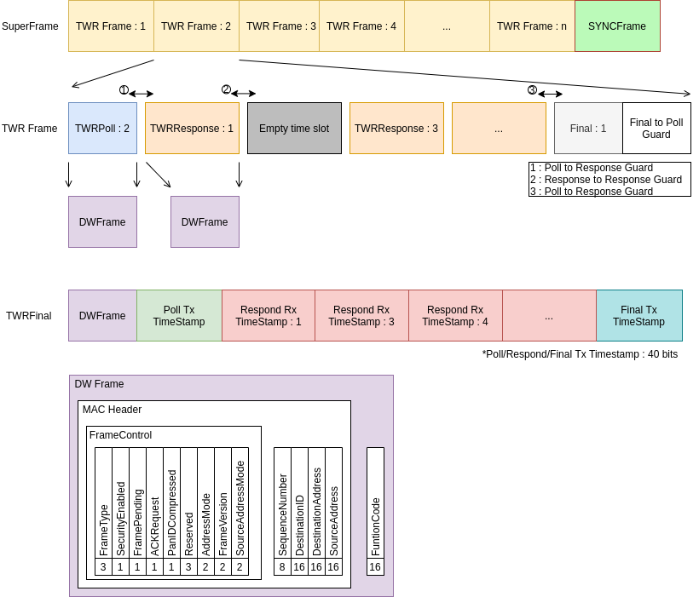
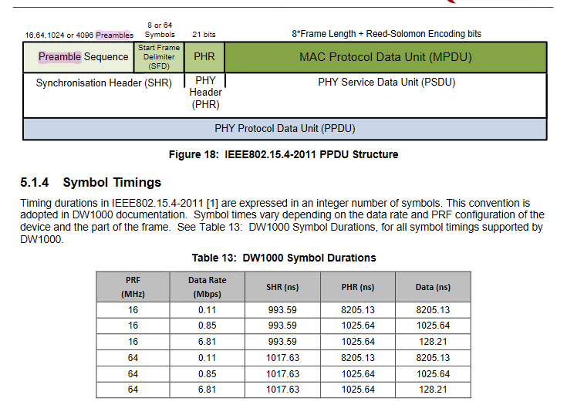
 |  |  | Refer to datasheet table 13 and 25
Option | Value |  | Preamble Definition
Number of antennas for angle | 3 | decawaves |  | PRF | 1.60E+07
Number of robot in swarm | 6 | devices |  | DataRate | 6,810,000.00
Transmission speed | 6,810,000.00 | options are ; 110 000l,850 000, 6 800 000 | SHR | SHR bit time (us) | 0.99359
sec per bit | 0.146843 | usec |  | Preamble sequence length (bits) | 256
 |  |  |  | Start Frame Delimiter length (bits) | 8
SPI speed | 4,000,000.00 | in bits/sec | PHR | PHR bit time (us) | 1.02564
sec per bit | 0.25 | usec |  | PHY Header length (bits) | 21
 |  |  |  | Total Preambule length (us) | 283.8462
TxTimestamp Size | 64 | bits
RxTimestamp Size | 64 | bits

Preamble | 283.8462 | us

