Intuition
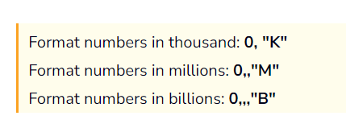
EXCEL ADVANCED
SALES ANALYTICS
Customer Performance |  | #427D9D | BG | Market performance report vs Target
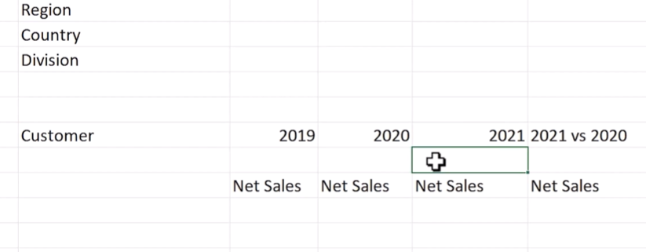
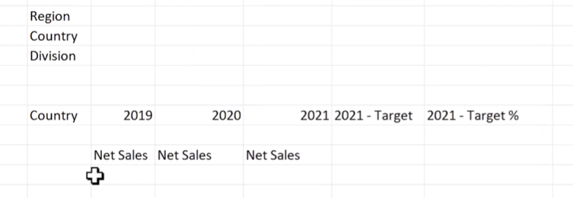
 |  | #E2F7FE | IN

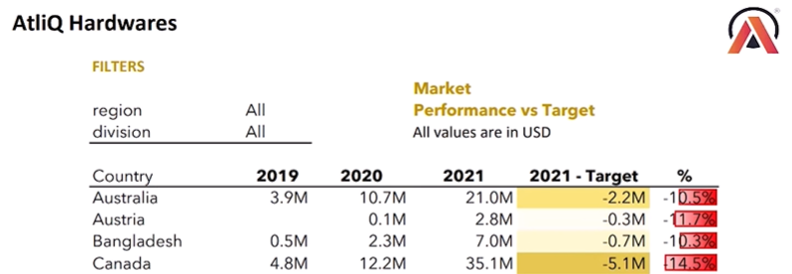

for this we need
 | IMP FORMULA FOR DAX
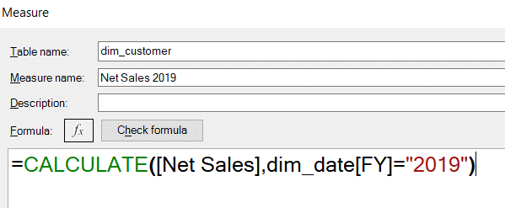

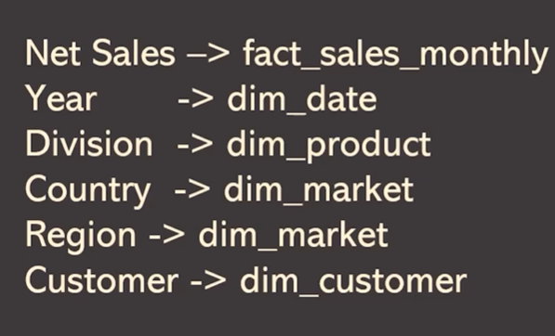

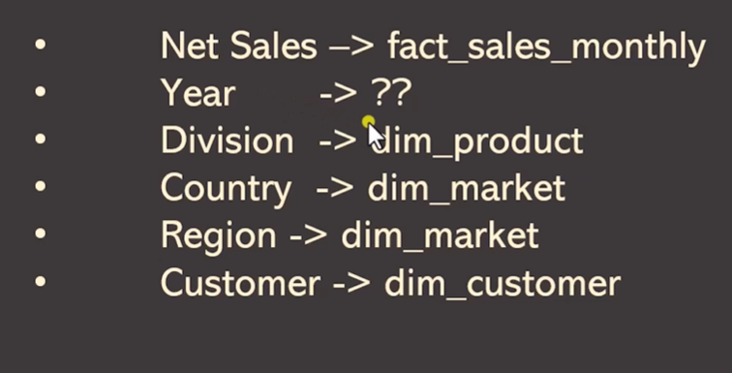



To create dim_date
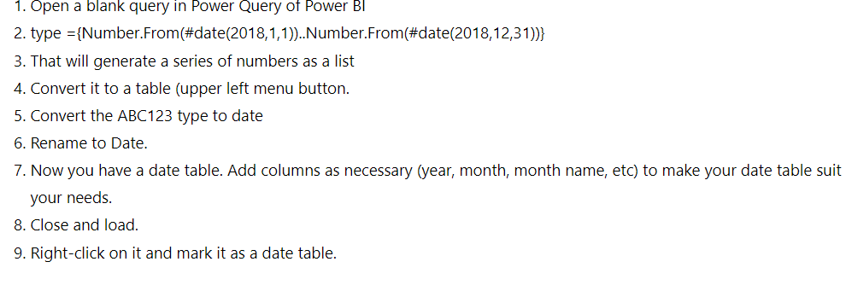

First add date using formula
add column of start of month
add year

For AtliQ fiscal year is sep 1 to aug
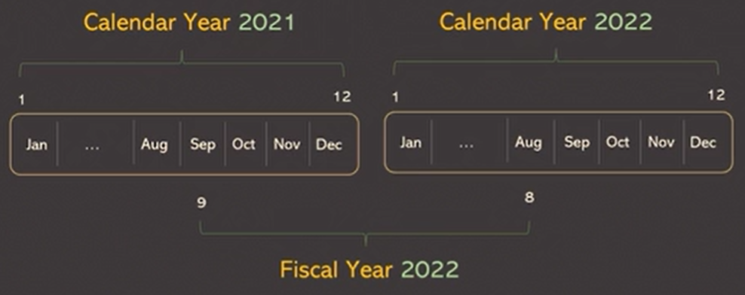

To get fiscal year add 4 months to year to get fiscal year

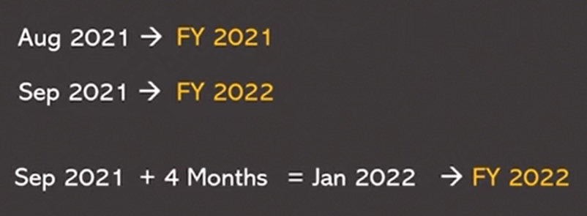

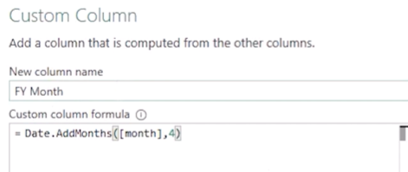

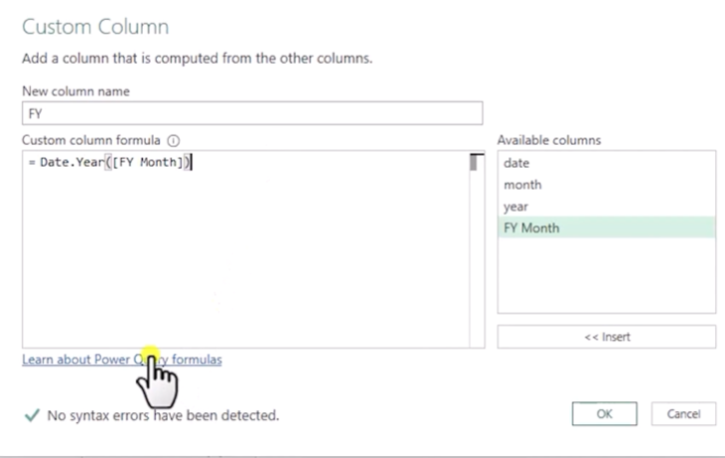

Now delete YEAR and FY month

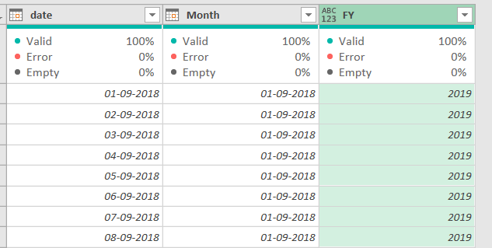

Now create report

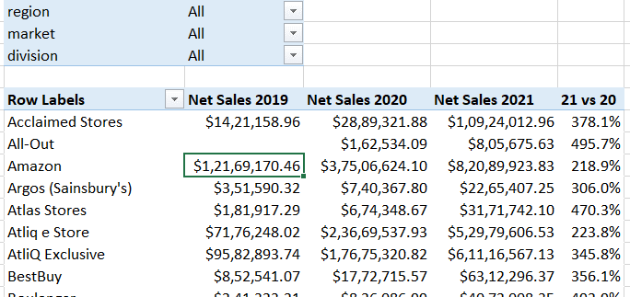

these number are not able to read so ake it intlo Millions or Billions

sales over time
FY | 2019 |  |  |  |  | FY | 2020 |  |  | FY | 2021

Row Labels | Net Sales | MONTH | Net Sales |  |  | Row Labels | Net Sales | MONTH | Net Sales | Row Labels | Net Sales | MONTH | Net Sales
2018-09-01 | 6.5M | Sep | 6.5M |  |  | 2019-09-01 | 17.1M | Sep | 17.1M | 2020-09-01 | 44.8M | Sep | 44.8M
2018-10-01 | 8.0M | Oct | 8.0M |  |  | 2019-10-01 | 20.6M | Oct | 20.6M | 2020-10-01 | 54.6M | Oct | 54.6M
2018-11-01 | 10.7M | Nov | 10.7M |  |  | 2019-11-01 | 28.7M | Nov | 28.7M | 2020-11-01 | 74.3M | Nov | 74.3M
2018-12-01 | 11.4M | Dec | 11.4M |  |  | 2019-12-01 | 29.9M | Dec | 29.9M | 2020-12-01 | 78.1M | Dec | 78.1M
2019-01-01 | 6.5M | Jan | 6.5M |  |  | 2020-01-01 | 17.1M | Jan | 17.1M | 2021-01-01 | 44.8M | Jan | 44.8M
2019-02-01 | 6.1M | Feb | 6.1M |  |  | 2020-02-01 | 15.9M | Feb | 15.9M | 2021-02-01 | 41.8M | Feb | 41.8M
2019-03-01 | 6.4M | Mar | 6.4M |  |  | 2020-03-01 | 2.1M | Mar | 2.1M | 2021-03-01 | 44.0M | Mar | 44.0M
2019-04-01 | 6.3M | Apr | 6.3M |  |  | 2020-04-01 | 7.8M | Apr | 7.8M | 2021-04-01 | 43.5M | Apr | 43.5M
2019-05-01 | 6.5M | May | 6.5M |  |  | 2020-05-01 | 9.9M | May | 9.9M | 2021-05-01 | 44.4M | May | 44.4M
2019-06-01 | 6.2M | Jun | 6.2M |  |  | 2020-06-01 | 14.9M | Jun | 14.9M | 2021-06-01 | 41.5M | Jun | 41.5M
2019-07-01 | 6.5M | Jul | 6.5M |  |  | 2020-07-01 | 16.1M | Jul | 16.1M | 2021-07-01 | 44.0M | Jul | 44.0M
2019-08-01 | 6.3M | Aug | 6.3M |  |  | 2020-08-01 | 16.5M | Aug | 16.5M | 2021-08-01 | 43.0M | Aug | 43.0M
Grand Total | 87.5M |  |  |  |  | Grand Total | 196.7M |  |  | Grand Total | 598.9M

 |  | MONTH | NET SALES 19 | NET SALES 2020 | NET SALES 2021
 |  | Sep | 6.5M | 17.1M | 44.8M
 |  | Oct | 8.0M | 20.6M | 54.6M
 |  | Nov | 10.7M | 28.7M | 74.3M
 |  | Dec | 11.4M | 29.9M | 78.1M
 |  | Jan | 6.5M | 17.1M | 44.8M
 |  | Feb | 6.1M | 15.9M | 41.8M
 |  | Mar | 6.4M | 2.1M | 44.0M
 |  | Apr | 6.3M | 7.8M | 43.5M
 |  | May | 6.5M | 9.9M | 44.4M
 |  | Jun | 6.2M | 14.9M | 41.5M
 |  | Jul | 6.5M | 16.1M | 44.0M
 |  | Aug | 6.3M | 16.5M | 43.0M

DASHBOARD
SALES ANALYTICS

