Data_Hints and Tips
Data_Hints and Tips
If this template is completed, always upload it in eFile under same submission.
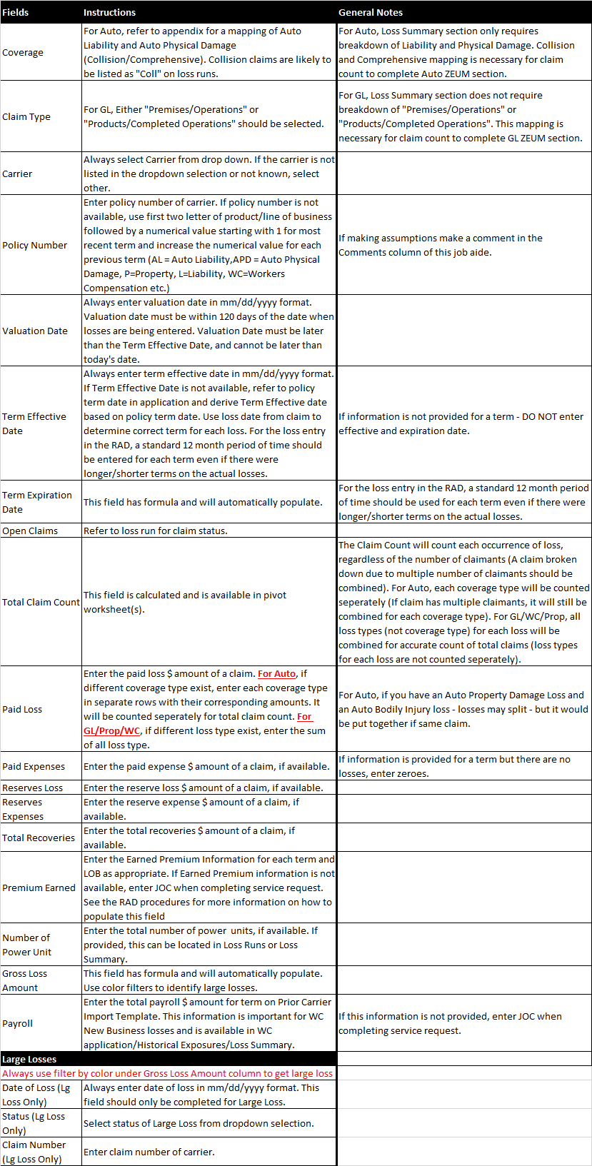

Assignment
Underwriting Desktop Assignment Screen Capture

Experience Mod Worksheet Calculator
Location |  | Term 1 |  | Term 2 |  | Term 3 |  | Term 4 |  | Term 5
 |  | Payroll | Premium | Payroll | Premium | Payroll | Premium | Payroll | Premium | Payroll | Premium
AL | Alabama
AK | Alaska
AZ | Arizona
AR | Arkansas
CA | California
CO | Colorado
CT | Connecticut
DE | Delaware
FL | Florida
GA | Georgia
HI | Hawaii
ID | Idaho
IL | Illinois
IN | Indiana
IA | Iowa
KS | Kansas
KY | Kentucky
LA | Louisiana
ME | Maine
MD | Maryland
MA | Massachusetts
MI | Michigan
MN | Minnesota
MS | Mississippi
MO | Missouri
MT | Montana
NE | Nebraska
NV | Nevada
NH | New Hampshire
NJ | New Jersey
NM | New Mexico
NY | New York
NC | North Carolina
ND | North Dakota
OH | Ohio
OK | Oklahoma
OR | Oregon
PA | Pennsylvania
RI | Rhode Island
SC | South Carolina
SD | South Dakota
TN | Tennessee
TX | Texas
UT | Utah
VT | Vermont
VA | Virginia
WA | Washington
WV | West Virginia
WI | Wisconsin
WY | Wyoming
Total |  | $0.00 | $0.00 | $0.00 | $0.00 | $0.00 | $0.00 | $0.00 | $0.00 | $0.00 | $0.00

Appendix
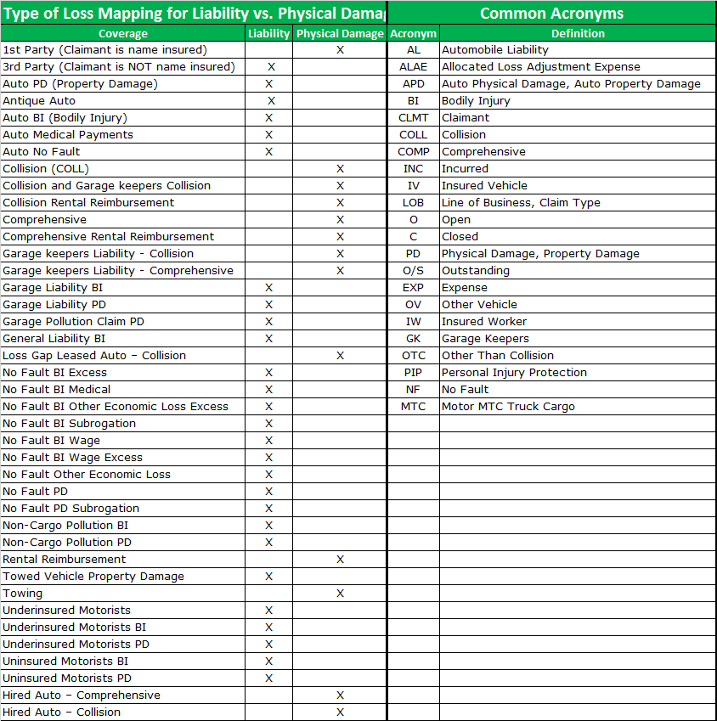

Versioning

WHO | WHEN | DESCRIPTION OF CHANGES
A. Ali | 2014-06-25 | Original publication
L. Binder | 2015-01-15 | Corrected calculations for Gross Incurred & Net Incurred; added new Net Incurred field
L. Binder | 2015-01-22 | Removed incorrect instruction on Earned Premium. Moved Net Incurred field to proper location for PACE Auto pivot.
Josh Ptaszek | 2016-07-15 | added 20,000 rows for all LOB tabs and update the Pivots to account for the increase of rows.
 |  | updated all Pivot tables to sort by the "Term Effective Date" sorted "Newest to Oldest."
 |  | changed the "Comments" box (R2 on Auto, GL and Other LOB's and field Q2 on Property and WC" to state "Description (Lg Loss Only" and higlight in red to match other fields.
 |  | froze row 3 on the GL, Property and WC tabs.
Josh Ptaszek | 2016-08-05 | updated line of business pivots in the job aid to line up with the Prior Carrirer Import Template
Lynn Seamann | 2016-08-16 | published this document as RAD Loss History Workbook
Lynn Seamann | 2016-12-12 | published new document with changes per Patrick McCloskey request #189
Parick McCloskey | 2017-01-26 | Publish new document with changes per Patrick McCloskey CR194
Oto Psenak | 2018-01-23 | Integration of Workbook with Import Sheet, automatic data transfer from Pivot to Import Sheets/PACE
Oto Psenak | 2018-02-16 | Updated according User Requirements

PACE Instructions
PACE Data Entry - User Instructions
General Instructions
Please note that if the following Security Warning appears, you must click on the 'Enable Content' button in order to modify the Prior Carrier Template
Overview
The "PACE" tab allows for PACE account data to be entered into one sheet. Data entered in the "PACE" tab is pushed directly into the "Auto", "Liability", "Property" and "WC" tabs, and is available for import into the RAD Loss History screens via the "Import Prior Carrier Data" button located on the Loss Summary screen. This version of the template includes macros. When saving the file, be sure to save it with a '.xlsm' extension (Excel Macro Enabled Workbook).
General data entry instructions
1. The "PACE" tab should be completed for PACE accounts and Programs WC accounts only.
2. For PACE accounts, this is all the data that is needed for Auto, Liability, Property and WC. Do not enter data directly into the "Auto," "Liability," "Property" or "WC" tabs for PACE accounts. If loss information for "Other" lines of business exists, enter it directly in the "Other" tab.
3. Use the following color key to complete the data for each field.
 | Field color key and type | Instruction
 | Required field | Always fill in
 | Optional field | Fill in when available
 | Conditional field | Fill under certain conditions (explained in the cell's embedded instructions)
 | Calculated Fields | Do not fill in
 | Blank Fields | Do not fill in
 Please note: when copying and pasting blue cells, use "Paste Special Values" (right click > Paste Options > Value) - see image below
4. When there is a gap in the prior carrier data (e.g., term 1 is prior carrier, term 2 and 3 are Zurich or missing, term 4 and 5 are prior carrier), leave the row blank. Valuation Date may remain.
5. Only data from the past 5 years can be filled in on the "PACE" tab for Auto, Property and WC. Up to 10 years of data can be completed for Liability. Follow the instructions from the UW or UA on how many years of data to enter. If additional years than can be completed on the "PACE" tab are requested by the UW or UA, enter data for those years on the line of business tab(s).
6. The row directly below the column heading indicates the type of data (example, # indicates a numeric field, $ indicates that a dollar amount is expected).
7. Gross Incurred Loss equals: total of paid (including expense) plus reserves (including expense). Total Net Incurred equals: total of paid (including expense) plus reserves (including expense) minus recoveries (subrogation, deductible, salvage)
8. Data entry instructions are embedded in each applicable field (click on a cell to view entry instructions) - see example below
9. If data is not entered in a valid format, or if the entered data is outside the valid range, then an error message will provide information on what must be corrected - see example below
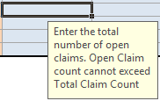
10. If prior carrier policy terms do not align with the upcoming effective date, break-up the prior policy loss data into periods that align
How to complete the "PACE" tab
Effective & Expiration Dates - Row 11; Valuation Date - Row 12
1. Fill in the upcoming effective date for the policy being underwritten (cell C11).
2. The past 5 years of effective dates and expiration dates for each LOB will populate automatically (columns B & C)
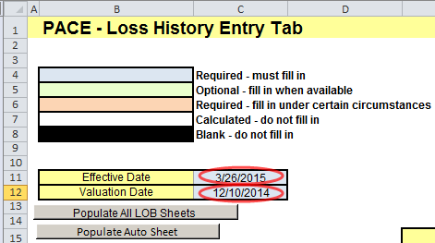 3. Enter the Valuation Date (cell C12). The valuation date will automatically populate for all years for each LOB. The valuation date may be edited in the applicable LOB row.
Auto Section - Rows 15:45
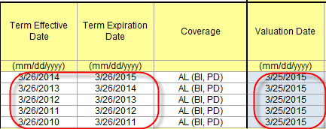 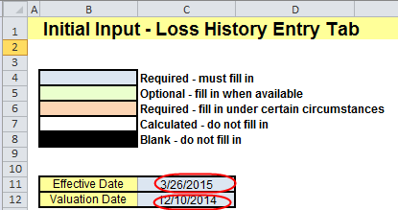 1. If losses are entered on "Data_Auto" tab, click the "Populate PACE Tab" button to automatically send the data from the "Pivots" tab to the PACE tab and skip to step 8. If losses are not entered on the "Data_Auto" tab, follow process below:
2. Fill in the loss information cells highlighted in blue. Data is split between Auto Liability (BI, PD), Auto Liability (Med, UM/UIM, Terr), Auto Liability (PIP). Auto Physical Damage (Coll, Comp)) and Auto Physical Damage (Terrorism).
3. Click on the "+" sign to the left of the row numbers to expand the rows if there are losses for these coverages: AL (Med, UM, UIM, Terr), AL(PIP) and/or APD (Terr). Click on the "-" sign to collapse the rows.
4. Number of power units should be filled in when available and left blank when missing (do not fill in with zeros)
5. Fill in the number of large losses for each year (Column N), split by AL (BI, PD), AL (Med, UM/UIM, Terr), AL (PIP), and APD (Coll, Comp) and APD (Terr) (column L) - Individual losses with gross incurred loss > /= $25,000 for auto liability or >/= $10,000 for auto physical damage. If the state of domicile is Massachusetts, enter individual losses with gross incurred loss >/= $3,000 for auto liability or >/= $1,500 for auto physical damage.
6a. If the account's state of domicile is Massachusetts, click the “Populate Large Losses - Massachusetts” button to create the “large loss dollar amount” table
6b. For all other accounts, click the “Populate Large Losses - All other states” button to create the “large loss dollar amount” table
7. Fill in the loss (paid and reserved) and ALAE dollar amounts (paid and reserved), as well as the claim status, for each large auto liability loss. Note for auto physical damage large losses, ALAE and loss amounts do not need to be split. Fill in the total amount (paid and reserve) into the loss cell and $0 into the ALAE cell). Also note for Massachusetts domiciled accounts, loss type must be filled in for all AL large losses.
8. Click the “Populate Auto Sheet” button to automatically send the data from the “Initial Input” tab to the “Auto” tab.
Liability Section - Rows 48:71
1. If losses are entered on "Data_Auto" tab, click the "Populate PACE Tab" button to automatically send the data from the "Pivots" tab to the PACE tab and skip to step 9. If losses are not entered on the "Data_Liability" tab, follow process below:
2. Fill in the loss information cells highlighted in blue. Data is split between Liability non-Terr) and Liability (Terr).
3. Click on the "+" sign to the left of the row numbers to expand the rows if there are GL Terrorism losses. This is unlikely. Click on the "-" sign to collapse the rows.
4. Include loss amounts within Deductibles or Self-Insured Retentions (SIR's). If an SIR applied to any Zurich GL policies, enter the Zurich losses and expenses (including amounts under the SIR) in this template.
5. Exposure amounts should be filled in when available and left blank when missing (do not fill in with zeros)
6. Fill in the number of large losses for each year (column N) - Individual losses with gross incurred loss > $25,000
7. Click the “Populate Large Losses” button to create the “large loss dollar amount” table
8. Fill in the loss amount (paid and reserved) and ALAE dollar amount (paid and reserved), as well as claim status, for each large loss.
9. Click the “Populate Liability Sheet” button to automatically send the data from the “Initial Input” tab to the “Liability” tab
Property Section - Rows 74:81
1. If losses are entered on "Data_Auto" tab, click the "Populate PACE Tab" button to automatically send the data from the "Pivots" tab to the PACE tab and skip to step 4. If losses are not entered on the "Data_Property" tab, follow process below:
2. Fill in the loss information cells highlighted in blue
3. Fill in the number of large losses for each year (column H) - Individual losses with net incurred losses > $25,000
4. Click the “Populate Property Sheet” button to automatically send the data from the “Initial Input” tab to the “Property” tab
Workers' Compensation Section - Rows 84:91
1. If losses are entered on "Data_Auto" tab, click the "Populate PACE Tab" button to automatically send the data from the "Pivots" tab to the PACE tab and skip to step 4. If losses are not entered on the "Data_WC" tab, follow process below:
2. Fill in the loss information cells highlighted in blue
3. For years 4-5, “Total Claim Count where Gross Incurred Amt equals $0” and “Payroll” are not required.
4. Payroll amounts should be filled in when available and left blank when missing (do not fill in with zeros)
5. Fill in carrier names if there was more than 1 distinct carrier in the past 5 years. Leave this column blank if there was only 1 distinct carrier
6. Fill in the number of large losses for each year (column K) - - Individual losses with gross incurred losses >$25,000
7. Click the “Populate Large Losses” button to create the “large loss dollar amount” table
8. Fill in the gross incurred dollar amounts (paid and reserved) and claim status for each large loss
9. Click the “Populate WC Sheet” button to automatically send the data from the “Initial Input” tab to the “WC” tab
Other LOBs
1, If needed, data for other LOBs can be filled in directly in the "Other" tab

Populate All LOB Sheets button
1. In addition to the individual LOB buttons used to populate the LOB tabs, a 'Populate All LOB Sheets' button is available. Once all applicable LOB sections have been completed, select the 'Populate All LOB Sheets' button to send all data to the various LOB tabs.
Upload a copy of the Template to eFile
Upload a copy of the Template to eFile using document type "Loss Analysis/Loss Summary." The description should follow the naming convention: "Prior Carrier Loss History Import Template"

Pivots
01. Refresh All Pivots
02. Initialisation of Import Tabs
03. Populate Import Tabs
04. Populate PACE Tab

Auto_Losses |  |  |  |  | 1 |  |  |  |  |  |  |  |  |  |  |  |  |  | Auto_ZEUM_Losses |  |  |  |  | 2 |  |  |  |  |  |  |  |  |  |  |  | Liability_Losses |  |  |  |  | 3 |  |  |  |  |  |  |  |  |  |  |  |  |  | GL_ZEUM_Losses |  |  |  |  | 4 |  |  |  |  |  |  | Property_Losses |  |  |  |  | 5 |  |  |  |  |  |  |  |  |  |  |  |  | Workers_Compensation_Losses |  |  |  |  | 6 |  |  |  |  |  |  |  |  |  |  |  | Workers_Compensation_ZEUM_Losses |  |  |  |  | 7 |  |  |  |  | Other_Losses |  |  |  |  | 8 |  |  |  |  |  |  |  |  |  |  |  |  |  | Auto_Losses_PACE |  |  |  |  | 9 |  |  |  |  |  |  |  | Liability_Losses_PACE |  |  |  |  | 10 |  |  |  |  |  |  |  | Property_Losses_PACE |  |  |  |  | 11 |  | Workers_Compensation_Losses_PACE |  |  |  |  | 12

Term | (All) |  |  |  |  |  |  |  |  |  |  |  |  |  |  |  |  |  |  |  |  |  |  |  |  |  |  |  |  |  |  |  |  |  |  | Term | (All) |  |  |  |  |  |  |  |  |  |  |  |  |  |  |  |  |  |  |  |  |  |  |  |  |  |  |  |  |  | Term | (All) |  |  |  |  |  |  |  |  |  |  |  |  |  |  |  |  | Term | (All) |  |  |  |  |  |  |  |  |  |  |  |  |  |  |  |  |  |  |  |  |  |  |  |  |  | Term | (All) |  |  |  |  |  |  |  |  |  |  |  |  |  |  |  |  |  | Term | (All) |  |  |  |  |  |  |  |  |  |  |  | Term | (All) |  |  |  |  |  |  |  |  |  |  |  | Term | (All) |  |  |  |  |  | Term | (All)
 |  |  |  |  |  |  |  |  |  |  |  |  |  |  |  |  |  |  | Term | Valuation Date | Term Effective Date | Term Expiration Date | Blank | Liability Mean Report Lag | Collision Mean Report Lag | Comprehensive Mean Report Lag | Liability Total Claim Count(s) | Liability Total Claim Count where Gross Incurred Amount equals $0 | Liability Claim Count (Losses>$0) | Collision Total Claim Count(s) | Collision Total Claim Count where Gross Incurred Amount equals $0 | Collision Claim Count (Losses>$0) | Comprehensive Total Claim Count (s) | Comprehensive Total Claim Count where Gross Incurred Amount equals $0 | Comprehensive Claim Count (Losses>$0) |  |  |  |  |  |  |  |  |  |  |  |  |  |  |  |  |  |  |  | Term | Valuation Date | Term Effective Date | Term Expiration Date | Premises/Operations Total Claim Count | Premises/Operations Closed Claim Count where Gross Incurred Amount is less than $50 | Adjusted Premises/Operations Claim Count | Premises/Operations Gross Incurred | Products/Completed Total Claim Count | Products/Completed Closed Claim Count where Gross Incurred Amount is less than $50 | Adjusted Products/Completed Claim Count | Products/Completed Gross Incurred |  |  |  |  |  |  |  |  |  |  |  |  |  |  |  |  |  |  |  |  |  |  |  |  |  |  |  |  |  |  |  |  |  |  |  | Term | Valuation Date | Term Effective Date | Term Expiration Date | Total Claim Count | Total Claim Count where Gross Incurred Amount equals $0 | Sum of Claim Count (Losses >$0) | Sum of Gross Incurred | Sum of Sum Loss Time Claim Count | Sum of Loss Time Claim Count - If Unknown
RAD Coverage | Term Effective Date | Term Expiration Date | Carrier | Policy Number | Valuation Date | Total Claim Count | Open Claim Count | Paid Losses | Paid Expenses | Sum of Total Paid | Loss Reserves | Expense Reserves | Sum of Total Reserves | Sum of Gross Loss Amount | Sum of Net Incurred Amt | 3rd Party Deductibles | Premium (Does Not Pivot) | Number of Large Losses included in Loss Summary | 2023-11-11 | 2023-11-11 | 2023-11-11 | 2024-11-11 | (blank) | 88 | N/A | N/A | 1 | 0 | 1 | 0 | 0 | 0 | 0 | 0 | 0 | RAD Coverage | Term Effective Date | Term Expiration Date | Carrier | Policy Number | Valuation Date | Total Claim Count | Open Claim Count | Paid Losses | Paid Expenses | Sum of Total Paid | Loss Reserves | Expense Reserves | Sum of Total Reserves | Sum of Gross Loss Amount | Sum of Net Incurred Amt | 3rd Party Deductibles | Premium (Does Not Pivot) | Number of Large Losses included in Loss Summary | (blank) | (blank) | (blank) | (blank) |  |  |  |  |  |  |  |  | Term Effective Date | Term Expiration Date | Carrier | Policy Number | Valuation Date | Total Claim Count | Open Claim Count | Paid Losses | Paid Expenses | Sum of Total Paid | Loss Reserves | Expense Reserves | Sum of Total Reserves | Sum of Gross Loss Amount | Sum of Net Incurred Amt | 3rd Party Deductibles | Premium (Does Not Pivot) | Number of Large Losses included in Loss Summary | Term Effective Date | Term Expiration Date | Carrier | Policy Number | Valuation Date | Total Claim Count | Open Claim Count | Paid Losses | Paid Expenses | Sum of Total Paid | Loss Reserves | Expense Reserves | Sum of Total Reserves | Sum of Net Incurred Amt | 3rd Party Deductibles | Premium (Does Not Pivot) | Number of Large Losses included in Loss Summary | (blank) | (blank) | (blank) | (blank) |  |  |  |  | 0 | 0 | Coverage | Carrier | Policy Number | Valuation Date | Term Effective Date | Term Expiration Date | Total Claim Count | Open Claim Count | Paid Losses | Paid Expenses | Sum of Total Paid | Loss Reserves | Expense Reserves | Sum of Total Reserves | Sum of Gross Loss Amount | Sum of Net Incurred Amt | 3rd Party Deductibles | Count of Blank | Number of Large Losses included in Loss Summary | Term Effective Date | Term Expiration Date | RAD Coverage | Valuation Date | Total Liability Claim Count | Liability Total Claim Count where Gross Incurred Amt. equals $0 | Total Collision Claim Count | Collision Total Claim Count where Gross Incurred Amt. equals $0 | Total Comprehensive Claim Count | Comprehensive Total Claim Count where Gross Incurred Amt. equals $0 | Open Claim Count | Total Gross Incurred | Number of Large Losses | Term Effective Date | Term Expiration Date | RAD Coverage | Valuation Date | Premises/Operations Total Claim Count | Premises/ Operations Closed Claim Count where Gross Incurred Amount is less than $50 | Premises/Operations Gross Incurred | Products/ Completed Operations Total Claim Count | Products/ Completed Ops Closed Claim Count where Gross Incurred Amount is less than $50 | Products/Completed Operations Gross Incurred | Premises/Ops & Products/Completed Ops Recoveries | Open Claim Count | Number of Large Losses | Term Effective Date | Term Expiration Date | Valuation Date | Total Claim Count | Open Claim Count | Total Net Incurred Amt | Number of Large Losses | Term Effective Date | Term Expiration Date | Valuation Date | Total Claim Count | Total Claim Count where Gross Incurred Amt. equals $0 | Open Claim Count | Number of Large Losses | Sum of Total Gross Incurred | Sum of Sum of Loss Claim count | Sum of Loss time - Unknown2
0 | (blank) |  | (blank) | (blank) | (blank) | 0 | 0 |  |  | 0 |  |  | 0 | 0 | 0 |  |  | 0 | 2022-11-11 | 2023-11-11 | 2022-11-11 | 2023-11-11 | (blank) | 88 | N/A | N/A | 1 | 0 | 1 | 0 | 0 | 0 | 0 | 0 | 0 | 0 | (blank) |  | (blank) | (blank) | (blank) | 0 | 0 |  |  | 0 |  |  | 0 | 0 | 0 |  |  | 0 | 2023-11-11 | 2023-11-11 | 2023-11-11 | 2024-11-11 | 1 | 0 | 1 | $325,000 | 0 | 0 | 0 | $0 | (blank) | (blank) | (blank) | (blank) | (blank) |  |  |  |  |  |  |  |  |  |  |  |  |  | (blank) | (blank) | (blank) | (blank) | (blank) |  |  |  |  |  |  |  |  |  |  |  |  | 2023-11-08 | 2023-11-11 | 2023-11-08 | 2024-11-08 | 1 | 0 | 1 | 325000 | 1 | 0 | (blank) | (blank) | (blank) | (blank) | (blank) | (blank) |  |  |  |  |  |  |  |  |  |  |  |  |  | (blank) | (blank) | (blank) | (blank) |  |  |  |  |  |  |  |  |  | (blank) | (blank) | (blank) | (blank) |  |  |  |  |  |  |  |  |  | (blank) | (blank) | (blank) |  |  |  |  | (blank) | (blank) | (blank) |  |  |  |  |  | 0 | 0
AL (BI, PD) | 2023-11-11 | 2024-11-11 | Zurich | AL1 | 2023-11-11 | 1 | 1 | $12,000 | $13,000 | 25000 | $140,000 | $160,000 | 300000 | 325000 | 323800 | 1200 |  | 1 | 2021-11-11 | 2023-11-11 | 2021-11-11 | 2022-11-11 | (blank) | N/A | N/A | N/A | 1 | 0 | 1 | 0 | 0 | 0 | 0 | 0 | 0 | GL (non-Terr) | 2022-11-11 | 2023-11-11 | Zurich | GL2 | 2023-11-11 | 1 | 0 | $12,000 | $145,000 | 157000 | $13,200 | $130,000 | 143200 | 300200 | 297900 | 2300 |  | 1 | 2022-11-11 | 2023-11-11 | 2022-11-11 | 2023-11-11 | 1 | 0 | 1 | $300,200 | 0 | 0 | 0 | $0 | (blank) |  | (blank) | (blank) | (blank) | 0 | 0 |  |  | 0 |  |  | 0 | 0 | 0 |  |  | 0 | (blank) |  | (blank) | (blank) | (blank) | 0 | 0 |  |  | 0 |  |  | 0 | 0 |  |  | 0 | 2022-11-08 | 2023-11-11 | 2022-11-08 | 2023-11-08 | 1 | 0 | 1 | 300200 | 0 | 0 | (blank) | (blank) | (blank) | (blank) | (blank) |  | 0 | 0 |  |  | 0 |  |  | 0 | 0 | 0 |  |  | 0 | (blank) |  | 0 | (blank) | 0 | 0 | 0 | 0 | 0 | 0 | 0 | 0 | 0 | (blank) |  | 0 | (blank) | 0 | 0 | $0 | 0 | 0 | $0 |  | 0 | 0 | (blank) |  | (blank) | 0 | 0 | $0 | 0 | (blank) |  | (blank) | 0 | 0 | 0 | 0 | 0 | 0 | 0
AL (BI, PD) | 2022-11-11 | 2023-11-11 | Zurich | APD2 | 2023-11-11 | 1 | 0 | $12,000 | $145,000 | 157000 | $13,200 | $130,000 | 143200 | 300200 | 297900 | 2300 |  | 1 | 2020-11-11 | 2023-11-11 | 2020-11-11 | 2021-11-11 | (blank) | N/A | N/A | N/A | 1 | 0 | 1 | 0 | 0 | 0 | 0 | 0 | 0 | GL (non-Terr) | 2020-11-11 | 2021-11-11 | Zurich | GL4 | 2023-11-11 | 1 | 0 | $12,000 | $13,000 | 25000 | $122,000 | $160,000 | 282000 | 307000 | 305800 | 1200 |  | 1 | 2021-11-11 | 2023-11-11 | 2021-11-11 | 2022-11-11 | 0 | 0 | 0 | $0 | 1 | 0 | 1 | $689,000 | 2023-11-11 | 2024-11-11 | Acadia | P1 | 2023-11-11 | 1 | 1 | $12,000 | $13,000 | 25000 | $140,000 | $160,000 | 300000 | 325000 | 323800 | 1200 |  | 1 | 2023-11-08 | 2024-11-08 | Zurich | WC Gen _01 | 2023-11-11 | 1 | 1 | $12,000 | $13,000 | 25000 | $140,000 | $160,000 | 300000 | 323800 | 1200 |  | 1 | 2021-11-08 | 2023-11-11 | 2021-11-08 | 2022-11-08 | 1 | 0 | 1 | 689000 | 1 | 0 | Grand Total |  |  |  |  |  | 0 | 0 |  |  | 0 |  |  | 0 | 0 | 0 |  |  | 0 | 2023-11-11 | 2024-11-11 | AL (BI, PD) | 2023-11-11 | 1 | 0 | 0 | 0 | 0 | 0 | 1 | 325000 | 1 | 2023-11-11 | 2024-11-11 | GL (Terr) | 2023-11-11 | 1 | 0 | $325,000 | 0 | 0 | $0 | 1200 | 1 | 1 | 2023-11-11 | 2024-11-11 | 2023-11-11 | 1 | 1 | $323,800 | 1 | 2023-11-08 | 2024-11-08 | 2023-11-11 | 1 | 0 | 1 | 1 | 325000 | 1 | 0
AL (Med,UM,UIM,Terr) | 2021-11-11 | 2022-11-11 | Zurich | AL2 | 2023-11-11 | 1 | 1 | $2,300 | $230,000 | 232300 | $450,000 | $6,700 | 456700 | 689000 | 688000 | 1000 |  | 1 | 2019-11-11 | 2023-11-11 | 2019-11-11 | 2020-11-11 | (blank) | N/A | 1183 | N/A | 0 | 0 | 0 | 1 | 0 | 1 | 0 | 0 | 0 | GL (Terr) | 2023-11-11 | 2024-11-11 | Zurich | GL1 | 2023-11-11 | 1 | 1 | $12,000 | $13,000 | 25000 | $140,000 | $160,000 | 300000 | 325000 | 323800 | 1200 |  | 1 | 2020-11-11 | 2023-11-11 | 2020-11-11 | 2021-11-11 | 0 | 0 | 0 | $0 | 1 | 0 | 1 | $307,000 | 2022-11-11 | 2023-11-11 | Zurich | P2 | 2023-11-11 | 1 | 0 | $12,000 | $145,000 | 157000 | $13,200 | $130,000 | 143200 | 300200 | 297900 | 2300 |  | 1 | 2022-11-08 | 2023-11-08 | Zurich | WC Gen _02 | 2023-11-11 | 1 | 0 | $12,000 | $145,000 | 157000 | $13,200 | $130,000 | 143200 | 297900 | 2300 |  | 1 | 2020-11-08 | 2023-11-11 | 2020-11-08 | 2021-11-08 | 1 | 0 | 1 | 307000 | 0 | 1 |  |  |  |  |  |  |  |  |  |  |  |  |  |  |  |  |  |  |  | 2022-11-11 | 2023-11-11 | AL (BI, PD) | 2023-11-11 | 1 | 0 | 0 | 0 | 0 | 0 | 0 | 300200 | 1 | 2022-11-11 | 2023-11-11 | GL (non-Terr) | 2023-11-11 | 1 | 0 | $300,200 | 0 | 0 | $0 | 2300 | 0 | 1 | 2022-11-11 | 2023-11-11 | 2023-11-11 | 1 | 0 | $297,900 | 1 | 2022-11-08 | 2023-11-08 | 2023-11-11 | 1 | 0 | 0 | 1 | 300200 | 0 | 0
AL (Med,UM,UIM,Terr) | 2020-11-11 | 2021-11-11 | Zurich | AL3 | 2023-11-11 | 1 | 0 | $12,000 | $13,000 | 25000 | $122,000 | $160,000 | 282000 | 307000 | 305800 | 1200 |  | 1 | 2018-11-11 | 2023-11-11 | 2018-11-11 | 2019-11-11 | (blank) | N/A | N/A | 1549 | 0 | 0 | 0 | 0 | 0 | 0 | 1 | 0 | 1 | GL (Terr) | 2021-11-11 | 2022-11-11 | Zurich | GL3 | 2023-11-11 | 1 | 1 | $2,300 | $230,000 | 232300 | $450,000 | $6,700 | 456700 | 689000 | 688000 | 1000 |  | 1 |  | (blank) | (blank) |  | 0 | 0 | 0 | $0 | 0 | 0 | 0 | $0 | Grand Total |  |  |  |  | 2 | 1 | $24,000 | $158,000 | 182000 | $153,200 | $290,000 | 443200 | 625200 | 621700 | 3500 |  | 2 | 2021-11-08 | 2022-11-08 | Zurich | WC Gen _03 | 2023-11-11 | 1 | 0 | $2,300 | $230,000 | 232300 | $450,000 | $6,700 | 456700 | 688000 | 1000 |  | 1 | 2019-11-08 | 2023-11-11 | 2019-11-08 | 2020-11-08 | 1 | 0 | 1 | 304200 | 0 | 1 |  |  |  |  |  |  |  |  |  |  |  |  |  |  |  |  |  |  |  | 2021-11-11 | 2022-11-11 | AL (Med,UM,UIM,Terr) | 2023-11-11 | 1 | 0 | 0 | 0 | 0 | 0 | 1 | 689000 | 1 | 2021-11-11 | 2022-11-11 | GL (Terr) | 2023-11-11 | 0 | 0 | $0 | 1 | 0 | $689,000 | 1000 | 1 | 1 | Grand Total |  |  | 2 | 1 | $621,700 | 2 | 2021-11-08 | 2022-11-08 | 2023-11-11 | 1 | 0 | 0 | 1 | 689000 | 1 | 0
APD (Coll, Comp) | 2019-11-11 | 2020-11-11 | Zurich | APD2 | 2023-11-11 | 1 | 1 | $12,000 | $149,000 | 161000 | $13,200 | $130,000 | 143200 | 304200 | 301900 | 2300 |  | 1 | (blank) | (blank) | (blank) | (blank) | (blank) | (blank) | (blank) | (blank) |  |  |  |  |  |  |  |  |  | (blank) | (blank) | (blank) | (blank) | (blank) | (blank) |  |  |  |  |  |  |  |  |  |  |  |  |  | Grand Total |  |  |  | 2 | 0 | 2 | $625,200 | 2 | 0 | 2 | $996,000 |  |  |  |  |  |  |  |  |  |  |  |  |  |  |  |  |  |  | 2020-11-08 | 2021-11-08 | Zurich | WC Gen _04 | 2023-11-11 | 1 | 1 | $12,000 | $13,000 | 25000 | $122,000 | $160,000 | 282000 | 305800 | 1200 |  | 1 | 2018-11-08 | 2023-11-11 | 2018-11-08 | 2019-11-08 | 1 | 0 | 1 | 401500 | 0 | 0 |  |  |  |  |  |  |  |  |  |  |  |  |  |  |  |  |  |  |  | 2020-11-11 | 2021-11-11 | AL (Med,UM,UIM,Terr) | 2023-11-11 | 1 | 0 | 0 | 0 | 0 | 0 | 0 | 307000 | 1 | 2020-11-11 | 2021-11-11 | GL (non-Terr) | 2023-11-11 | 0 | 0 | $0 | 1 | 0 | $307,000 | 1200 | 0 | 1 |  |  |  |  |  |  |  | 2020-11-08 | 2021-11-08 | 2023-11-11 | 1 | 0 | 1 | 1 | 307000 | 0 | 1
APD (Coll, Comp) | 2018-11-11 | 2019-11-11 | Zurich | APD3 | 2023-11-11 | 1 | 0 | $100,000 | $230,000 | 330000 | $4,500 | $67,000 | 71500 | 401500 | 400500 | 1000 |  | 1 |  | (blank) | (blank) |  | (blank) | 0 | 0 | 0 | 0 | 0 | 0 | 0 | 0 | 0 | 0 | 0 | 0 | Grand Total |  |  |  |  |  | 4 | 2 | $38,300 | $401,000 | 439300 | $725,200 | $456,700 | 1181900 | 1621200 | 1615500 | 5700 |  | 4 |  |  |  |  |  |  |  |  |  |  |  |  |  |  |  |  |  |  |  |  |  |  |  |  |  |  |  |  |  |  | 2019-11-08 | 2020-11-08 | Zurich | WC Gen _05 | 2023-11-11 | 1 | 0 | $12,000 | $149,000 | 161000 | $13,200 | $130,000 | 143200 | 301900 | 2300 |  | 1 | 2017-11-08 | 2023-11-11 | 2017-11-08 | 2018-11-08 | 1 | 0 | 1 | 426500 | 1 | 0 |  |  |  |  |  |  |  |  |  |  |  |  |  |  |  |  |  |  |  | 2019-11-11 | 2020-11-11 | APD (Coll, Comp) | 2023-11-11 | 0 | 0 | 1 | 0 | 0 | 0 | 1 | 304200 | 1 | Grand Total |  |  |  | 2 | 0 | $625,200 | 2 | 0 | $996,000 | 5700 | 2 | 4 |  |  |  |  |  |  |  | 2019-11-08 | 2020-11-08 | 2023-11-11 | 1 | 0 | 0 | 1 | 304200 | 0 | 1
(blank) | (blank) | (blank) | (blank) | (blank) | (blank) |  |  |  |  |  |  |  |  |  |  |  |  |  | Grand Total |  |  |  |  |  |  |  | 4 | 0 | 4 | 1 | 0 | 1 | 1 | 0 | 1 |  |  |  |  |  |  |  |  |  |  |  |  |  |  |  |  |  |  |  |  |  |  |  |  |  |  |  |  |  |  |  |  |  |  |  |  |  |  |  |  |  |  |  |  |  |  |  |  |  | 2018-11-08 | 2019-11-08 | Zurich | WC Gen _06 | 2023-11-11 | 1 | 0 | $100,000 | $230,000 | 330000 | $4,500 | $67,000 | 71500 | 400500 | 1000 |  | 1 |  | (blank) | (blank) |  | 0 | 0 | 0 | 0 | 0 | 0 |  |  |  |  |  |  |  |  |  |  |  |  |  |  |  |  |  |  |  | 2018-11-11 | 2019-11-11 | APD (Coll, Comp) | 2023-11-11 | 0 | 0 | 0 | 0 | 1 | 0 | 0 | 401500 | 1 |  |  |  |  |  |  |  |  |  |  |  |  |  |  |  |  |  |  |  |  | 2018-11-08 | 2019-11-08 | 2023-11-11 | 1 | 0 | 0 | 1 | 401500 | 0 | 0
Grand Total |  |  |  |  |  | 6 | 3 | $150,300 | $780,000 | 930300 | $742,900 | $653,700 | 1396600 | 2326900 | 2317900 | 9000 |  | 6 |  |  |  |  |  |  |  |  |  |  |  |  |  |  |  |  |  |  |  |  |  |  |  |  |  |  |  |  |  |  |  |  |  |  |  |  |  |  |  |  |  |  |  |  |  |  |  |  |  |  |  |  |  |  |  |  |  |  |  |  |  |  |  |  |  |  | 2017-11-08 | 2018-11-08 | Zurich | WC Gen _07 | 2023-11-11 | 1 | 1 | $120,000 | $230,000 | 350000 | $9,500 | $67,000 | 76500 | 425500 | 1000 |  | 1 | Grand Total |  |  |  | 7 | 0 | 7 | 2753400 | 3 | 2 |  |  |  |  |  |  |  |  |  |  |  |  |  |  |  |  |  |  |  | Grand Total |  |  |  | 4 | 0 | 1 | 0 | 1 | 0 | 3 | 2326900 | 6 |  |  |  |  |  |  |  |  |  |  |  |  |  |  |  |  |  |  |  |  | 2017-11-08 | 2018-11-08 | 2023-11-11 | 1 | 0 | 1 | 1 | 426500 | 1 | 0
 |  |  |  |  |  |  |  |  |  |  |  |  |  |  |  |  |  |  |  |  |  |  |  |  |  |  |  |  |  |  |  |  |  |  |  |  |  |  |  |  |  |  |  |  |  |  |  |  |  |  |  |  |  |  |  |  |  |  |  |  |  |  |  |  |  |  |  |  |  |  |  |  |  |  |  |  |  |  |  |  |  |  |  |  | Grand Total |  |  |  |  | 7 | 3 | $270,300 | $1,010,000 | 1280300 | $752,400 | $720,700 | 1473100 | 2743400 | 10000 |  | 7 |  |  |  |  |  |  |  |  |  |  |  |  |  |  |  |  |  |  |  |  |  |  |  |  |  |  |  |  |  |  |  |  |  |  |  |  |  |  |  |  |  |  |  |  |  |  |  |  |  |  |  |  |  |  |  |  |  |  |  |  |  |  | Grand Total |  |  | 7 | 0 | 3 | 7 | 2753400 | 3 | 2

