Sheet1
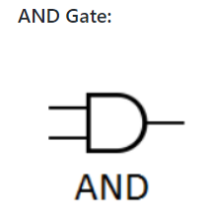
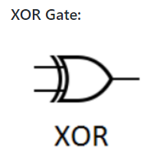
INPUTS |  | OUTPUTS
A | B | SUM(A ⊕ B ) | CARRY(A.B)
0 | 0 | 0 | 0
0 | 1 | 1 | 0
1 | 0 | 1 | 0
1 | 1 | 0 | 1

INPUTS |  |  | OUTPUTS
A | B | C | SUM( A ⊕ B ⊕ C) | CARRY(A.B + C(A ⊕ B)
0 | 0 | 0 | 0 | 0
0 | 0 | 1 | 1 | 0
0 | 1 | 0 | 1 | 0
0 | 1 | 1 | 0 | 1
1 | 0 | 0 | 1 | 0
1 | 0 | 1 | 0 | 1
1 | 1 | 0 | 0 | 1
1 | 1 | 1 | 1 | 1

