DASHBOARD
🍜QUICK BITE DELIVERY SALES ANALYSIS🛵
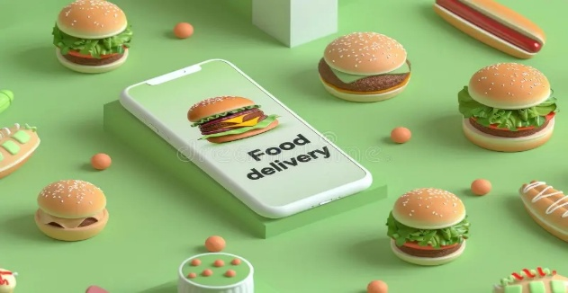

DELIVERED ORDERS
TOTAL ORDERS
TOTAL REVENUE
AVG DELIVERY TIME
AVG CUSTOMER RATING
801 | ₹ 544,220.15 | 1900-02-04 00:45:00 | 757 | 2.80

HIGHEST REVENUE BY CITIES
 | Total
Coimbatore | 173119.3
Erode | 48681.65
Madurai | 69569
Pollachi | 31185.75
Salem | 53632.25
Tirunelveli | 31865.8
Tiruppur | 86234.55
Trichy | 49931.85
TOP 5 RESTAURANT BY ORDER VALUE
 | Total
Frozen Bottle | 369
Juicy Juice | 386
Kovai Biriyani | 384
Kovai Mess | 385
Punjabi Dhaba | 370
TOP RIDERS BY ORDER DELIVERED
 | Total
Anitha | 26
Dinesh P | 27
Kavin | 27
Prakash | 26
Ramesh V | 26
Sathish | 26
Swetha | 27
Vinoth | 27
ORDER INCRESED BY MARKETING CHANNEL
 | Total
App + SMS | 28
Digital Ads | 25
Instagram | 50
TV + Digital | 35
WhatsApp | 24

PAYMENT METHOD BY REVENUE
 | Total
Card | 89962.4
Cash | 75080.35
Google Pay | 79895.3
GPay | 79497.3
PhonePe | 80670.3
UPI | 139114.5
CUSTOMER SEGMENT BY ORDER VALUE
 | Total
Female | 305155
Male | 301551
KEY INSIGHTS
1. Coimbatore emerged as the highest revenue-generating city.
2. 757 out of 801 orders were successfully delivered.
3. Digital payment methods such as Google Pay, UPI, and PhonePe are the most preferred.
4. Delivery workload is fairly balanced among riders.
5. Operational trends reveal clear patterns that support better workforce and resource planning.

PIVOTS
CITY WISE REVENUE
Row Labels | Sum of Revenue
Coimbatore | 173119.3
Erode | 48681.65
Madurai | 69569
Pollachi | 31185.75
Salem | 53632.25
Tirunelveli | 31865.8
Tiruppur | 86234.55
Trichy | 49931.85
Grand Total | 544220.15

TOP 5 RESTAURANT BY ORDER VALUE

Row Labels | Sum of Average_Order_Value_INR
Frozen Bottle | 369
Juicy Juice | 386
Kovai Biriyani | 384
Kovai Mess | 385
Punjabi Dhaba | 370
Grand Total | 1894

TOP RIDERS BY ORDER DELIVERED
Row Labels | Sum of Daily_Delivery_Capacity
Anitha | 26
Dinesh P | 27
Kavin | 27
PAYMENT METHOD BY REVENUE
Prakash | 26
Ramesh V | 26
Sathish | 26
CUSTOMER SEGMENT BY ORDER VALUE
Swetha | 27
Vinoth | 27
Grand Total | 212

Row Labels | Sum of Revenue
Card | 89962.4
Cash | 75080.35
Google Pay | 79895.3
GPay | 79497.3
PhonePe | 80670.3
UPI | 139114.5
Grand Total | 544220.15

ORDER INCRESED BY MARKETING CHANNEL
Row Labels | Sum of Order_Value
Female | 305155
Male | 301551
Grand Total | 606706

Row Labels | Sum of Expected_Order_Increase_%
App + SMS | 28
Digital Ads | 25
Instagram | 50
TV + Digital | 35
WhatsApp | 24
Grand Total | 162

