球员技巧
实况足球｜球员技巧
中文/英文长图逐条配对；五张官方截图未列出的技巧标为“付费技能”，同一技巧可属于多个类别。
序号 | 技巧名称 | 英文名称 | 技巧描述 | 技巧图片 | 技巧类型 | 英文描述
1 | 剪刀脚假动作 | Scissors Feint | 输入假动作指令时执行剪刀脚假动作。 | 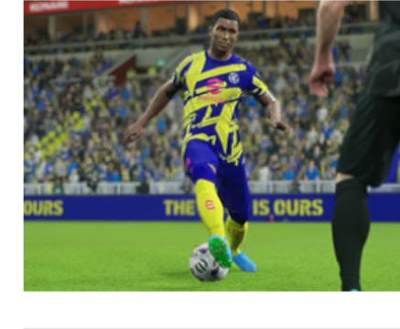 | Dribbling | Performs a Scissors Feint when entering a feint command.
2 | 两次触球 | Double Touch | 输入假动作指令时执行两次触球。 | 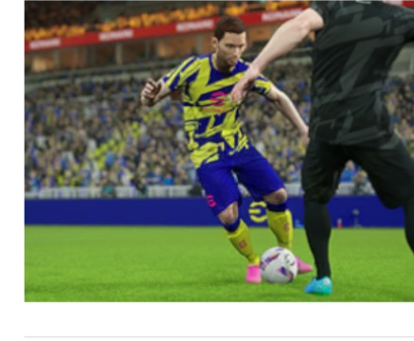 | Dribbling | Performs a Double Touch when entering a feint command.
3 | 牛摆尾 | Flip Flap | 输入假动作指令时执行牛摆尾。 | 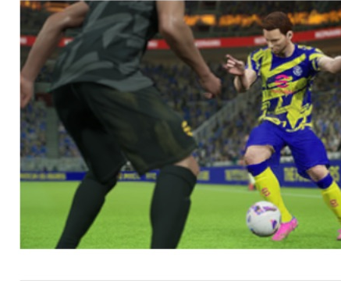 | Dribbling | Performs a Flip Flap when entering a feint command.
4 | 马赛回旋 | Marseille Turn | 输入假动作指令时执行马赛回旋。 | 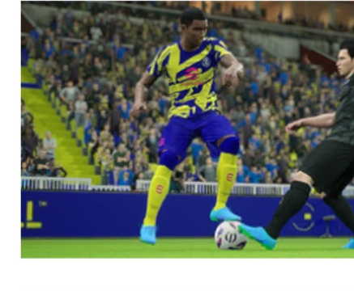 | Dribbling | Performs a Marseille Turn when entering a feint command.
5 | 挑球过顶 | Sombrero | 提升挑球过顶和彩虹过人的精准度；接地面传球时也可施展挑球过顶。 | 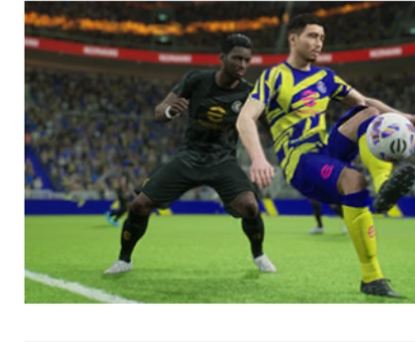 | Dribbling | Increases the accuracy of Sombrero and Rainbow Flick. Also allows the player to perform a Sombrero when receiving a Low Pass.
6 | 脚后跟磕球变向 | Chop Turn | 输入假动作指令时执行脚后跟磕球变向。 | 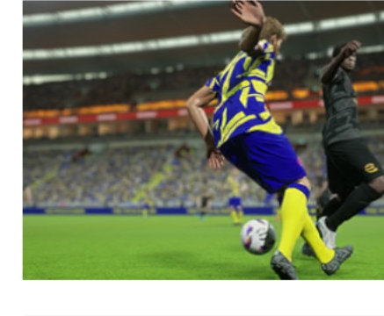 | Dribbling | Performs a Chop Turn when entering a feint command.
7 | 向后切球并转身 | Cut Behind & Turn | 执行向后切球；大角度转身时还会使用特殊停球动作。 | 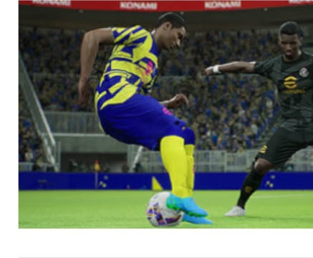 | Dribbling | Performs a Cut Behind. When turning at a wide angle, also uses a special trapping motion.
8 | 磕球过人 | Scotch Move | 输入假动作指令时执行磕球过人。 | 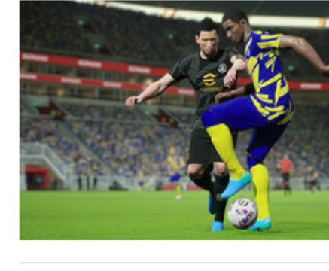 | Dribbling | Performs a Scotch Move when entering a feint command.
9 | 后脚磕球变向 | Tap Trick | 输入假动作指令时执行后脚磕球变向假动作。 | 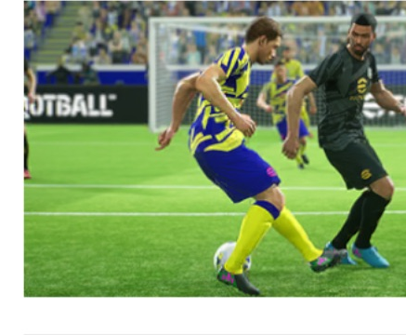 | 付费技能 | Performs a Tap Trick feint when entering a feint command.
10 | 足底控球 | Sole Control | 使球员在做假动作和转身时更多地用脚掌控球。 | 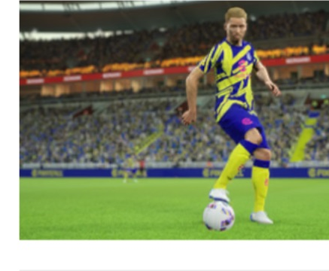 | Dribbling | Enables the player to control the ball more using the soles of his feet when executing feints and turns.
11 | 旋风盘带 | Momentum Dribbling | 提高球员在进攻三区的盘球能力。 | 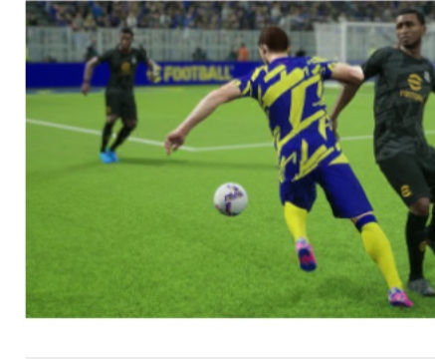 | 付费技能 | Improves player's dribbling abilities in the attacking third (deep in opposition territory).
12 | 瞬间加速 | Acceleration Burst | 可在静止或缓慢移动时快速施展锐钻触球，也可能触发特殊锐钻触球动作。 | 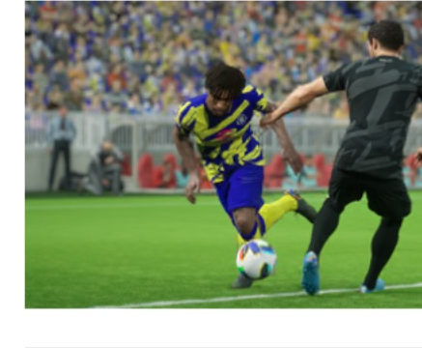 | 付费技能 | Enables the player to perform a quick Sharp Touch while stationary or moving slowly. Special Sharp Touch motions may also be triggered.
13 | 磁力脚 | Magnetic Feet | 控球时，根据 5 米范围内对手人数（最多 4 人）提高控球能力。 | 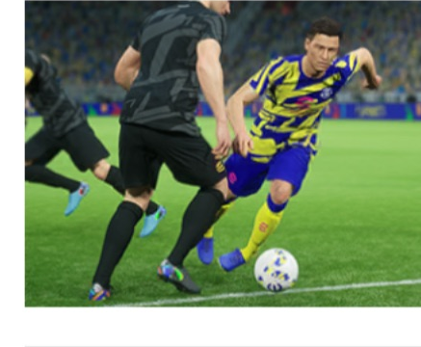 | 付费技能 | When in possession of the ball, increases the player's ability to keep it based on the number of opponents within 5 metres (4 opponents max).
14 | 头球 | Heading | 提高头球精准度和砸地头球的频度。 | 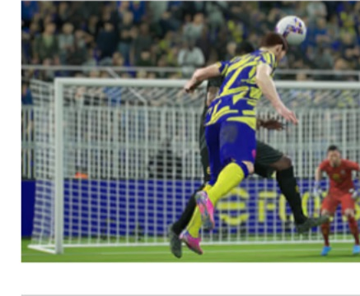 | 其他 | Improves the accuracy of headers as well as the frequency of downward headers.
15 | 炮弹式头球 | Bullet Header | 可完成势大力沉的头球攻门，姿势不自然或失去平衡时也更容易完成。 | 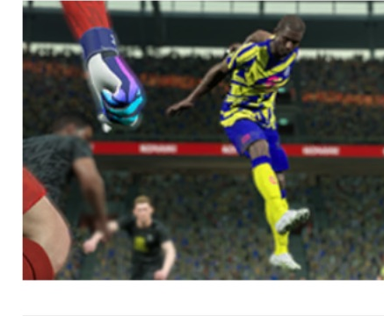 | 付费技能 | Enables the player to head the ball sharply towards goal, shooting with power and accuracy even from awkward positions or when off balance.
16 | 远距离弧线球 | Long-range Curler | 远距离施展大弧度且精准的控制射门。 | 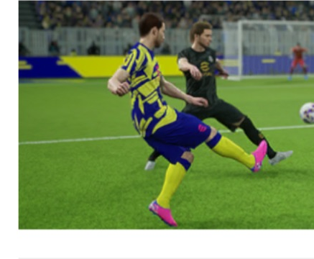 | Shooting | Performs a sharp, accurate Controlled Shot with a heavy curl that often hits the target even from a long distance.
17 | 弧线落叶射门 | Blitz Curler | 力量槽至少 50% 时，可施展带强烈上旋的控制射门。 | 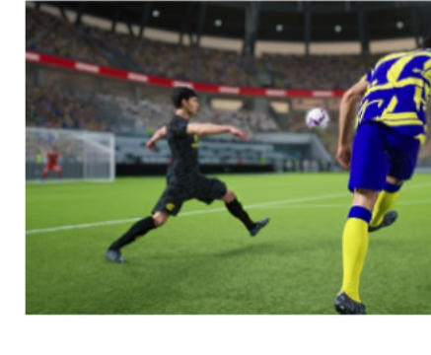 | 付费技能 | Performs a Controlled Shot with heavy topspin while the Power Gauge is at least 50% full.
18 | 吊射控制 | Chip Shot Control | 高速移动时也能精准吊射。 | 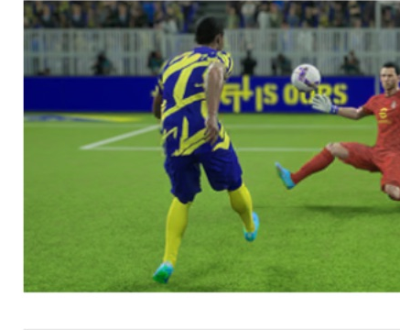 | Shooting | Performs an accurate Chip Shot, even when moving at high speed.
19 | 落叶球射门 | Knuckle Shot | 力量槽达到 50%–65% 时，以惊人射门指令踢出电梯球；也适合任意球。 | 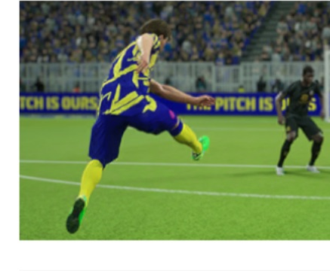 | Shooting | Performs a Knuckle Shot when entering a Stunning Shot command while the Power Gauge is 50-65% full. A good free kick option.
20 | 急坠射门 | Dipping Shot | 力量槽达到 20%–50% 时，以惊人射门指令踢出急坠射门。 | 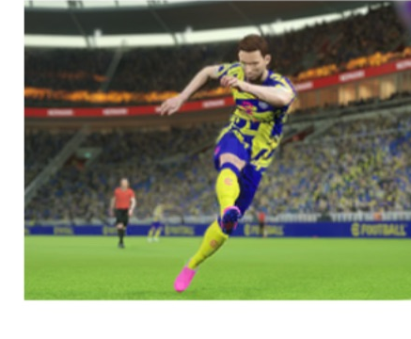 | Shooting | Performs a Dipping Shot when entering a Stunning Shot command while the Power Gauge is 20-50% full.
21 | 急升射门 | Rising Shot | 力量槽达到 65%–95% 时，以惊人射门指令踢出上升射门。 | 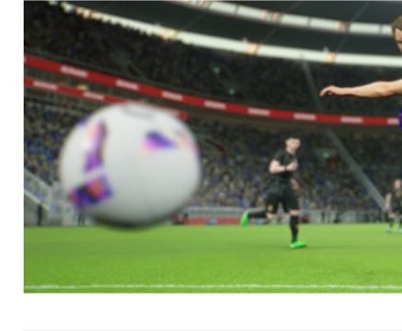 | Shooting | Performs a Rising Shot when entering a Stunning Shot command while the Power Gauge is 65-95% full.
22 | 远射 | Long-range Shooting | 从禁区外射出更容易命中目标的远射。 | 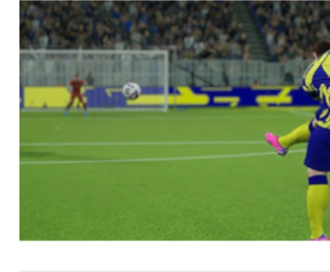 | Shooting | Performs a Long-range Shot from outside the box that often hits the target.
23 | 掠地瞬击 | Low Screamer | 力量槽低于 50% 的惊人射门球速提升，且不会出现急坠射门。 | 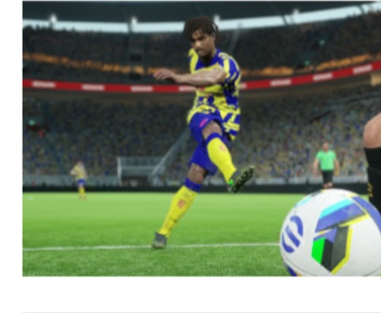 | 付费技能 | Performing a Stunning Shot while the Power Gauge is under 50% full will increase the speed of the shot. A Dipping Shot will not occur.
24 | 瞬发射门 | Snap Strike | 缩短惊人射门的出脚时间。 | 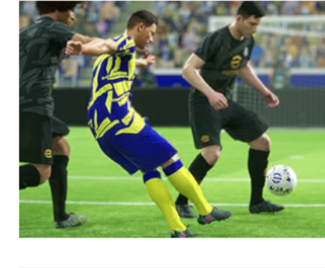 | 付费技能 | Takes less time to kick the ball when making a Stunning Shot.
25 | 杂技般进球 | Acrobatic Finishing | 在不自然姿势或失去平衡时也能找到射门机会。 | 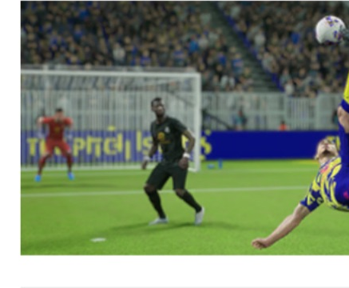 | Shooting | Enables the player to find a finish even from awkward positions or when off balance.
26 | 脚跟绝技 | Heel Trick | 在不自然姿势或失去平衡时也能用脚后跟传球或射门。 | 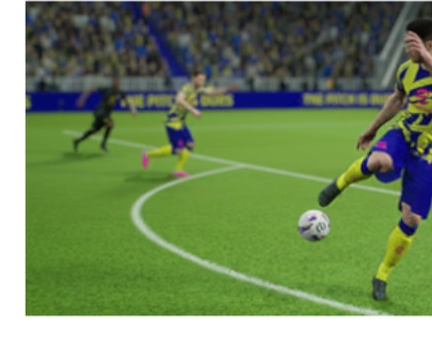 | Passing | Enables the player to pass and shoot using the heel, even from awkward positions or when off balance.
27 | 一脚射门 | First-time Shot | 提高第一时间射门的技术和精准度。 | 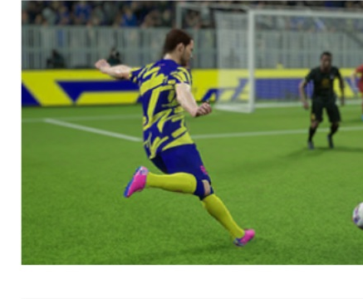 | Shooting | Improves technique and precision when taking first- time shots.
28 | 无定型射门 | Phenomenal Finishing | 提高不自然身体姿势下射门的力量和精准度。 | 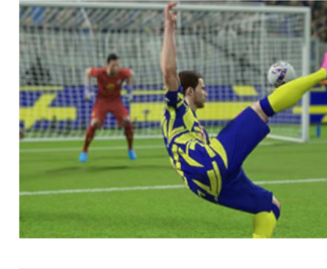 | 付费技能 | Increases the power and accuracy of finishing shots attempted from unorthodox body positions.
29 | 百折不挠 | Willpower | 每次射门可提升射门能力，最多累积 8 次。 | 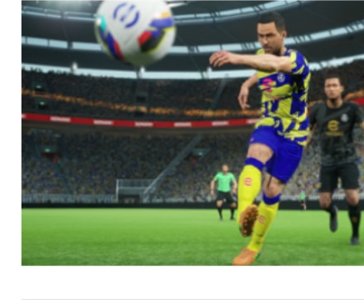 | 付费技能 | Improves player's shooting abilities whenever they take a shot, up to a maximum of 8 times.
30 | 一脚传球 | One-touch Pass | 提高一脚传球的技术和精准度。 | 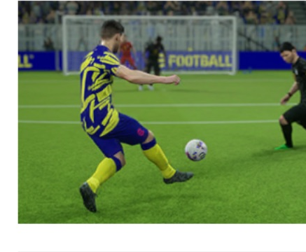 | Passing | Improves technique and precision when executing one- touch passes.
31 | 直传球 | Through Passing | 可传出轨迹合适的直塞球，并提高整体直塞精准度。 | 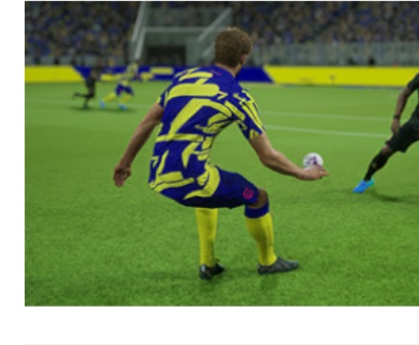 | Passing | Enables the player to make through passes with the appropriate trajectory. Also improves the overall accuracy of through passes.
32 | 精准长传 | Weighted Pass | 向前方踢出带强烈后旋的精准高空传球或挑传直塞。 | 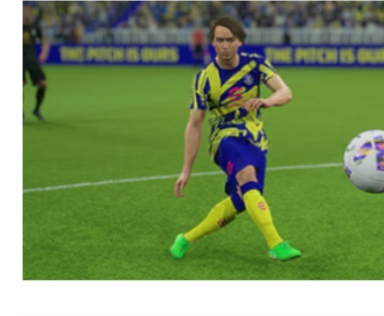 | Passing、Defending | Performs an accurate Lofted Pass or Chipped Through Ball with heavy backspin to a forward area.
33 | 精确横传球 | Pinpoint Crossing | 踢出带明显弧线的快速精准传中。 | 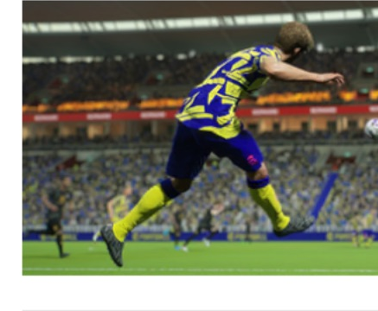 | Passing | Performs a sharp, accurate cross with a heavy curl.
34 | 急坠传中 | Edged Crossing | 踢出垂直旋转且急速下坠的传中球。 | 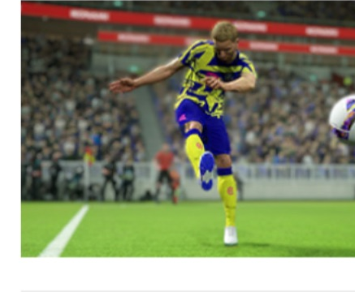 | 付费技能 | Enables the player to put in vertically rotating crosses that fall sharply.
35 | 外脚背弧线球 | Outside Curler | 用较强脚的外侧踢出精准的旋转射门或传球，远距离也适用。 | 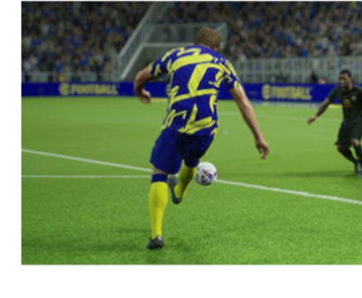 | Passing | Performs a precise spinning shot or pass with the outside of the boot, even from range, using the stronger foot for accuracy.
36 | 插花脚 | Rabona | 用较强脚施展出其不意的插花脚，扰乱防守节奏。 | 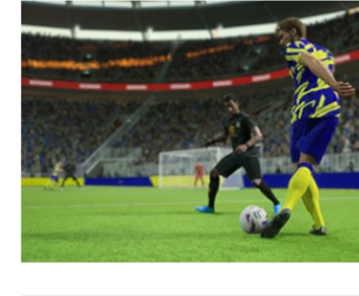 | Passing | Performs a Rabona to disrupt the defence's timing with a surprise kick, using the stronger foot for accuracy.
37 | 不看球员传球 | No Look Pass | 以视线迷惑对手，送出意想不到的传球。 | 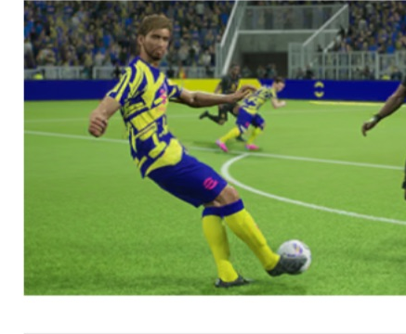 | Passing | Enables the player to play unexpected passes and confuse the opponent with his lines of sight.
38 | 翻盘传球 | Game-changing Pass | 下半场球队平局或落后时，提高传球能力。 | 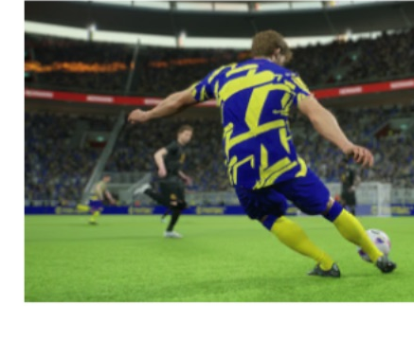 | 付费技能 | Improves player's passing abilities after the second half kick-off, under the circumstances that the team is either drawing or losing.
39 | 到位传球 | Visionary Pass | 提高接球队友的一脚传球、直接射门和停球精准度。 | 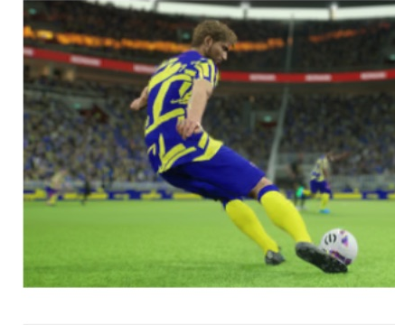 | 付费技能 | Increases the accuracy of one-touch passes, first-time shots and traps performed by players who receive passes from the holder of this Player Skill.
40 | 无定型传球 | Phenomenal Pass | 提高不自然身体姿势下传球的力量和精准度。 | 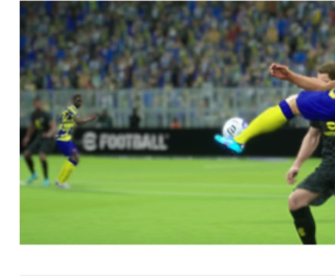 | 付费技能 | Increases the power and accuracy of passes attempted from unorthodox body positions.
41 | 低空传球 | Low Lofted Pass | 踢出低轨迹、距离远且精准的高空传球。 | 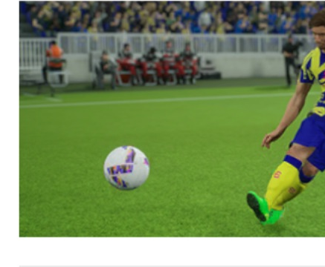 | Passing | Enables the player to hit long and accurate Lofted Passes with a low trajectory.
42 | 守门员低弹道凌空球 | GK Low Punt | 守门员可踢出精准的低弹道凌空球。 | 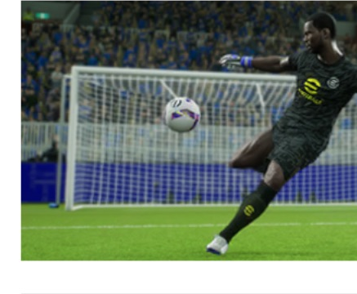 | 付费技能 | Enables the player to take accurate punt kicks with a low trajectory.
43 | 守门员高弹道凌空球 | GK High Punt | 守门员可踢出长距离高轨迹开球，深入对方半场。 | 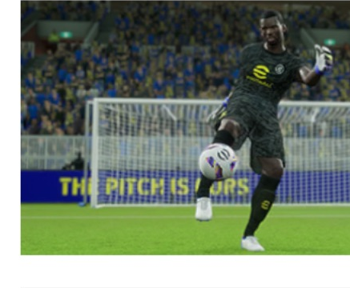 | 付费技能 | Enables goalkeepers to take long, high punt kicks that end up deep in opposition territory.
44 | 长距离投掷 | Long Throw | 增加界外球投掷距离。 | 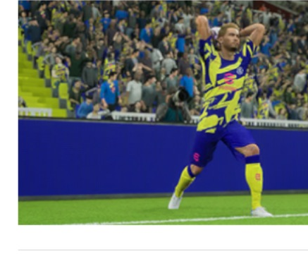 | 其他 | Improves the range of long throws.
45 | 守门员长距离投掷 | GK Long Throw | 增加守门员手抛球距离。 | 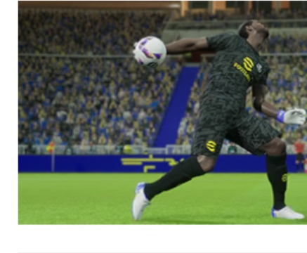 | 付费技能 | Improves the range on throws by the goalkeeper.
46 | 点球专家 | Penalty Specialist | 提高主罚点球的精准度。 | 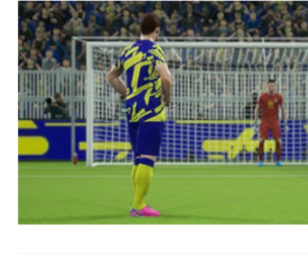 | Shooting、其他 | Enables the player to take higher accuracy penalty kicks.
47 | 守门员扑点球 | GK Penalty Saver | 提高守门员应对点球时的反应。 | 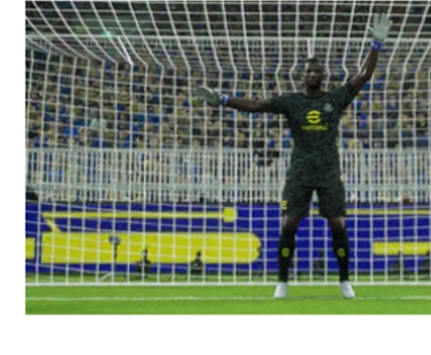 | 付费技能 | Enables the player to have better goalkeeping reactions against penalty kicks.
48 | 守门员指挥防守 | GK Directing Defence | 提高己方腹地后卫的防守能力。 | 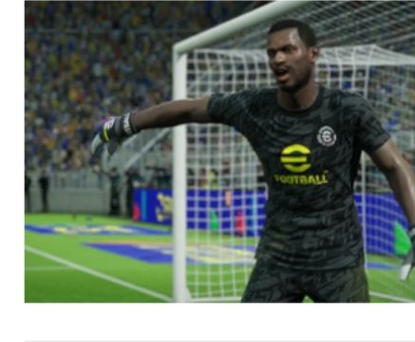 | 付费技能 | Goalkeeper Skill that improves the defensive abilities of your DF players positioned deep in your own territory.
49 | 门神战吼 | GK Spirit Roar | 下半场领先时，提高己方后卫的身体能力。 | 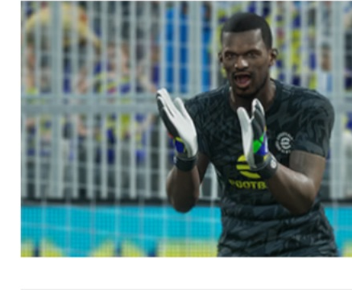 | 付费技能 | Goalkeeper Skill that improves the physical abilities of your DF players when leading after half-time.
50 | 假摔 | Gamesmanship | 控球时更容易赢得犯规。 | 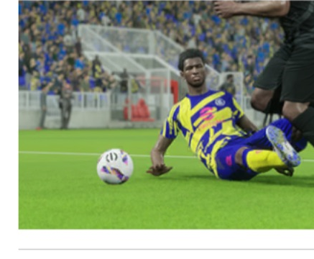 | 其他 | Wins fouls more easily when in possession of the ball.
51 | 盯人 | Man Marking | 快速反应对手动作，施加紧密盯防。 |  | Defending | Reacts quickly to an opponent's movements and applies tight marking that is hard to shake.
52 | 压迫 | Track Back | 从前线开始积极压迫对方持球球员。 |  | Defending | Enables the player to aggressively apply pressure to the opposition ballholder all the way from the frontlines.
53 | 截球 | Interception | 更快地对传球作出反应，提高拦截成功率。 |  | Defending | Reacts quickly to passes and intercepts them at a higher rate.
54 | 封堵 | Blocker | 更快封堵传球和射门，并减少反弹球。 |  | Defending | Reacts quickly to kicks by blocking passes and shots at a high rate, and also limits the amount of rebound.
55 | 空中优势 | Aerial Superiority | 空中争抢更占优势，更容易保持头球精准度。 |  | Defending、其他 | Gains an advantage during mid-air battles and maintains heading accuracy more easily.
56 | 飞身铲球 | Sliding Tackle | 提高滑铲的精准度和速度，更容易赢得球权。 |  | Defending | Performs a Sliding Tackle with greater accuracy and speed, and wins the ball more easily.
57 | 伸脚抢截 | Long-reach Tackle | 静止或缓慢移动时，更频繁地对较远对手施展站立抢断。 |  | 付费技能 | Increases the frequency of standing tackles, even against far away opponents, while stationary or moving slowly.
58 | 后防领袖 | Fortress | 下半场领先时提高防守能力。 |  | 付费技能 | Improves player's defensive abilities after the second half mark, as long as the team has a goal advantage.
59 | 杂技般解围 | Acrobatic Clearance | 即使姿势不自然，也能用脚解围。 |  | Defending | Enables the player to clear the ball using his feet, even from awkward positions.
60 | 空中堡垒 | Aerial Fort | 在己方禁区内提高空中对抗能力。 |  | 付费技能 | Improves player's abilities regarding aerial duels when positioned inside his own penalty box.
61 | 紧急回防 | Shadow Hunt | 担任后腰或后卫、对手传球打身后时，提高速度相关能力。 |  | 付费技能 | Increases speed-related abilities when this player is a DMF, RB, LB or CB and an opponent's pass is played behind them.
62 | 队长 | Captaincy | 成为场上队伍精神支柱，减轻全队疲劳影响。 |  | 其他 | Become the team's inspiration on the pitch, reducing the effects of fatigue for the entire team.
63 | 进攻号手 | Attack Trigger | 持球时提高其他队友的进攻意识。 |  | 付费技能 | Increases all other teammates' Attacking Awareness when this player has control of the ball.
64 | 超级候补 | Super-sub | 下半场替补登场时提高球员能力。 |  | 其他 | Improves player's abilities when introduced after the second half mark.
65 | 战斗精神 | Fighting Spirit | 受到对手压迫时较少损失踢球或头球精准度，也较少受疲劳影响。 |  | 其他 | Rarely loses kicking or heading accuracy when pressured by an opponent, and is less affected by fatigue.
66 | 进攻提速 | Attacking Surge | 位于进攻半场且队友持球时，提高速度相关能力。 |  | 付费技能 | Increases speed-related abilities when this player is in the attacking half and a teammate has the ball.

