SalesReport
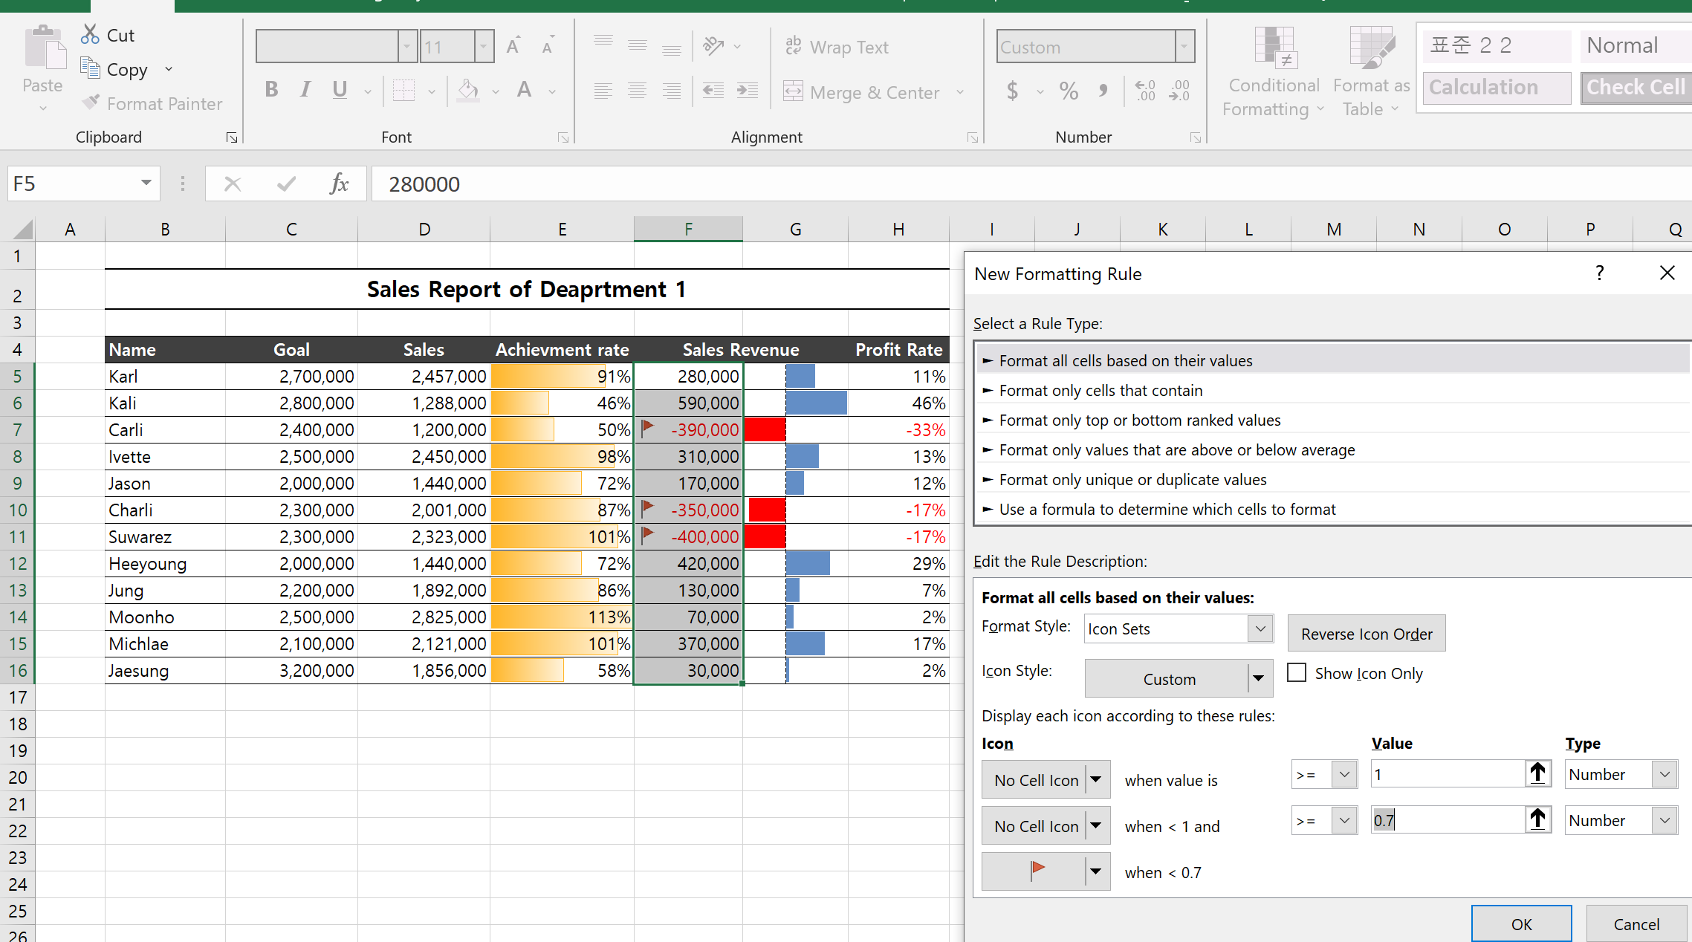
Sales Report of Deaprtment 1

Name | Goal | Sales | Achievement rate | Sales Revenue |  | Profit Rate
Karl | 2,700,000 | 2,457,000 | 91% | 280,000 | 280,000 | 11%
Kali | 2,800,000 | 1,288,000 | 46% | 590,000 | 590,000 | 46%
Carli | 2,400,000 | 1,200,000 | 50% | -390,000 | -390,000 | -33%
Ivette | 2,500,000 | 2,450,000 | 98% | 310,000 | 310,000 | 13%
Jason | 2,000,000 | 1,440,000 | 72% | 170,000 | 170,000 | 12%
Charli | 2,300,000 | 2,001,000 | 87% | -350,000 | -350,000 | -17%
Suwarez | 2,300,000 | 2,323,000 | 101% | -400,000 | -400,000 | -17%
Heeyoung | 2,000,000 | 1,440,000 | 72% | 420,000 | 420,000 | 29%
Jung | 2,200,000 | 1,892,000 | 86% | 130,000 | 130,000 | 7%
Moonho | 2,500,000 | 2,825,000 | 113% | 70,000 | 70,000 | 2%
Michlae | 2,100,000 | 2,121,000 | 101% | 370,000 | 370,000 | 17%
Jaesung | 3,200,000 | 1,856,000 | 58% | 30,000 | 30,000 | 2%

When we want to divide the "Achievement rate" into three (more tham 100%, 100% < AR < 70%, AR < 70%), set the type to Number and use decimal number.

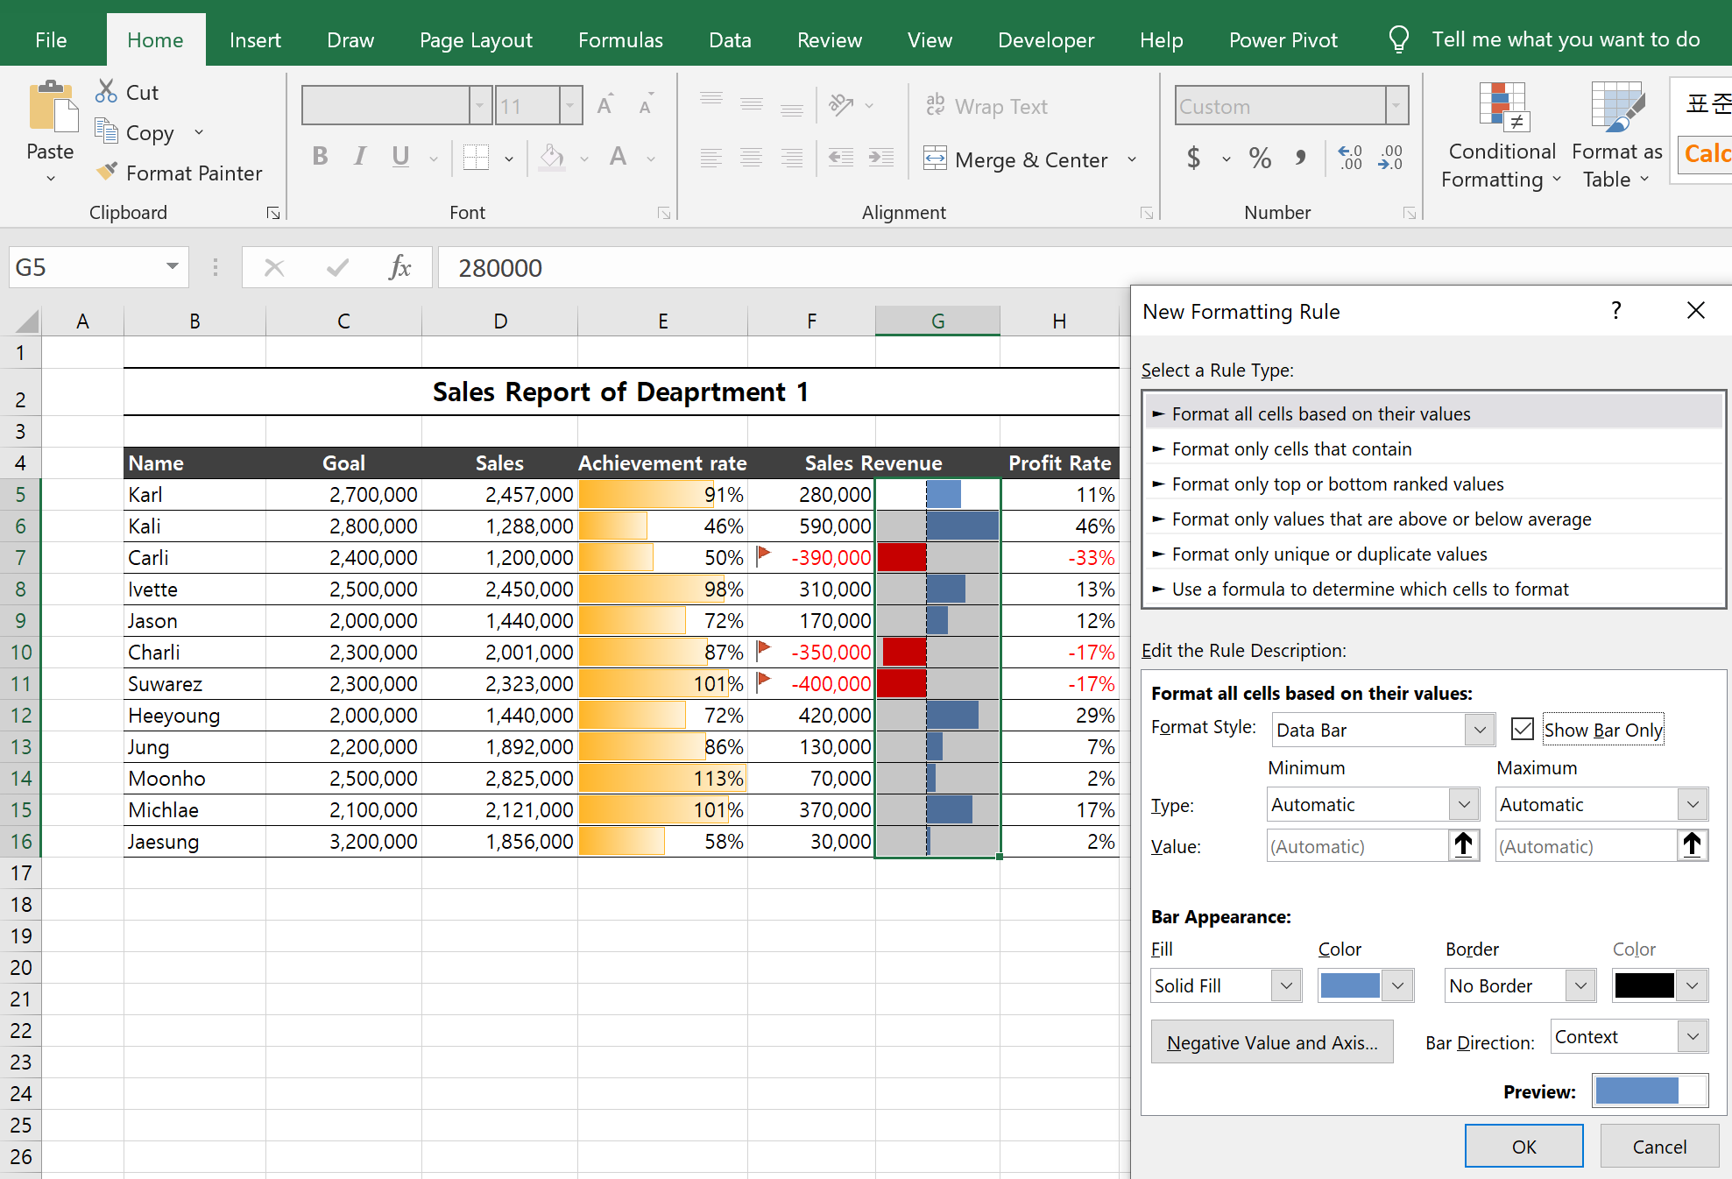

When w just want to show the bar only then we can check the "Show Bar Olny"

HighlightRow
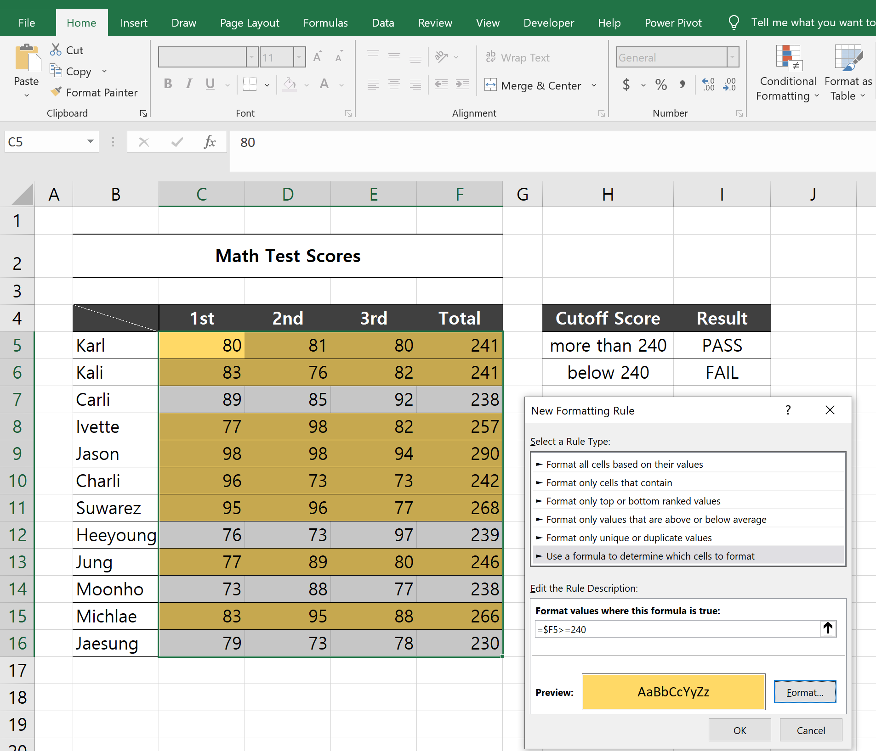
Math Test Scores

 | 1st | 2nd | 3rd | Total | Cutoff Score | Result
Karl | 80 | 81 | 80 | 241 | more than 240 | PASS
Kali | 83 | 76 | 82 | 241 | below 240 | FAIL
Carli | 89 | 85 | 92 | 238
Ivette | 77 | 98 | 82 | 257
Jason | 98 | 98 | 94 | 290
Charli | 96 | 73 | 73 | 242
Suwarez | 95 | 96 | 77 | 268
Heeyoung | 76 | 73 | 97 | 239
Jung | 77 | 89 | 80 | 246
Moonho | 73 | 88 | 77 | 238
Michlae | 83 | 95 | 88 | 266
Jaesung | 79 | 73 | 78 | 230

1. Select the range which will get subject to conditional formatting of the whole row
2. Go to "Home" --> "Conditional Formatting" --> "New Rule"
3. Create formula: If data goes down then set the column absolute reference like ($F5)
4. Then define how to format the target row --> hit the "Format" button

HighlightColumn
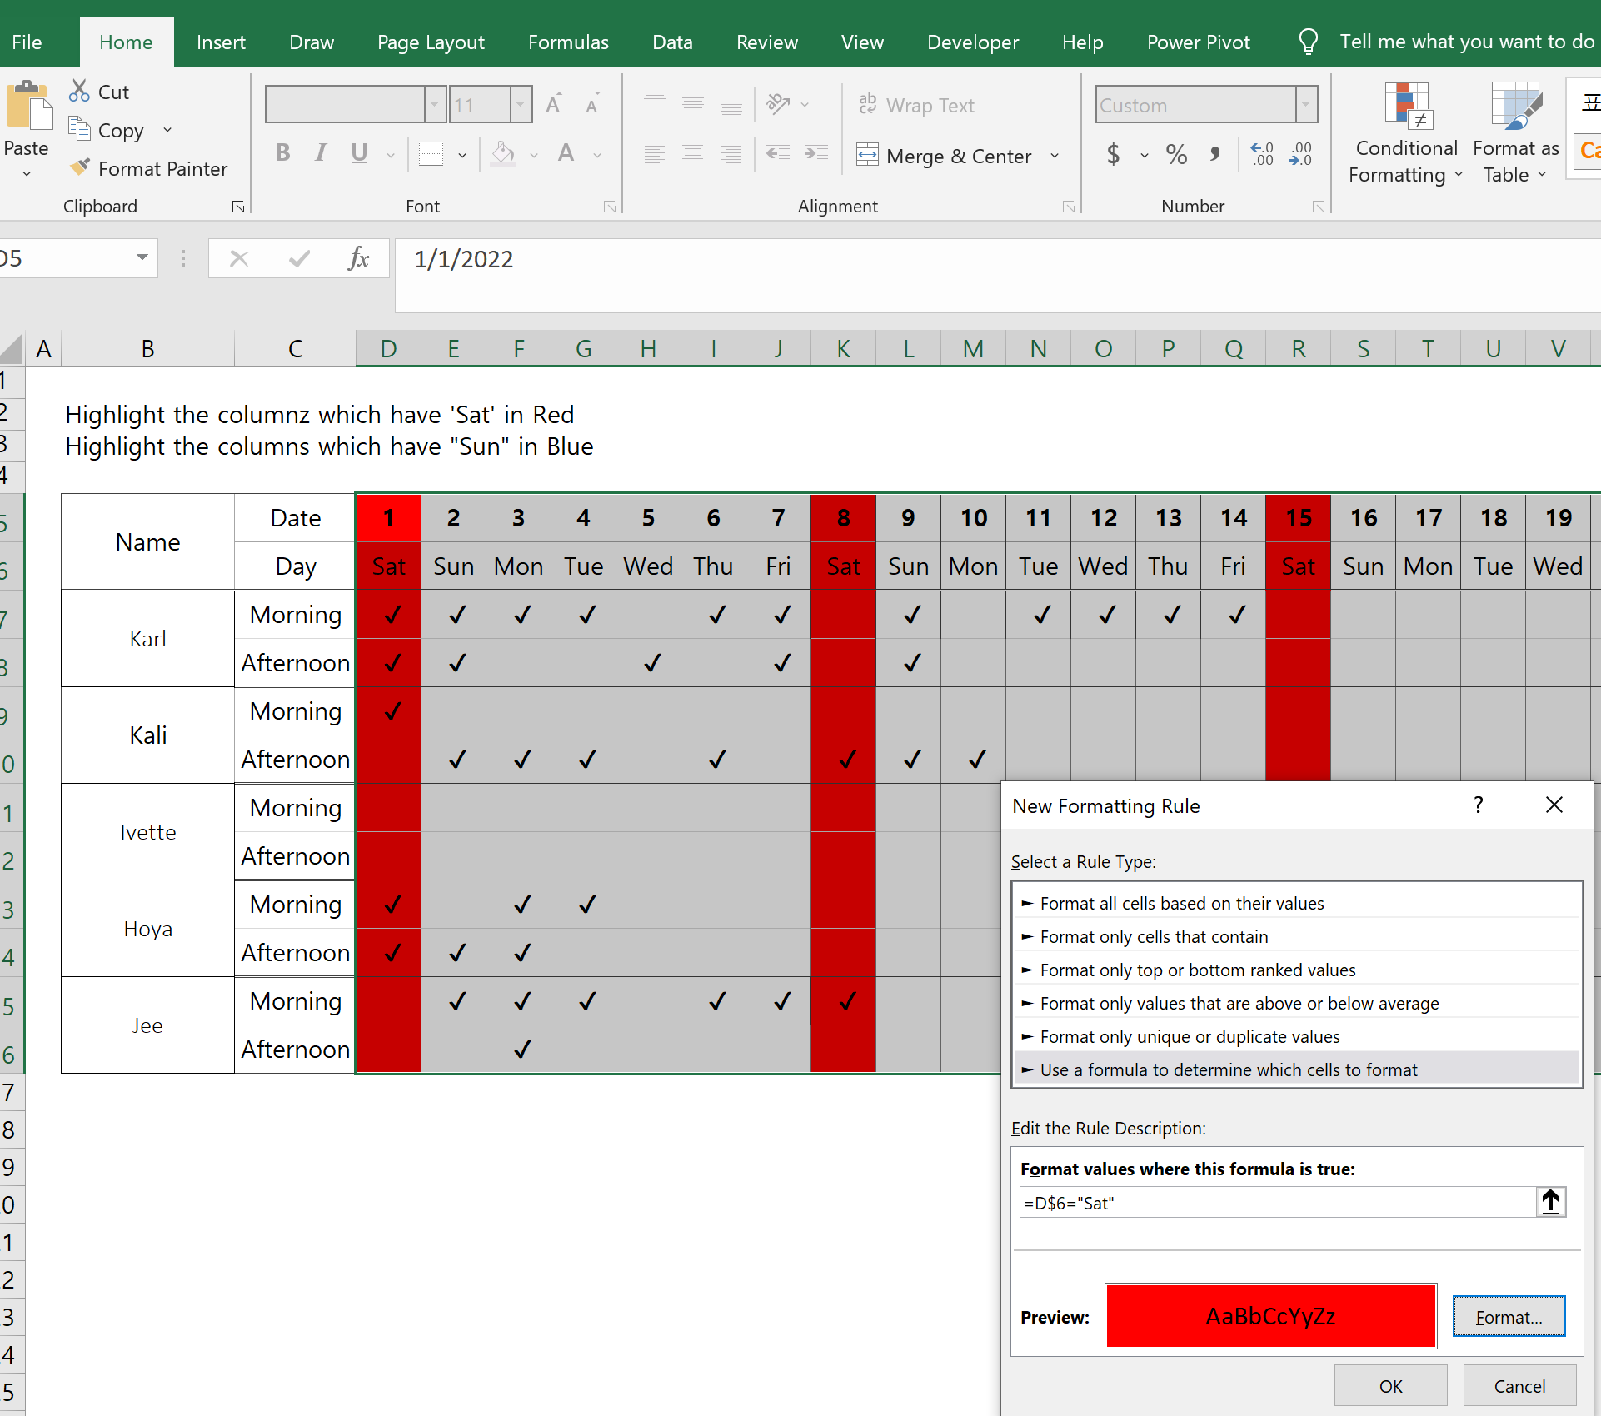
Highlight the columnz which have 'Sat' in Red
Highlight the columns which have "Sun" in Blue

Name | Date | 2022-01-01 | 2022-01-02 | 2022-01-03 | 2022-01-04 | 2022-01-05 | 2022-01-06 | 2022-01-07 | 2022-01-08 | 2022-01-09 | 2022-01-10 | 2022-01-11 | 2022-01-12 | 2022-01-13 | 2022-01-14 | 2022-01-15 | 2022-01-16 | 2022-01-17 | 2022-01-18 | 2022-01-19 | 2022-01-20 | 2022-01-21 | 2022-01-22 | 2022-01-23 | 2022-01-24 | 2022-01-25 | 2022-01-26 | 2022-01-27 | 2022-01-28 | 2022-01-29 | 2022-01-30 | 2022-01-31
 | Day | Sat | Sun | Mon | Tue | Wed | Thu | Fri | Sat | Sun | Mon | Tue | Wed | Thu | Fri | Sat | Sun | Mon | Tue | Wed | Thu | Fri | Sat | Sun | Mon | Tue | Wed | Thu | Fri | Sat | Sun | Mon
Karl | Morning | ✔ | ✔ | ✔ | ✔ |  | ✔ | ✔ |  | ✔ |  | ✔ | ✔ | ✔ | ✔
 | Afternoon | ✔ | ✔ |  |  | ✔ |  | ✔ |  | ✔
Kali | Morning | ✔
 | Afternoon |  | ✔ | ✔ | ✔ |  | ✔ |  | ✔ | ✔ | ✔
Ivette | Morning
 | Afternoon
Hoya | Morning | ✔ |  | ✔ | ✔
 | Afternoon | ✔ | ✔ | ✔
Jee | Morning |  | ✔ | ✔ | ✔ |  | ✔ | ✔ | ✔
 | Afternoon |  |  | ✔

1. Select the range which will get subject to conditional formatting of the whole row
2. Go to "Home" --> "Conditional Formatting" --> "New Rule"
3. Create formula: If data goes right then set the row number of the target cell to absolute reference like (D$5)
4. Then define how to format the target row --> hit the "Format" button
5. For Sun, the procedure is the same as the Sat but the target cell is E$6

HighlightRowMultipleCriteria
Highlight the row when the 1st is O and the second is O

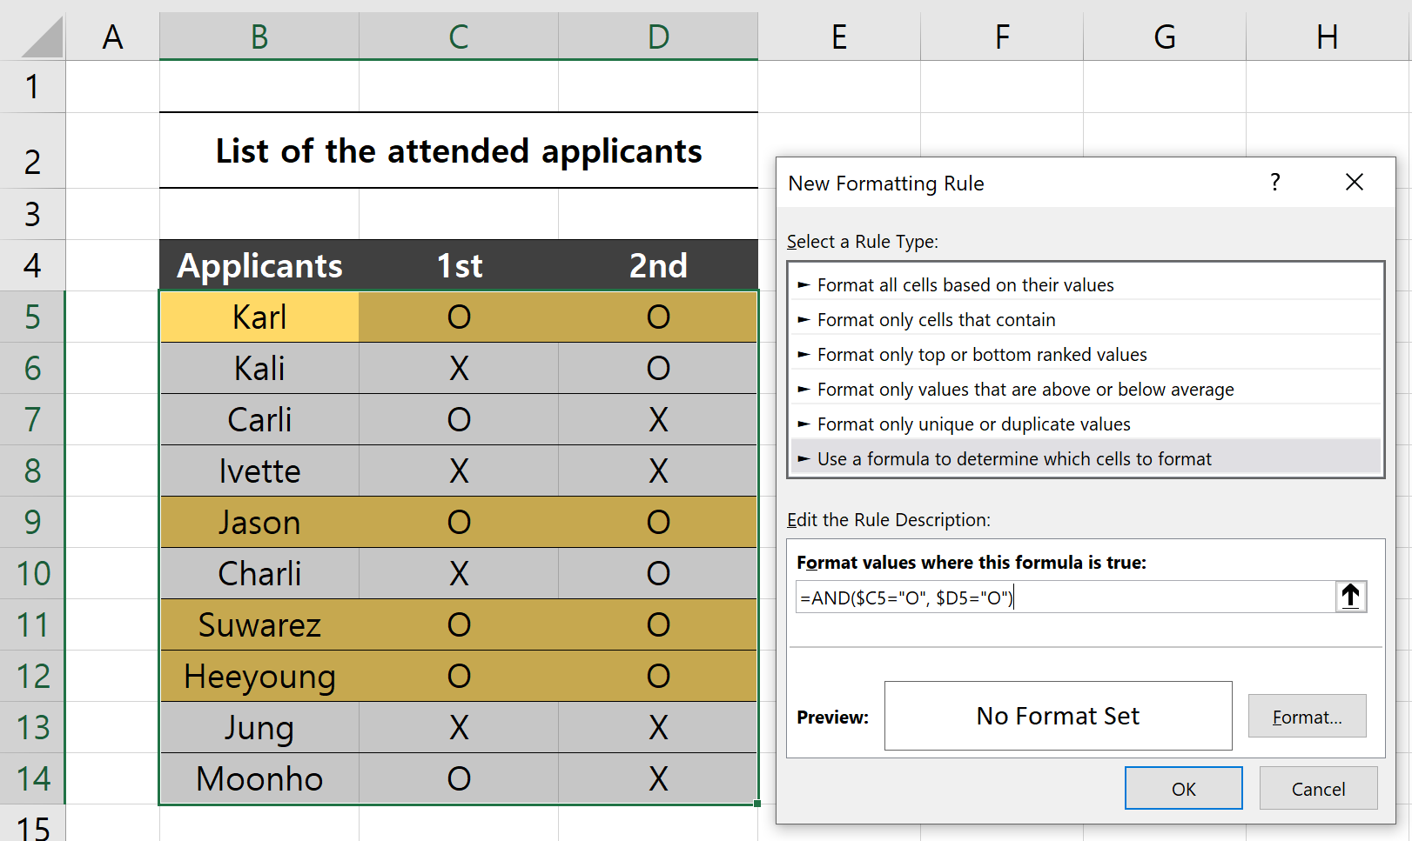
List of the attended applicants

Applicants | 1st | 2nd
Karl | O | O
Kali | X | O
Carli | O | X
Ivette | X | X
Jason | O | O
Charli | X | O
Suwarez | O | O
Heeyoung | O | O
Jung | X | X
Moonho | O | X

1. Use AND() funciton to choose the row which has the both "O"

