Sheet1
n63 | Input
n64 | FLAGR1_25nM
n65 | mR1_25nM
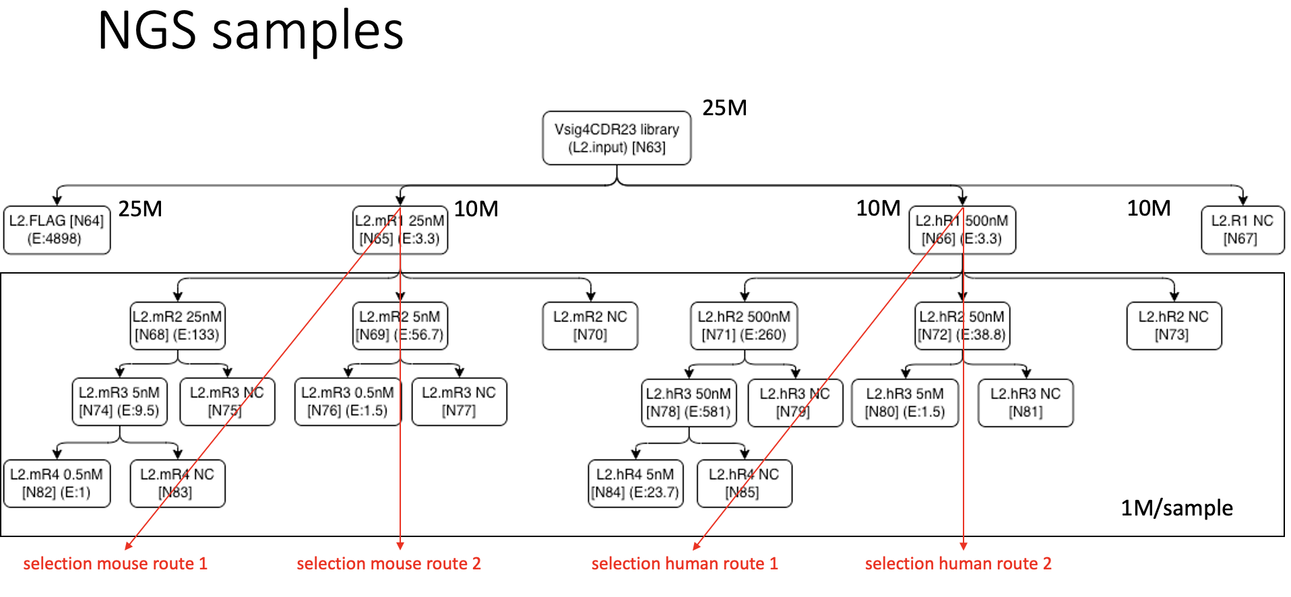
n66 | hR1_500nM
n67 | R1_NC
n68 | mR2_25nM
n69 | mR2_5nM
n70 | mR2_NC
n71 | hR2_500nM
n72 | hR2_50nM
n73 | hR2_NC
n74 | mR3_5nM
n75 | mR3_NC (for n74)
n76 | mR3_0.5nM
n77 | mR3_NC (for n77)
n78 | hR3_50nM
n79 | hR3_NC (for n78)
n80 | hR3_5nM
n81 | hR3_NC (for n80)
n82 | mR4_0.5nM
n83 | mR4_NC
n84 | hR4_5nM
n85 | hR4_NC

