Sheet1
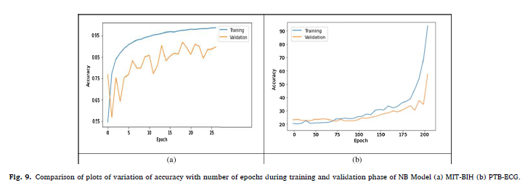
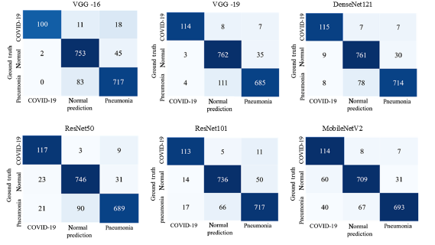
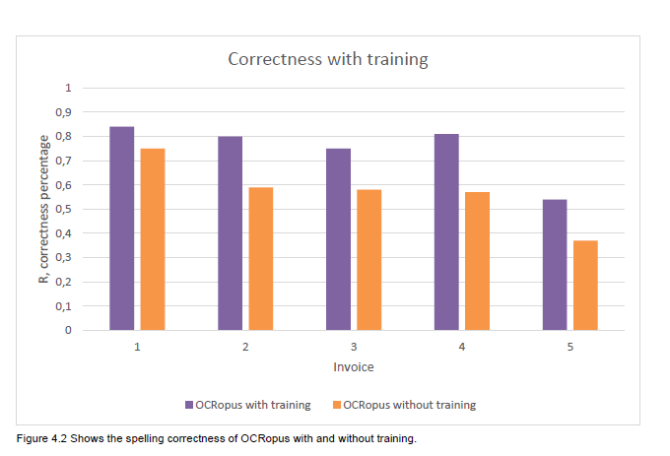
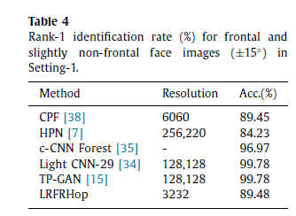
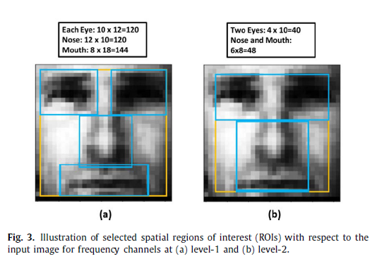
Abstract:
General address about FaceReconition (methods of detection, and recognition techniques, issues like low resolution image, unconstraint environment i.e background noise ) | II.c. Some intermediate result(may be after enhancing)
Development in technology ( High speed computing, AI, CNN, SVM)
Uniqueness of our proposed model, methods used and database(s) used
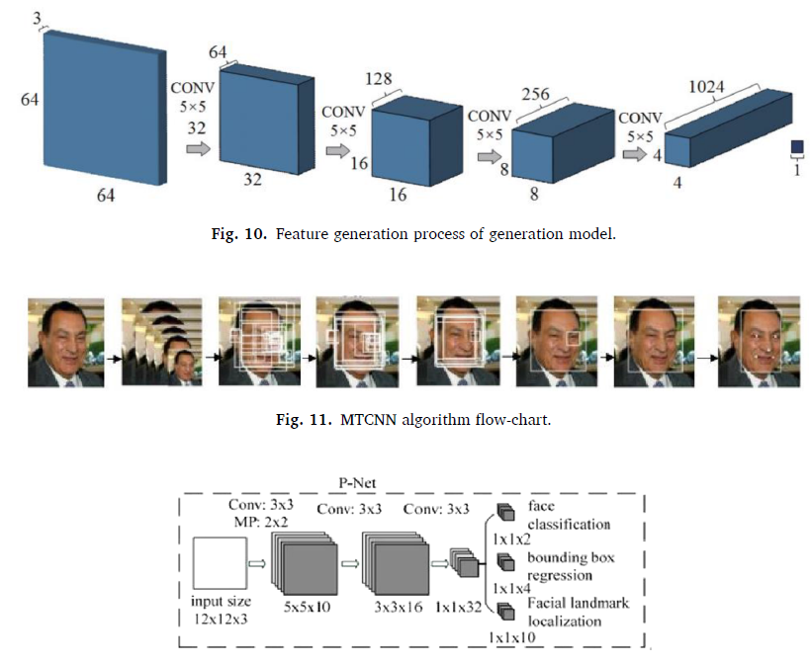
Achievments highlights
One line overall conclusion

I. Introduction
Para1: A discussion on the current pandemic situation
Para2: The available test methods and their limitions
Para3: Challenges ( Data collection,Manual checking, CNN/AI implementation)
Para4: Related work
Para5: Motivation of our model
Para6: Description of our work with contribution
Para7: Paper organization | II.b. Sample model architectures |  | OR

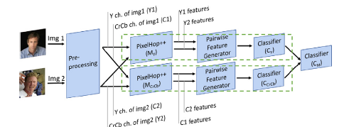
II.Face Recognition(Our Method)
a. General introduction, Challenges, Our proposal, database used for testing
b. Our Model Architecture ( model diagram and table format)
c. Intermediate Processing Outcomes with descriptions
d. include some related mathematical equations
IV. Results and Discussion
a. Highlight our achievements.
b. Use Table to show Precision, Recall, Accuracy, F1 Score, Loss functions
c. Plot the Graphs to compare or show
d. State-of-Art table (Compare our results with 5 previous similar works. May be good or average)

V. Conclusion and Future Work
Conclusion : Uniqueness of our model , Database used to test, best achievment, highlights of this work, future scope.

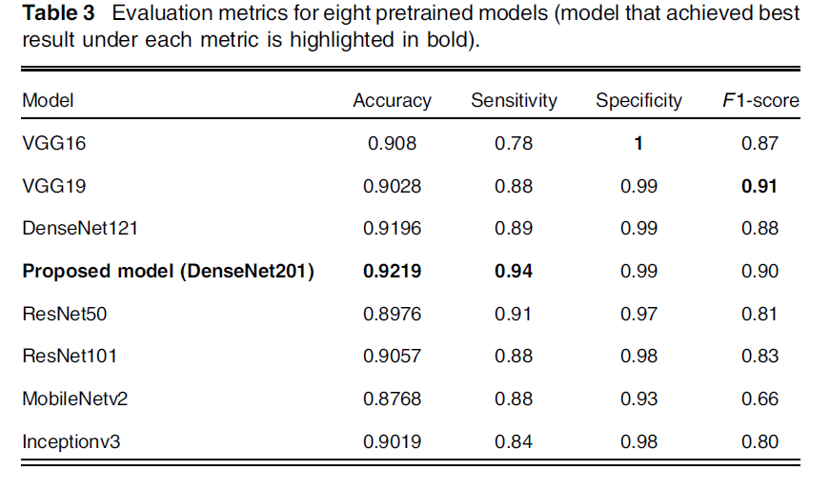
 | IV.b. Result Analysis Table Sample
 |  | Training/Testing Accuracy and Loss |  | CM Matix OR A Bar graph

