Sheet1
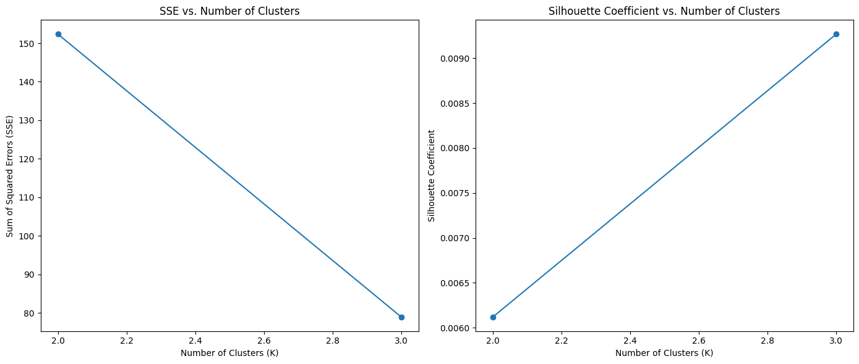
K-means without Labels
K | SSE | Silhouette Score | Iterations
2 | 152.37 | 0.00612 | 1
3 | 143.45 | 0.0097 | 6
4 | 57.47 | 0.01279 | 8
5 | 49.88 | 0.01211 | 9
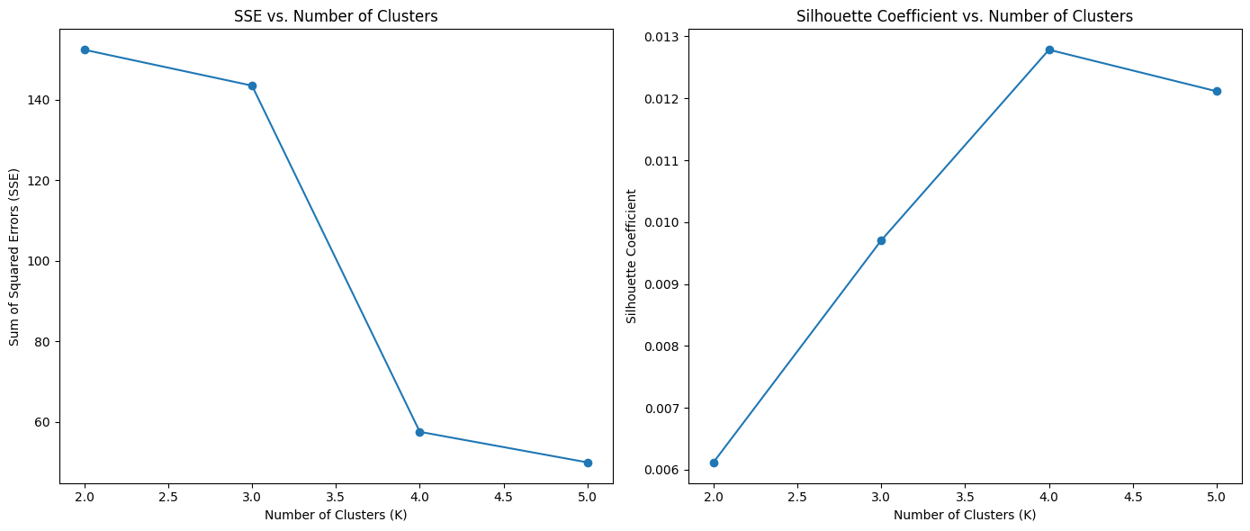

K-means with Labels
K | SSE | Silhouette Score | Iterations
2 | 152.37 | 0.00612 | 2
3 | 78.94 | 0.00927 | 4

