Collections
COLLECTIONS
 | Is a datastructure where we can store and manipulate multiple Objects. | list.add(model1) | Adding multiple objects
 |  | list.add(model2
 | Several types of collections provided by JCF

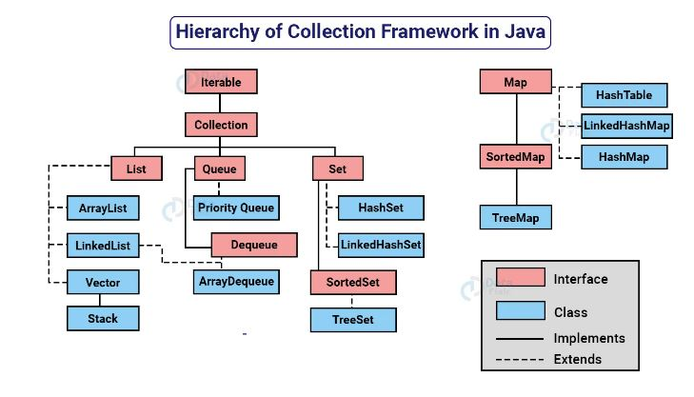

Lists: Lists allow duplicate values, meaning that you can add the same value multiple times to a list. Lists maintain the order of elements in the order they were added, so duplicate values will appear in the list in the same order they were inserted.
Sets: Sets do not allow duplicate values. When you add an element to a set, Redis ensures that each element is unique within the set. If you attempt to add a value that already exists in the set, it will be ignored, and the set will remain unchanged.

