Sheet1
MIRROR DISTORTION MEASUREMENT

Concentric Circle Image Measurement
Complete Circle: |  |  |  | 6

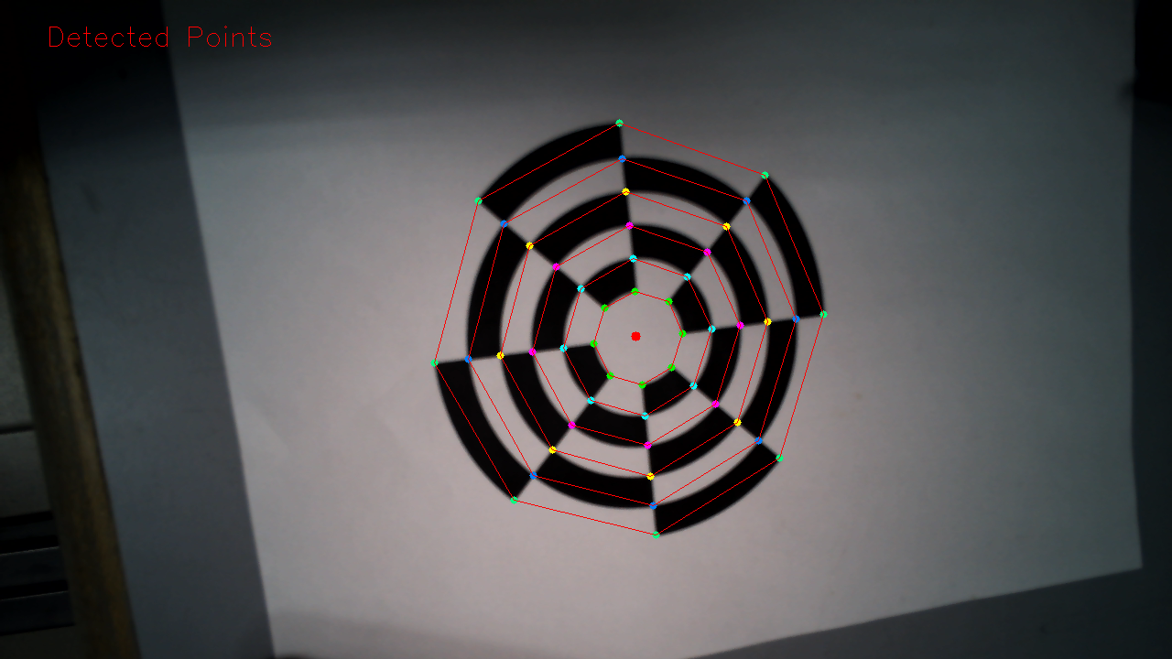
 |  | Radius (pixel)
 |  | a | b | c | d | e | f | g | h | Average | Min | Max
Circle | 1 | 46.71 | 47.51 | 49.14 | 50.24 | 51.03 | 51.70 | 51.84 | 53.25 | 50.18 | 46.71 | 53.25
 | 2 | 80.11 | 80.89 | 82.26 | 82.54 | 85.19 | 85.32 | 85.85 | 87.38 | 83.69 | 80.11 | 87.38
 | 3 | 113.50 | 113.79 | 115.10 | 116.23 | 119.51 | 120.04 | 120.14 | 121.36 | 117.46 | 113.50 | 121.36
 | 4 | 144.05 | 144.74 | 150.31 | 153.22 | 153.64 | 154.23 | 155.11 | 158.55 | 151.73 | 144.05 | 158.55
 | 5 | 175.19 | 175.21 | 185.53 | 185.78 | 189.23 | 190.10 | 190.71 | 194.75 | 185.81 | 175.19 | 194.75
 | 6 | 205.04 | 205.56 | 217.92 | 222.74 | 223.43 | 225.06 | 227.63 | 233.87 | 220.16 | 205.04 | 233.87

Distortion Result

 |  | Variance, % (Max) |  |  |  | Variance, % (Min) |  |  |  | Variance Average, %
Circle | 1 | 6.12 |  |  |  | 6.90 |  |  |  | 6.51
 | 2 | 4.40 |  |  |  | 4.28 |  |  |  | 4.34
 | 3 | 3.32 |  |  |  | 3.37 |  |  |  | 3.35
 | 4 | 4.49 |  |  |  | 5.06 |  |  |  | 4.78
 | 5 | 4.81 |  |  |  | 5.72 |  |  |  | 5.26
 | 6 | 6.23 |  |  |  | 6.86 |  |  |  | 6.55

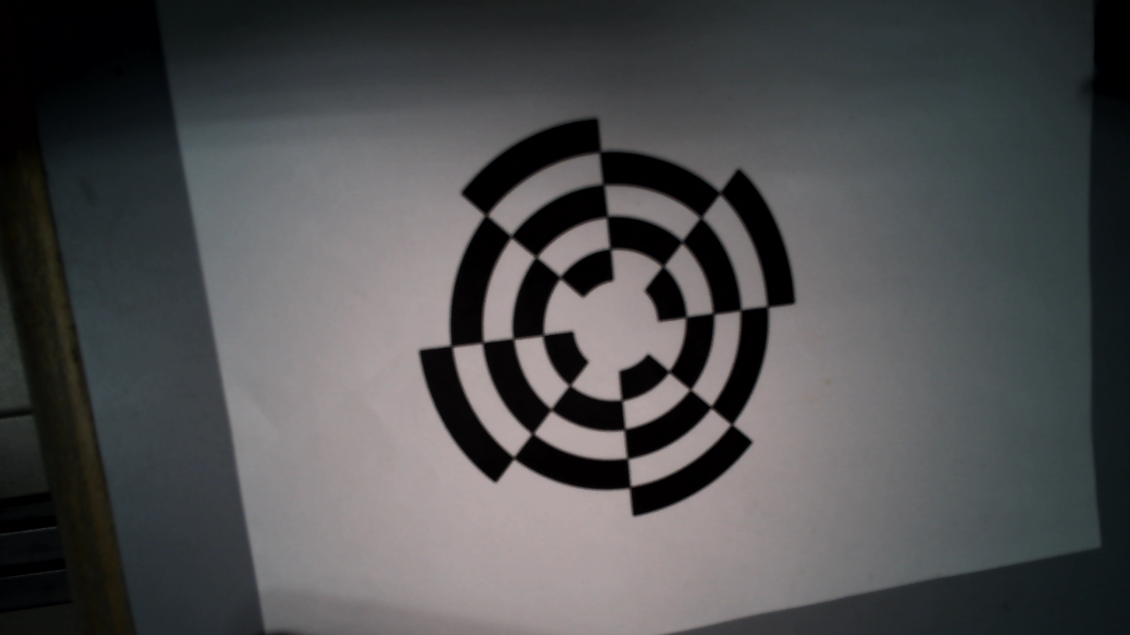
AVERAGE DISTORTION, % |  |  |  |  |  | 5.130964897628846

