Sheet1
MIRROR DISTORTION MEASUREMENT

Concentric Circle Image Measurement
Complete Circle: |  |  |  | 6

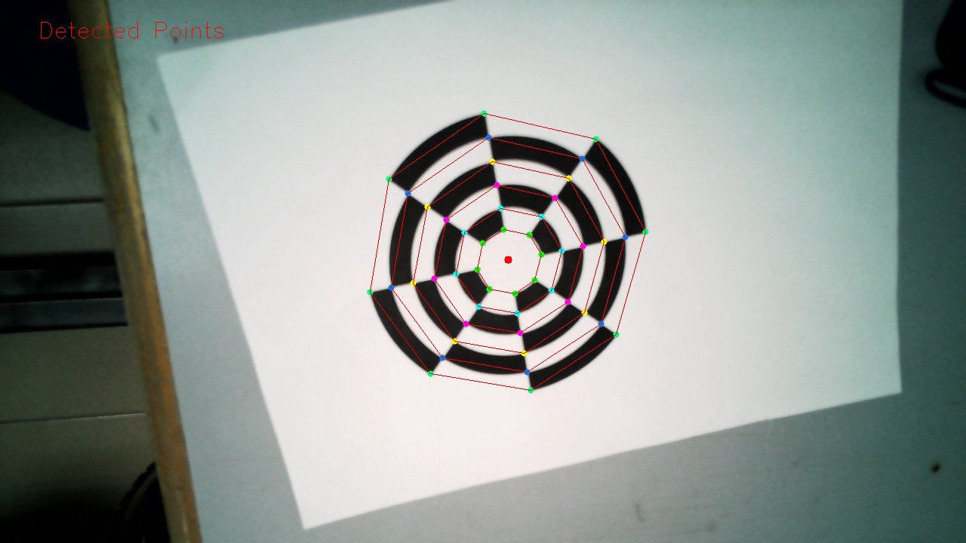
 |  | Radius (pixel)
 |  | a | b | c | d | e | f | g | h | Average | Min | Max
Circle | 1 | 40.70 | 40.98 | 43.13 | 43.39 | 43.73 | 44.13 | 45.62 | 46.42 | 43.51 | 40.70 | 46.42
 | 2 | 68.75 | 68.98 | 69.73 | 71.59 | 71.75 | 71.88 | 71.96 | 73.33 | 71.00 | 68.75 | 73.33
 | 3 | 96.35 | 98.05 | 98.12 | 100.21 | 100.38 | 101.54 | 101.89 | 102.68 | 99.90 | 96.35 | 102.68
 | 4 | 122.40 | 125.50 | 128.35 | 128.83 | 129.34 | 130.16 | 131.94 | 134.28 | 128.85 | 122.40 | 134.28
 | 5 | 149.03 | 150.82 | 156.53 | 157.46 | 159.76 | 159.96 | 164.33 | 165.89 | 157.97 | 149.03 | 165.89
 | 6 | 173.44 | 175.32 | 182.89 | 185.31 | 188.39 | 191.31 | 196.88 | 197.51 | 186.38 | 173.44 | 197.51

Distortion Result

 |  | Variance, % (Max) |  |  |  | Variance, % (Min) |  |  |  | Variance Average, %
Circle | 1 | 6.67 |  |  |  | 6.46 |  |  |  | 6.57
 | 2 | 3.29 |  |  |  | 3.16 |  |  |  | 3.23
 | 3 | 2.78 |  |  |  | 3.55 |  |  |  | 3.16
 | 4 | 4.21 |  |  |  | 5.01 |  |  |  | 4.61
 | 5 | 5.01 |  |  |  | 5.66 |  |  |  | 5.34
 | 6 | 5.97 |  |  |  | 6.94 |  |  |  | 6.46

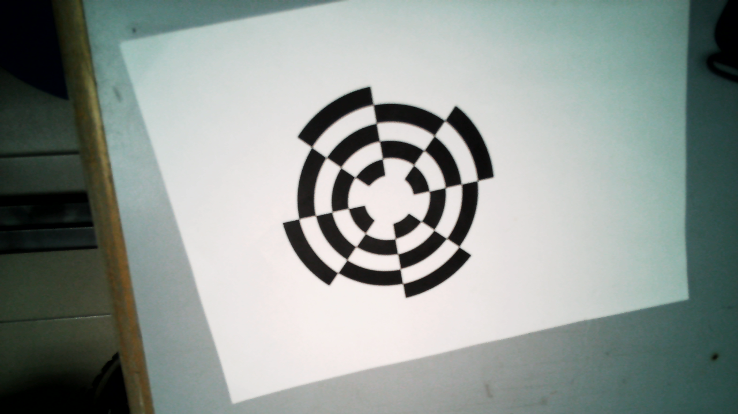
AVERAGE DISTORTION, % |  |  |  |  |  | 4.893271346237181

