1. Title Page
[Project Name]

Project Name: Instacart Grocery Basket Analysis
Date:29.Jan.2023
Analyst Name: Syed Abdul Rasheed

Contents:
Population Flow
Consistency checks
Wrangling steps
Column derivations
Visualizations
Recommendations

2. Population Flow
Title page

Population flow

Exclusion flag
Condition: max_order <
Obervations to be removed:
Final total count of order_products_all:

Orders_products_combined
Orders_products_merged
Orders_products_all

Total:32399732
Total: 32434489
Total:32399732

1.) The grey boxes in the first row of the population flow represent the original data sets as they were when you downloaded them. In the Total fields you need to add the count of the rows when you imported the data set into Jupyter.
2.) The second row of boxes (coloured) represents the data sets after you manipulated them, e.g., removed missing values and duplicates. In the Total fields you need to add the count of the rows after conducting these operations. This offers a visual oveview of how the data flows throughout the data consistency checks.
3.) The third row, where also the arrows are coloured, represents the merges you performed between the datasets. In the Total fields you need to add the count of the rows in the merged datasets, so that you end up with the final dataset (in the red box). Keep in mind the final dataset should be without exclusions (based on the exclusion flag).

3. Consistency checks
 |  |  |  | Title page
Consistency checks

Dataset | Missing values | Missing values treatment | Duplicates
orders | 206209 | Replaced with median=7 | No
products | 16 | Removed | 5
orders_products_prior | no | No missing values | No.
customers | 11259 | Removed | No.

4. Wrangling steps
 |  |  |  | Title page
Wrangling steps

Columns dropped | Columns renamed | Columns' type changed | Comment/Reason
_merge |  |  | # Dropping '_merge' column from 'orders_products_combined.pkl'
eval_set' |  |  | # Dropping 'eval_set' column from 'orders.csv'
 | order_dow |  | # Column has been renamed as 'orders_day_of_week' for self explonatery in orders.csv file
 |  | order_id | # 'order_id' column type is changed from int to string in orders.csv file
First Name |  |  | # drop the 'First Name' column from df_ords_prods_cust.pkl file for PII reasons
Surnam |  |  | # drop the 'Surnam' column from df_ords_prods_cust.pkl file for PII reasons

5. Column derivations
 |  |  |  | Title page

Column derivations and aggregations

In this tab you should add tables below that the frequences of flags/label variables that you produced after deriving them. NB: don't do this for continuous variables, only for flags.
Dataset | New column | Column/s it was derived from | Conditions
orders_products_merged.pkl | Price_rang | Price | Grouping has been done based on price
orders_products_merged.pkl | Busiest_Day' | order of a week | Grouping has been done based on orders of a week
orders_products_merged.pkl | loyalty_flag | max orders | Grouping has been done based on max orders of a customer. Like if the customer make more orders, he is Loyal customer. If he make normal orders , he is a regular customer
orders_products_merged.pkl | spending_flag | average_price | Grouping has been done based on average price he is spending for the products. Like if the customer make low average spending, he is low spending customer. If he make high average spending , he is a high spending customer
orders_products_merged.pkl | criteria_flag | days_since_prior_order_median | Grouping has been made by days since prior order median value. If the days since prior order median value is high then he is a non-frequent customer. If the days since prior order median value is low then he is a frequent customer.
ords_prods_cust.pkl | Age_Flag | Age | Grouping has been done based on Age
ords_prods_cust.pkl | income_flag | income | Grouping has been done based on income
ords_prods_cust.pkl | dependent_Flag | no of dependents | Grouping has been done based on number of dependents
ords_prods_cust.pkl | day_of_week | day of a week | Grouping has been done based on days of a week like Sunday, Saturday etc..
ords_prods_cust.pkl | order_of_day | order hours in a day | Grouping has been done based on order hours in a day like 9 uhr, 10 hour etc…

6. Visualizations
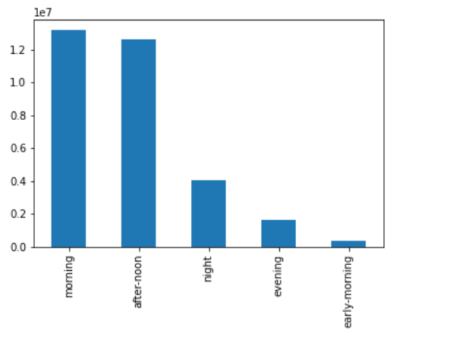
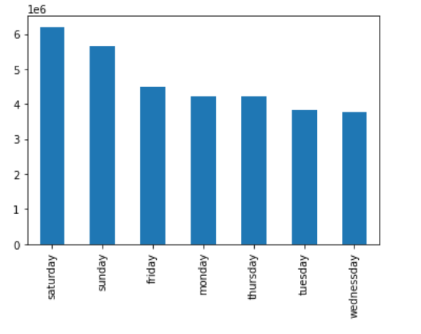
 |  |  | Title page

Visualisations

In this tab you should include all the visualtions from Exercises 4.9 and 4.10, alongside the questions from the project brief that they answer. Include any commentary on the relationship between different variables.

This Bar chart Shows the Order day of a week |  |  | This Bar chart Shows the Loyalty Flag


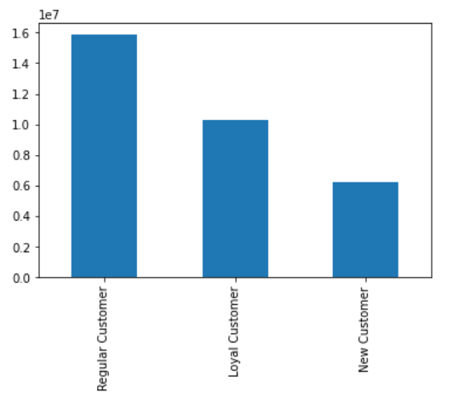

 | This Histogram Shows the Order hours of a day |  | This Scatter plot Shows the Prices of the products

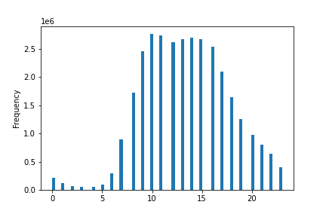

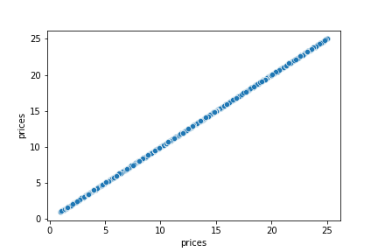

 | This Line Chart Shows the Relation between Order hours of a day and Prices |  |  |  | This Line Chart Shows the Relation between Age and Number of dependents

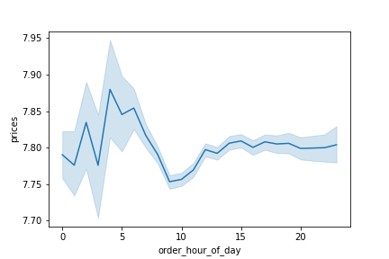

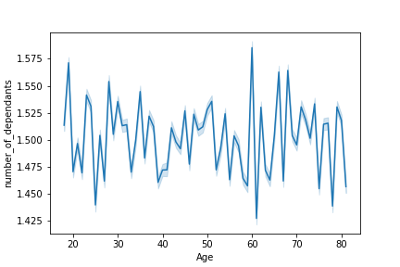

This Line Chart Shows the Relation between Family status and Age |  |  |  | This Scatter plot Shows the Relation between Age and Income
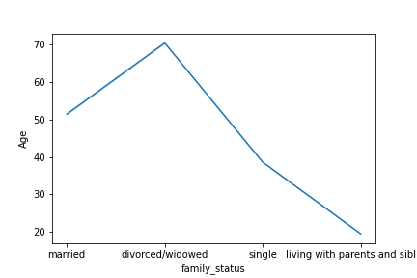

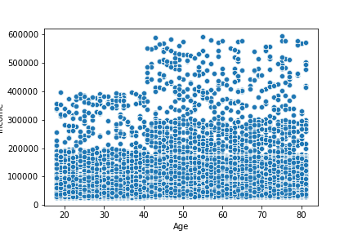

 |  | Age-flag |  |  | Income flag

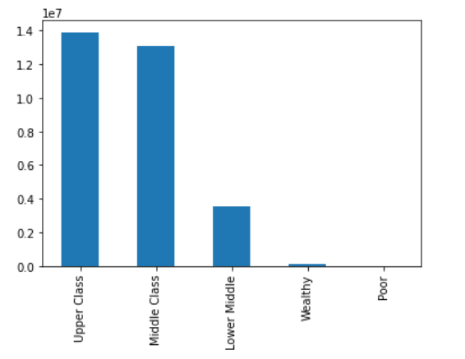
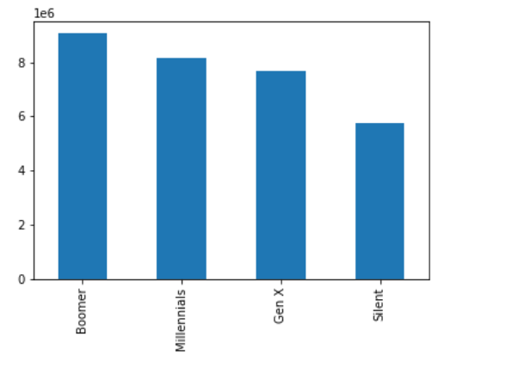

 |  |  |  |  | Dependent flag
 |  | Department- flag
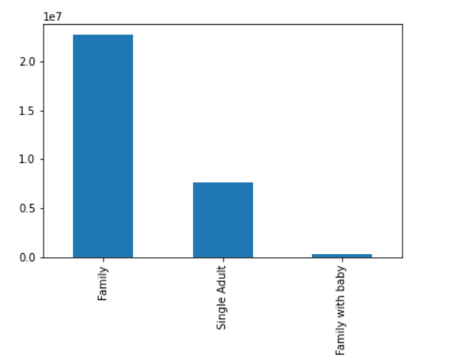
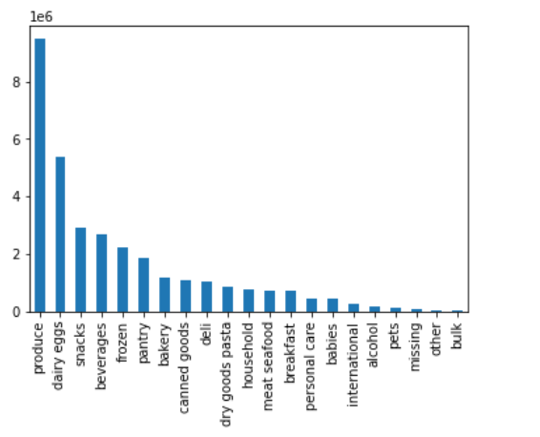

 |  |  |  |  | Order of the dayflag
 |  | Day of week flag

7. Recommendations
 |  |  |  | Title page

Recommendations

In this tab you should include any recommendations you would made to Instcart in terms of their marketing strategy based on the questions posed in the brief. Every key question has been covered in the Tasks of the Exercises - here you need to add an item - a visualisation or table/crosstable that is showing the answer in the data, acompanied by a comment from you. Please, list the questions below and add the answer underneath.

 | Question | Answer
1. | The sales team needs to know what the busiest days of the week and hours of the day are | This Bar chart Shows the Order day of a week
 | (i.e., the days and times with the most orders) in order to schedule ads at times when there are fewer orders.

 |  | The Bar chart shows that Saturday is the busiest day and wednessday and Thursday are the least busy days. They can schedule adds in these days

 |  | This Histogram Shows the Order hours of a day

 |  | According to the Histogram above, in the day from 9-16 is the bussiest hours of the day.
 |  | They can schedule the adds befre 9 and after 16 O-clock.

2. | They also want to know whether there are particular times of the day when people spend
 | the most money, as this might inform the type of products they advertise at these times. | This Line Chart Shows the Relation between Order hours of a day and Prices

 |  | According to the line chart above, people used to spent more money between 1 to 5 am of the day. Along with this in the busy hours of the day from 9 to 16 also people used to spent more money.

3. | Instacart has a lot of products with different price tags. |  |  | Populer products
 | Marketing and sales want to use simpler price range groupings to help direct their efforts.
 | Are there certain types of products that are more popular than others?
 | The marketing and sales teams want to know which departments have the highest frequency of product orders.

4. | The marketing and sales teams are particularly interested in the different types of
 | customers in their system and how their ordering behaviors differ. For example:
 | ● What’s the distribution among users in regards to their brand loyalty (i.e., how often do they return to Instacart)?

 |  |  | The distribution among users are categorized under regular customers, loyal customers and new customers.
 |  |  | Most of the customers are Regular Customers

5. | Are there differences in ordering habits based on a customer’s loyalty status? |  | There are differences in ordering habits based on a customer's loyalty status.
 |  |  | The highest mean orders per the customer's loyalty status are new customers followed by regular customers. Loyal customers have the lowest mean.
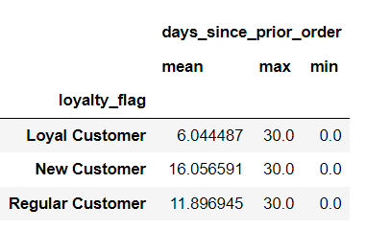

 | Are there differences in ordering habits based on a customer’s region? | There does appear to be adifference in ordering habits based on a customeer's region. The mean of orders are around 11 days.

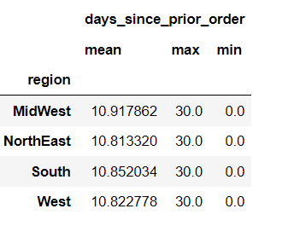

 | Is there a connection between age and family status in terms of ordering habits? |  | Highest married people in the age flag of Boomers are highest orders

 | What different classifications does the demographic information suggest? Age? Income? Certain types of goods? Family status?

 |  |  | Age-flag

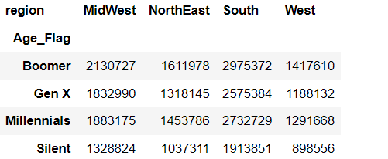

 |  |  | Income flag

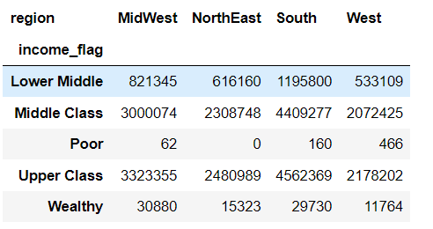

 |  |  | dependent flag

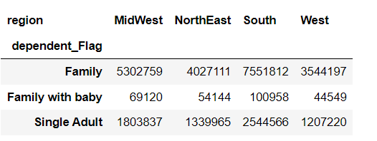

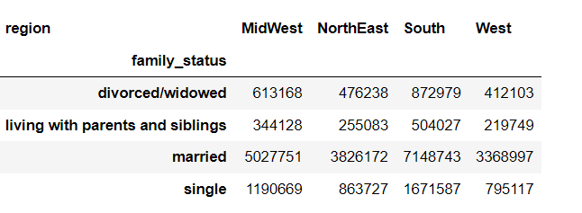

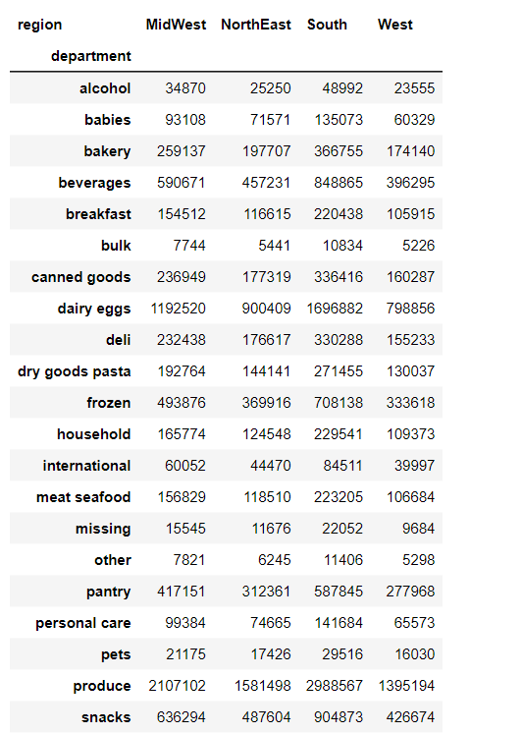

 | What differences can you find in ordering habits of different customer profiles?
 | Consider the price of orders, the frequency of orders, the products customers are ordering, and anything else you can think of.

 | Yes

