Table 1
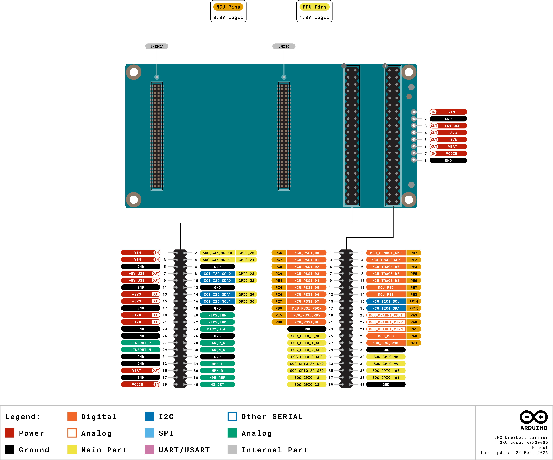
User Manual SKU: ASX00085
Description The Arduino UNO Breakout Carrier is designed to give developers complete, direct access to every signal available on the UNO Q’s JMEDIA and JMISC high-speed connectors. Ideal for advanced prototyping, testing, and integration work, it exposes all lines — including high-speed video, camera, audio, I²C, SPI, UART, PWM, power rails, and control signals — to clearly labeled, easy-to-use breakout headers. Target Areas Rapid Prototyping, Proof of Concept, Edge AI, Research and Development

 |  | 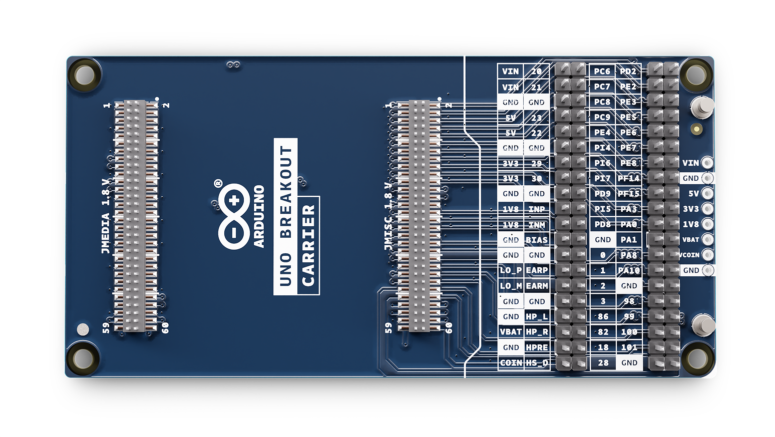
Features Connectors Two 2x20 Male Headers (2.54 mm) Two 2x30 Male Headers ( JMEDIA and JMISC 1.27 mm) 1x8 through-hole pads (2.54 mm) Power Powered from the host UNO Q VIN input power rails (+7-24 VDC)
I/O I2C Microphone In / Headphone Out Earphone Out Audio Line Out PWM PSSI GPIO SPI OPAMP
Contents
1 Application Examples 4 1.1 Related Products 5 2 Ratings 5 2.1 Recommended Operating Conditions 5 3 Functional Overview 5 3.1 Board Topology 5 3.2 Pinout 6 3.2.1 J14 7 3.2.2 J15 8 3.2.3 JMEDIA 9 3.2.4 JMISC

1 Application Examples Embedded Hardware Development: Custom Interface Boards: Rapidly design and test custom peripherals for the Arduino UNO Q. By providing direct access to the JMEDIA and JMISC connectors, developers can seamlessly route I2C, SPI, UART, and GPIO signals to custom interface boards without the need for complex adapters or soldering. Multimedia System Integration: Leverage the comprehensive breakout of audio interfaces (HP OUT, LINE OUT, MIC IN, EAR OUT, PWM) to integrate the UNO Q into advanced multimedia and smart audio systems. The clearly labeled 2.54 mm male headers simplify wiring and testing, accelerating the development of complex embedded audio applications. Rapid Hardware Prototyping: Expand the UNO Q's capabilities by easily integrating third-party modules and external hardware components. The carrier's direct access to power rails and communication buses makes it an ideal platform for building out proofs of concept for advanced IoT, multimedia, and edge computing devices. R&D and Testing: Automated Lab Setups: Build reliable, organized, and accessible automated test rigs for hardware validation. The Breakout Carrier exposes all critical UNO Q control signals to standard headers, allowing test engineers to quickly connect measurement equipment and script automated QA tests for complex systems. Interface Compliance Testing: Streamline the verification process for new system designs. Engineers can connect oscilloscopes and logic analyzers directly to the carrier’s accessible pins to probe high-speed communication buses, power rails, and PSSI interfaces, ensuring strict electrical and protocol timing compliance. Mixed-Signal Debugging: Speed up troubleshooting during product development by providing immediate, clear access to audio and control signals. Teams can isolate issues and verify signal integrity safely without the risk of damaging the main UNO Q board or fabricating temporary breakout solutions. Education: Hardware Prototyping Course

1.1 Related Products Arduino UNO Q (SKU: ABX00162 - ABX00173)
2 Ratings
2.1 Recommended Operating Conditions
Symbol | Description | Min | Typ | Max | Unit
T | Conservative thermal limits | -10 | 20 | 60 | °C
VIN | Input voltage from VIN pad | 7 | - | 24 | V
3 Functional Overview The UNO Breakout Carrier expands the connectivity of the Arduino UNO Q, featuring a variety of 2.54 mm male header connectors. 3.1 Board Topology
Top view - connectors
 | 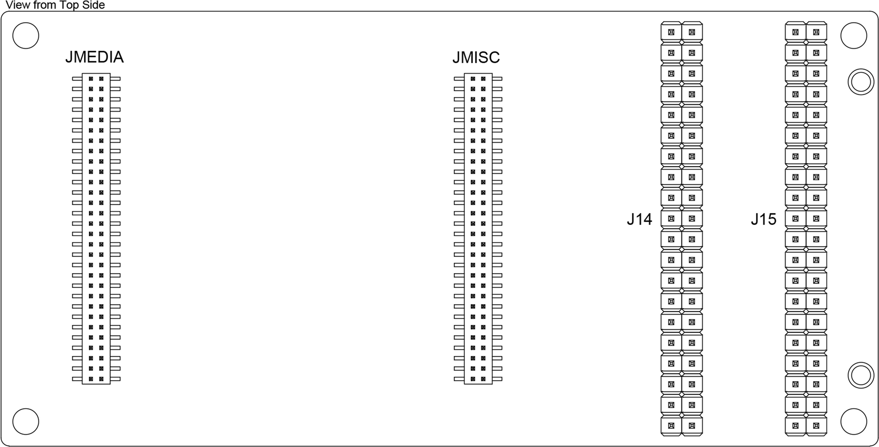
Ref. | Description
J14 | Male header connector 2x20 2.54 mm
J15 | Male header connector 2x20 2.54 mm
JMEDIA | High-speed male header connector 2x30 1.27 mm
JMISC | High-speed male header connector 2x30 1.27 mm
3.2 Pinout The UNO Breakout Carrier pinout is shown in the following figure.
UNO Breakout Pinout

Table 5
Pin |  | Function |  | Type |  | Description
42 |  | NC |  | None |  | Not Connected
43 |  | GND |  | Ground |  | Ground
44 |  | GND |  | Ground |  | Ground
45 |  | NC |  | None |  | Not Connected
46 |  | NC |  | None |  | Not Connected
47 |  | NC |  | None |  | Not Connected
48 |  | NC |  | None |  | Not Connected
49 |  | GND |  | Ground |  | Ground
50 |  | GND |  | Ground |  | Ground
51 |  | CCI_I2C_SCL0 / GPIO_23 |  | I2C |  | MPU GPIO
52 |  | NC |  | None |  | Not Connected
53 |  | CCI_I2C_SDA0 / GPIO_22 |  | I2C |  | MPU GPIO
54 |  | NC |  | None |  | Not Connected
55 |  | GND |  | Ground |  | Ground
56 |  | GND |  | Ground |  | Ground
57 |  | VIN |  | Power In |  | Voltage Input
58 |  | +3V3 |  | Power Out |  | +3.3V Power Output
59 |  | VIN |  | Power In |  | Voltage Input
60 |  | +3V3 |  | Power Out |  | +3.3V Power Output
3.2.4 JMISC
Pin | Function |  | Type |  | Description
1 | MCU_PSSI_D0 / PC6 |  | Digital |  | MCU GPIO
2 | MCU_SDMMC1_CMD / PD2 |  | Digital |  | MCU GPIO
3 | MCU_PSSI_D1 / PC7 |  | Digital |  | MCU GPIO
4 | MCU_TRACE_CLK / PE2 |  | Digital |  | MCU GPIO
5 | MCU_PSSI_D2 / PC8 |  | Digital |  | MCU GPIO
6 | MCU_TRACE_D0 / PE3 |  | Digital |  | MCU GPIO
7 | MCU_PSSI_D3 / PC9 |  | Digital |  | MCU GPIO
8 | MCU_TRACE_D2 / PE5 |  | Digital |  | MCU GPIO
9 | MCU_PSSI_D4 / PE4 |  | Digital |  | MCU GPIO
10 | MCU_TRACE_D3 / PE6 |  | Digital |  | MCU GPIO
11 | MCU_PSSI_D5 / PI4 |  | Digital |  | MCU GPIO
12 | MCU_PE7 / PE7 |  | Digital |  | MCU GPIO
13 | MCU_PSSI_D6 / PI6 |  | Digital |  | MCU GPIO
14 | MCU_PE8 / PE8 |  | Digital |  | MCU GPIO
15 | MCU_PSSI_D7 / PI7 |  | Digital |  | MCU GPIO
16 | MCU_I2C4_SCL / PF14 |  | Digital / I2C |  | MCU GPIO
17 | MCU_PSSI_PDCK / PD9 |  | Digital |  | MCU GPIO
18 | MCU_I2C4_SDA / PF15 |  | Digital / I2C |  | MCU GPIO
19 | MCU_PSSI_RDY / PI5 |  | Digital |  | MCU GPIO
20 | MCU_OPAMP1_VOUT / PA3 |  | Analog |  | MCU GPIO / OPAMP OUT
21 | MCU_PSSI_DE / PD8 |  | Digital |  | MCU GPIO
22 | MCU_OPAMP1_VINP / PA0 |  | Analog |  | MCU GPIO / OPAMP IN +
23 | MCU_MCO / PA8 |  | Digital |  | MCU GPIO
24 | MCU_OPAMP1_VINM / PA1 |  | Analog |  | MCU GPIO / OPAMP IN -
25 | MCU_CRS_SYNC / PA10 |  | Digital |  | MCU GPIO
26 | GND |  | Ground |  | Ground
27 | GND |  | Ground |  | Ground
28 | EAR_P_R |  | Analog |  | Ear Right Positive
29 | MIC2_INP |  | Analog |  | Microphone Input Positive
30 | EAR_M_R |  | Analog |  | Ear Right Negative
31 | MIC2_INM |  | Analog |  | Microphone Input Negative
32 | LINEOUT_P |  | Analog |  | Audio Line Out Positive
33 | MIC2_BIAS |  | Analog |  | Microphone Bias
34 | LINEOUT_M |  | Analog |  | Audio Line Out Negative
35 | GND |  | Ground |  | Ground
36 | HPH_L |  | Analog |  | Headphone Left
37 | SOC_GPIO_0_SE0 |  | Digital |  | MPU GPIO
38 | HPH_R |  | Analog |  | Headphone Right
39 | SOC_GPIO_1_SE0 |  | Digital |  | MPU GPIO
40 | HPH_REF |  | Analog |  | Headphone Reference
41 | SOC_GPIO_2_SE0 |  | Digital |  | MPU GPIO
42 | HS_DET |  | Analog |  | Headset Detection
43 | SOC_GPIO_3_SE0 |  | Digital |  | MPU GPIO
44 | GND |  | Ground |  | Ground
45 | SOC_GPIO_86_SE0 |  | Digital |  | MPU GPIO
46 | SOC_GPIO_98 |  | Digital |  | MPU GPIO
47 | SOC_GPIO_82_SE0 |  | Digital |  | MPU GPIO
48 | SOC_GPIO_99 |  | Digital |  | MPU GPIO
49 | SOC_GPIO_18 |  | Digital |  | MPU GPIO
50 | SOC_GPIO_100 |  | Digital |  | MPU GPIO
51 | SOC_GPIO_28 |  | Digital |  | MPU GPIO
52 | SOC_GPIO_101 |  | Digital |  | MPU GPIO
53 | +3V3 |  | Power Out |  | +3.3V Power Output
54 | +5V USB |  | Power Out |  | +5V USB Power Output
55 | +3V3 |  | Power Out |  | +3.3V Power Output
56 | +5V USB |  | Power Out |  | +5V USB Power Output
57 | +1V8 |  | Power Out |  | +1.8V Power Output
58 | GND |  | Ground |  | Ground
59 | VCOIN |  | Power In |  | Coin Cell / RTC Backup Voltage Input
60 | VBAT |  | Power Out |  | +3.8V Buck Converter Output
3.3 Block Diagram An overview of the UNO Breakout Carrier high-level architecture is illustrated in the figure below.
UNO Breakout Carrier Block Diagram
 |  | 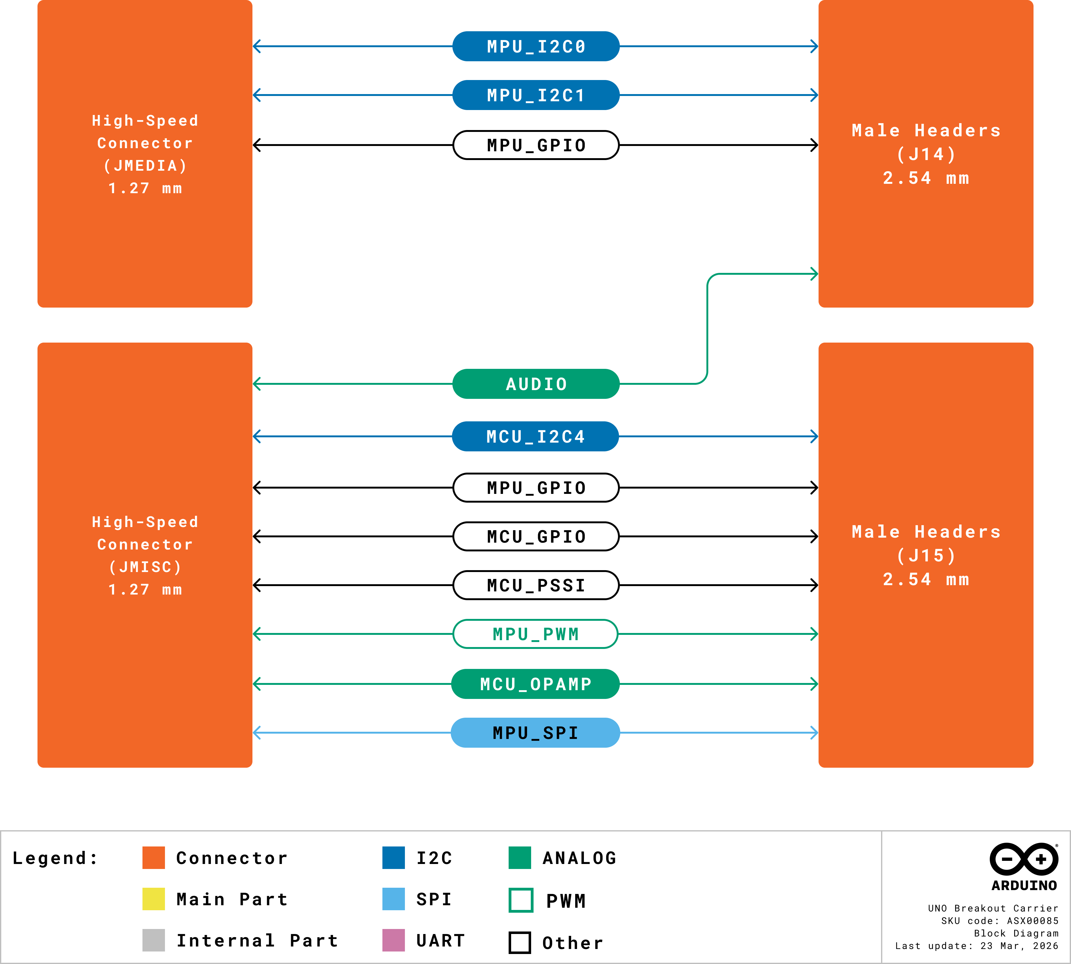

4 Device Operation
4.1 Getting Started If you want to program your UNO Q to use the UNO Breakout Carrier while oﬄine, you need to install the Arduino® App Lab [1]. To connect the UNO Q to your computer, you will need a USB cable or an internet connection (Network Mode), which can also provide power to the board. 4.2 Online Resources Now that you have learned the basics of what you can do with the carrier, you can explore its endless possibilities by checking out exciting projects on Arduino Project Hub [4], the Arduino Library Reference [5], and the online store [6]. Here, you can complement your board with sensors, actuators and more.
5 Mechanical Information
5.1 Board Dimensions The outline and dimensions of the UNO Breakout Carrier and mounting holes can be seen in the following figure; all the dimensions are in mm.
Board outline and screw holes
 |  | 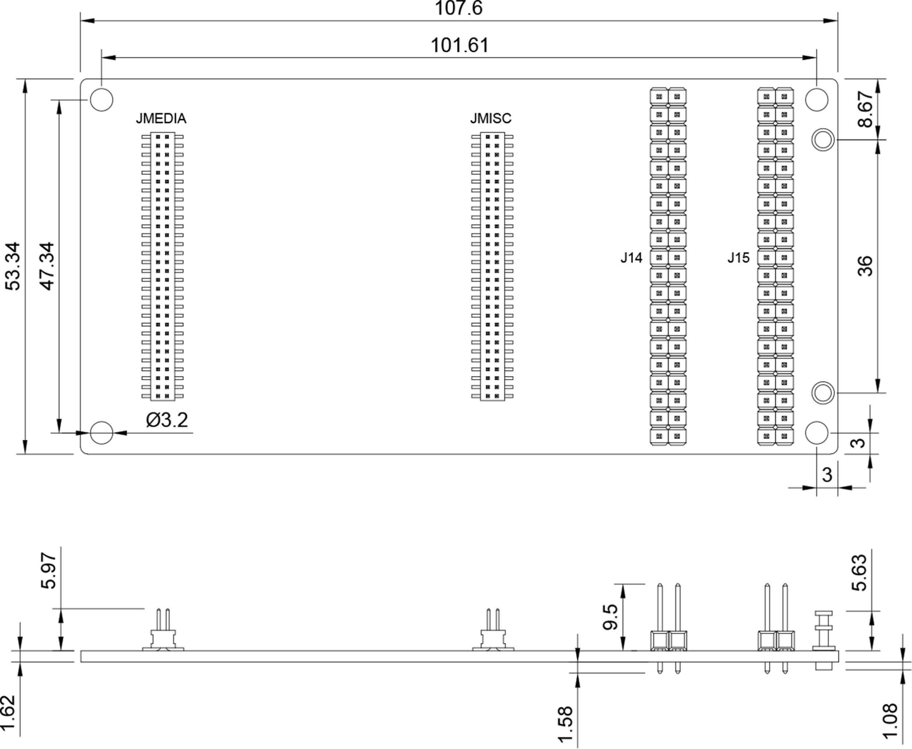
5.2 Board Connectors The UNO Breakout Carrier's connectors are placed on the top side of the board, as shown in the figure below; all the dimensions are in mm.
Mechanical View of UNO Breakout Carrier's Connectors
 |  | 