Vlookup Exact Match_1
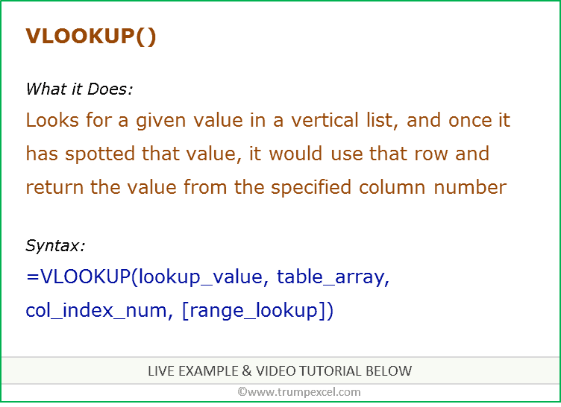
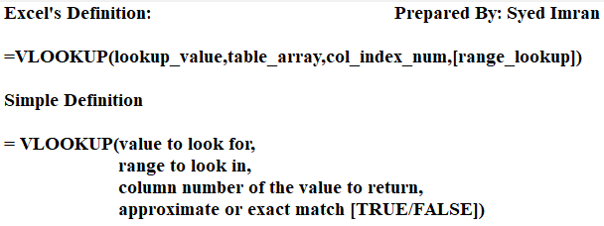
Customer ID | Name | Notes
1 | Tres Delicious | High Maintenance, not sure if it's worth havingthem as a customer, but don't tell them that!
2 | ABC Groceries | Friendly but a little old school. Talks way too much, set a time limit on calls. | Customer ID | 5
3 | ACME Bites | One ofour best customers likes to talk about sports. | Name | Park & Shop Convenience Stores
4 | Wholesome Foods | CEO has three kids, first one is Charies, don't know the rest. CEO cares about Charies the most, so all good.
5 | Park & Shop Convenience Stores | New customer,make sure toplease them!

