Introduction
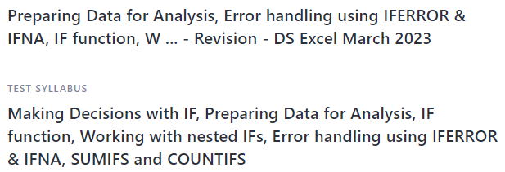

Question_1
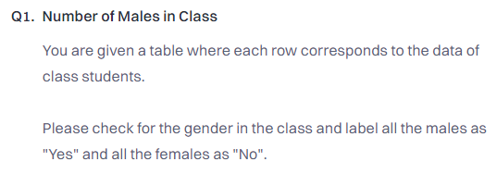
Preparing Data for Analysis, Error handling using IFERROR & IFNA, IF function, W ... - Post Class

