GAN-VAE-LGBM
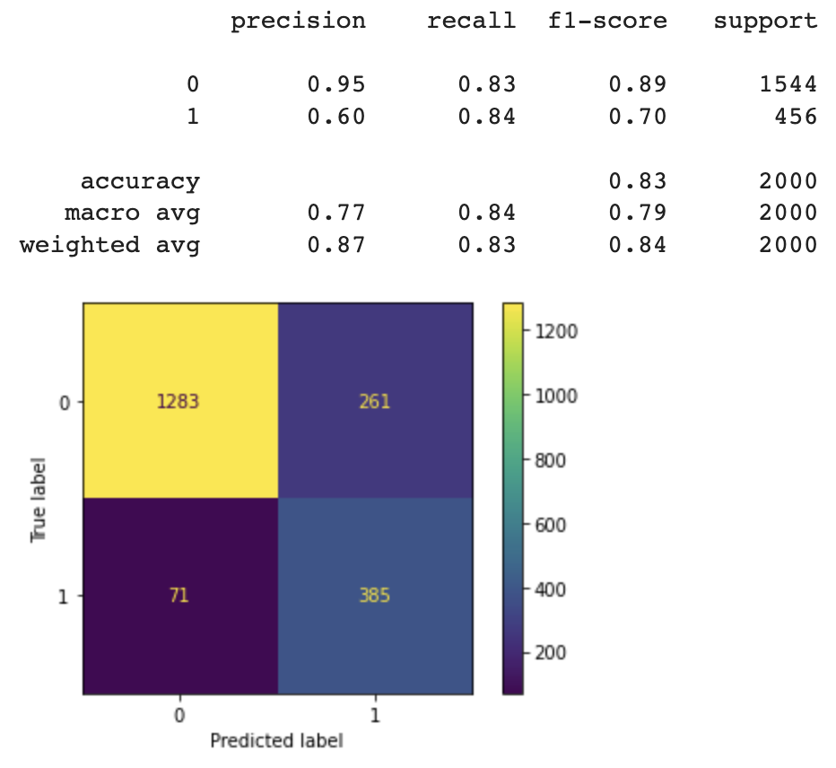
Model Name | Number of records | Epochs | batch_size | generator_dim | discriminator_dim |  | Model Name | Number of records | Epochs | batch_size | compress_dims | decompress_dims
GAN-LGBM | 10000 | 100 | 100 | 256, 256, 256 | 256, 256, 256 |  | VAE-LGBM | 10000 | 100 | 100 | 256, 256, 256 | 256, 256, 256

 | Model performance on Synthetic dataset |  |  |  |  | Model performance on original dataset | Model performance on Synthetic dataset |  |  |  |  | Model performance on original dataset
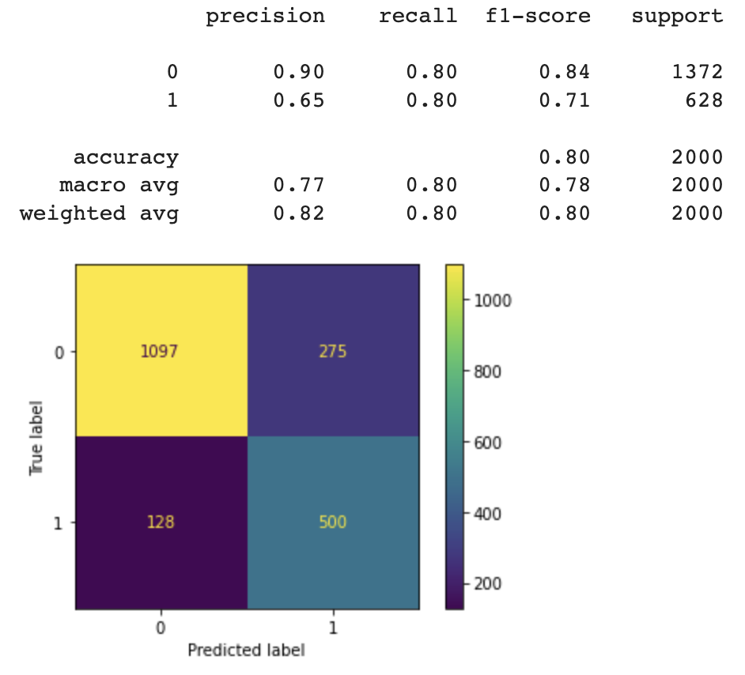
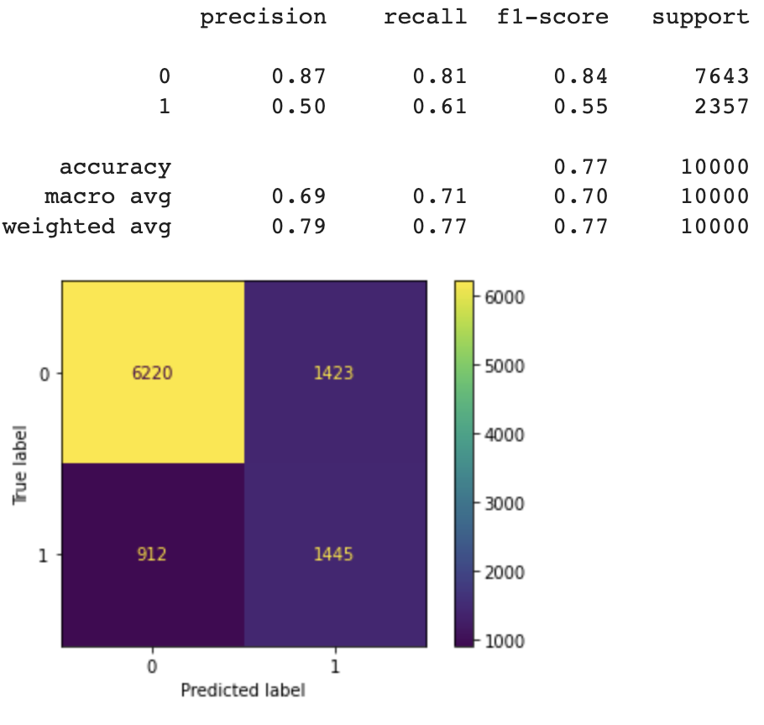
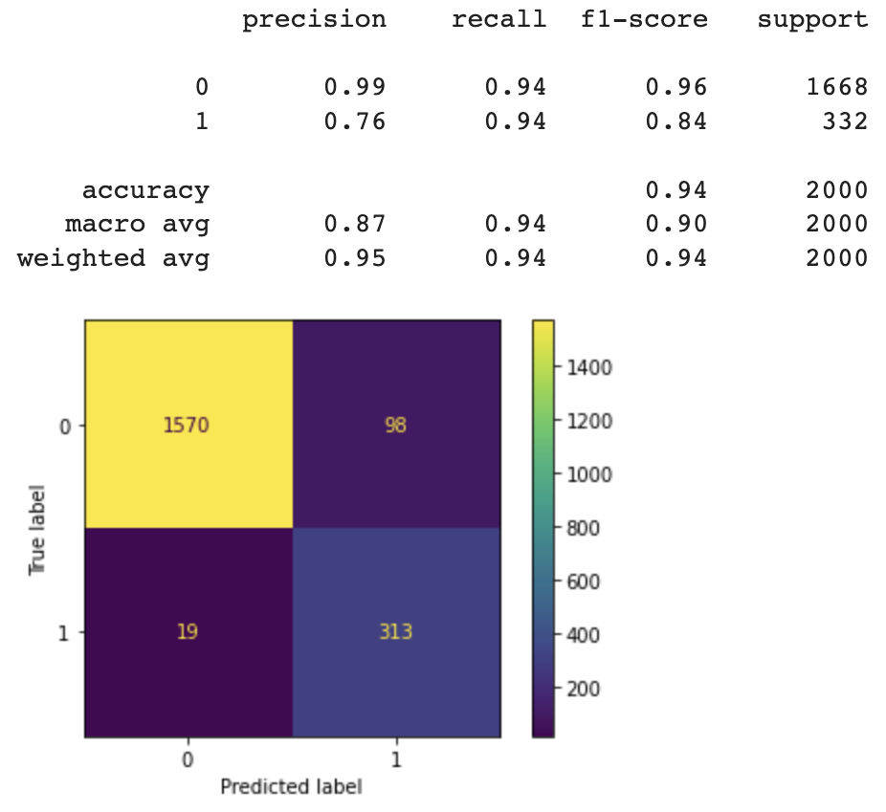
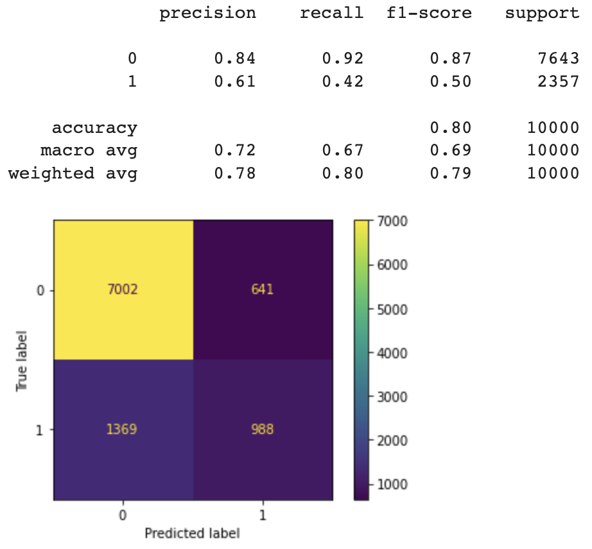

Model Name | Number of records | Epochs | batch_size | generator_dim | discriminator_dim |  | Model Name | Number of records | Epochs | batch_size | compress_dims | decompress_dims
GAN-LGBM | 10000 | 200 | 100 | 256, 256, 256 | 256, 256, 256 |  | VAE-LGBM | 10000 | 100 | 100 | 256, 256, 256 | 256, 256, 256

 | Model performance on Synthetic dataset |  |  |  |  | Model performance on original dataset | Model performance on Synthetic dataset |  |  |  |  | Model performance on original dataset
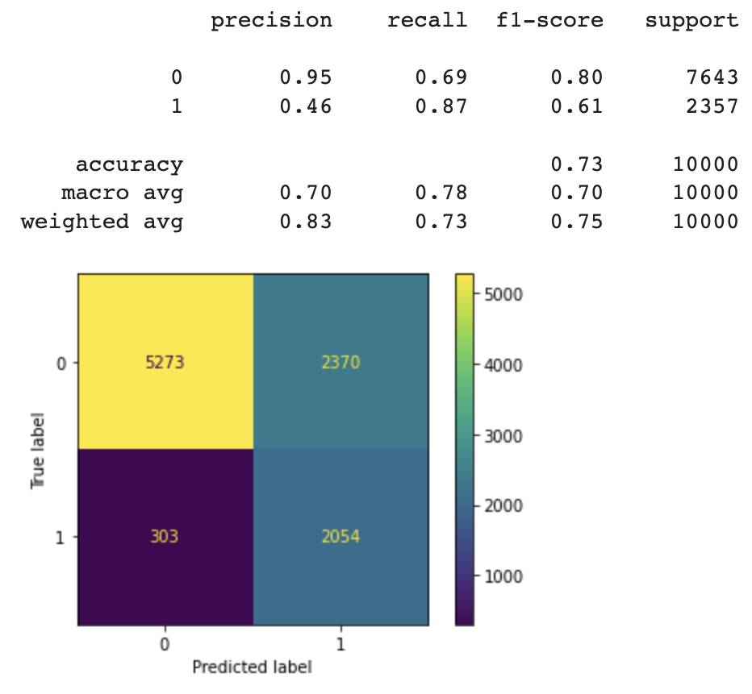
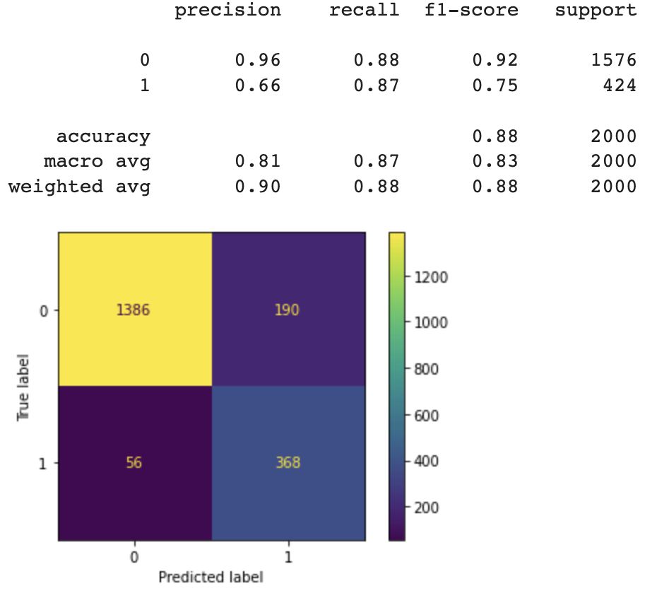
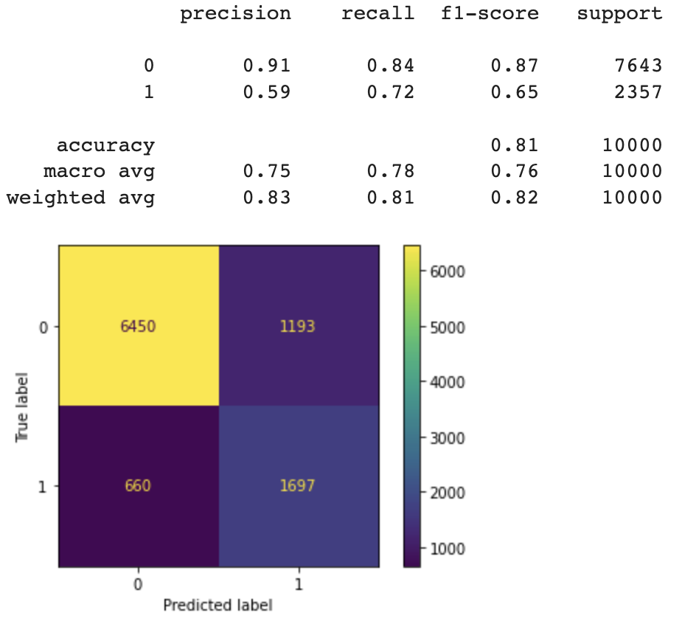
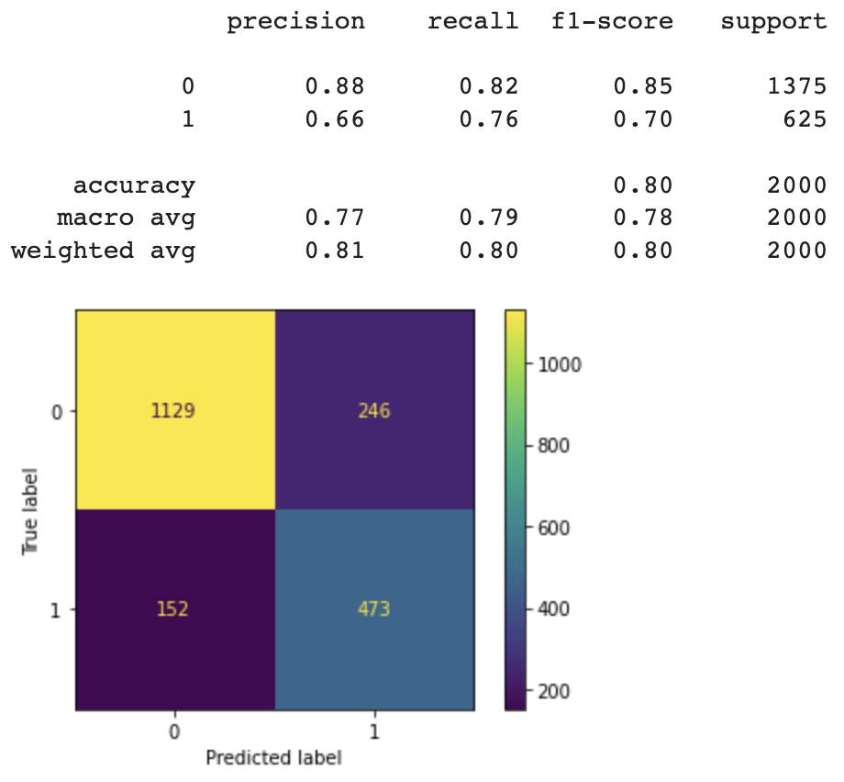

Model Name | Number of records | Epochs | batch_size | generator_dim | discriminator_dim |  | Model Name | Number of records | Epochs | batch_size | compress_dims | decompress_dims
GAN-LGBM | 20000 | 100 | 100 | 256, 256, 256 | 256, 256, 256 |  | VAE-LGBM | 20000 | 100 | 100 | 256, 256, 256 | 256, 256, 256

 | Model performance on Synthetic dataset |  |  |  |  | Model performance on original dataset | Model performance on Synthetic dataset |  |  |  |  | Model performance on original dataset
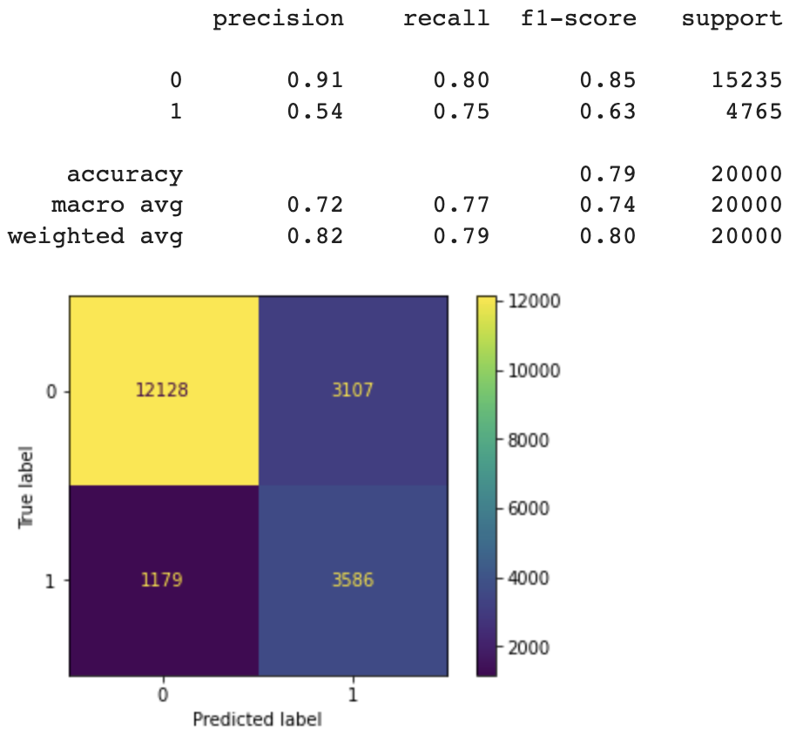
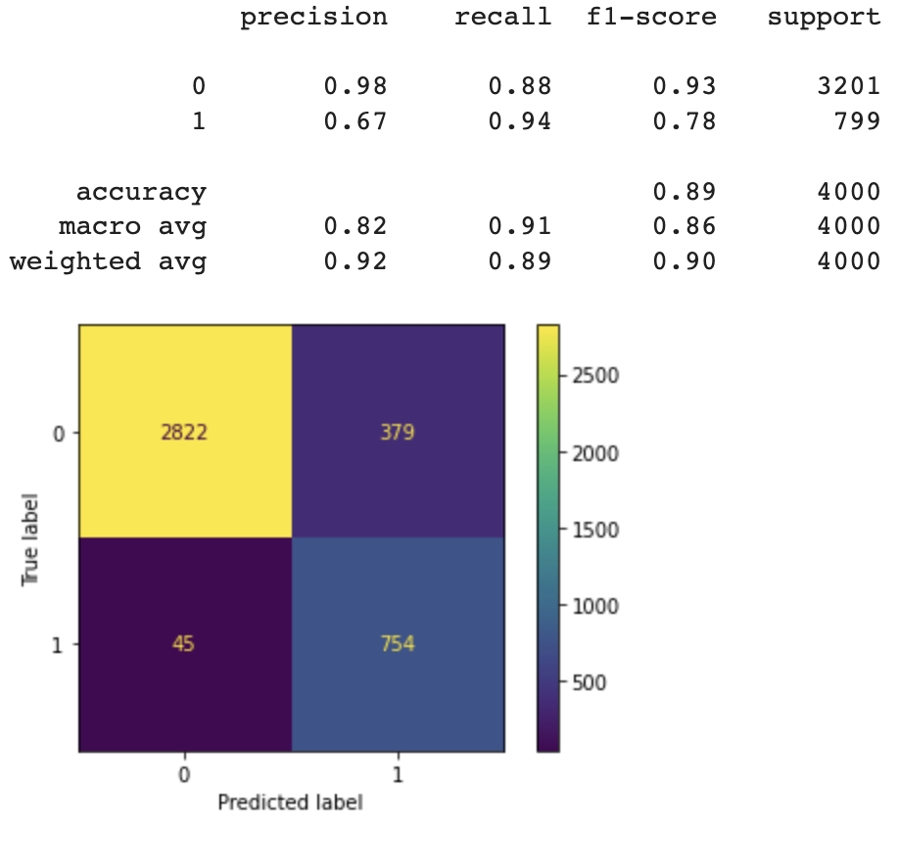
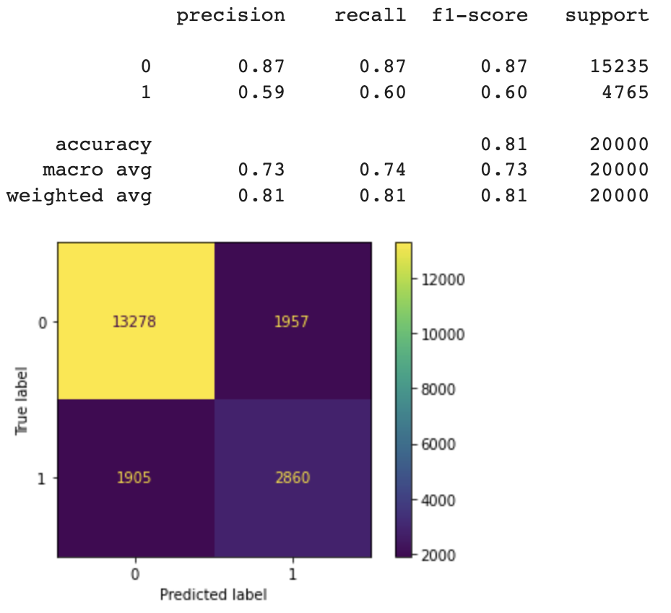
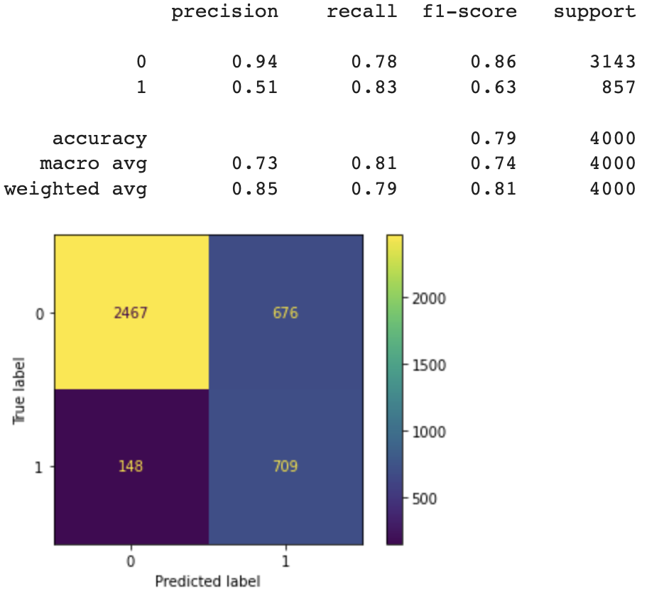

 | Original Dataset

Final
Original data

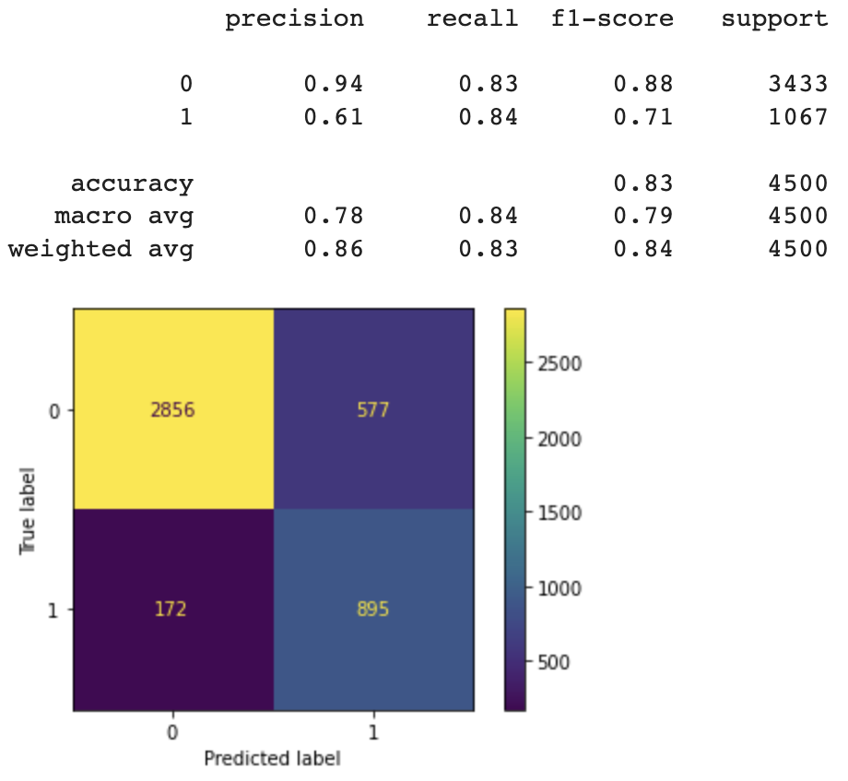

F1-score | 0.7

Synthetic data - GAN |  | Original data - GAN
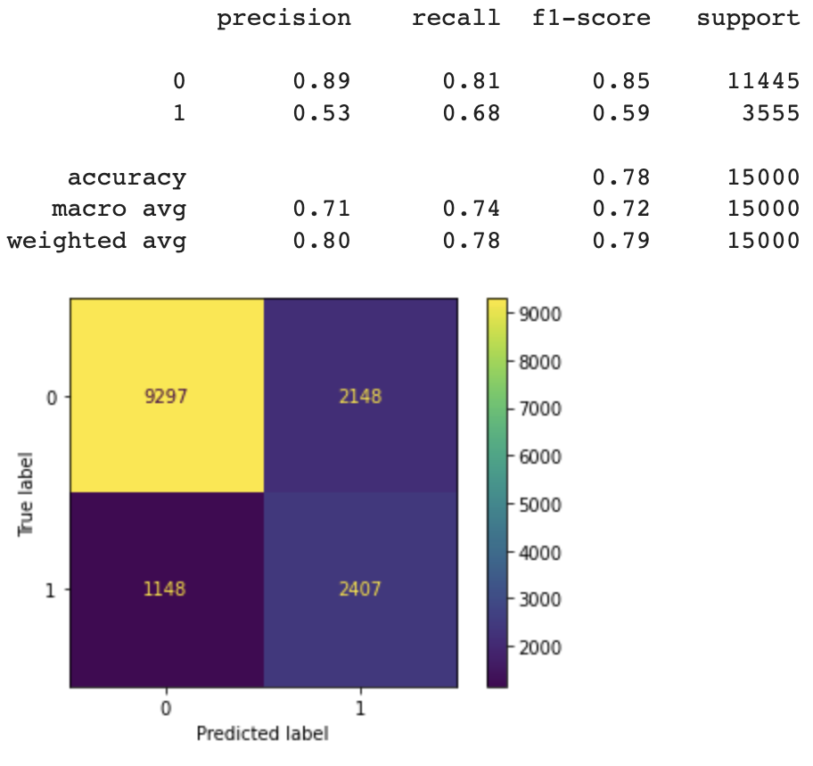
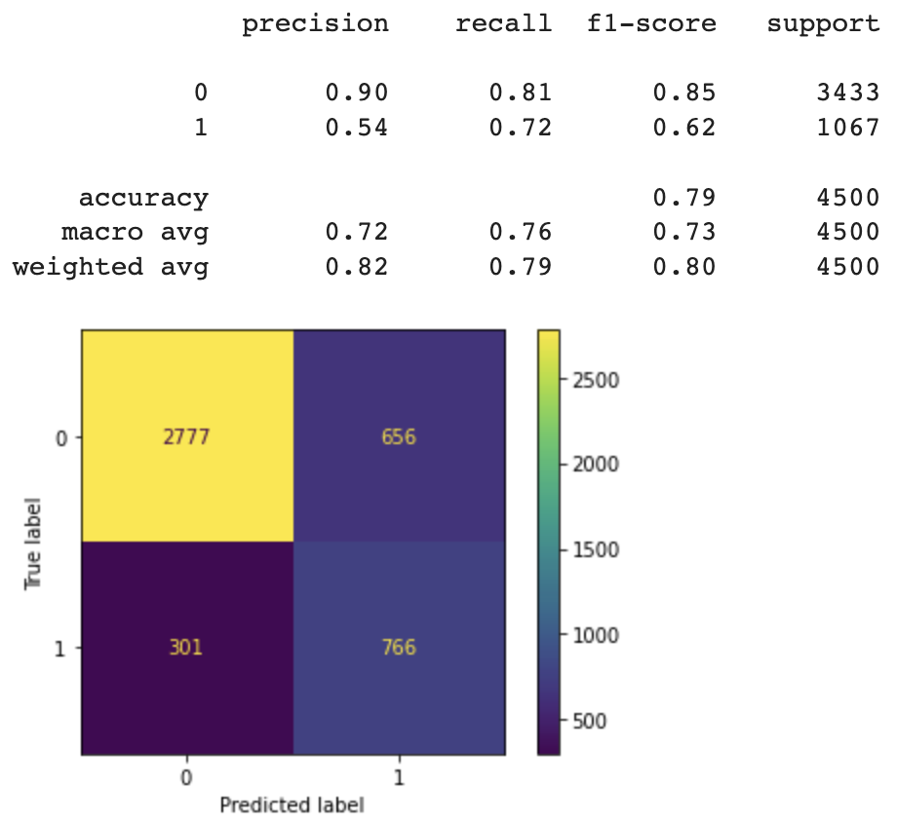

F1-score | 0.61 | F1-score | 0.59

Synthetic data - VAE |  | Original data - VAE

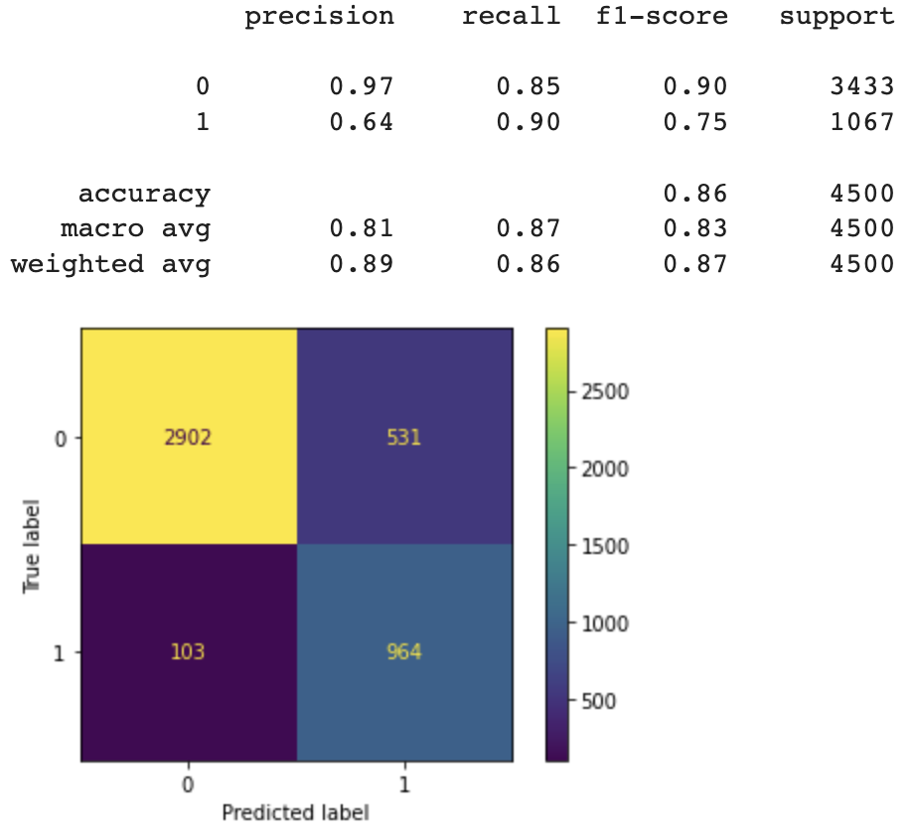


F1-score | 0.75 | F1-score | 0.62

