8. Winding Heating
 |  | PRODUCT ACCEPTANCE TEST - Winding Heating

Coollant and Test Room Environment 冷却系统和测试环境
D.U.T. Control Mode 被测电机控制模式 |  | Rotating Direction 运转方向 |  | DC BUS Voltage 直流电压 | Phase Current Setting Point相电流设定 |  | Speed Set Point 速度设定点 | Coolant 冷却介质 |  | Ambient Room Temp 环境温度
 |  |  |  | [VDC] | [Arms] |  | [rpm] | Temp温度 [°C] | Flow流量 [L/min] | [°C]
Traction & Torque牵引和扭矩 |  | Positive正转 |  | 600 | 100 |  | 500 | 55 | 8 | 20
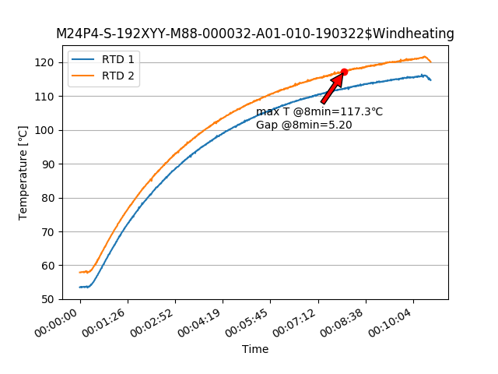

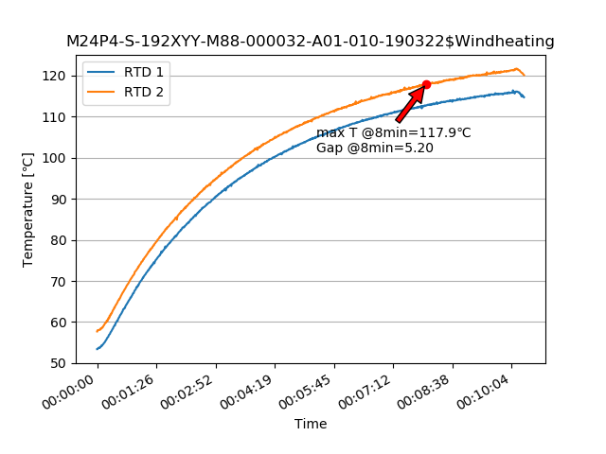
Item 8. Winding Heating Measurement 绕组加热测试
Description |  |  |  | Data 1- Starting |  | Data 2 - After xx mins
Real Ambient Room Temperature 实际室温 |  |  | [°C] | 20.00 |  | 20.00
Real Motor Coolant Flow Rate 实际冷却介质流量 |  |  | [lpm] | 8.00 |  | 8.00
Real Coolant Temp. In Motor 实际冷却介质温度 |  |  | [°C] | 55.00 |  | 55.00
Real Speed 实际速度 |  |  | [rpm] | 500.00 |  | 500.00
Real Speed 实际角速度 |  |  | [rad/s]
Frequency 频率 |  |  | [Hz]
Real Phase Current 实际相电流 |  |  | [Arms] | 99.11 |  | 99.12
Torque Command 扭矩命令值 |  |  | [Nm] | 135.00 |  | 135.00
Torque measurement 扭矩测量值 |  |  | [Nm] | 127.84 |  | 126.55
Kt |  |  | [Nm/Arms]
Winding Temperature 绕线温度 |  |  |  | RTD1 |  | RTD2
Winding Temperature@Starting 绕线开始温度 |  |  | [°C] | 53.40 |  | 57.70
Winding Temperature@8mins 8分钟后绕线温度 |  |  | [°C] | 112.70 |  | 117.90
Finnal stable Tempetature 最终稳定温度 |  |  | [°C]
∆T after 8mins 8分钟后的温差 |  |  | [°C]
Test Propose
The purpose of this test is to know the heat transfer performance of the DUT 测试目的是为了知道被测电机的传热性能

 | Automatic calculate 自动计算

5. High Speed
 |  | PRODUCT ACCEPTANCE TEST - High Speed

Item 11. High Speed Test 高速测试

 | RTD1 | RTD2
-33
0:00:01
0:00:02
0:00:03
0:00:04
0:00:05
0:00:06
0:00:07
0:00:08
0:00:09
0:00:10
0:00:11
0:00:12
0:00:13
0:00:14
0:00:15
0:00:16
0:00:17
0:00:18
0:00:19
0:00:20
0:00:21
0:00:22
0:00:23
0:00:24
0:00:25
0:00:26
0:00:27
0:00:28
0:00:29
0:00:30
0:00:31
0:00:32
0:00:33
0:00:34
0:00:35
0:00:36
0:00:37
0:00:38
0:00:39
0:00:40
0:00:41
0:00:42
0:00:43
0:00:44
0:00:45
0:00:46
0:00:47
0:00:48
0:00:49
...
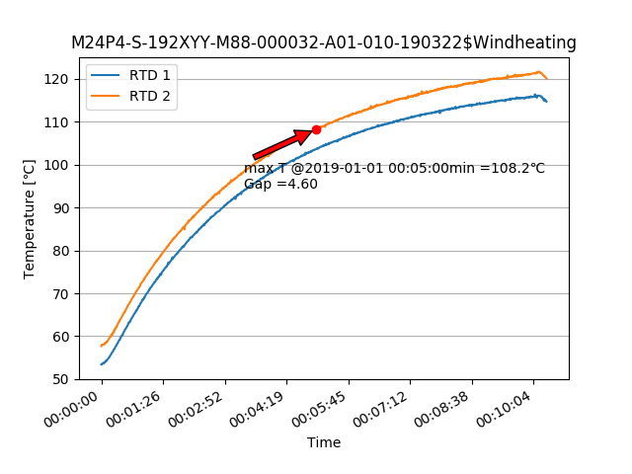
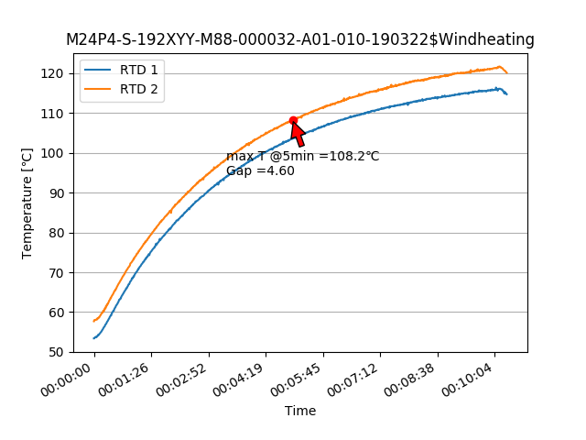
Description |  |  |  | Data 1 |  | Time | RTD1 | RTD2
Test Conditions 测试条件 | D.U.T. control mode 被测电机控制模式 |  |  | Disable 禁用 |  | -45
 | Rotating Direction 旋转方向 |  |  | Positive正转 |  | 0:00:01
 | Target test speed 测试速度目标 |  | [rpm] | 12,000 |  | 0:00:02
 | Running Time 运行时间 |  | [mins] | 5.0 |  | 0:00:03
 | DUT Coolant Inlet Temperature 被测电机 |  | [°C] | 20 |  | 0:00:04
 | DUT Coolant Flow Rate 被测电机流量 |  | [LPM] | 8 |  | 0:00:05
 | Winding Temperature @Starting 测试开始时的绕线温度 |  | [°C] | 35 ± 2 |  | 0:00:06
Test Result 测试结果 | Winding code 定子温度传感器代码 |  |  | RTD1 | RTD2 | 0:00:07
 | Starting temperature 开始温度 |  | [°C] | 53.4 | 57.7 | 0:00:08
 | Real Speed 实际速度 |  | [rpm] | 12000 |  | 0:00:09
 | Real Speed 实际角速度 |  | [rad/s] |  |  | 0:00:10
 | Frequency 频率 |  | [Hz] |  |  | 0:00:11
 | Torque Measurement 扭矩测量值 |  | [Nm] | 0.3 |  | 0:00:12
 | Motor Power Loss 电机功率损失 |  | [W] |  |  | 0:00:13
 | Winding Temperature @5mins 5分钟时的绕线温度 |  | [°C] | 103.6 | 108.2 | 0:00:14
 | Result [Pass/Failure] 结果 |  |  | PASS |  | 0:00:15
 |  |  |  |  |  | 0:00:16
Test Propose |  |  |  |  |  | 0:00:17
the purpose of this test is to check motor mechanical part when spin in high speed. 1. check rotating part assembly. e.g.bearing, rotor… 2. check no load loss in high speed, pay attention on winding temperature of each stator after the testing. |  |  |  |  |  | 0:00:18
 | Automatic calculate 自动计算 |  |  |  |  | 0:00:19
 |  |  |  |  |  | 0:00:20
 |  |  |  |  |  | 0:00:21
 |  |  |  |  |  | 0:00:22
 |  |  |  |  |  | 0:00:23
 |  |  |  |  |  | 0:00:24
 |  |  |  |  |  | 0:00:25
 |  |  |  |  |  | 0:00:26
 |  |  |  |  |  | 0:00:27
 |  |  |  |  |  | 0:00:28
 |  |  |  |  |  | 0:00:29
 |  |  |  |  |  | 0:00:30
 |  |  |  |  |  | 0:00:31
 |  |  |  |  |  | 0:00:32
 |  |  |  |  |  | 0:00:33
 |  |  |  |  |  | 0:00:34
 |  |  |  |  |  | 0:00:35
 |  |  |  |  |  | 0:00:36
 |  |  |  |  |  | 0:00:37
 |  |  |  |  |  | 0:00:38
 |  |  |  |  |  | 0:00:39
 |  |  |  |  |  | 0:00:40
 |  |  |  |  |  | 0:00:41
 |  |  |  |  |  | 0:00:42
 |  |  |  |  |  | 0:00:43
 |  |  |  |  |  | 0:00:44
 |  |  |  |  |  | 0:00:45
 |  |  |  |  |  | 0:00:46
 |  |  |  |  |  | 0:00:47
 |  |  |  |  |  | 0:00:48
 |  |  |  |  |  | 0:00:49
 |  |  |  |  |  | 0:00:50
 |  |  |  |  |  | 0:00:51
 |  |  |  |  |  | 0:00:52
 |  |  |  |  |  | 0:00:53
 |  |  |  |  |  | 0:00:54
 |  |  |  |  |  | 0:00:55
 |  |  |  |  |  | 0:00:56
 |  |  |  |  |  | 0:00:57
 |  |  |  |  |  | 0:00:58
 |  |  |  |  |  | 0:00:59
 |  |  |  |  |  | 0:01:00
 |  |  |  |  |  | 0:01:01
 |  |  |  |  |  | 0:01:02
 |  |  |  |  |  | 0:01:03
 |  |  |  |  |  | 0:01:04
 |  |  |  |  |  | 0:01:05
 |  |  |  |  |  | 0:01:06
 |  |  |  |  |  | 0:01:07
 |  |  |  |  |  | 0:01:08
 |  |  |  |  |  | 0:01:09
 |  |  |  |  |  | 0:01:10
 |  |  |  |  |  | 0:01:11
 |  |  |  |  |  | 0:01:12
 |  |  |  |  |  | 0:01:13
 |  |  |  |  |  | 0:01:14
 |  |  |  |  |  | 0:01:15
 |  |  |  |  |  | 0:01:16
 |  |  |  |  |  | 0:01:17
 |  |  |  |  |  | 0:01:18
 |  |  |  |  |  | 0:01:19
 |  |  |  |  |  | 0:01:20
 |  |  |  |  |  | 0:01:21
 |  |  |  |  |  | 0:01:22
 |  |  |  |  |  | 0:01:23
 |  |  |  |  |  | 0:01:24
 |  |  |  |  |  | 0:01:25
 |  |  |  |  |  | 0:01:26
 |  |  |  |  |  | 0:01:27
 |  |  |  |  |  | 0:01:28
 |  |  |  |  |  | 0:01:29
 |  |  |  |  |  | 0:01:30
 |  |  |  |  |  | 0:01:31
 |  |  |  |  |  | 0:01:32
 |  |  |  |  |  | 0:01:33
 |  |  |  |  |  | 0:01:34
 |  |  |  |  |  | 0:01:35
 |  |  |  |  |  | 0:01:36
 |  |  |  |  |  | 0:01:37
 |  |  |  |  |  | 0:01:38
 |  |  |  |  |  | 0:01:39
 |  |  |  |  |  | 0:01:40
 |  |  |  |  |  | 0:01:41
 |  |  |  |  |  | 0:01:42
 |  |  |  |  |  | 0:01:43
 |  |  |  |  |  | 0:01:44
 |  |  |  |  |  | 0:01:45
 |  |  |  |  |  | 0:01:46
 |  |  |  |  |  | 0:01:47
 |  |  |  |  |  | 0:01:48
 |  |  |  |  |  | 0:01:49
 |  |  |  |  |  | 0:01:50
 |  |  |  |  |  | 0:01:51
 |  |  |  |  |  | 0:01:52
 |  |  |  |  |  | 0:01:53
 |  |  |  |  |  | 0:01:54
 |  |  |  |  |  | 0:01:55
 |  |  |  |  |  | 0:01:56
 |  |  |  |  |  | 0:01:57
 |  |  |  |  |  | 0:01:58
 |  |  |  |  |  | 0:01:59
 |  |  |  |  |  | 0:02:00
 |  |  |  |  |  | 0:02:01
 |  |  |  |  |  | 0:02:02
 |  |  |  |  |  | 0:02:03
 |  |  |  |  |  | 0:02:04
 |  |  |  |  |  | 0:02:05
 |  |  |  |  |  | 0:02:06
 |  |  |  |  |  | 0:02:07
 |  |  |  |  |  | 0:02:08
 |  |  |  |  |  | 0:02:09
 |  |  |  |  |  | 0:02:10
 |  |  |  |  |  | 0:02:11
 |  |  |  |  |  | 0:02:12
 |  |  |  |  |  | 0:02:13
 |  |  |  |  |  | 0:02:14
 |  |  |  |  |  | 0:02:15
 |  |  |  |  |  | 0:02:16
 |  |  |  |  |  | 0:02:17
 |  |  |  |  |  | 0:02:18
 |  |  |  |  |  | 0:02:19
 |  |  |  |  |  | 0:02:20
 |  |  |  |  |  | 0:02:21
 |  |  |  |  |  | 0:02:22
 |  |  |  |  |  | 0:02:23
 |  |  |  |  |  | 0:02:24
 |  |  |  |  |  | 0:02:25
 |  |  |  |  |  | 0:02:26
 |  |  |  |  |  | 0:02:27
 |  |  |  |  |  | 0:02:28
 |  |  |  |  |  | 0:02:29
 |  |  |  |  |  | 0:02:30
 |  |  |  |  |  | 0:02:31
 |  |  |  |  |  | 0:02:32
 |  |  |  |  |  | 0:02:33
 |  |  |  |  |  | 0:02:34
 |  |  |  |  |  | 0:02:35
 |  |  |  |  |  | 0:02:36
 |  |  |  |  |  | 0:02:37
 |  |  |  |  |  | 0:02:38
 |  |  |  |  |  | 0:02:39
 |  |  |  |  |  | 0:02:40
 |  |  |  |  |  | 0:02:41
 |  |  |  |  |  | 0:02:42
 |  |  |  |  |  | 0:02:43
 |  |  |  |  |  | 0:02:44
 |  |  |  |  |  | 0:02:45
 |  |  |  |  |  | 0:02:46
 |  |  |  |  |  | 0:02:47
 |  |  |  |  |  | 0:02:48
 |  |  |  |  |  | 0:02:49
 |  |  |  |  |  | 0:02:50
 |  |  |  |  |  | 0:02:51
 |  |  |  |  |  | 0:02:52
 |  |  |  |  |  | 0:02:53
 |  |  |  |  |  | 0:02:54
 |  |  |  |  |  | 0:02:55
 |  |  |  |  |  | 0:02:56
 |  |  |  |  |  | 0:02:57
 |  |  |  |  |  | 0:02:58
 |  |  |  |  |  | 0:02:59
 |  |  |  |  |  | 0:03:00
 |  |  |  |  |  | 0:03:01
 |  |  |  |  |  | 0:03:02
 |  |  |  |  |  | 0:03:03
 |  |  |  |  |  | 0:03:04
 |  |  |  |  |  | 0:03:05
 |  |  |  |  |  | 0:03:06
 |  |  |  |  |  | 0:03:07
 |  |  |  |  |  | 0:03:08
 |  |  |  |  |  | 0:03:09
 |  |  |  |  |  | 0:03:10
 |  |  |  |  |  | 0:03:11
 |  |  |  |  |  | 0:03:12
 |  |  |  |  |  | 0:03:13
 |  |  |  |  |  | 0:03:14
 |  |  |  |  |  | 0:03:15
 |  |  |  |  |  | 0:03:16
 |  |  |  |  |  | 0:03:17
 |  |  |  |  |  | 0:03:18
 |  |  |  |  |  | 0:03:19
 |  |  |  |  |  | 0:03:20
 |  |  |  |  |  | 0:03:21
 |  |  |  |  |  | 0:03:22
 |  |  |  |  |  | 0:03:23
 |  |  |  |  |  | 0:03:24
 |  |  |  |  |  | 0:03:25
 |  |  |  |  |  | 0:03:26
 |  |  |  |  |  | 0:03:27
 |  |  |  |  |  | 0:03:28
 |  |  |  |  |  | 0:03:29
 |  |  |  |  |  | 0:03:30
 |  |  |  |  |  | 0:03:31
 |  |  |  |  |  | 0:03:32
 |  |  |  |  |  | 0:03:33
 |  |  |  |  |  | 0:03:34
 |  |  |  |  |  | 0:03:35
 |  |  |  |  |  | 0:03:36
 |  |  |  |  |  | 0:03:37
 |  |  |  |  |  | 0:03:38
 |  |  |  |  |  | 0:03:39
 |  |  |  |  |  | 0:03:40
 |  |  |  |  |  | 0:03:41
 |  |  |  |  |  | 0:03:42
 |  |  |  |  |  | 0:03:43
 |  |  |  |  |  | 0:03:44
 |  |  |  |  |  | 0:03:45
 |  |  |  |  |  | 0:03:46
 |  |  |  |  |  | 0:03:47
 |  |  |  |  |  | 0:03:48
 |  |  |  |  |  | 0:03:49
 |  |  |  |  |  | 0:03:50
 |  |  |  |  |  | 0:03:51
 |  |  |  |  |  | 0:03:52
 |  |  |  |  |  | 0:03:53
 |  |  |  |  |  | 0:03:54
 |  |  |  |  |  | 0:03:55
 |  |  |  |  |  | 0:03:56
 |  |  |  |  |  | 0:03:57
 |  |  |  |  |  | 0:03:58
 |  |  |  |  |  | 0:03:59
 |  |  |  |  |  | 0:04:00
 |  |  |  |  |  | 0:04:01
 |  |  |  |  |  | 0:04:02
 |  |  |  |  |  | 0:04:03
 |  |  |  |  |  | 0:04:04
 |  |  |  |  |  | 0:04:05
 |  |  |  |  |  | 0:04:06
 |  |  |  |  |  | 0:04:07
 |  |  |  |  |  | 0:04:08
 |  |  |  |  |  | 0:04:09
 |  |  |  |  |  | 0:04:10
 |  |  |  |  |  | 0:04:11
 |  |  |  |  |  | 0:04:12
 |  |  |  |  |  | 0:04:13
 |  |  |  |  |  | 0:04:14
 |  |  |  |  |  | 0:04:15
 |  |  |  |  |  | 0:04:16
 |  |  |  |  |  | 0:04:17
 |  |  |  |  |  | 0:04:18
 |  |  |  |  |  | 0:04:19
 |  |  |  |  |  | 0:04:20
 |  |  |  |  |  | 0:04:21
 |  |  |  |  |  | 0:04:22
 |  |  |  |  |  | 0:04:23
 |  |  |  |  |  | 0:04:24
 |  |  |  |  |  | 0:04:25
 |  |  |  |  |  | 0:04:26
 |  |  |  |  |  | 0:04:27
 |  |  |  |  |  | 0:04:28
 |  |  |  |  |  | 0:04:29
 |  |  |  |  |  | 0:04:30
 |  |  |  |  |  | 0:04:31
 |  |  |  |  |  | 0:04:32
 |  |  |  |  |  | 0:04:33
 |  |  |  |  |  | 0:04:34
 |  |  |  |  |  | 0:04:35
 |  |  |  |  |  | 0:04:36
 |  |  |  |  |  | 0:04:37
 |  |  |  |  |  | 0:04:38
 |  |  |  |  |  | 0:04:39
 |  |  |  |  |  | 0:04:40
 |  |  |  |  |  | 0:04:41
 |  |  |  |  |  | 0:04:42
 |  |  |  |  |  | 0:04:43
 |  |  |  |  |  | 0:04:44
 |  |  |  |  |  | 0:04:45
 |  |  |  |  |  | 0:04:46
 |  |  |  |  |  | 0:04:47
 |  |  |  |  |  | 0:04:48
 |  |  |  |  |  | 0:04:49
 |  |  |  |  |  | 0:04:50
 |  |  |  |  |  | 0:04:51
 |  |  |  |  |  | 0:04:52
 |  |  |  |  |  | 0:04:53
 |  |  |  |  |  | 0:04:54
 |  |  |  |  |  | 0:04:55
 |  |  |  |  |  | 0:04:56
 |  |  |  |  |  | 0:04:57
 |  |  |  |  |  | 0:04:58
 |  |  |  |  |  | 0:04:59
 |  |  |  |  |  | 0:05:00
 |  |  |  |  |  | 0:05:01
 |  |  |  |  |  | 0:05:02
 |  |  |  |  |  | 0:05:03
 |  |  |  |  |  | 0:05:04
 |  |  |  |  |  | 0:05:05
 |  |  |  |  |  | 0:05:06
 |  |  |  |  |  | 0:05:07
 |  |  |  |  |  | 0:05:08
 |  |  |  |  |  | 0:05:09
 |  |  |  |  |  | 0:05:10
 |  |  |  |  |  | 0:05:11
 |  |  |  |  |  | 0:05:12
 |  |  |  |  |  | 0:05:13
 |  |  |  |  |  | 0:05:14
 |  |  |  |  |  | 0:05:15
 |  |  |  |  |  | 0:05:16
 |  |  |  |  |  | 0:05:17
 |  |  |  |  |  | 0:05:18
 |  |  |  |  |  | 0:05:19
 |  |  |  |  |  | 0:05:20
 |  |  |  |  |  | 0:05:21
 |  |  |  |  |  | 0:05:22
 |  |  |  |  |  | 0:05:23
 |  |  |  |  |  | 0:05:24
 |  |  |  |  |  | 0:05:25
 |  |  |  |  |  | 0:05:26
 |  |  |  |  |  | 0:05:27
 |  |  |  |  |  | 0:05:28
 |  |  |  |  |  | 0:05:29
 |  |  |  |  |  | 0:05:30
 |  |  |  |  |  | 0:05:31
 |  |  |  |  |  | 0:05:32
 |  |  |  |  |  | 0:05:33
 |  |  |  |  |  | 0:05:34
 |  |  |  |  |  | 0:05:35
 |  |  |  |  |  | 0:05:36
 |  |  |  |  |  | 0:05:37
 |  |  |  |  |  | 0:05:38
 |  |  |  |  |  | 0:05:39
 |  |  |  |  |  | 0:05:40
 |  |  |  |  |  | 0:05:41
 |  |  |  |  |  | 0:05:42
 |  |  |  |  |  | 0:05:43
 |  |  |  |  |  | 0:05:44
 |  |  |  |  |  | 0:05:45
 |  |  |  |  |  | 0:05:46
 |  |  |  |  |  | 0:05:47
 |  |  |  |  |  | 0:05:48
 |  |  |  |  |  | 0:05:49
 |  |  |  |  |  | 0:05:50
 |  |  |  |  |  | 0:05:51
 |  |  |  |  |  | 0:05:52
 |  |  |  |  |  | 0:05:53
 |  |  |  |  |  | 0:05:54
 |  |  |  |  |  | 0:05:55
 |  |  |  |  |  | 0:05:56
 |  |  |  |  |  | 0:05:57
 |  |  |  |  |  | 0:05:58
 |  |  |  |  |  | 0:05:59
 |  |  |  |  |  | 0:06:00
 |  |  |  |  |  | 0:06:01
 |  |  |  |  |  | 0:06:02
 |  |  |  |  |  | 0:06:03
 |  |  |  |  |  | 0:06:04
 |  |  |  |  |  | 0:06:05
 |  |  |  |  |  | 0:06:06
 |  |  |  |  |  | 0:06:07
 |  |  |  |  |  | 0:06:08
 |  |  |  |  |  | 0:06:09
 |  |  |  |  |  | 0:06:10
 |  |  |  |  |  | 0:06:11
 |  |  |  |  |  | 0:06:12
 |  |  |  |  |  | 0:06:13
 |  |  |  |  |  | 0:06:14
 |  |  |  |  |  | 0:06:15
 |  |  |  |  |  | 0:06:16
 |  |  |  |  |  | 0:06:17
 |  |  |  |  |  | 0:06:18
 |  |  |  |  |  | 0:06:19
 |  |  |  |  |  | 0:06:20
 |  |  |  |  |  | 0:06:21
 |  |  |  |  |  | 0:06:22
 |  |  |  |  |  | 0:06:23
 |  |  |  |  |  | 0:06:24
 |  |  |  |  |  | 0:06:25
 |  |  |  |  |  | 0:06:26
 |  |  |  |  |  | 0:06:27
 |  |  |  |  |  | 0:06:28
 |  |  |  |  |  | 0:06:29
 |  |  |  |  |  | 0:06:30
 |  |  |  |  |  | 0:06:31
 |  |  |  |  |  | 0:06:32
 |  |  |  |  |  | 0:06:33
 |  |  |  |  |  | 0:06:34
 |  |  |  |  |  | 0:06:35
 |  |  |  |  |  | 0:06:36
 |  |  |  |  |  | 0:06:37
 |  |  |  |  |  | 0:06:38
 |  |  |  |  |  | 0:06:39
 |  |  |  |  |  | 0:06:40
 |  |  |  |  |  | 0:06:41
 |  |  |  |  |  | 0:06:42
 |  |  |  |  |  | 0:06:43
 |  |  |  |  |  | 0:06:44
 |  |  |  |  |  | 0:06:45
 |  |  |  |  |  | 0:06:46
 |  |  |  |  |  | 0:06:47
 |  |  |  |  |  | 0:06:48
 |  |  |  |  |  | 0:06:49
 |  |  |  |  |  | 0:06:50
 |  |  |  |  |  | 0:06:51
 |  |  |  |  |  | 0:06:52
 |  |  |  |  |  | 0:06:53
 |  |  |  |  |  | 0:06:54
 |  |  |  |  |  | 0:06:55
 |  |  |  |  |  | 0:06:56
 |  |  |  |  |  | 0:06:57
 |  |  |  |  |  | 0:06:58
 |  |  |  |  |  | 0:06:59
 |  |  |  |  |  | 0:07:00
 |  |  |  |  |  | 0:07:01
 |  |  |  |  |  | 0:07:02
 |  |  |  |  |  | 0:07:03
 |  |  |  |  |  | 0:07:04
 |  |  |  |  |  | 0:07:05
 |  |  |  |  |  | 0:07:06
 |  |  |  |  |  | 0:07:07
 |  |  |  |  |  | 0:07:08
 |  |  |  |  |  | 0:07:09
 |  |  |  |  |  | 0:07:10
 |  |  |  |  |  | 0:07:11
 |  |  |  |  |  | 0:07:12
 |  |  |  |  |  | 0:07:13
 |  |  |  |  |  | 0:07:14
 |  |  |  |  |  | 0:07:15
 |  |  |  |  |  | 0:07:16
 |  |  |  |  |  | 0:07:17
 |  |  |  |  |  | 0:07:18
 |  |  |  |  |  | 0:07:19
 |  |  |  |  |  | 0:07:20
 |  |  |  |  |  | 0:07:21
 |  |  |  |  |  | 0:07:22
 |  |  |  |  |  | 0:07:23
 |  |  |  |  |  | 0:07:24
 |  |  |  |  |  | 0:07:25
 |  |  |  |  |  | 0:07:26
 |  |  |  |  |  | 0:07:27
 |  |  |  |  |  | 0:07:28
 |  |  |  |  |  | 0:07:29
 |  |  |  |  |  | 0:07:30
 |  |  |  |  |  | 0:07:31
 |  |  |  |  |  | 0:07:32
 |  |  |  |  |  | 0:07:33
 |  |  |  |  |  | 0:07:34
 |  |  |  |  |  | 0:07:35
 |  |  |  |  |  | 0:07:36
 |  |  |  |  |  | 0:07:37
 |  |  |  |  |  | 0:07:38
 |  |  |  |  |  | 0:07:39
 |  |  |  |  |  | 0:07:40
 |  |  |  |  |  | 0:07:41
 |  |  |  |  |  | 0:07:42
 |  |  |  |  |  | 0:07:43
 |  |  |  |  |  | 0:07:44
 |  |  |  |  |  | 0:07:45
 |  |  |  |  |  | 0:07:46
 |  |  |  |  |  | 0:07:47
 |  |  |  |  |  | 0:07:48
 |  |  |  |  |  | 0:07:49

